Energy_item
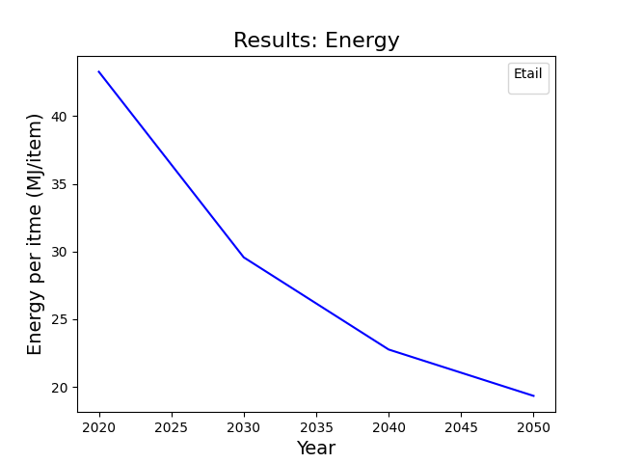
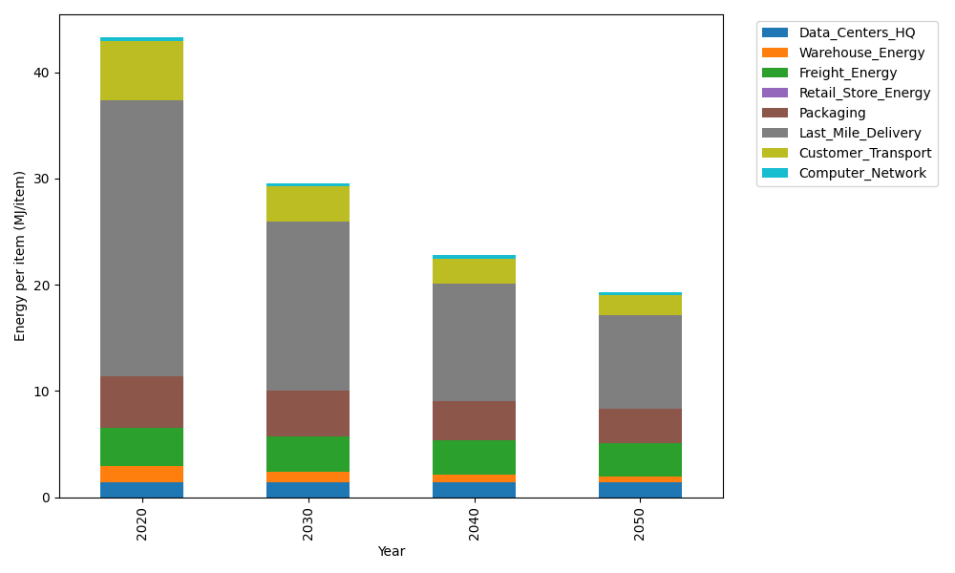
Years | Data_Centers_HQ | Warehouse_Energy | Freight_Energy | Retail_Store_Energy | Packaging | Last_Mile_Delivery | Customer_Transport | Computer_Network | Total
2020 | 1.3707219138 | 1.548 | 3.6014234063 | 0 | 4.8467995113 | 25.989676808 | 5.5939378112 | 0.32656171373 | 43.277121165
2030 | 1.3707219138 | 0.99072 | 3.3867113848 | 0 | 4.3136515651 | 15.842153218 | 3.3330770501 | 0.32656171373 | 29.563596845
2040 | 1.3707219138 | 0.774 | 3.214759759 | 0 | 3.7320356237 | 10.979263813 | 2.357649727 | 0.32656171373 | 22.75499255
2050 | 1.3707219138 | 0.60372 | 3.0777449203 | 0 | 3.2958236677 | 8.7953791764 | 1.8606279642 | 0.32656171373 | 19.330579356

CO2_item
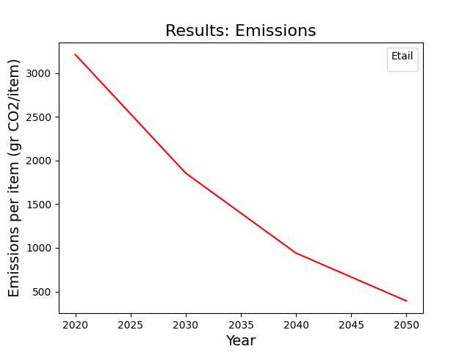
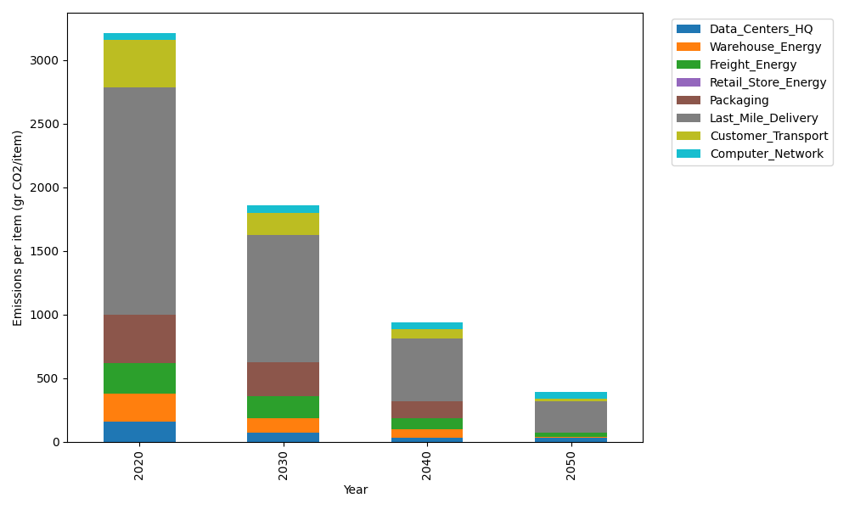
Years | Data_Centers_HQ | Warehouse_Energy | Freight_Energy | Retail_Store_Energy | Packaging | Last_Mile_Delivery | Customer_Transport | Computer_Network | Total
2020 | 157.73612384 | 220.80520494 | 241.44795769 | 0 | 379.96504026 | 1784.0127109 | 372.24448236 | 55.083386689 | 3211.2949066
2030 | 71.737141217 | 114.81870657 | 173.33879971 | 0 | 262.17587778 | 1000.4585545 | 177.43773106 | 55.083386689 | 1855.0501975
2040 | 34.541937055 | 66.241561483 | 87.009643687 | 0 | 129.18811369 | 493.6414121 | 73.737392507 | 55.083386689 | 939.44344721
2050 | 34.541937055 | 4.4161040989 | 33.19325351 | 0 | 0 | 247.5343587 | 17.333976949 | 55.083386689 | 392.103017

