Energy_item
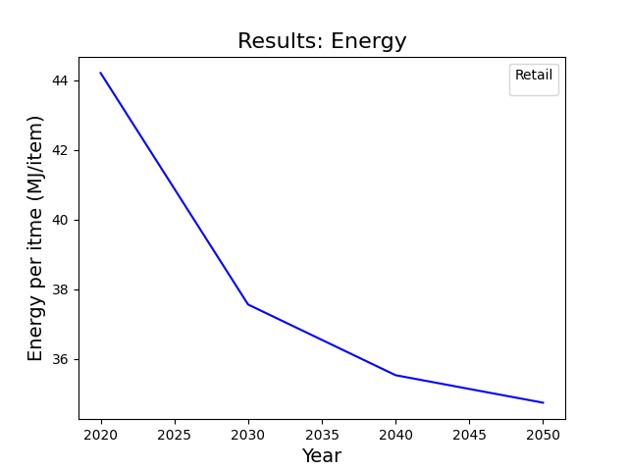
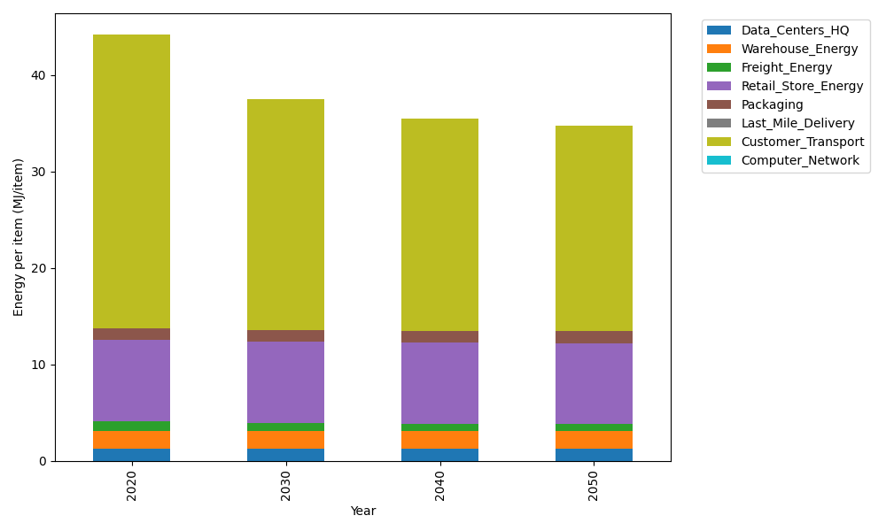
Years | Data_Centers_HQ | Warehouse_Energy | Freight_Energy | Retail_Store_Energy | Packaging | Last_Mile_Delivery | Customer_Transport | Computer_Network | Total
2020 | 1.2172633253 | 1.84 | 1.0383465358 | 8.415 | 1.2147367196 | 0 | 30.479697252 | 0 | 44.205043832
2030 | 1.2172633253 | 1.84 | 0.85635813891 | 8.415 | 1.2147367196 | 0 | 24.013479281 | 0 | 37.556837465
2040 | 1.2172633253 | 1.84 | 0.76346439174 | 8.415 | 1.2147367196 | 0 | 22.077294048 | 0 | 35.527758485
2050 | 1.2172633253 | 1.84 | 0.7448206218 | 8.415 | 1.2147367196 | 0 | 21.30619674 | 0 | 34.738017407

CO2_item
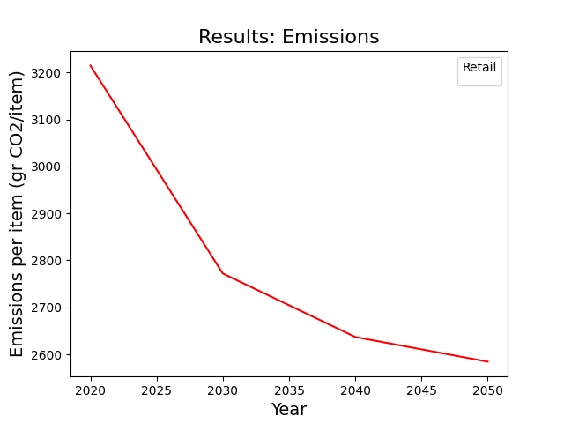
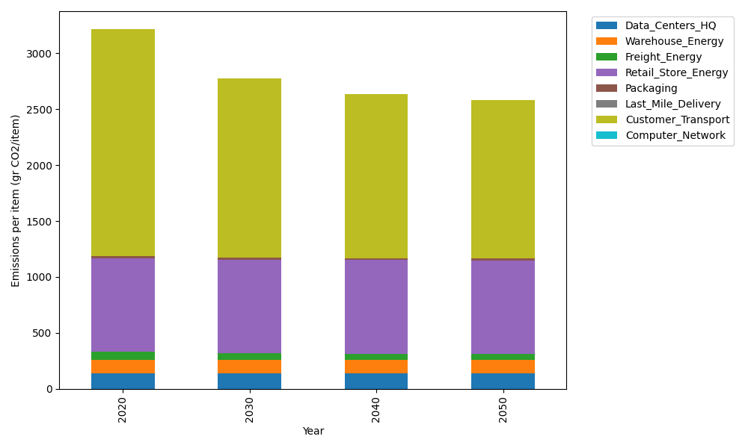
Years | Data_Centers_HQ | Warehouse_Energy | Freight_Energy | Retail_Store_Energy | Packaging | Last_Mile_Delivery | Customer_Transport | Computer_Network | Total
2020 | 137.48834654 | 120.73500736 | 71.275354125 | 839.18807354 | 17.990768952 | 0 | 2028.2490633 | 0 | 3214.9266138
2030 | 137.48834654 | 120.73500736 | 58.783101311 | 839.18807354 | 17.990768952 | 0 | 1597.9593385 | 0 | 2772.1446362
2040 | 137.48834654 | 120.73500736 | 52.406583937 | 839.18807354 | 17.990768952 | 0 | 1469.1173145 | 0 | 2636.9260949
2050 | 137.48834654 | 120.73500736 | 51.126817251 | 839.18807354 | 17.990768952 | 0 | 1417.8052106 | 0 | 2584.3342242

