Energy_item
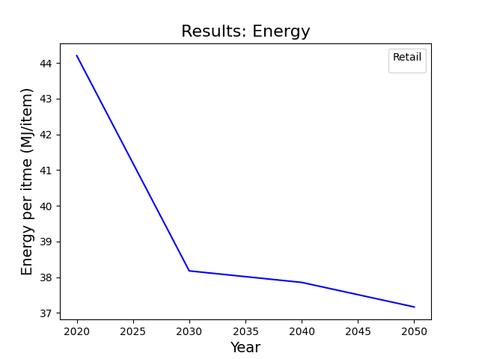
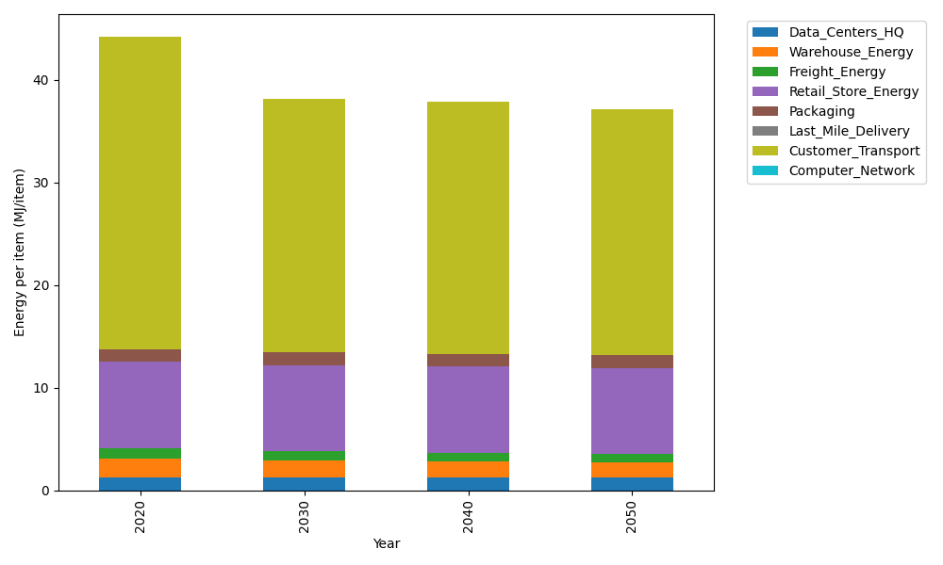
Years | Data_Centers_HQ | Warehouse_Energy | Freight_Energy | Retail_Store_Energy | Packaging | Last_Mile_Delivery | Customer_Transport | Computer_Network | Total
2020 | 1.2172633253 | 1.84 | 1.0383465358 | 8.415 | 1.2147367196 | 0 | 30.479697252 | 0 | 44.205043832
2030 | 1.2172633253 | 1.6928 | 0.90012660085 | 8.415 | 1.2754735556 | 0 | 24.678022542 | 0 | 38.178686024
2040 | 1.2172633253 | 1.6192 | 0.79507125932 | 8.415 | 1.239031454 | 0 | 24.570670911 | 0 | 37.85623695
2050 | 1.2172633253 | 1.5456 | 0.7550215382 | 8.415 | 1.2147367196 | 0 | 24.021583788 | 0 | 37.169205371

CO2_item
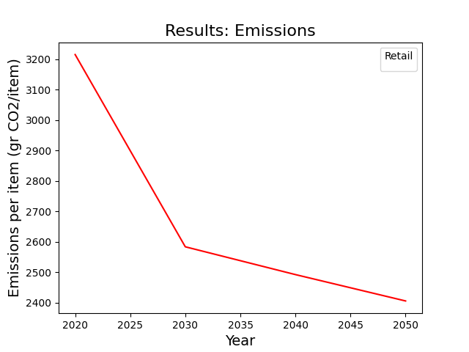
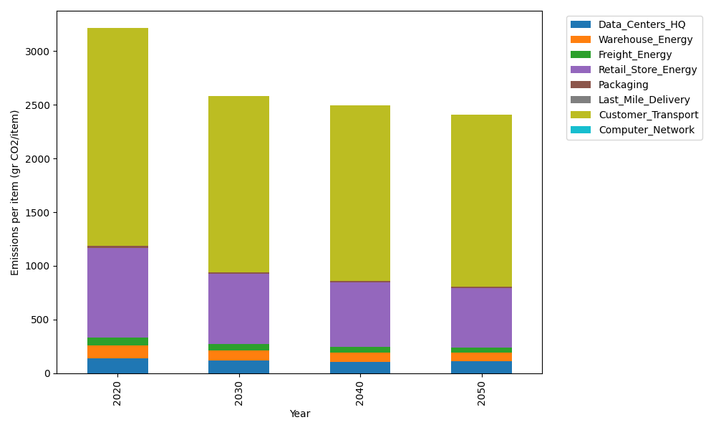
Years | Data_Centers_HQ | Warehouse_Energy | Freight_Energy | Retail_Store_Energy | Packaging | Last_Mile_Delivery | Customer_Transport | Computer_Network | Total
2020 | 137.48834654 | 120.73500736 | 71.275354125 | 839.18807354 | 17.990768952 | 0 | 2028.2490633 | 0 | 3214.9266138
2030 | 115.26511665 | 94.173305739 | 61.74425419 | 654.56669736 | 15.472061299 | 0 | 1642.1808817 | 0 | 2583.4023169
2040 | 107.85737335 | 85.721855224 | 54.510686779 | 595.82353221 | 13.133261335 | 0 | 1635.0372463 | 0 | 2492.0839552
2050 | 109.97387144 | 79.685104856 | 51.733751389 | 553.86412854 | 11.693999819 | 0 | 1598.498647 | 0 | 2405.449503

