Energy_item
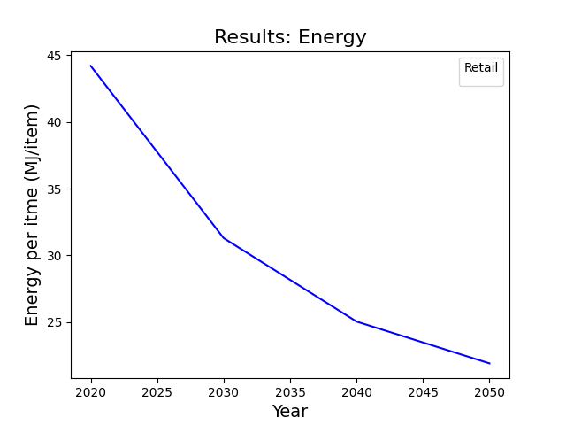
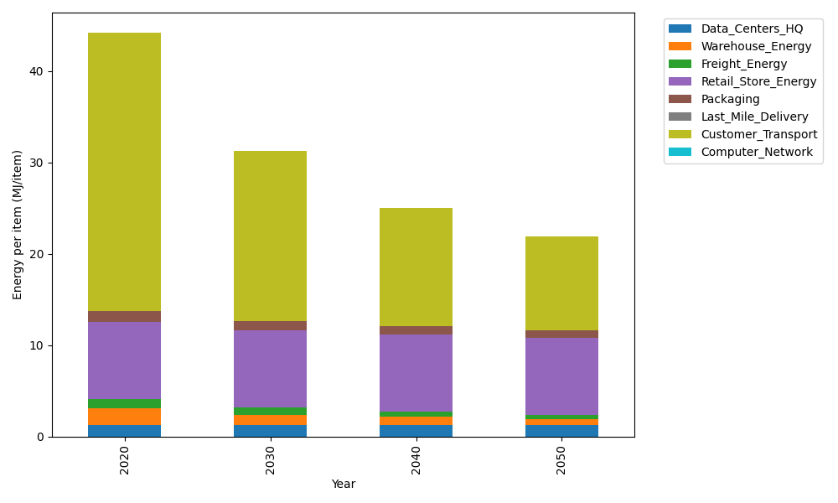
Years | Data_Centers_HQ | Warehouse_Energy | Freight_Energy | Retail_Store_Energy | Packaging | Last_Mile_Delivery | Customer_Transport | Computer_Network | Total
2020 | 1.2172633253 | 1.84 | 1.0383465358 | 8.415 | 1.2147367196 | 0 | 30.479697252 | 0 | 44.205043832
2030 | 1.2172633253 | 1.1776 | 0.79035237919 | 8.415 | 1.0811156805 | 0 | 18.613084798 | 0 | 31.294416183
2040 | 1.2172633253 | 0.92 | 0.59174683253 | 8.415 | 0.93534727412 | 0 | 12.956933789 | 0 | 25.036291221
2050 | 1.2172633253 | 0.7176 | 0.43349356316 | 8.415 | 0.82602096935 | 0 | 10.291733157 | 0 | 21.901111015

CO2_item
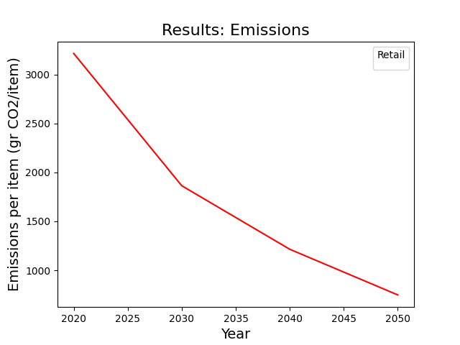
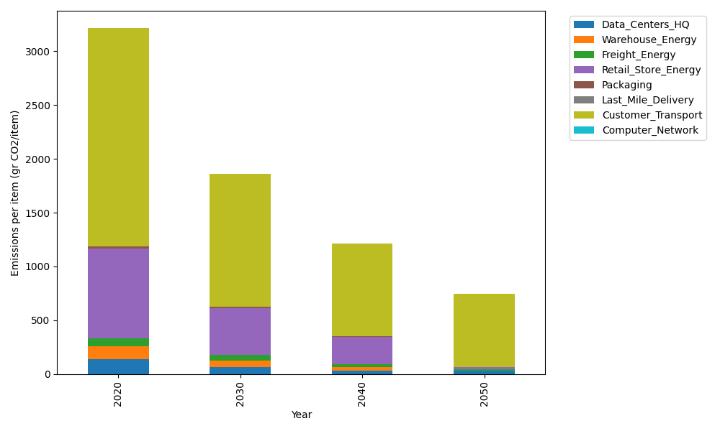
Years | Data_Centers_HQ | Warehouse_Energy | Freight_Energy | Retail_Store_Energy | Packaging | Last_Mile_Delivery | Customer_Transport | Computer_Network | Total
2020 | 137.48834654 | 120.73500736 | 71.275354125 | 839.18807354 | 17.990768952 | 0 | 2028.2490633 | 0 | 3214.9266138
2030 | 63.614454124 | 62.782203826 | 49.91207874 | 436.37779824 | 12.413630577 | 0 | 1238.5940548 | 0 | 1863.6942203
2040 | 31.6634423 | 36.220502207 | 26.605676573 | 251.75642206 | 6.1168614437 | 0 | 862.20964087 | 0 | 1214.5725455
2050 | 31.6634423 | 2.4147001471 | 12.200105192 | 16.783761471 | 0 | 0 | 684.85582268 | 0 | 747.91783179

