Energy_item
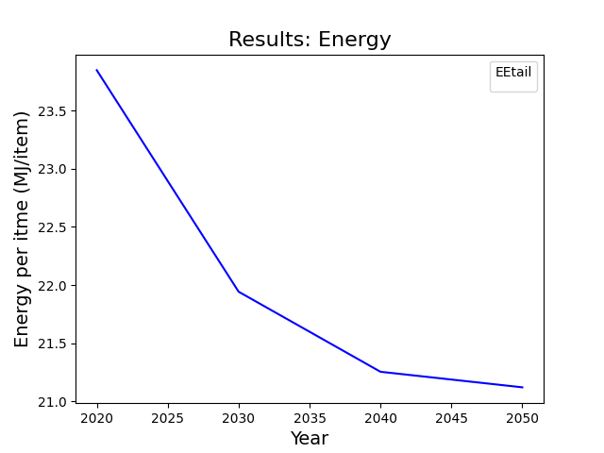
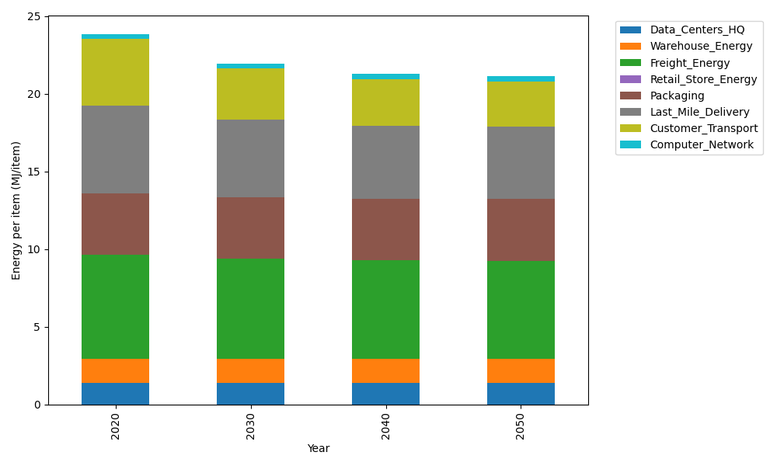
Years | Data_Centers_HQ | Warehouse_Energy | Freight_Energy | Retail_Store_Energy | Packaging | Last_Mile_Delivery | Customer_Transport | Computer_Network | Total
2020 | 1.3707219138 | 1.548 | 6.6945450725 | 0 | 3.966722758 | 5.6705376596 | 4.2701930547 | 0.32656171373 | 23.847282172
2030 | 1.3707219138 | 1.548 | 6.470419892 | 0 | 3.966722758 | 4.9734901111 | 3.2870428649 | 0.32656171373 | 21.942959254
2040 | 1.3707219138 | 1.548 | 6.3564313839 | 0 | 3.966722758 | 4.6960755459 | 2.9902033275 | 0.32656171373 | 21.254716643
2050 | 1.3707219138 | 1.548 | 6.3333599107 | 0 | 3.966722758 | 4.6384494601 | 2.9372274422 | 0.32656171373 | 21.121043199

CO2_item
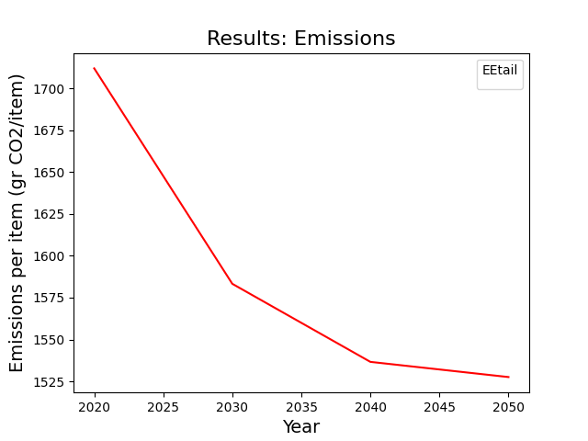
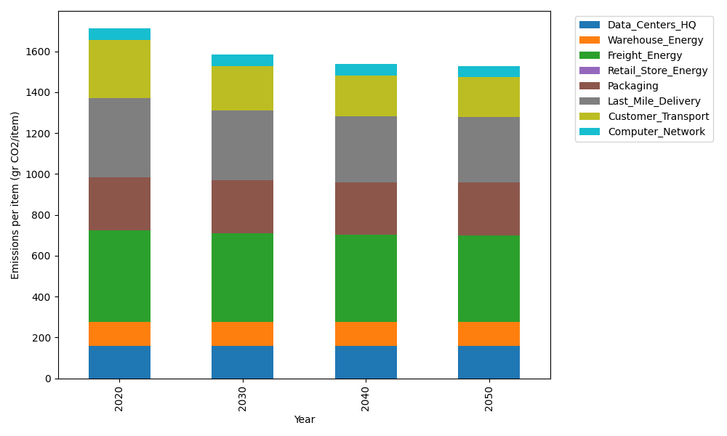
Years | Data_Centers_HQ | Warehouse_Energy | Freight_Energy | Retail_Store_Energy | Packaging | Last_Mile_Delivery | Customer_Transport | Computer_Network | Total
2020 | 157.73612384 | 118.6161301 | 448.004494 | 0 | 259.06707291 | 389.24344218 | 284.15685996 | 55.083386689 | 1711.9075097
2030 | 157.73612384 | 118.6161301 | 432.61984056 | 0 | 259.06707291 | 341.39591812 | 218.73385279 | 55.083386689 | 1583.252325
2040 | 157.73612384 | 118.6161301 | 424.79531281 | 0 | 259.06707291 | 322.35331461 | 198.98088383 | 55.083386689 | 1536.6322248
2050 | 157.73612384 | 118.6161301 | 423.21161472 | 0 | 259.06707291 | 318.39767983 | 195.45564246 | 55.083386689 | 1527.5676506

