Energy_item
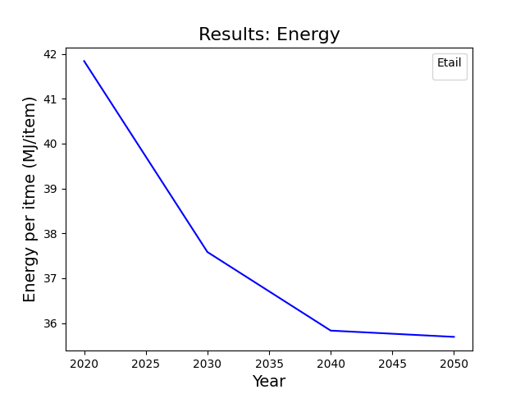
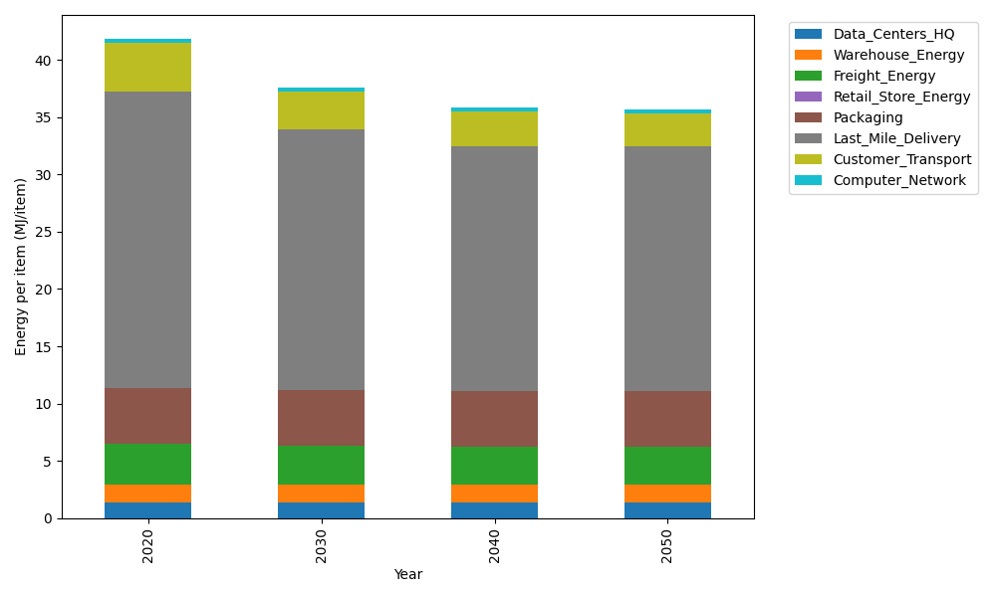
Years | Data_Centers_HQ | Warehouse_Energy | Freight_Energy | Retail_Store_Energy | Packaging | Last_Mile_Delivery | Customer_Transport | Computer_Network | Total
2020 | 1.3707219138 | 1.548 | 3.5739841637 | 0 | 4.8467995113 | 25.904929216 | 4.2697769336 | 0.32656171373 | 41.840773453
2030 | 1.3707219138 | 1.548 | 3.4225230666 | 0 | 4.8467995113 | 22.766188744 | 3.3031935986 | 0.32656171373 | 37.583988548
2040 | 1.3707219138 | 1.548 | 3.3454910059 | 0 | 4.8467995113 | 21.39107302 | 3.003542347 | 0.32656171373 | 35.832189512
2050 | 1.3707219138 | 1.548 | 3.3298995822 | 0 | 4.8467995113 | 21.329888709 | 2.9405017104 | 0.32656171373 | 35.692373141

CO2_item
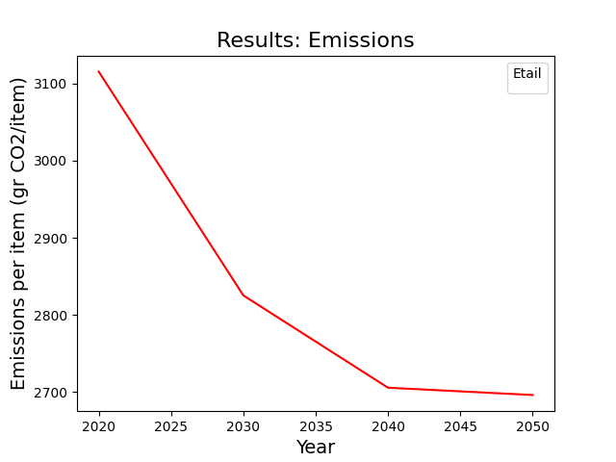
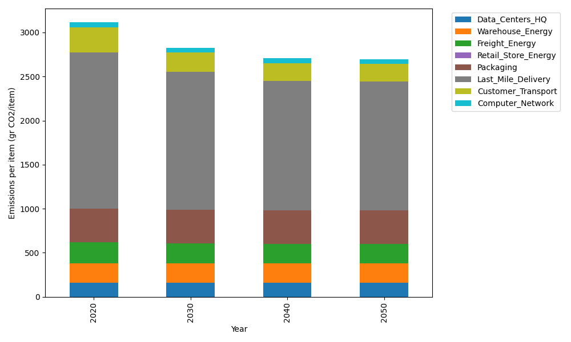
Years | Data_Centers_HQ | Warehouse_Energy | Freight_Energy | Retail_Store_Energy | Packaging | Last_Mile_Delivery | Customer_Transport | Computer_Network | Total
2020 | 157.73612384 | 220.80520494 | 239.56444225 | 0 | 379.96504026 | 1778.1953711 | 284.12916948 | 55.083386689 | 3115.4787385
2030 | 157.73612384 | 220.80520494 | 229.16767878 | 0 | 379.96504026 | 1562.7424072 | 219.8085915 | 55.083386689 | 2825.3084332
2040 | 157.73612384 | 220.80520494 | 223.87995719 | 0 | 379.96504026 | 1468.3501626 | 199.86851909 | 55.083386689 | 2705.6883946
2050 | 157.73612384 | 220.80520494 | 222.8097131 | 0 | 379.96504026 | 1464.1502801 | 195.67352623 | 55.083386689 | 2696.2232751

