Energy_item
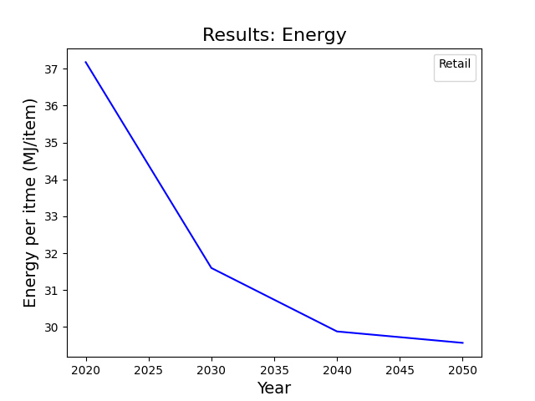
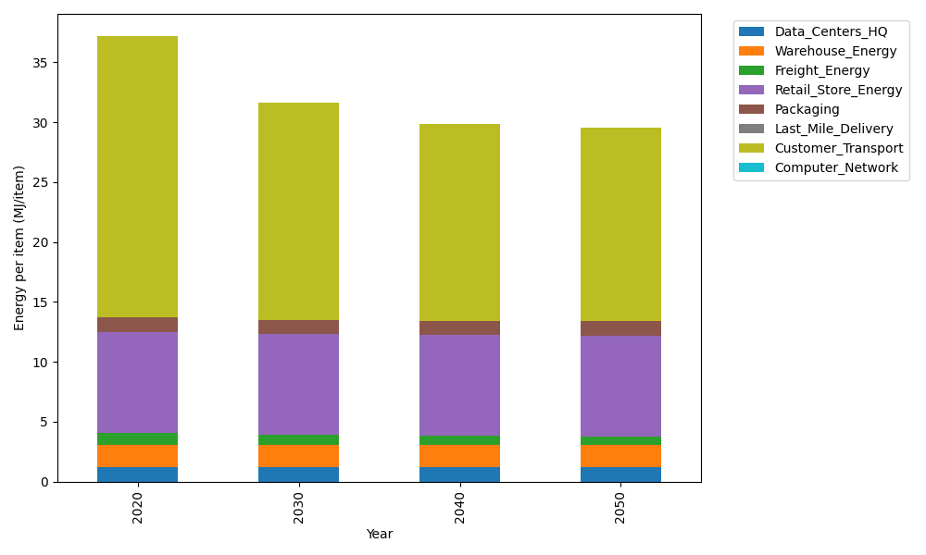
Years | Data_Centers_HQ | Warehouse_Energy | Freight_Energy | Retail_Store_Energy | Packaging | Last_Mile_Delivery | Customer_Transport | Computer_Network | Total
2020 | 1.2172633253 | 1.84 | 1.0066539841 | 8.415 | 1.2147367196 | 0 | 23.486061801 | 0 | 37.17971583
2030 | 1.2172633253 | 1.84 | 0.83171516713 | 8.415 | 1.2147367196 | 0 | 18.078735757 | 0 | 31.597450969
2040 | 1.2172633253 | 1.84 | 0.74274250146 | 8.415 | 1.2147367196 | 0 | 16.446118301 | 0 | 29.875860847
2050 | 1.2172633253 | 1.84 | 0.72473427844 | 8.415 | 1.2147367196 | 0 | 16.154750932 | 0 | 29.566485256

CO2_item
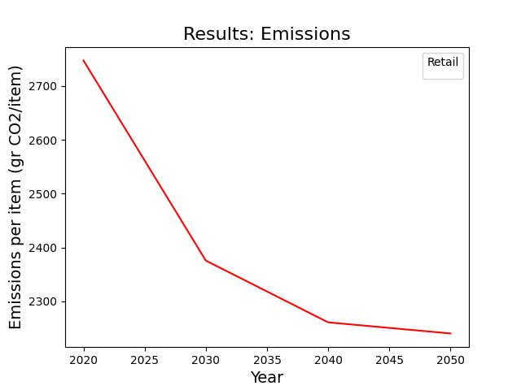
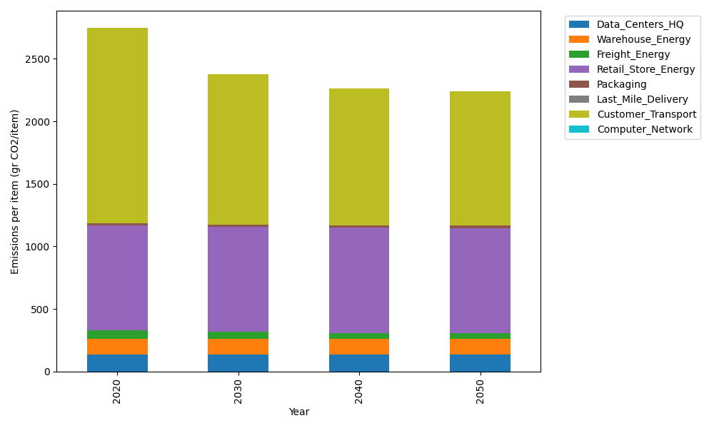
Years | Data_Centers_HQ | Warehouse_Energy | Freight_Energy | Retail_Store_Energy | Packaging | Last_Mile_Delivery | Customer_Transport | Computer_Network | Total
2020 | 137.48834654 | 120.73500736 | 69.099878247 | 839.18807354 | 17.990768952 | 0 | 1562.8627298 | 0 | 2747.3648044
2030 | 137.48834654 | 120.73500736 | 57.091530645 | 839.18807354 | 17.990768952 | 0 | 1203.0361904 | 0 | 2375.5299174
2040 | 137.48834654 | 120.73500736 | 50.984168571 | 839.18807354 | 17.990768952 | 0 | 1094.3948611 | 0 | 2260.781226
2050 | 137.48834654 | 120.73500736 | 49.748027814 | 839.18807354 | 17.990768952 | 0 | 1075.0060336 | 0 | 2240.1562578

