Energy_item
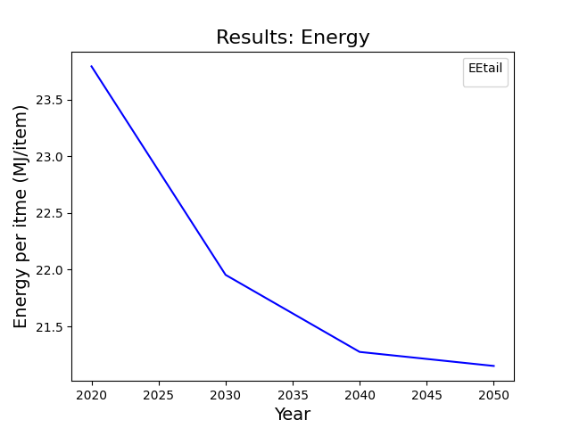
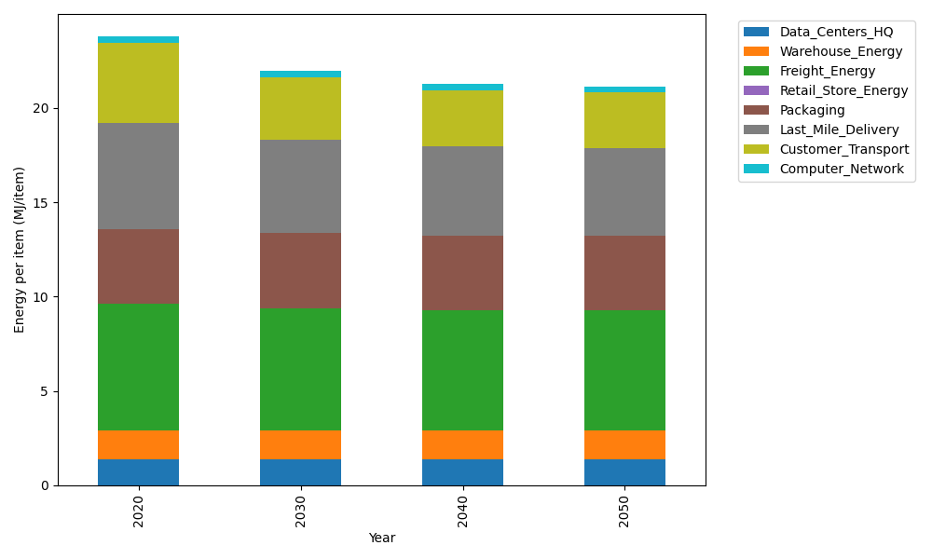
Years | Data_Centers_HQ | Warehouse_Energy | Freight_Energy | Retail_Store_Energy | Packaging | Last_Mile_Delivery | Customer_Transport | Computer_Network | Total
2020 | 1.3707219138 | 1.548 | 6.6945450725 | 0 | 3.966722758 | 5.612970355 | 4.2752344876 | 0.32656171373 | 23.794756301
2030 | 1.3707219138 | 1.548 | 6.470419892 | 0 | 3.966722758 | 4.9794935496 | 3.2926568737 | 0.32656171373 | 21.954576701
2040 | 1.3707219138 | 1.548 | 6.3564313839 | 0 | 3.966722758 | 4.7091568409 | 2.9969783751 | 0.32656171373 | 21.274572985
2050 | 1.3707219138 | 1.548 | 6.3333599107 | 0 | 3.966722758 | 4.663802018 | 2.9417577396 | 0.32656171373 | 21.150926054

CO2_item
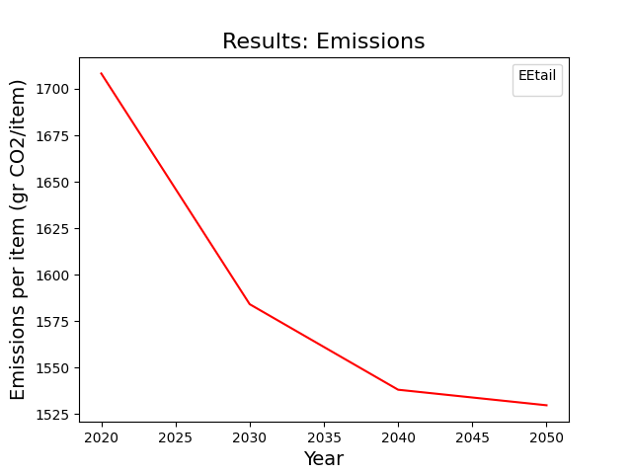
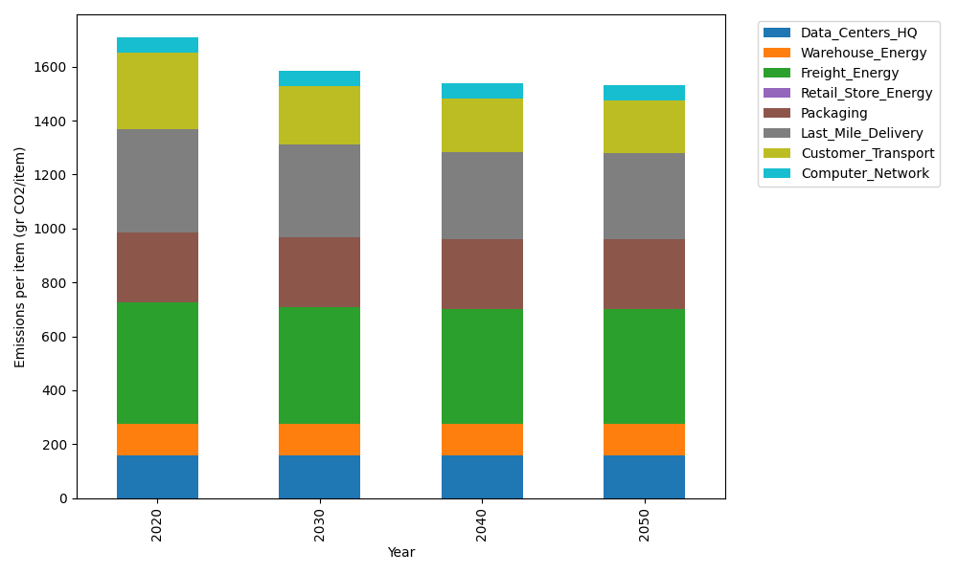
Years | Data_Centers_HQ | Warehouse_Energy | Freight_Energy | Retail_Store_Energy | Packaging | Last_Mile_Delivery | Customer_Transport | Computer_Network | Total
2020 | 157.73612384 | 118.6161301 | 448.004494 | 0 | 259.06707291 | 385.29184233 | 284.4923384 | 55.083386689 | 1708.2913883
2030 | 157.73612384 | 118.6161301 | 432.61984056 | 0 | 259.06707291 | 341.80801291 | 219.10743288 | 55.083386689 | 1584.0379999
2040 | 157.73612384 | 118.6161301 | 424.79531281 | 0 | 259.06707291 | 323.25125562 | 199.4317244 | 55.083386689 | 1537.9810064
2050 | 157.73612384 | 118.6161301 | 423.21161472 | 0 | 259.06707291 | 320.13795871 | 195.75710777 | 55.083386689 | 1529.6093947

