Energy_item
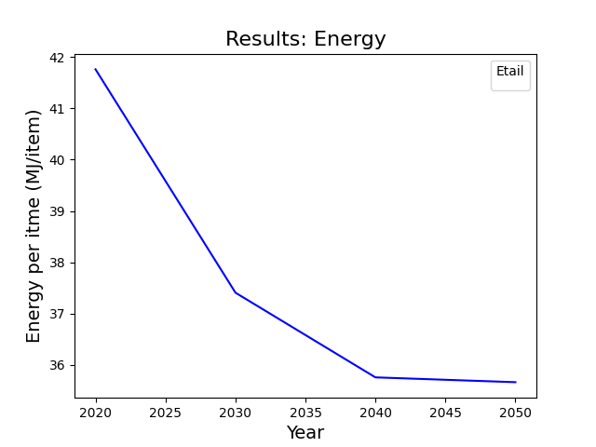
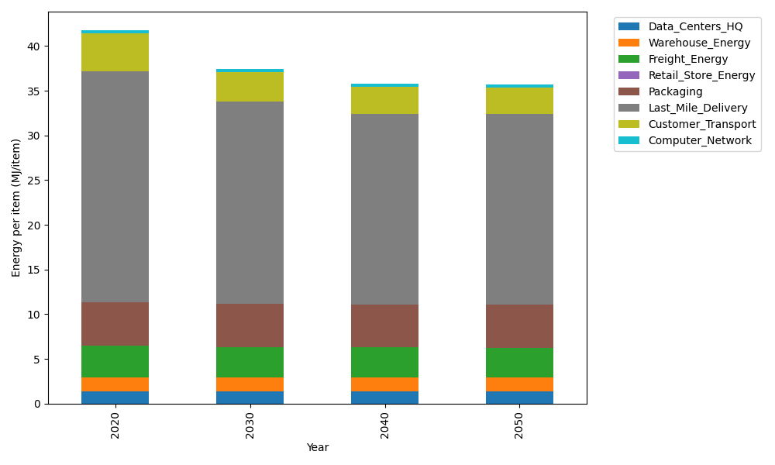
Years | Data_Centers_HQ | Warehouse_Energy | Freight_Energy | Retail_Store_Energy | Packaging | Last_Mile_Delivery | Customer_Transport | Computer_Network | Total
2020 | 1.3707219138 | 1.548 | 3.5739841637 | 0 | 4.8467995113 | 25.841156842 | 4.2545320116 | 0.32656171373 | 41.761756157
2030 | 1.3707219138 | 1.548 | 3.4225230666 | 0 | 4.8467995113 | 22.595925235 | 3.2982715778 | 0.32656171373 | 37.408803019
2040 | 1.3707219138 | 1.548 | 3.3454910059 | 0 | 4.8467995113 | 21.322839133 | 2.9985005992 | 0.32656171373 | 35.758913877
2050 | 1.3707219138 | 1.548 | 3.3298995822 | 0 | 4.8467995113 | 21.292720264 | 2.9502434929 | 0.32656171373 | 35.664946478

CO2_item
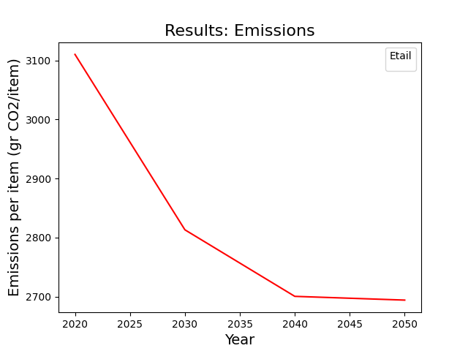
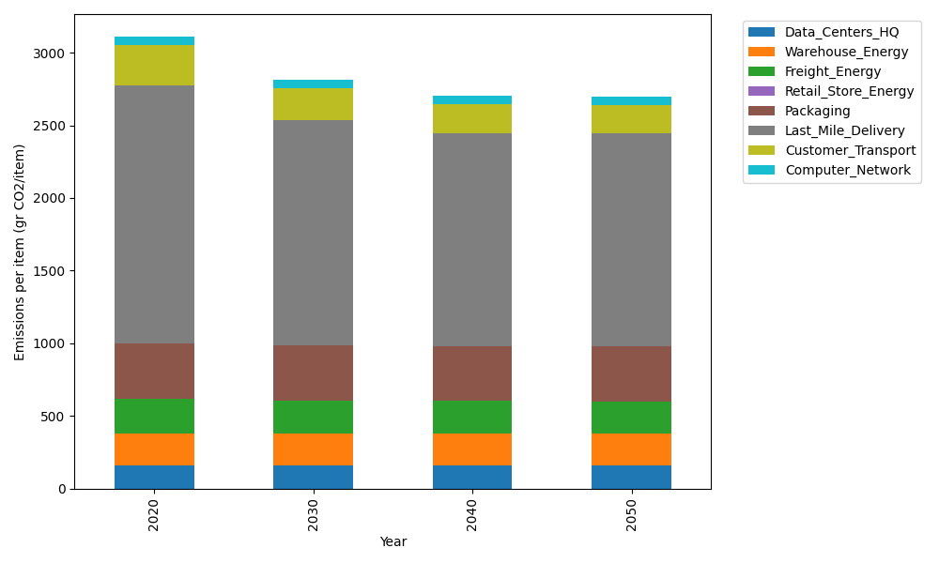
Years | Data_Centers_HQ | Warehouse_Energy | Freight_Energy | Retail_Store_Energy | Packaging | Last_Mile_Delivery | Customer_Transport | Computer_Network | Total
2020 | 157.73612384 | 220.80520494 | 239.56444225 | 0 | 379.96504026 | 1773.8178358 | 283.11470734 | 55.083386689 | 3110.0867412
2030 | 157.73612384 | 220.80520494 | 229.16767878 | 0 | 379.96504026 | 1551.0549873 | 219.48105925 | 55.083386689 | 2813.2934811
2040 | 157.73612384 | 220.80520494 | 223.87995719 | 0 | 379.96504026 | 1463.6663751 | 199.53301968 | 55.083386689 | 2700.6691077
2050 | 157.73612384 | 220.80520494 | 222.8097131 | 0 | 379.96504026 | 1461.5989217 | 196.32178599 | 55.083386689 | 2694.3201766

