Energy_item
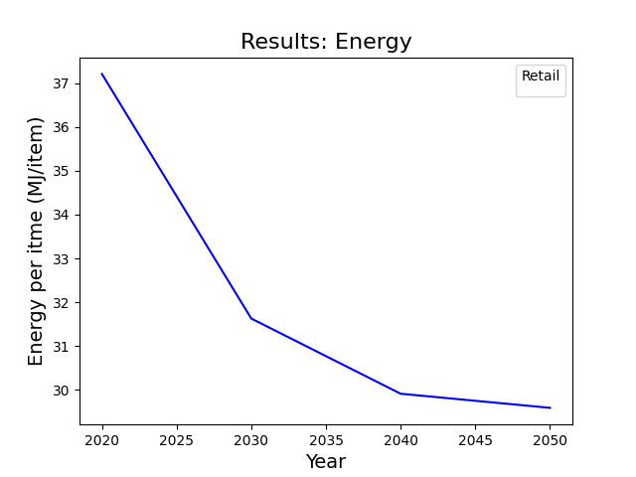
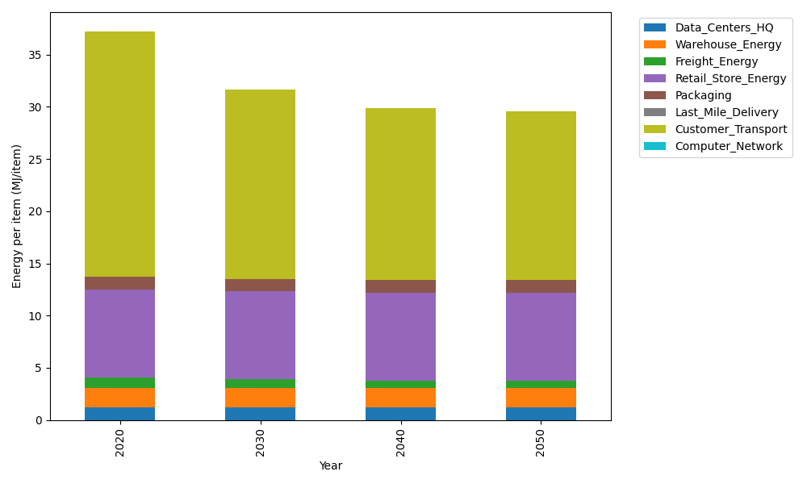
Years | Data_Centers_HQ | Warehouse_Energy | Freight_Energy | Retail_Store_Energy | Packaging | Last_Mile_Delivery | Customer_Transport | Computer_Network | Total
2020 | 1.2172633253 | 1.84 | 1.0066539841 | 8.415 | 1.2147367196 | 0 | 23.513789682 | 0 | 37.207443711
2030 | 1.2172633253 | 1.84 | 0.83171516713 | 8.415 | 1.2147367196 | 0 | 18.109612805 | 0 | 31.628328017
2040 | 1.2172633253 | 1.84 | 0.74274250146 | 8.415 | 1.2147367196 | 0 | 16.483381063 | 0 | 29.913123609
2050 | 1.2172633253 | 1.84 | 0.72473427844 | 8.415 | 1.2147367196 | 0 | 16.179667568 | 0 | 29.591401891

CO2_item
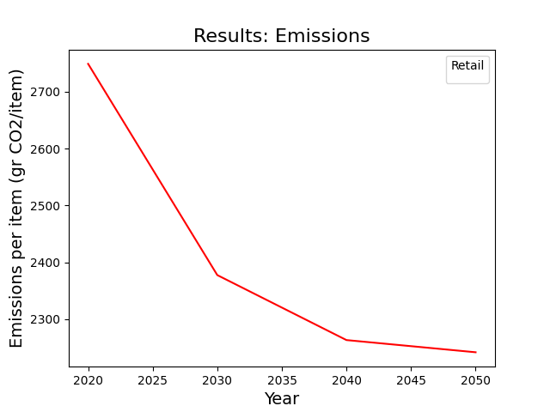
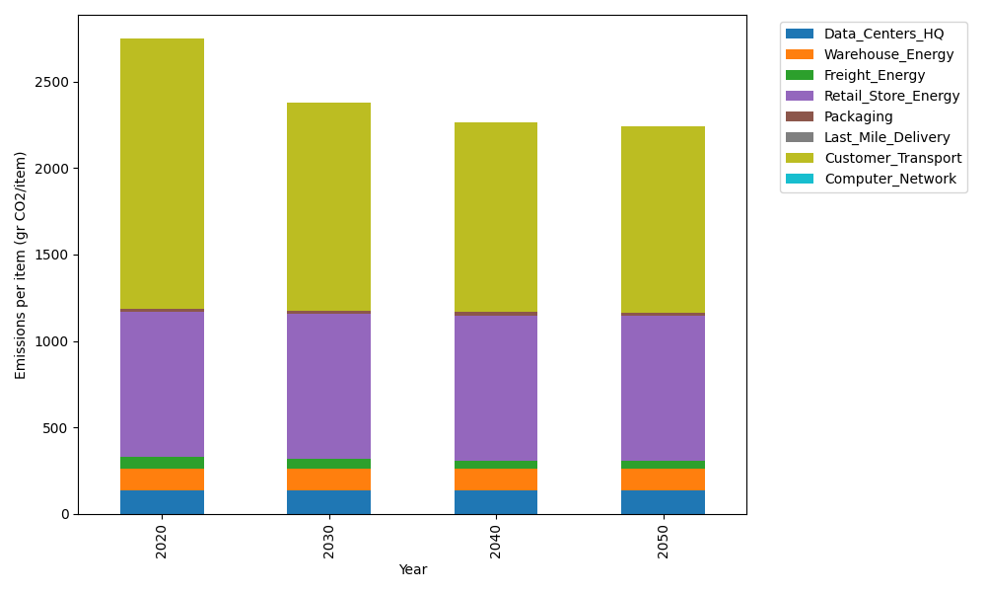
Years | Data_Centers_HQ | Warehouse_Energy | Freight_Energy | Retail_Store_Energy | Packaging | Last_Mile_Delivery | Customer_Transport | Computer_Network | Total
2020 | 137.48834654 | 120.73500736 | 69.099878247 | 839.18807354 | 17.990768952 | 0 | 1564.7078612 | 0 | 2749.2099358
2030 | 137.48834654 | 120.73500736 | 57.091530645 | 839.18807354 | 17.990768952 | 0 | 1205.0908809 | 0 | 2377.5846079
2040 | 137.48834654 | 120.73500736 | 50.984168571 | 839.18807354 | 17.990768952 | 0 | 1096.8744842 | 0 | 2263.2608492
2050 | 137.48834654 | 120.73500736 | 49.748027814 | 839.18807354 | 17.990768952 | 0 | 1076.6640928 | 0 | 2241.814317

