Energy_item
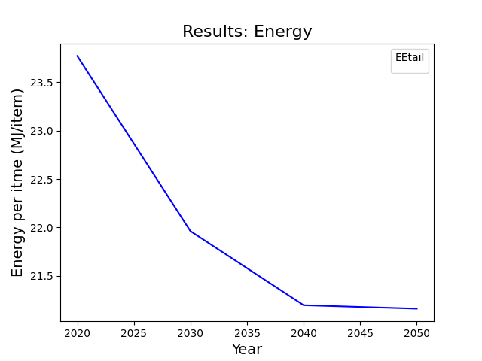
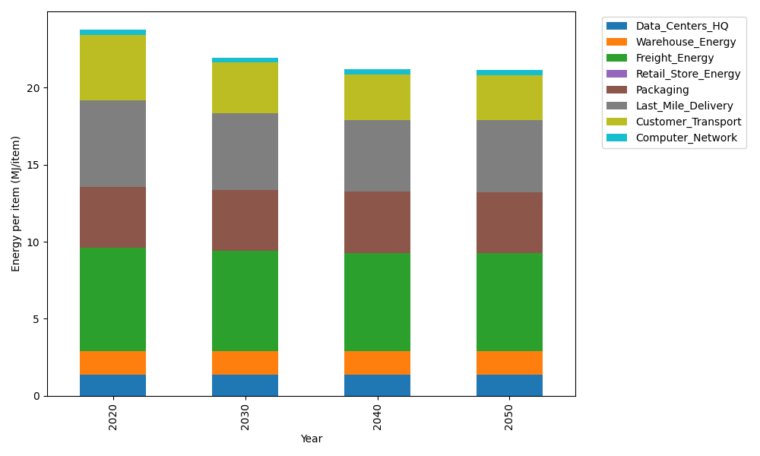
Years | Data_Centers_HQ | Warehouse_Energy | Freight_Energy | Retail_Store_Energy | Packaging | Last_Mile_Delivery | Customer_Transport | Computer_Network | Total
2020 | 1.3707219138 | 1.548 | 6.6945450725 | 0 | 3.966722758 | 5.5926560166 | 4.2722448497 | 0.32656171373 | 23.771452324
2030 | 1.3707219138 | 1.548 | 6.470419892 | 0 | 3.966722758 | 4.9770994934 | 3.3020504205 | 0.32656171373 | 21.961576191
2040 | 1.3707219138 | 1.548 | 6.3564313839 | 0 | 3.966722758 | 4.6388238695 | 2.9890124788 | 0.32656171373 | 21.196274118
2050 | 1.3707219138 | 1.548 | 6.3333599107 | 0 | 3.966722758 | 4.6660473667 | 2.9490324463 | 0.32656171373 | 21.160446109

CO2_item
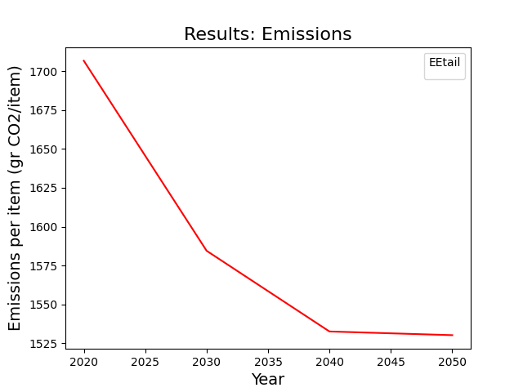
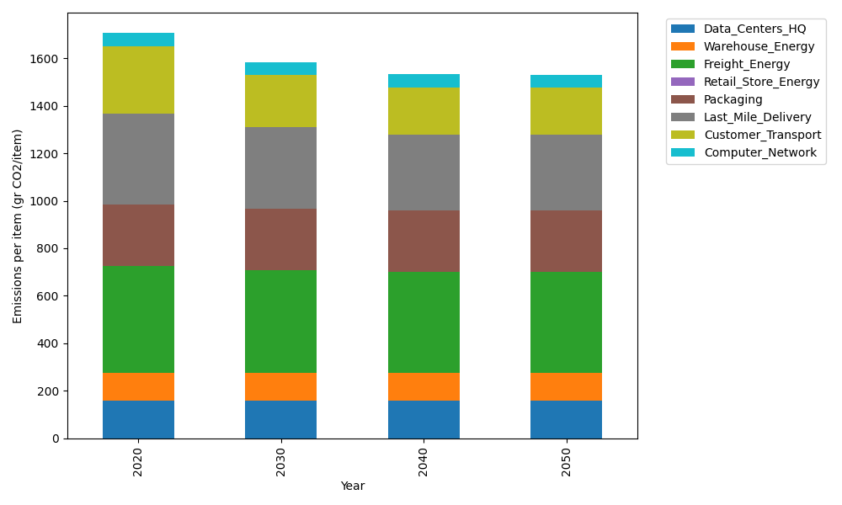
Years | Data_Centers_HQ | Warehouse_Energy | Freight_Energy | Retail_Store_Energy | Packaging | Last_Mile_Delivery | Customer_Transport | Computer_Network | Total
2020 | 157.73612384 | 118.6161301 | 448.004494 | 0 | 259.06707291 | 383.8974026 | 284.29339515 | 55.083386689 | 1706.6980053
2030 | 157.73612384 | 118.6161301 | 432.61984056 | 0 | 259.06707291 | 341.6436774 | 219.73251955 | 55.083386689 | 1584.4987511
2040 | 157.73612384 | 118.6161301 | 424.79531281 | 0 | 259.06707291 | 318.42338047 | 198.90163968 | 55.083386689 | 1532.6230465
2050 | 157.73612384 | 118.6161301 | 423.21161472 | 0 | 259.06707291 | 320.29208647 | 196.24119779 | 55.083386689 | 1530.2476125

