Energy_item
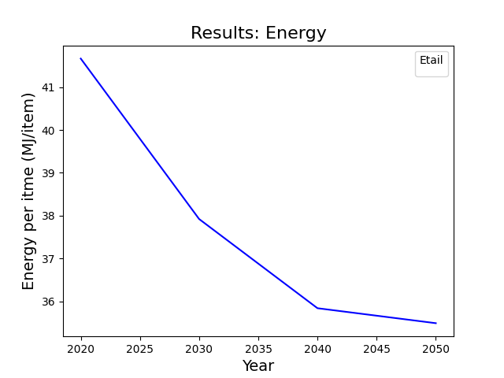
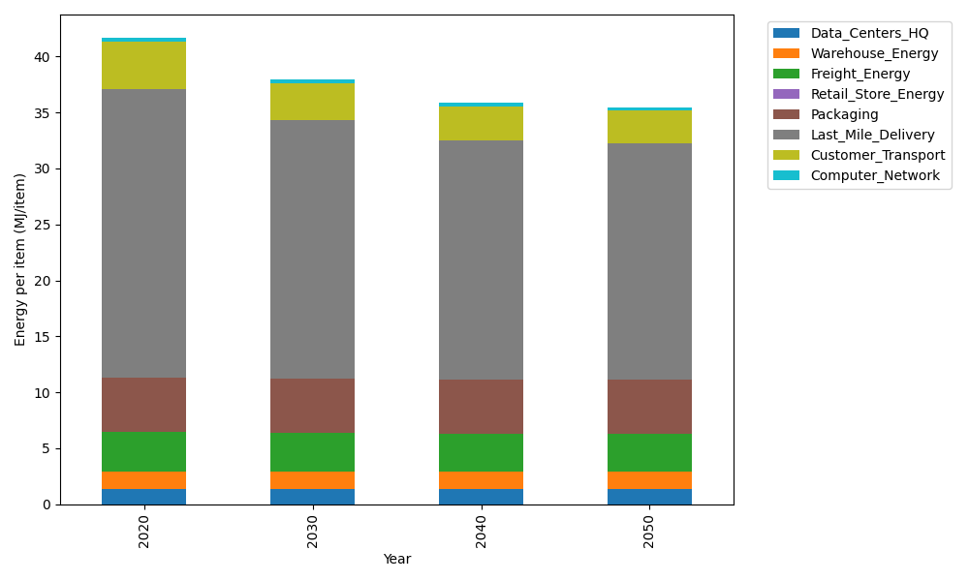
Years | Data_Centers_HQ | Warehouse_Energy | Freight_Energy | Retail_Store_Energy | Packaging | Last_Mile_Delivery | Customer_Transport | Computer_Network | Total
2020 | 1.3707219138 | 1.548 | 3.5739841637 | 0 | 4.8467995113 | 25.727758446 | 4.2744544158 | 0.32656171373 | 41.668280165
2030 | 1.3707219138 | 1.548 | 3.4225230666 | 0 | 4.8467995113 | 23.123708562 | 3.2818722254 | 0.32656171373 | 37.920186993
2040 | 1.3707219138 | 1.548 | 3.3454910059 | 0 | 4.8467995113 | 21.398102428 | 3.0012624137 | 0.32656171373 | 35.836938987
2050 | 1.3707219138 | 1.548 | 3.3298995822 | 0 | 4.8467995113 | 21.127421746 | 2.9375431205 | 0.32656171373 | 35.486947588

CO2_item
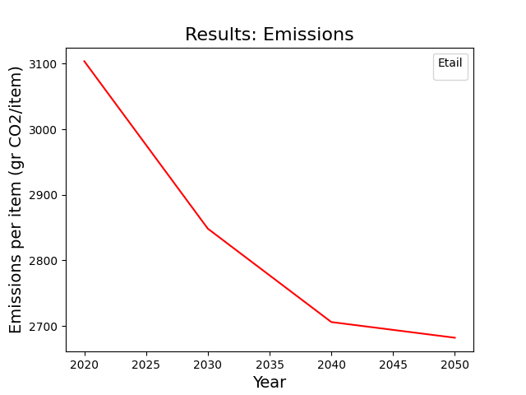
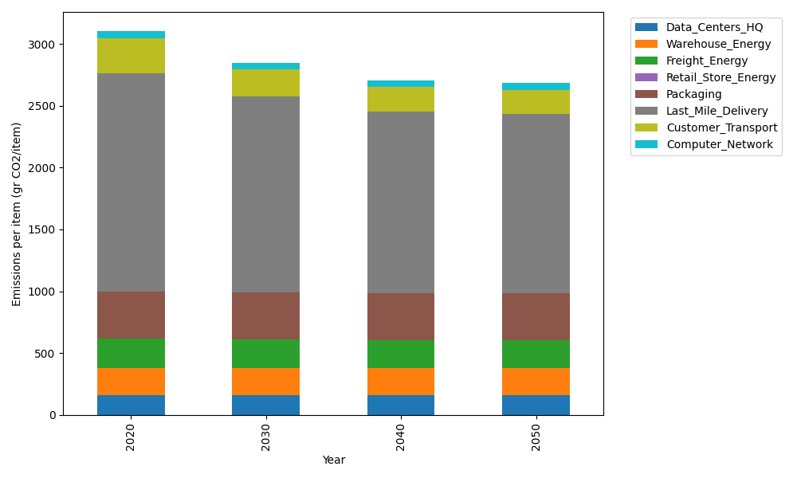
Years | Data_Centers_HQ | Warehouse_Energy | Freight_Energy | Retail_Store_Energy | Packaging | Last_Mile_Delivery | Customer_Transport | Computer_Network | Total
2020 | 157.73612384 | 220.80520494 | 239.56444225 | 0 | 379.96504026 | 1766.0338152 | 284.4404291 | 55.083386689 | 3103.6284423
2030 | 157.73612384 | 220.80520494 | 229.16767878 | 0 | 379.96504026 | 1587.2836858 | 218.38977639 | 55.083386689 | 2848.4308967
2040 | 157.73612384 | 220.80520494 | 223.87995719 | 0 | 379.96504026 | 1468.8326831 | 199.7168026 | 55.083386689 | 2706.0191987
2050 | 157.73612384 | 220.80520494 | 222.8097131 | 0 | 379.96504026 | 1450.2523144 | 195.47664905 | 55.083386689 | 2682.1284323

