Energy_item
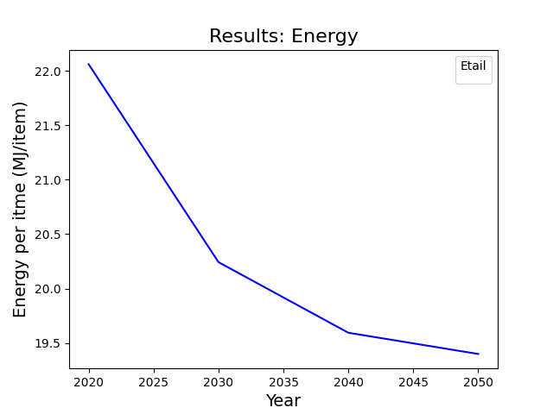
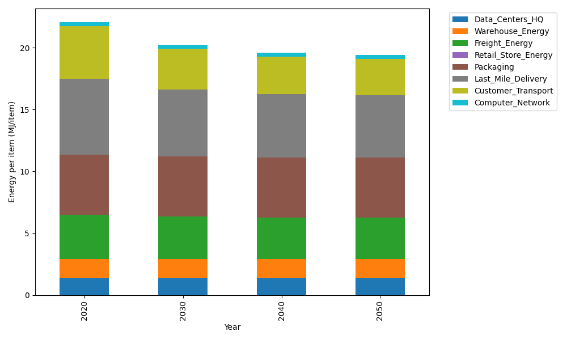
Years | Data_Centers_HQ | Warehouse_Energy | Freight_Energy | Retail_Store_Energy | Packaging | Last_Mile_Delivery | Customer_Transport | Computer_Network | Total
2020 | 1.3707219138 | 1.548 | 3.5739841637 | 0 | 4.8467995113 | 6.1423190874 | 4.2521858739 | 0.32656171373 | 22.060572264
2030 | 1.3707219138 | 1.548 | 3.4225230666 | 0 | 4.8467995113 | 5.4182709533 | 3.3100824338 | 0.32656171373 | 20.242959593
2040 | 1.3707219138 | 1.548 | 3.3454910059 | 0 | 4.8467995113 | 5.1412396628 | 3.0157099357 | 0.32656171373 | 19.594523743
2050 | 1.3707219138 | 1.548 | 3.3298995822 | 0 | 4.8467995113 | 5.0481642312 | 2.9295726182 | 0.32656171373 | 19.399719571

CO2_item
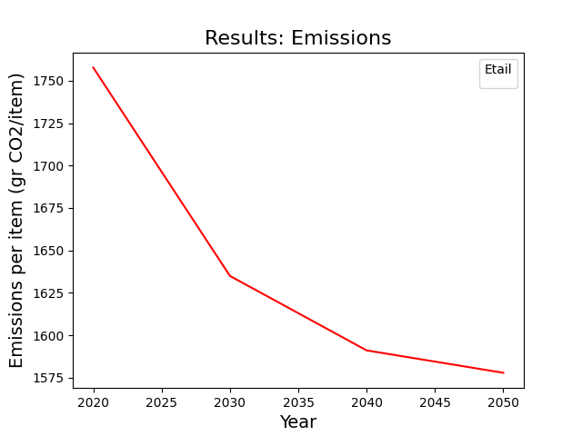
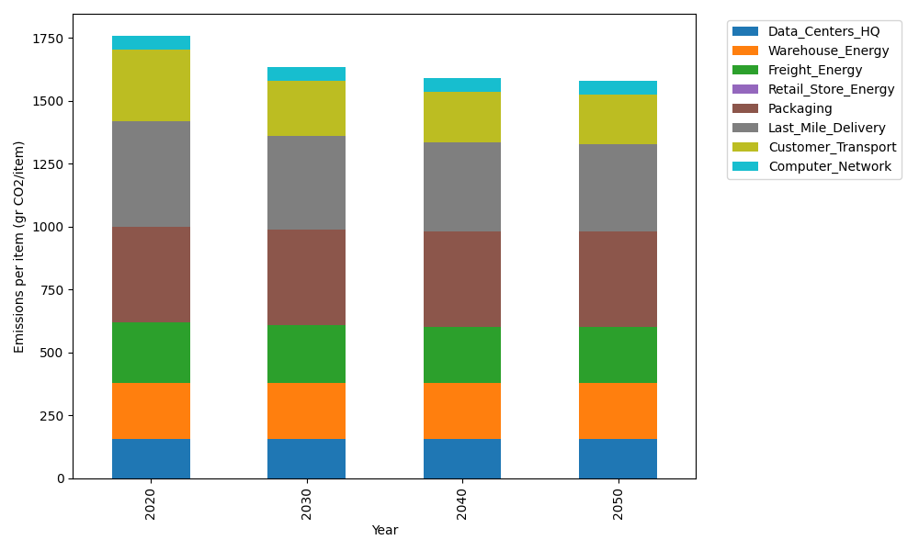
Years | Data_Centers_HQ | Warehouse_Energy | Freight_Energy | Retail_Store_Energy | Packaging | Last_Mile_Delivery | Customer_Transport | Computer_Network | Total
2020 | 157.73612384 | 220.80520494 | 239.56444225 | 0 | 379.96504026 | 421.6279951 | 282.95858533 | 55.083386689 | 1757.7407784
2030 | 157.73612384 | 220.80520494 | 229.16767878 | 0 | 379.96504026 | 371.92706638 | 220.26700398 | 55.083386689 | 1634.9515049
2040 | 157.73612384 | 220.80520494 | 223.87995719 | 0 | 379.96504026 | 352.91077206 | 200.67820234 | 55.083386689 | 1591.0586873
2050 | 157.73612384 | 220.80520494 | 222.8097131 | 0 | 379.96504026 | 346.5217833 | 194.94625782 | 55.083386689 | 1577.86751

