Energy_item
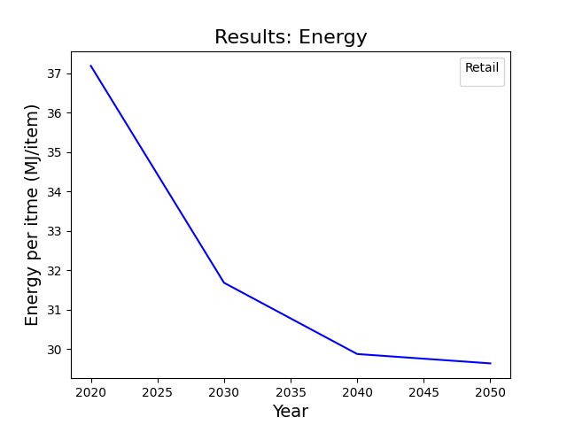
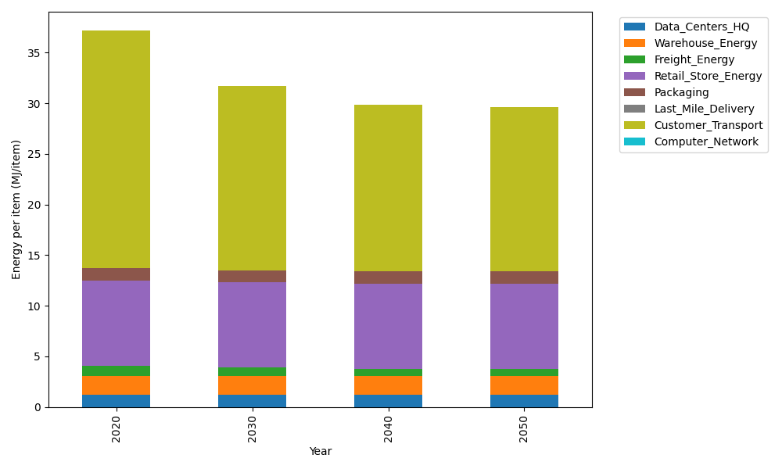
Years | Data_Centers_HQ | Warehouse_Energy | Freight_Energy | Retail_Store_Energy | Packaging | Last_Mile_Delivery | Customer_Transport | Computer_Network | Total
2020 | 1.2172633253 | 1.84 | 1.0066539841 | 8.415 | 1.2147367196 | 0 | 23.497346674 | 0 | 37.191000703
2030 | 1.2172633253 | 1.84 | 0.83171516713 | 8.415 | 1.2147367196 | 0 | 18.161277313 | 0 | 31.679992525
2040 | 1.2172633253 | 1.84 | 0.74274250146 | 8.415 | 1.2147367196 | 0 | 16.439568633 | 0 | 29.86931118
2050 | 1.2172633253 | 1.84 | 0.72473427844 | 8.415 | 1.2147367196 | 0 | 16.219678455 | 0 | 29.631412778

CO2_item
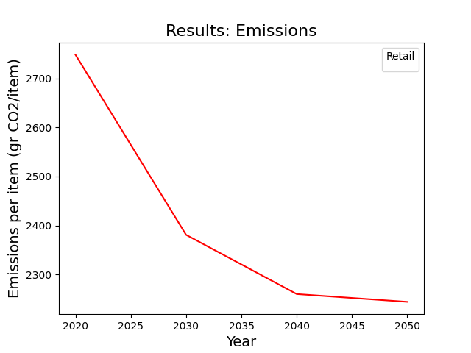
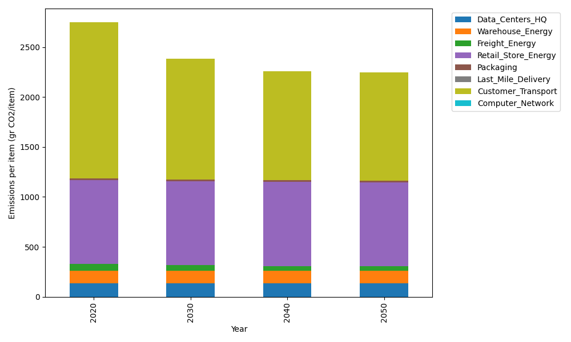
Years | Data_Centers_HQ | Warehouse_Energy | Freight_Energy | Retail_Store_Energy | Packaging | Last_Mile_Delivery | Customer_Transport | Computer_Network | Total
2020 | 137.48834654 | 120.73500736 | 69.099878247 | 839.18807354 | 17.990768952 | 0 | 1563.6136733 | 0 | 2748.1157479
2030 | 137.48834654 | 120.73500736 | 57.091530645 | 839.18807354 | 17.990768952 | 0 | 1208.5288575 | 0 | 2381.0225846
2040 | 137.48834654 | 120.73500736 | 50.984168571 | 839.18807354 | 17.990768952 | 0 | 1093.9590182 | 0 | 2260.3453832
2050 | 137.48834654 | 120.73500736 | 49.748027814 | 839.18807354 | 17.990768952 | 0 | 1079.3265878 | 0 | 2244.476812

