Energy_item
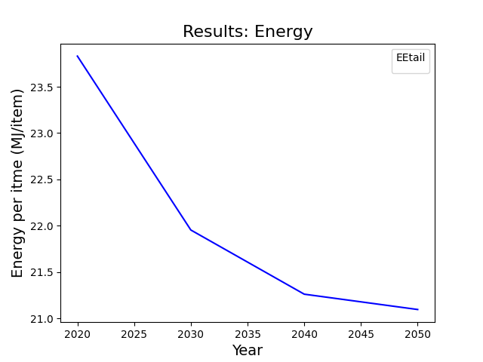
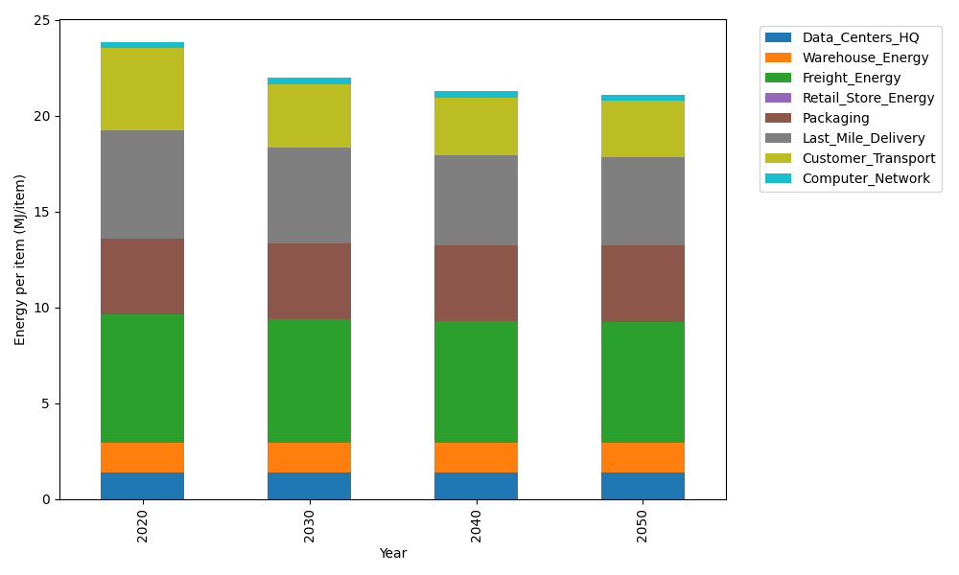
Years | Data_Centers_HQ | Warehouse_Energy | Freight_Energy | Retail_Store_Energy | Packaging | Last_Mile_Delivery | Customer_Transport | Computer_Network | Total
2020 | 1.3707219138 | 1.548 | 6.6945450725 | 0 | 3.966722758 | 5.6411050495 | 4.2829507079 | 0.32656171373 | 23.830607215
2030 | 1.3707219138 | 1.548 | 6.470419892 | 0 | 3.966722758 | 4.9631876831 | 3.3082042907 | 0.32656171373 | 21.953818251
2040 | 1.3707219138 | 1.548 | 6.3564313839 | 0 | 3.966722758 | 4.6944917579 | 2.998102791 | 0.32656171373 | 21.261032318
2050 | 1.3707219138 | 1.548 | 6.3333599107 | 0 | 3.966722758 | 4.6013398805 | 2.9488628603 | 0.32656171373 | 21.095569037

CO2_item
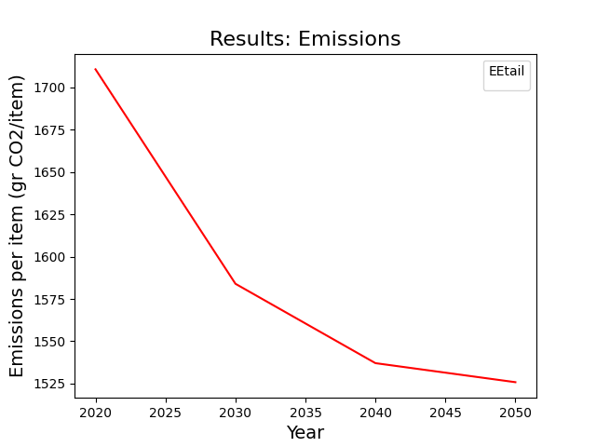
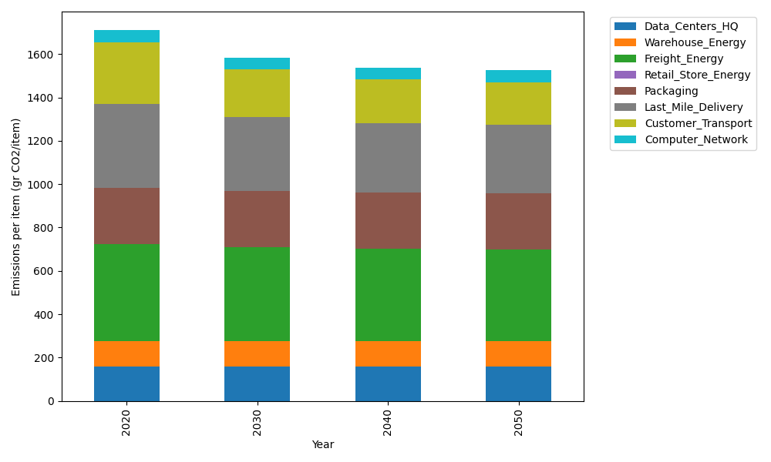
Years | Data_Centers_HQ | Warehouse_Energy | Freight_Energy | Retail_Store_Energy | Packaging | Last_Mile_Delivery | Customer_Transport | Computer_Network | Total
2020 | 157.73612384 | 118.6161301 | 448.004494 | 0 | 259.06707291 | 387.22309576 | 285.00580861 | 55.083386689 | 1710.7361119
2030 | 157.73612384 | 118.6161301 | 432.61984056 | 0 | 259.06707291 | 340.68872723 | 220.14202433 | 55.083386689 | 1583.9533057
2040 | 157.73612384 | 118.6161301 | 424.79531281 | 0 | 259.06707291 | 322.24459846 | 199.50654783 | 55.083386689 | 1537.0491726
2050 | 157.73612384 | 118.6161301 | 423.21161472 | 0 | 259.06707291 | 315.85036222 | 196.22991281 | 55.083386689 | 1525.7946033

