Energy_item
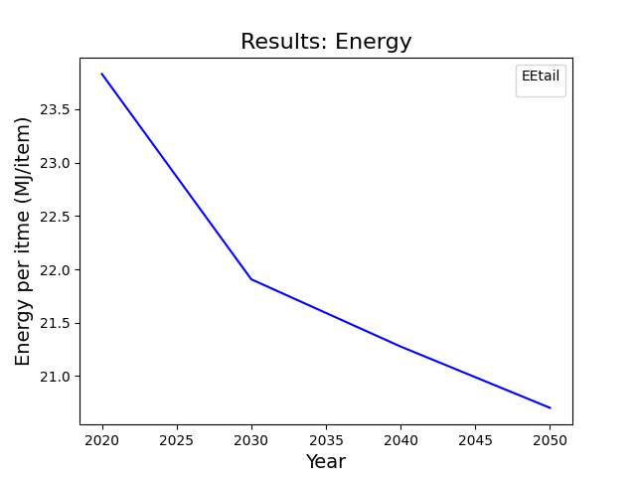
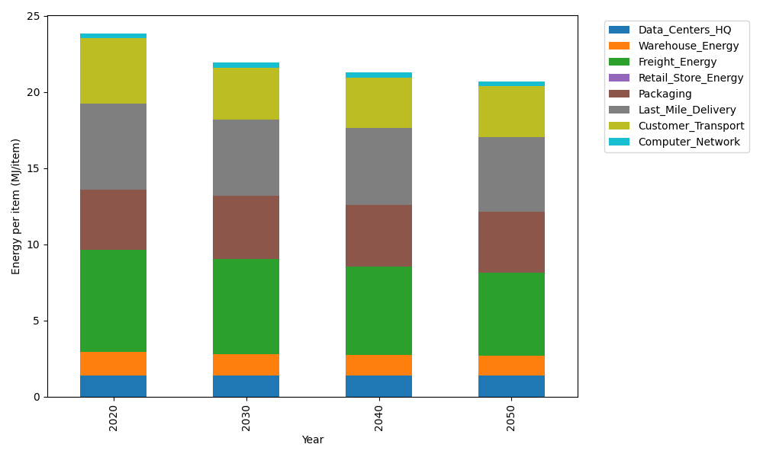
Years | Data_Centers_HQ | Warehouse_Energy | Freight_Energy | Retail_Store_Energy | Packaging | Last_Mile_Delivery | Customer_Transport | Computer_Network | Total
2020 | 1.3707219138 | 1.548 | 6.6945450725 | 0 | 3.966722758 | 5.6411050495 | 4.2829507079 | 0.32656171373 | 23.830607215
2030 | 1.3707219138 | 1.42416 | 6.2356964538 | 0 | 4.1650588959 | 4.9804799048 | 3.4044122691 | 0.32656171373 | 21.907091151
2040 | 1.3707219138 | 1.36224 | 5.7918424984 | 0 | 4.0460572131 | 5.037451888 | 3.3423638862 | 0.32656171373 | 21.277239113
2050 | 1.3707219138 | 1.30032 | 5.4805005437 | 0 | 3.966722758 | 4.9280136319 | 3.3301768884 | 0.32656171373 | 20.70301745

CO2_item
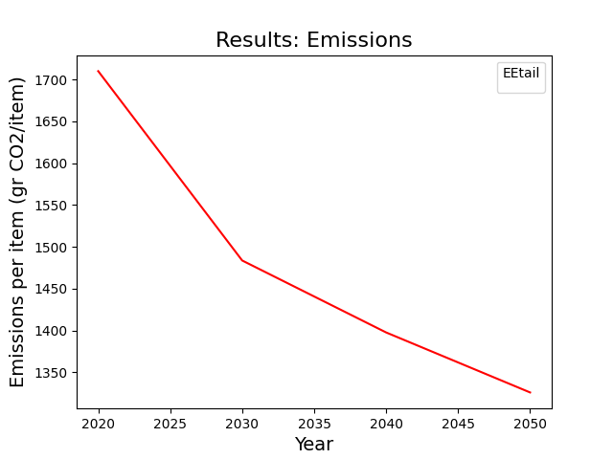
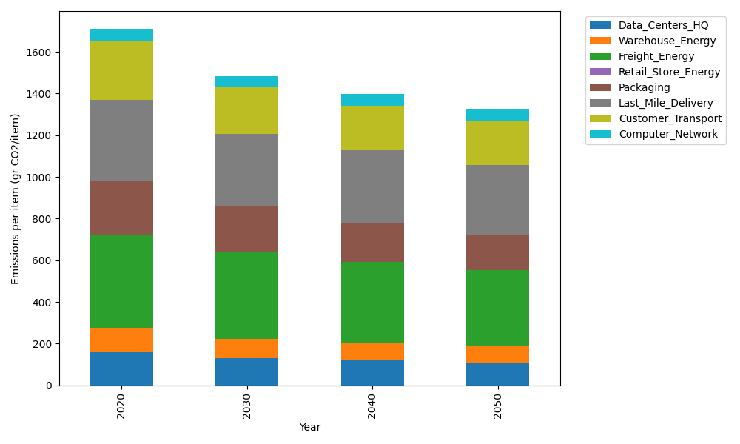
Years | Data_Centers_HQ | Warehouse_Energy | Freight_Energy | Retail_Store_Energy | Packaging | Last_Mile_Delivery | Customer_Transport | Computer_Network | Total
2020 | 157.73612384 | 118.6161301 | 448.004494 | 0 | 259.06707291 | 387.22309576 | 284.17929177 | 55.083386689 | 1709.9095951
2030 | 130.63340275 | 92.52058148 | 416.96524271 | 0 | 222.7976827 | 341.63640641 | 224.02947392 | 55.083386689 | 1483.6661767
2040 | 120.7778678 | 84.217452373 | 387.21119407 | 0 | 189.11896322 | 345.33693216 | 215.94286867 | 55.083386689 | 1397.688665
2050 | 107.22650726 | 78.286645868 | 366.36491148 | 0 | 168.39359739 | 337.63154922 | 213.02809314 | 55.083386689 | 1326.014691

