Energy_item
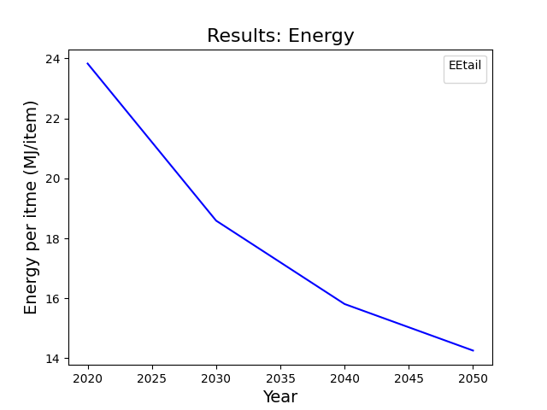
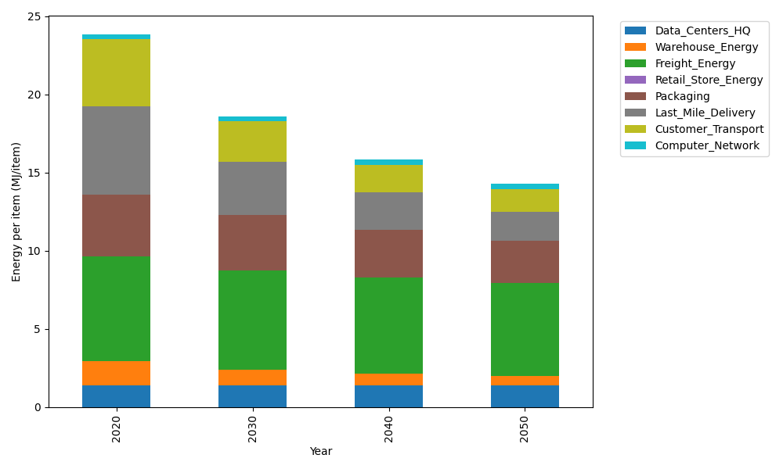
Years | Data_Centers_HQ | Warehouse_Energy | Freight_Energy | Retail_Store_Energy | Packaging | Last_Mile_Delivery | Customer_Transport | Computer_Network | Total
2020 | 1.3707219138 | 1.548 | 6.6945450725 | 0 | 3.966722758 | 5.6411050495 | 4.2829507079 | 0.32656171373 | 23.830607215
2030 | 1.3707219138 | 0.99072 | 6.3868400888 | 0 | 3.5303832546 | 3.4176695775 | 2.5677346775 | 0.32656171373 | 18.590631226
2040 | 1.3707219138 | 0.774 | 6.1409814311 | 0 | 3.0543765236 | 2.3808664546 | 1.7625398887 | 0.32656171373 | 15.810047926
2050 | 1.3707219138 | 0.60372 | 5.9441522258 | 0 | 2.6973714754 | 1.8883281868 | 1.4267706994 | 0.32656171373 | 14.257626215

CO2_item
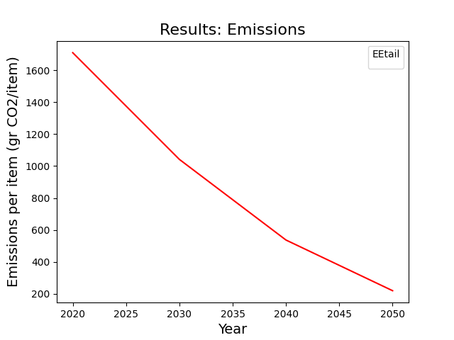
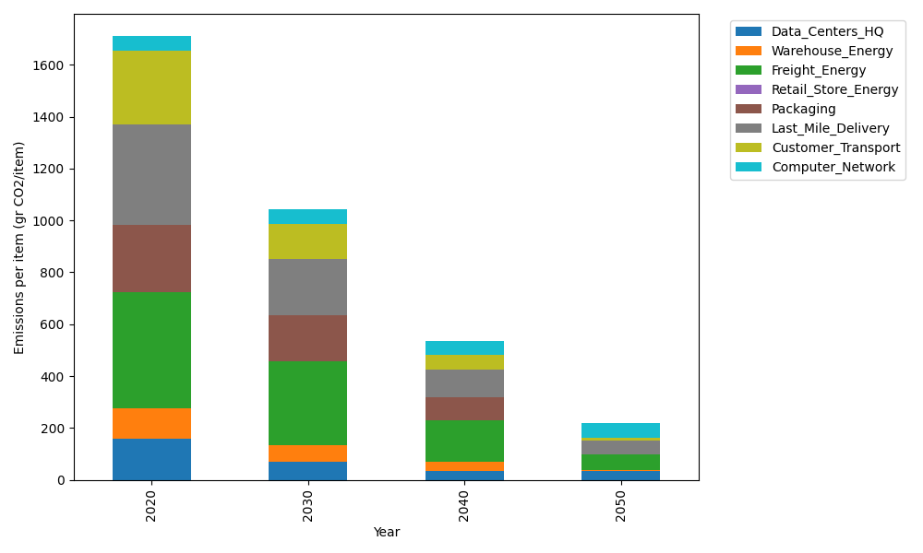
Years | Data_Centers_HQ | Warehouse_Energy | Freight_Energy | Retail_Store_Energy | Packaging | Last_Mile_Delivery | Customer_Transport | Computer_Network | Total
2020 | 157.73612384 | 118.6161301 | 448.004494 | 0 | 259.06707291 | 387.22309576 | 285.00580861 | 55.083386689 | 1710.7361119
2030 | 71.737141217 | 61.680387654 | 322.26425455 | 0 | 178.75628031 | 215.83156773 | 136.69441429 | 55.083386689 | 1042.0474324
2040 | 34.541937055 | 35.584839031 | 161.04625465 | 0 | 88.082804789 | 107.04672906 | 55.124853403 | 55.083386689 | 536.51080468
2050 | 34.541937055 | 2.3723226021 | 60.438688296 | 0 | 0 | 53.144508878 | 13.292077132 | 55.083386689 | 218.87292065

