Energy_item
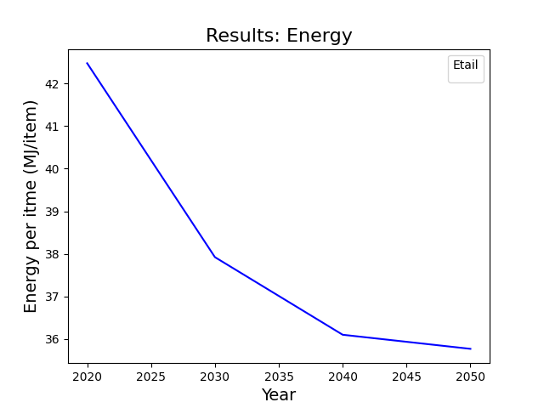
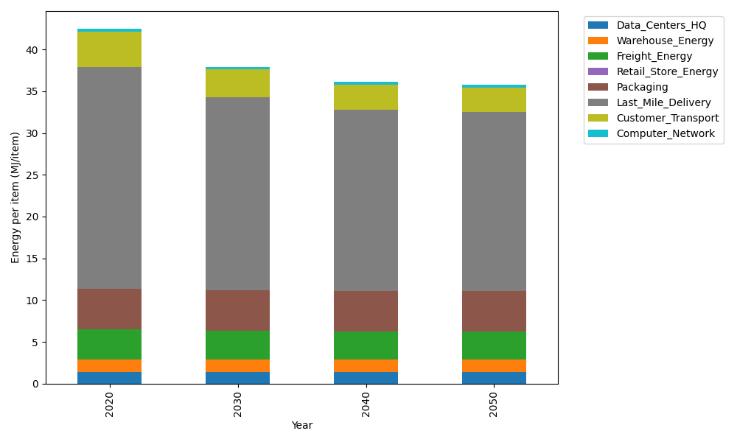
Years | Data_Centers_HQ | Warehouse_Energy | Freight_Energy | Retail_Store_Energy | Packaging | Last_Mile_Delivery | Customer_Transport | Computer_Network | Total
2020 | 1.3707219138 | 1.548 | 3.5739841637 | 0 | 4.8467995113 | 26.541119781 | 4.2719816898 | 0.32656171373 | 42.479168774
2030 | 1.3707219138 | 1.548 | 3.4225230666 | 0 | 4.8467995113 | 23.106125363 | 3.2996776579 | 0.32656171373 | 37.920409226
2040 | 1.3707219138 | 1.548 | 3.3454910059 | 0 | 4.8467995113 | 21.656027057 | 3.0023224656 | 0.32656171373 | 36.095923667
2050 | 1.3707219138 | 1.548 | 3.3298995822 | 0 | 4.8467995113 | 21.408728467 | 2.933961226 | 0.32656171373 | 35.764672414

CO2_item
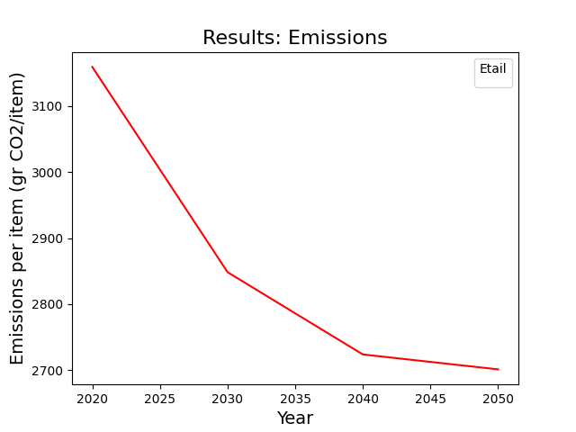
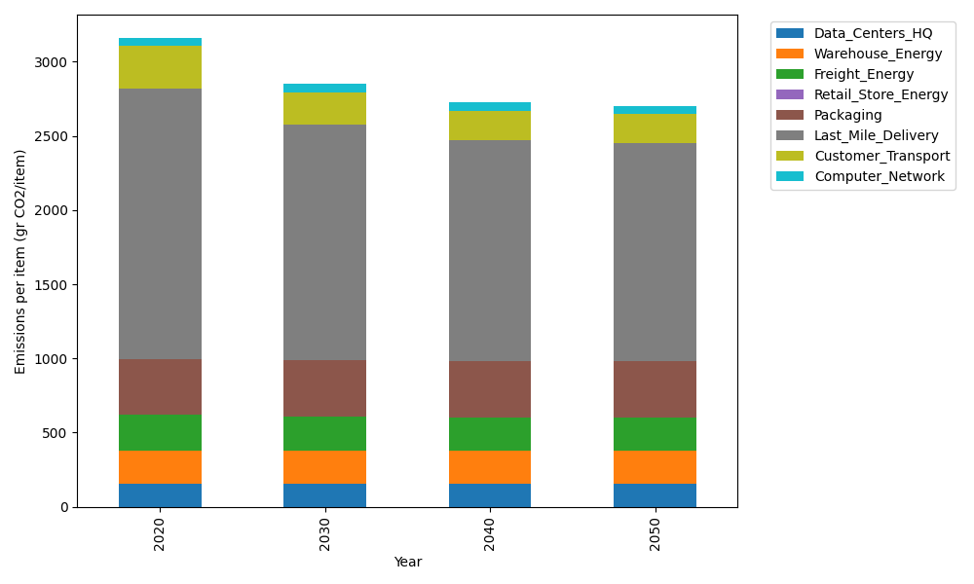
Years | Data_Centers_HQ | Warehouse_Energy | Freight_Energy | Retail_Store_Energy | Packaging | Last_Mile_Delivery | Customer_Transport | Computer_Network | Total
2020 | 157.73612384 | 220.80520494 | 239.56444225 | 0 | 379.96504026 | 1821.8654814 | 284.27588336 | 55.083386689 | 3159.2955628
2030 | 157.73612384 | 220.80520494 | 229.16767878 | 0 | 379.96504026 | 1586.07672 | 219.57462581 | 55.083386689 | 2848.4087803
2040 | 157.73612384 | 220.80520494 | 223.87995719 | 0 | 379.96504026 | 1486.5374364 | 199.78734297 | 55.083386689 | 2723.7944923
2050 | 157.73612384 | 220.80520494 | 222.8097131 | 0 | 379.96504026 | 1469.5620877 | 195.2382945 | 55.083386689 | 2701.199851

