Energy_item
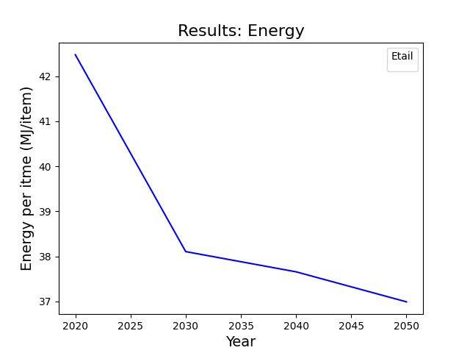
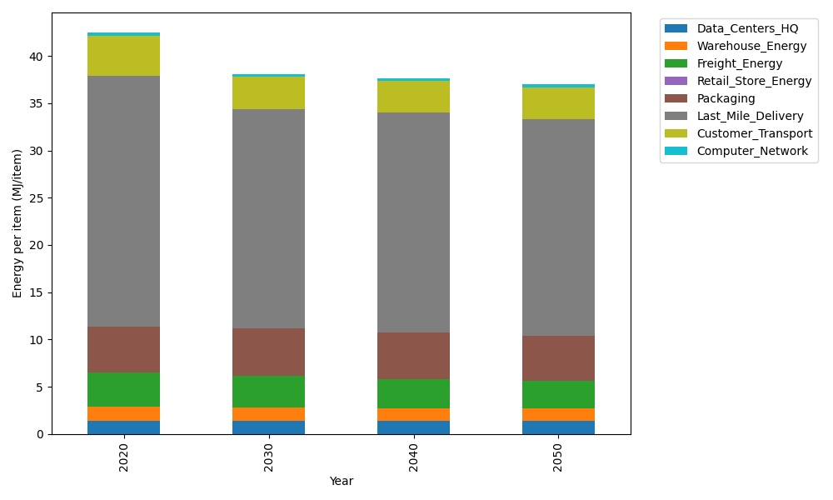
Years | Data_Centers_HQ | Warehouse_Energy | Freight_Energy | Retail_Store_Energy | Packaging | Last_Mile_Delivery | Customer_Transport | Computer_Network | Total
2020 | 1.3707219138 | 1.548 | 3.5739841637 | 0 | 4.8467995113 | 26.541119781 | 4.2719816898 | 0.32656171373 | 42.479168774
2030 | 1.3707219138 | 1.42416 | 3.3144455802 | 0 | 5.0891394869 | 23.186629319 | 3.3956376679 | 0.32656171373 | 38.107295681
2040 | 1.3707219138 | 1.36224 | 3.0697907533 | 0 | 4.9437355016 | 23.238126725 | 3.3470680904 | 0.32656171373 | 37.658244698
2050 | 1.3707219138 | 1.30032 | 2.9053748744 | 0 | 4.8467995113 | 22.928648712 | 3.313348341 | 0.32656171373 | 36.991775067

CO2_item
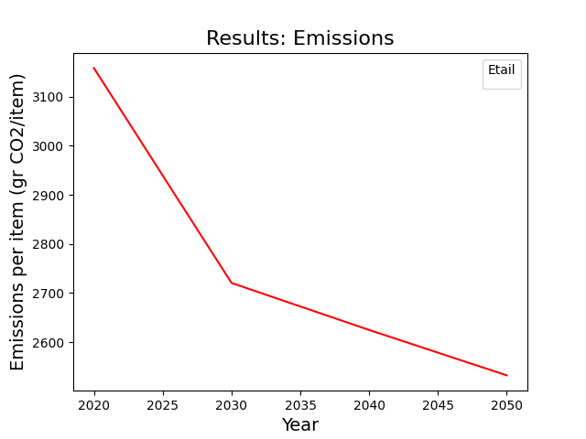
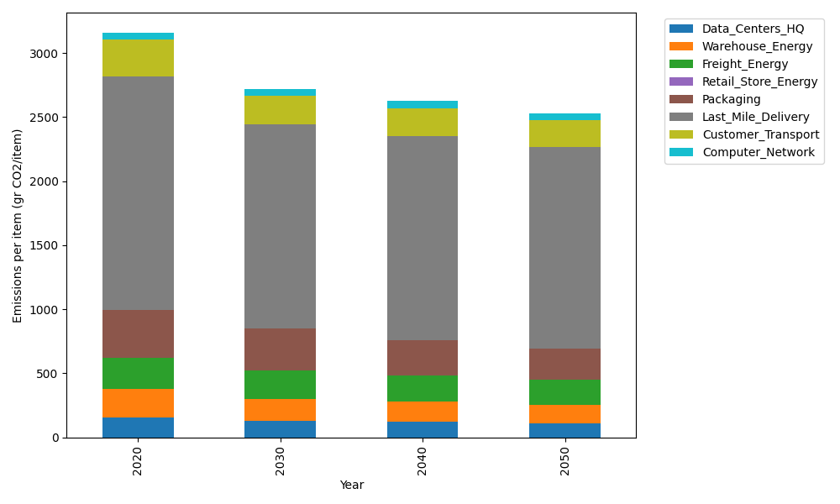
Years | Data_Centers_HQ | Warehouse_Energy | Freight_Energy | Retail_Store_Energy | Packaging | Last_Mile_Delivery | Customer_Transport | Computer_Network | Total
2020 | 157.73612384 | 220.80520494 | 239.56444225 | 0 | 379.96504026 | 1821.8654814 | 283.4514833 | 55.083386689 | 3158.4711627
2030 | 130.63340275 | 172.22805986 | 221.96823209 | 0 | 326.76993463 | 1590.4886414 | 223.45205581 | 55.083386689 | 2720.6237132
2040 | 120.7778678 | 156.77169551 | 205.52622172 | 0 | 277.37447939 | 1593.0640274 | 216.24679708 | 55.083386689 | 2624.8444756
2050 | 107.22650726 | 145.73143526 | 194.49672256 | 0 | 246.97727617 | 1570.9037686 | 211.95158775 | 55.083386689 | 2532.3706843

