Energy_item
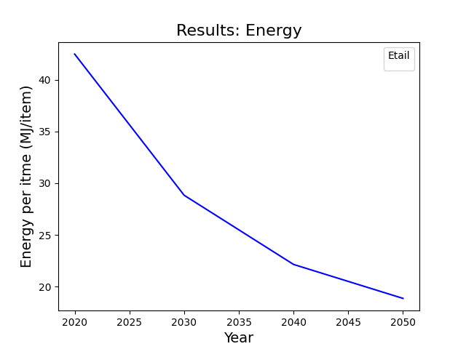
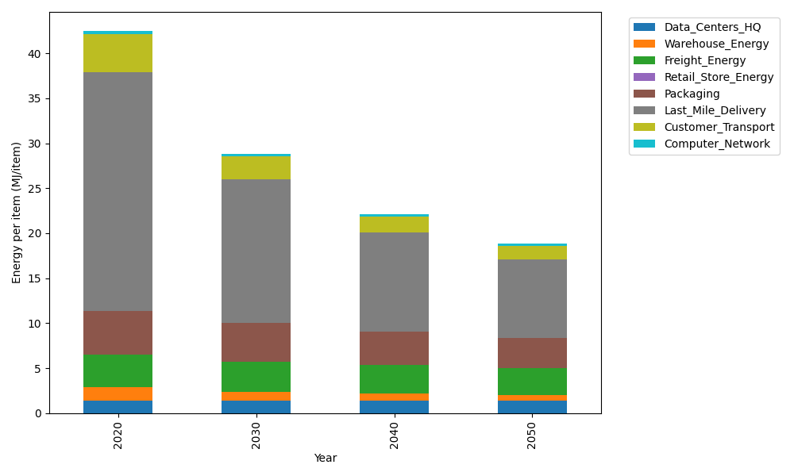
Years | Data_Centers_HQ | Warehouse_Energy | Freight_Energy | Retail_Store_Energy | Packaging | Last_Mile_Delivery | Customer_Transport | Computer_Network | Total
2020 | 1.3707219138 | 1.548 | 3.5739841637 | 0 | 4.8467995113 | 26.541119781 | 4.2719816898 | 0.32656171373 | 42.479168774
2030 | 1.3707219138 | 0.99072 | 3.3660408424 | 0 | 4.3136515651 | 15.910964233 | 2.5611165461 | 0.32656171373 | 28.839776814
2040 | 1.3707219138 | 0.774 | 3.1998925232 | 0 | 3.7320356237 | 10.983107654 | 1.7650205724 | 0.32656171373 | 22.151340001
2050 | 1.3707219138 | 0.60372 | 3.0668777173 | 0 | 3.2958236677 | 8.7858550894 | 1.4195607285 | 0.32656171373 | 18.869120831

CO2_item
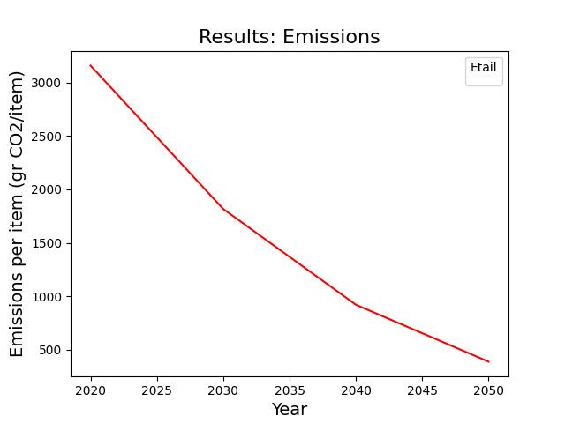
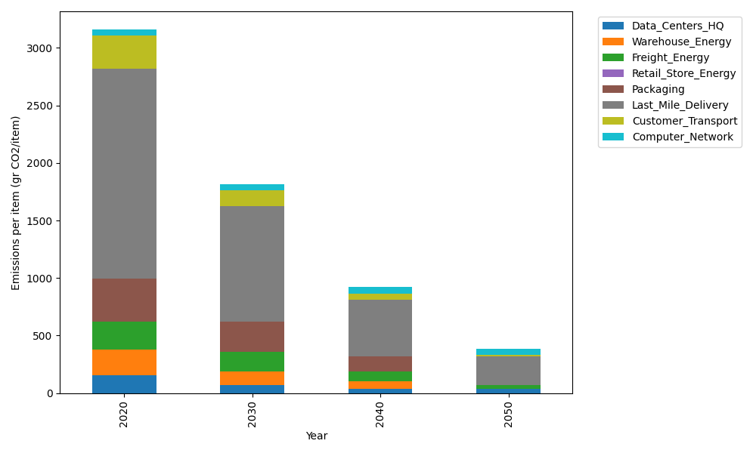
Years | Data_Centers_HQ | Warehouse_Energy | Freight_Energy | Retail_Store_Energy | Packaging | Last_Mile_Delivery | Customer_Transport | Computer_Network | Total
2020 | 157.73612384 | 220.80520494 | 239.56444225 | 0 | 379.96504026 | 1821.8654814 | 284.27588336 | 55.083386689 | 3159.2955628
2030 | 71.737141217 | 114.81870657 | 172.03342028 | 0 | 262.17587778 | 1004.8040855 | 136.34209533 | 55.083386689 | 1816.9947134
2040 | 34.541937055 | 66.241561483 | 86.341194197 | 0 | 129.18811369 | 493.81423601 | 55.202438782 | 55.083386689 | 920.41286791
2050 | 34.541937055 | 4.4161040989 | 32.887410399 | 0 | 0 | 247.26631582 | 13.224907622 | 55.083386689 | 387.42006168

