Energy_item
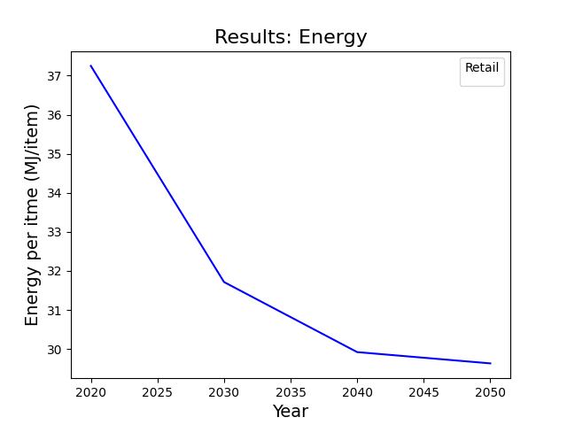
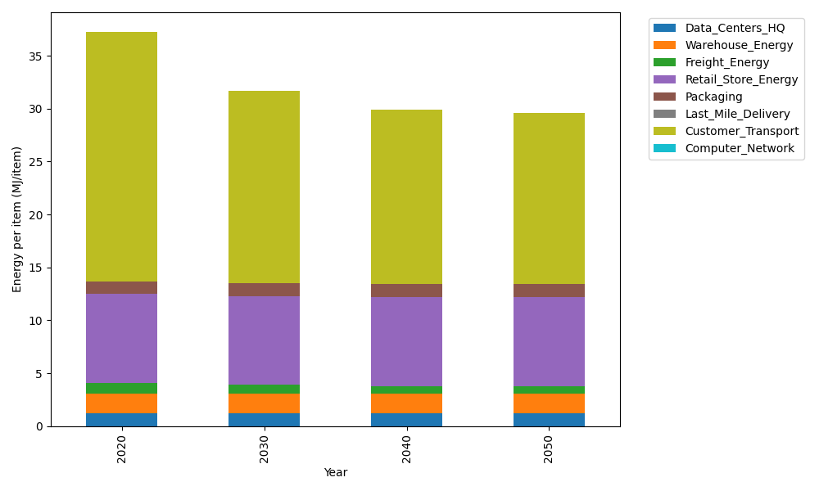
Years | Data_Centers_HQ | Warehouse_Energy | Freight_Energy | Retail_Store_Energy | Packaging | Last_Mile_Delivery | Customer_Transport | Computer_Network | Total
2020 | 1.2172633253 | 1.84 | 1.0066539841 | 8.415 | 1.2147367196 | 0 | 23.556228893 | 0 | 37.249882922
2030 | 1.2172633253 | 1.84 | 0.83171516713 | 8.415 | 1.2147367196 | 0 | 18.195123599 | 0 | 31.713838811
2040 | 1.2172633253 | 1.84 | 0.74274250146 | 8.415 | 1.2147367196 | 0 | 16.489565351 | 0 | 29.919307897
2050 | 1.2172633253 | 1.84 | 0.72473427844 | 8.415 | 1.2147367196 | 0 | 16.218745732 | 0 | 29.630480055

CO2_item
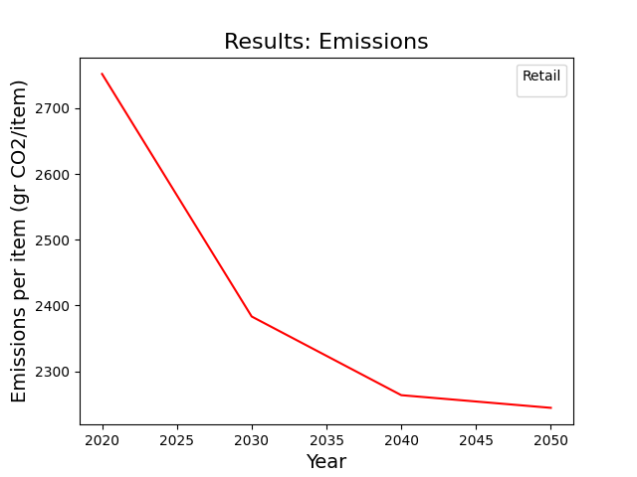
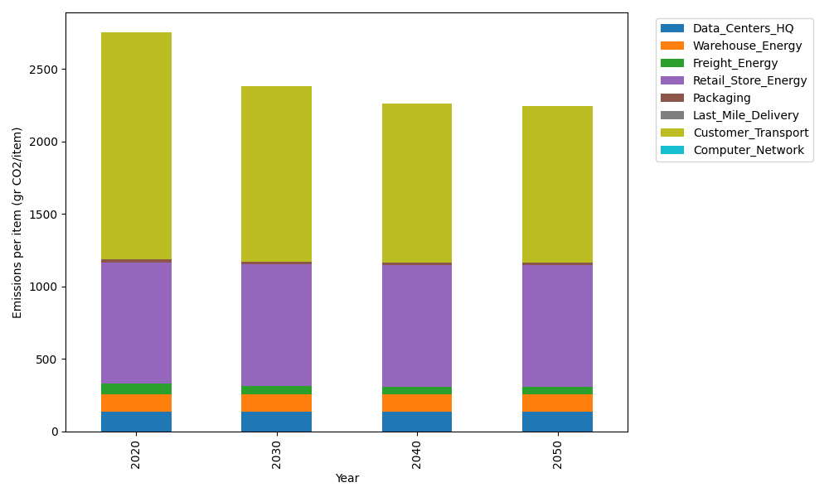
Years | Data_Centers_HQ | Warehouse_Energy | Freight_Energy | Retail_Store_Energy | Packaging | Last_Mile_Delivery | Customer_Transport | Computer_Network | Total
2020 | 137.48834654 | 120.73500736 | 69.099878247 | 839.18807354 | 17.990768952 | 0 | 1567.5319474 | 0 | 2752.034022
2030 | 137.48834654 | 120.73500736 | 57.091530645 | 839.18807354 | 17.990768952 | 0 | 1210.7811338 | 0 | 2383.2748608
2040 | 137.48834654 | 120.73500736 | 50.984168571 | 839.18807354 | 17.990768952 | 0 | 1097.2860131 | 0 | 2263.672378
2050 | 137.48834654 | 120.73500736 | 49.748027814 | 839.18807354 | 17.990768952 | 0 | 1079.2645205 | 0 | 2244.4147447

