Energy_item
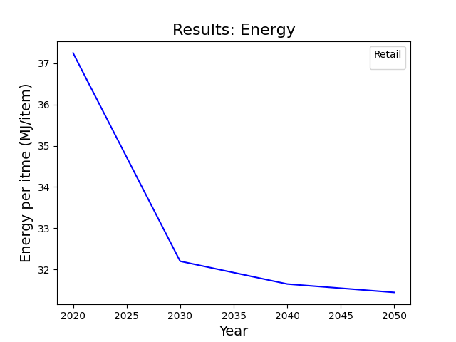
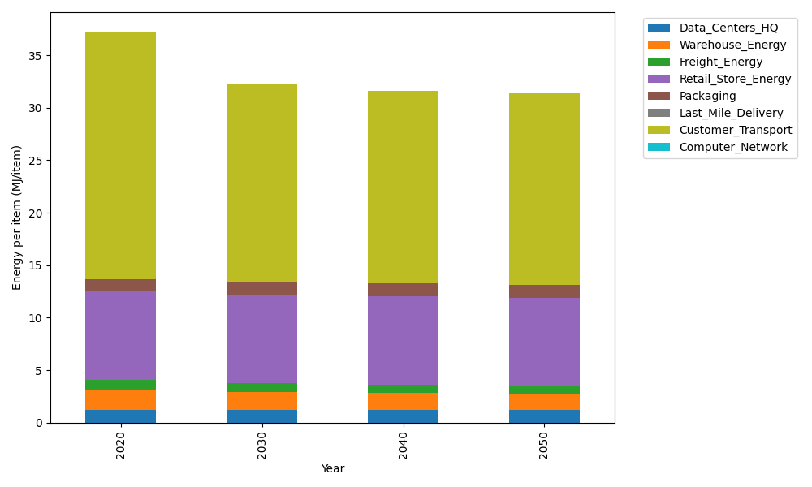
Years | Data_Centers_HQ | Warehouse_Energy | Freight_Energy | Retail_Store_Energy | Packaging | Last_Mile_Delivery | Customer_Transport | Computer_Network | Total
2020 | 1.2172633253 | 1.84 | 1.0066539841 | 8.415 | 1.2147367196 | 0 | 23.556228893 | 0 | 37.249882922
2030 | 1.2172633253 | 1.6928 | 0.87293938648 | 8.415 | 1.2754735556 | 0 | 18.72426748 | 0 | 32.197743747
2040 | 1.2172633253 | 1.6192 | 0.77202228654 | 8.415 | 1.239031454 | 0 | 18.383001374 | 0 | 31.64551844
2050 | 1.2172633253 | 1.5456 | 0.733192827 | 8.415 | 1.2147367196 | 0 | 18.315972886 | 0 | 31.441765758

CO2_item
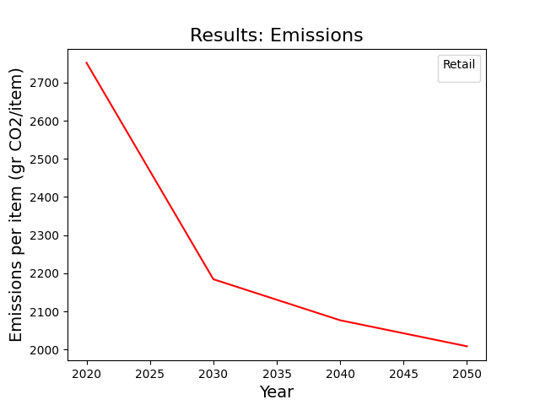
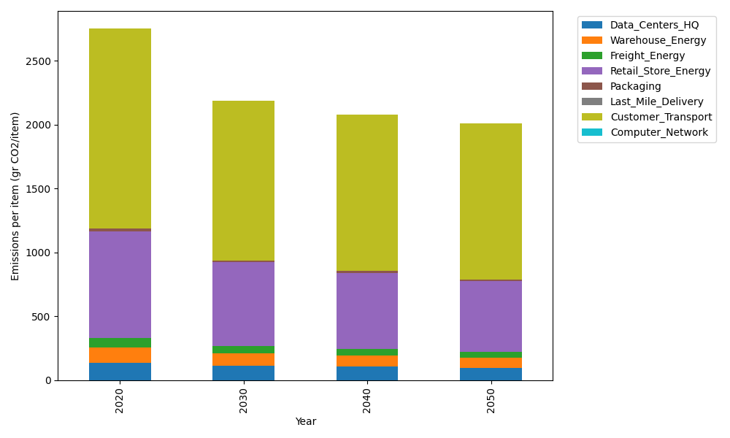
Years | Data_Centers_HQ | Warehouse_Energy | Freight_Energy | Retail_Store_Energy | Packaging | Last_Mile_Delivery | Customer_Transport | Computer_Network | Total
2020 | 137.48834654 | 120.73500736 | 69.099878247 | 839.18807354 | 17.990768952 | 0 | 1567.5319474 | 0 | 2752.034022
2030 | 114.20686761 | 94.173305739 | 59.879345106 | 654.56669736 | 15.472061299 | 0 | 1245.9926247 | 0 | 2184.2909018
2040 | 105.74087527 | 85.721855224 | 52.930431775 | 595.82353221 | 13.133261335 | 0 | 1223.2833223 | 0 | 2076.6332782
2050 | 94.100135801 | 79.685104856 | 50.238057477 | 553.86412854 | 11.693999819 | 0 | 1218.8229608 | 0 | 2008.4043873

