Energy_item
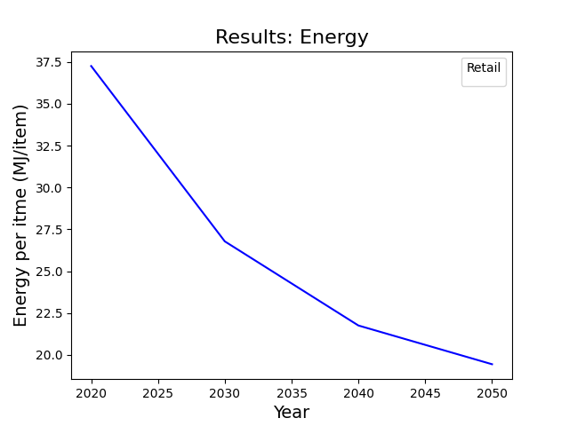
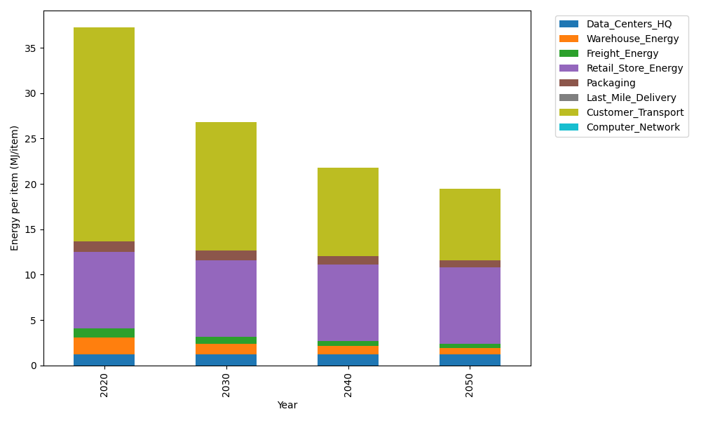
Years | Data_Centers_HQ | Warehouse_Energy | Freight_Energy | Retail_Store_Energy | Packaging | Last_Mile_Delivery | Customer_Transport | Computer_Network | Total
2020 | 1.2172633253 | 1.84 | 1.0066539841 | 8.415 | 1.2147367196 | 0 | 23.556228893 | 0 | 37.249882922
2030 | 1.2172633253 | 1.1776 | 0.7664777321 | 8.415 | 1.0811156805 | 0 | 14.122540726 | 0 | 26.779997464
2040 | 1.2172633253 | 0.92 | 0.57457505245 | 8.415 | 0.93534727412 | 0 | 9.6939693876 | 0 | 21.756155039
2050 | 1.2172633253 | 0.7176 | 0.42094185401 | 8.415 | 0.82602096935 | 0 | 7.8472388466 | 0 | 19.444064995

CO2_item
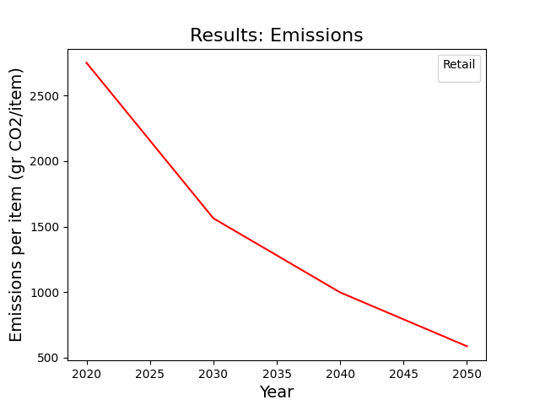
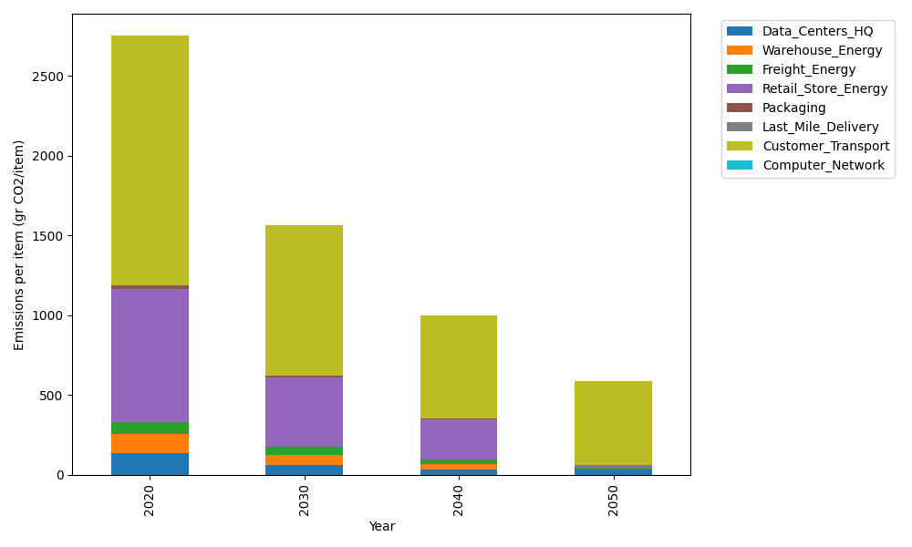
Years | Data_Centers_HQ | Warehouse_Energy | Freight_Energy | Retail_Store_Energy | Packaging | Last_Mile_Delivery | Customer_Transport | Computer_Network | Total
2020 | 137.48834654 | 120.73500736 | 69.099878247 | 839.18807354 | 17.990768952 | 0 | 1567.5319474 | 0 | 2752.034022
2030 | 63.614454124 | 62.782203826 | 48.404354721 | 436.37779824 | 12.413630577 | 0 | 939.77409824 | 0 | 1563.3665397
2040 | 31.6634423 | 36.220502207 | 25.833611896 | 251.75642206 | 6.1168614437 | 0 | 645.07807174 | 0 | 996.66891165
2050 | 31.6634423 | 2.4147001471 | 11.846853875 | 16.783761471 | 0 | 0 | 522.18874449 | 0 | 584.89750228

