Sheet1
Bug ID | Title | LINKED TC | Feature | Environment | Severity | Steps to Reproduce | Expected Result | Actual Result | Attachments | Reported By | Status
BUG_FEAT002_001 | Login button unresponsive after entering valid credentials. |  | Login | Firefox v120, Windows 11, Staging Environment. | Major | 1. Go to Login page. 2. Enter valid credentials. 3. Click Login. | User should be logged in and redirected to Homepage. | Nothing happens; page remains on Login. | Screenshot of console error attached. | Saged Wael | Open
BUG_FEAT003_001 | no error pop up message appears when typing the in complete Restaurant name and the restaurant appear normally | tc_003_004 | HomePage | Chrome V 132.0.6834.223, Windows 11, Staging Environment. | Major | 1. Go to Login page. 2. Enter valid credentials. 3. Click Login. 4.type in the search bar "Bur" | Popup Error Message: "Restaurant is not found !!!" | the restaurant in displayed otherwise | 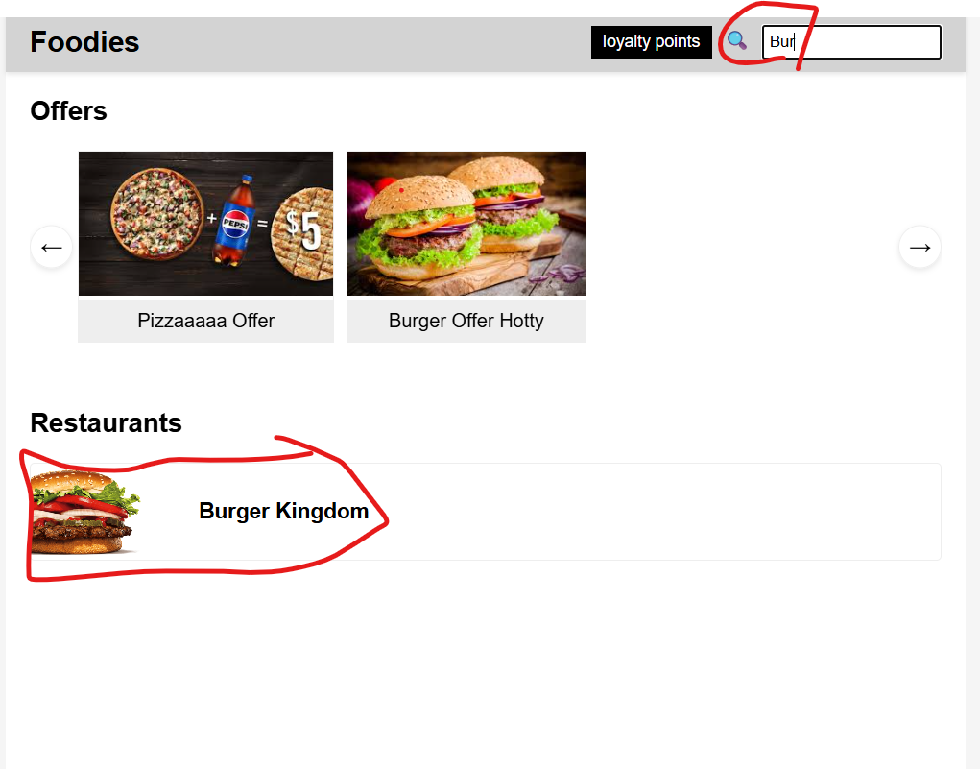 | Seif | Open
BUG_FEAT003_002 | no error pop up message appears when typing a resturant that is not in the zone the user choose | tc_003_005 | HomePage | Chrome V 132.0.6834.223, Windows 11, Staging Environment. | Criticl | 1. Go to Login page. 2. Enter valid credentials. 3. Click Login. 4.type in the search bar "KFC" | Popup Error Message: "Restaurant is not found !!!" | no Popup Error message appeared |  | Seif | Open
BUG_FEAT003_003 | no error pop up message appears when typing a wrong resturant name | tc_003_006 | HomePage | Chrome V 132.0.6834.223, Windows 11, Staging Environment. | Major | 1. Go to Login page. 2. Enter valid credentials. 3. Click Login. 4.type in the search bar "Burg@" | "Popup Error Message: ""Restaurant is not found !!!""" | "no Popup Error message appeared " |  | Seif | Open
BUG_FEAT003_004 | there is no number visable for the loyality points that's the user have | tc_003_008 | HomePage | Chrome V 132.0.6834.223, Windows 11, Staging Environment. | Criticl | 1. Go to Login page. 2. Enter valid credentials. 3. Click Login. 4.check the loyality points bar | "xxxx Loyality Points" | the number of loyality points is not visable |  | Seif | Open
BUG_FEAT007_001 | promo Apply button is clickable when no code | tc_007_006 | Checkout | Chrome V 136.0.7103.93 , Windows 10, Staging Environment. | Minor | 1. Go to Login page. 2. Enter valid credentials. 3. Click Login. 4.Choose a restaurant with no promocode 5. Add some items and click on checkout 6. Click on apply button for promocode | Apply button is dimmed and unclickable | Button is clickable and gives error message "Please enter a promo code" |  | Mariam Moustafa | Open
BUG_FEAT007_002 | Apply button for 10% off is clickable if the loyalty points is less than 1000 points | tc_007_008 | Checkout | Chrome V 136.0.7103.93 , Windows 10, Staging Environment. |  | 1. Go to Login page. 2. Enter valid credentials. 3. Click Login. 4.Choose a restaurant 5. Add some items and click on checkout 6. Click on apply button for 10% off | Apply button is dimmed and unclickable | Button is clickable but shows error message "Need 1000 points (you have 300)." |  | Mariam Moustafa | Open
BUG_FEAT007_003 | After Promo field appears if the user has no Promo Code | tc_007_014 | Checkout | Chrome V 136.0.7103.93 , Windows 10, Staging Environment. |  | 1. Go to Login page. 2. Enter valid credentials. 3. Click Login. 4.Choose a restaurant with no promocode 5. Add some items and click on checkout | Field does not appear | Field appears but with EGP 0 amount |  | Mariam Moustafa | Open
BUG_FEAT007_004 | "After Promo" field appears if the "Apply" button for Promo Code is not Clicked" | tc_007_015 | Checkout | Chrome V 136.0.7103.93 , Windows 10, Staging Environment. |  | 1. Go to Login page. 2. Enter valid credentials. 3. Click Login. 4.Choose a restaurant with no promocode 5. Add some items and click on checkout | Field does not appear | Field appears but with EGP 0 amount |  | Mariam Moustafa | Open
BUG_FEAT007_005 | After 10% off field appear if the user has less than 1000 loyality points | tc_007_018 | Checkout | Chrome V 136.0.7103.93 , Windows 10, Staging Environment. |  | 1. Go to Login page. 2. Enter valid credentials. 3. Click Login. 4.Choose a restaurant with no promocode 5. Add some items and click on checkout | Field does not appear | Field appears but with EGP 0 amount |  | Mariam Moustafa | Open
BUG_FEAT007_006 | "After 10% off" field appear if the"Apply" button for Get 10% off from loyality points is not Clicked | tc_007_019 | Checkout | Chrome V 136.0.7103.93 , Windows 10, Staging Environment. |  | 1. Go to Login page. 2. Enter valid credentials. 3. Click Login. 4.Choose a restaurant with no promocode 5. Add some items and click on checkout | Field does not appear | Field appears but with EGP 0 amount |  | Mariam Moustafa | Open
BUG_FEAT007_007 | "Confirm" button is clickable if address field is empty | tc_007_022 | Checkout | Chrome V 136.0.7103.93 , Windows 10, Staging Environment. |  | 1. Go to Login page. 2. Enter valid credentials. 3. Click Login. 4.Choose a restaurant with no promocode 5. Add some items and click on checkout 6.Click on confirm button | Button is disabled | Button is not disabled but shows a popup "Please enter your address" |  | Mariam Moustafa | Open
BUG_FEAT007_008 | User shall view his loyality points if he clicks on Loyality Points button | tc_007_024 | Checkout | Chrome V 136.0.7103.93 , Windows 10, Staging Environment. |  | 1. Go to Login page. 2. Enter valid credentials. 3. Click Login. 4.Choose a restaurant with no promocode 5. Add some items and click on checkout | Points are displayed | Points are displayed as text but without clicking on button |  | Mariam Moustafa | Open

