Swab Collection
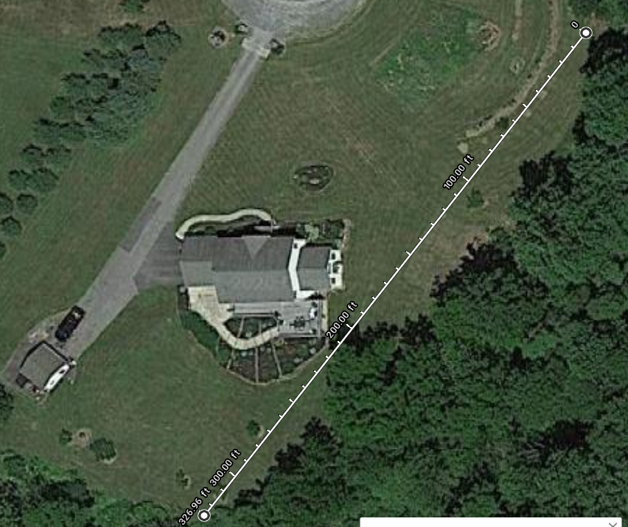
Protocols:
 | Weekly swab collection
 | must wear gloves

 | Leaf swab: |  |  | 10 secs for each of 3 leaves of marked frond

 | Coding: | AIL: |  | Ailanthus altissima
 |  |  |  | F: actively being fed upon in region
 |  |  |  | NF: not fed upon in region

5 AIL along treeline. ~325 ft distance total.
Exact coordinates being found
 | Field Site Coordinates: |  |  | N: 40.40467 W: 075.71086
 |  | GPS device used: |  |  | Garmin GPSmap60Sx

Sampling Depth: | Total Sequences per sample
 |  | T1 | T2 | T3 | T4 | T5 | T6 | T7 | T8 | T9
 | AIL5 |  |  | 26866 |  | 26443 | 27592 | 27981 | 26303 | 26156
 | AIL6 |  | 29682 | 30778 | 30193 | 29357 | 28068 | 27630 | 25721 | 25044
 | AIL9 | 24878 |  |  | 28265 |  | 28431 | 27583 |  | 24464
 | AIL10 |  |  |  | 24779 | 22632 | 24758 | 25842 | 25339
 | AIL11 | 30358 |  |  | 21522 | 26436 | 26404

 | Plant | Time | SM visible** | Insects visible*
 | 5 | T1 | 0 | 1
 | 5 | T2 | 0 | 1
 | 5 | T3 | 1 | 1 |  | *When sample was taken, was plant colonized by Spotted Lanternfly?
 | 5 | T4 | 1 | 1 |  | **When Sample was taken, was sooty mold visible in swabbing area
 | 5 | T5 | 1 | 1
 | 5 | T6 | 1 | 1
 | 5 | T7 | 1 | 1
 | 5 | T8 | 1 | 1
 | 5 | T9 | 1 | 1
 | 6 | T1 | 0 | 1
 | 6 | T2 | 0 | 1
 | 6 | T3 | 1 | 1
 | 6 | T4 | 1 | 1
 | 6 | T5 | 1 | 1
 | 6 | T6 | 1 | 1
 | 6 | T7 | 1 | 1
 | 6 | T8 | 1 | 1
 | 6 | T9 | 0 | 1
 | 9 | T1 | 0 | 1
 | 9 | T2 | 0 | 1
 | 9 | T3 | 0 | 1
 | 9 | T4 | 1 | 1
 | 9 | T5 | 1 | 1
 | 9 | T6 | 1 | 1
 | 9 | T7 | 1 | 1
 | 9 | T8 | 1 | 1
 | 9 | T9 | 1 | 1
 | 10 | T1 | 0 | 1
 | 10 | T2 | 0 | 1
 | 10 | T3 | 0 | 1
 | 10 | T4 | 0 | 1
 | 10 | T5 | 0 | 1
 | 10 | T6 | 1 | 1
 | 10 | T7 | 0 | 1
 | 10 | T8 | 0 | 1
 | 10 | T9 | 1 | 1
 | 11 | T1 | 0 | 1
 | 11 | T2 | 0 | 1
 | 11 | T3 | 0 | 1
 | 11 | T4 | 0 | 1
 | 11 | T5 | 0 | 1
 | 11 | T6 | 1 | 1
 | 11 | T7 | 0 | 1
 | 11 | T8 | 1 | 1
 | 11 | T9 | 1 | 1
 |  |  | 0/1 | 0/1
Observation Notes: | Taken with swabs

