datasetgen1
Number of sensor: | 3 |  | Number of faults | 6

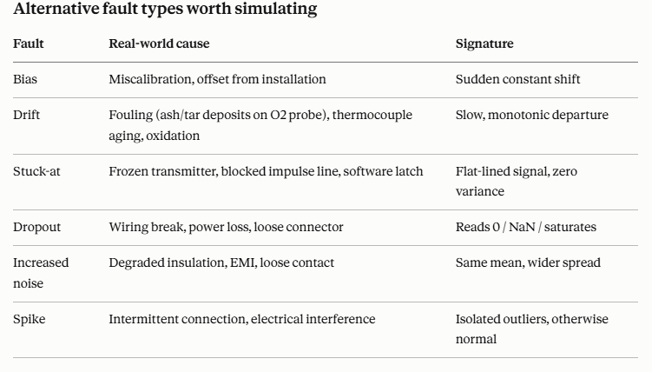
Run | 300 | Samples | 2000

 | Bias | Drift | Stuck | Dropout | Noise | Spike
Temperature | X | X | X | X | X | X
O2 | X | X | X | X | X | X
Pressure | X | X | X | X | X | X
ALL

Run | 30 | Samples | 4000
 |  |  |  | ignorar |  | ignorar
 | Bias | Drift | Stuck | Dropout | Noise | Spike
Temperature | X | X | X | X | X | X
O2 | X | X | X | X | X | X
Pressure | X | X | X | X | X | X

Run | 50 | Samples | 2000 |  | Nota | Esta tem a divisao de test e train.
 | Bias | Drift | Stuck | Noise | Nota | Os all dataset estavam errados
Temperature | X | X | X | X
O2 | X | X | X | X
Pressure | X | X | X | X

Notas
Não tem falha

Run | 100 | Samples | 2000
 | Bias | Drift | Stuck | Noise
Temperature | X | X | X | X
O2 | X | X | X | X
Pressure | X | X | X | X

Run | 30 | Samples | 2000
 | Bias | Drift | Stuck | Noise
Temperature | X | X | X | X |  | Stuck tem que ser considerado falha quando existe valores a tender para zero
O2 | X | X | X | X
Pressure | X | X | X | X

knn_test1
Test | KNN

1 - Summary:
84% classified as no_faulty, were actually no fault;
79% of the no_fault were correctly predicted.
F1-score - 81 (see whar) -- balance
33% classifed as fault, were actually fault.
41% of the fault, were correctly predicted
f1-score - 37%
Sem normalização |  | Two methods of knn |  |  | 2
 |  | Manual | Sklearn | Accuracy | 0.70931666667
Confusion Matrix |  | 2 |  | Precision | 0.881106229
3D SCATTER |  |  |  | Recall | 0.78635686875
Accuracy |  | 71% |  | F1-Score | 0.83103960286
Classification Report |  | 1 |  | Specificity | 0.41094777877
Help |  |  |  | Type I | 0.58905222123
 |  |  |  | Type II | 0.21364313125
Confusion Matrix:
37499 | 10188
7253 | 5060

Bias
 |  | TEMP |  |  |  |  |  | PRESSURE |  |  |  |  | O2
Com normalização |  | Two methods of knn |  |  |  | Com normalização |  | Two methods of knn |  |  | Com normalização |  | Two methods of knn
 |  | Manual | Sklearn | Accuracy |  |  |  | Manual | Sklearn | Accuracy |  |  | Manual | Sklearn | Accuracy
Confusion Matrix |  | X | X | Precision |  | Confusion Matrix |  | X | X | Precision | Confusion Matrix |  | X | X | Precision
3D SCATTER |  | X | X | Recall |  | 3D SCATTER |  | X | X | Recall | 3D SCATTER |  | X | X | Recall
Accuracy |  | 71% | 71% | F1-Score |  | Accuracy |  | 85% | 85% | F1-Score | Accuracy |  | 80% | 80% | F1-Score
Classification Report |  | X | X | Specificity |  | Classification Report |  | X | X | Specificity | Classification Report |  | X | X | Specificity
Help |  |  |  | Type I |  | Help |  |  |  | Type I | Help |  |  |  | Type I
 |  |  |  | Type II |  |  |  |  |  | Type II |  |  |  |  | Type II
Confusion Matrix: |  |  |  |  |  | Confusion Matrix: |  |  |  |  | Confusion Matrix:
37480 | 10207 |  |  |  |  | 37496 | 5029 |  |  |  | 38899 | 5196
7208 | 5105 |  |  |  |  | 4117 | 13358 |  |  |  | 7144 | 8761

Drift

 |  | TEMP |  |  |  |  |  | PRESSURE |  |  |  |  | O2
Com normalização |  | Two methods of knn |  |  |  | Com normalização |  | Two methods of knn |  |  | Com normalização |  | Two methods of knn
 |  | Manual | Sklearn | Accuracy |  |  |  | Manual | Sklearn | Accuracy |  |  | Manual | Sklearn | Accuracy
Confusion Matrix |  |  |  | Precision |  | Confusion Matrix |  |  |  | Precision | Confusion Matrix |  |  |  | Precision
3D SCATTER |  |  |  | Recall |  | 3D SCATTER |  |  |  | Recall | 3D SCATTER |  |  |  | Recall
Accuracy |  |  |  | F1-Score |  | Accuracy |  |  |  | F1-Score | Accuracy |  |  |  | F1-Score
Classification Report |  |  |  | Specificity |  | Classification Report |  |  |  | Specificity | Classification Report |  |  |  | Specificity
Help |  |  |  | Type I |  | Help |  |  |  | Type I | Help |  |  |  | Type I
 |  |  |  | Type II |  |  |  |  |  | Type II |  |  |  |  | Type II
Confusion Matrix: |  |  |  |  |  | Confusion Matrix: |  |  |  |  | Confusion Matrix:

