1. Title Page
Instacart Grocery Basket Analysis

Project Name: Instacart Grocery Baskey Analysis
Date: June 8, 2023
Analyst Name: Maria Sampoga

Contents:
Population Flow
Consistency checks
Wrangling steps
Column derivations
Visualizations
Recommendations

Data Citation:
"The Instacart Online Grocery Shopping Dataset 2017," Accessed from www.instacart.com/datasets/grocery-shopping-2017 via Kaggle on May 25, 2023.
The customer data explored in Exercises 4.9 and 4.10, as well as the “prices” column in the products data set, were both fabricated for the purpose of this course.

2. Population Flow
Title Page

Population flow

Exclusion flag
Condition: max_order < 5
Obervations to be removed: 1,440,295
Final total count of order_products_all: 30,964,564

Orders_products_combined
Orders_products_merged
Orders_products_all

Total: 32,404,859 rows
Total: 32,434,489 rows
Total: 32,404,859 rows

3. Consistency checks
 |  |  |  | Title Page
Consistency checks

Dataset | Missing values | Missing values treatment | Duplicates
orders | 206209 missing values for 'days_since_prior_order' | 'first_order' column added to flag orders as "first order" when 'days_since_prior_order' is null | No duplicates found
products | 16 missing values for 'product_name' | Removed 16 observations with missing values | 5 full duplicates identified and removed
orders_products_prior | No missing values |  | No duplicates
customers | No missing values |  | No duplicates

4. Wrangling steps
 |  |  |  | Title Page
Wrangling steps

Columns dropped | Columns renamed | Columns' type changed | Comment/Reason
'eval_set' from orders |  |  | Not needed for analysis
 | 'order_dow' from orders |  | Renamed to orders_day_of_week for clarity
 |  | order_id | Type changed to 'string'
 |  | user_id | Type changed to 'string'
 | First Name from customers |  | Renamed to 'first_name' for consistency
 | Surnam from customers |  | Renamed to 'last_name' for consistency
 | STATE from customers |  | Renamed to 'state' for consistency
 | Age from customers |  | Renamed to 'age' for consistency
 | fam_status from customers |  | Renamed to 'marital_status' for clarity
first_name from orders_products_all |  |  | Contains PII not needed for analysis
last_name from orders_products_all |  |  | Contains PII not needed for analysis

5. Column derivations
 |  |  |  |  | Title Page

Column derivations and aggregations

Dataset | New column | Column/s it was derived from | Conditions | Frequency
products | first_order | days_since_prior_order | if 'days_since_prior_order' is null, 'first_order' is True. Otherwise, 'first_order' is False
orders_products_merged | price_range_loc | prices | ['prices'] > 15, 'price_range_loc'= 'High-range product' ['prices'] <= 15 & ['prices'] > 5, 'price_range_loc' = 'Mid-Range product' ['prices'] <= 5, 'price_range_loc' = 'Low-range product' | Mid-Range product 21860860 Low-range product 10126321 High-range product 417678
orders_products_merged | busiest_day | order_day_of_week | [order_day_of_week] = 0, 'busiest_day' = 'Busiest day' [order_day_of_week] = 4, "busiest_day' = 'Least busy' else: 'busiest_day' = 'Regularly busy' | Regularly busy 22416875 Busiest day 6204182 Least busy 3783802
orders_products_merged | busiest_days | order_day_of_week | [order_day_of_week] = 0 or 1, 'busiest_days' = 'Busiest days' [order_day_of_week] = 3 or4, "busiest_days' = 'Slowest days' else: 'busiest_days' = 'Regularly busy' | Regularly busy 12916111 Busiest days 11864412 Slowest days 7624336
orders_products_merged | busiest_period_of_day | order_hour_of_day | [order_hour_of_day] isin[0, 1, 2, 3, 4, 5], 'busiest_period_of_day' = 'Fewest orders' [order_hour_of_day] isin[10, 11, 12, 13, 14, 15], 'buiest_period_of_day' = 'Most orders' else: 'busiest_period_of_day' = 'Average orders' | Most orders 16128666 Average orders 15679865 Fewest orders 596328
orders_products_merged | max_order | uder_id, order_number | Displays the maximimum 'order_number' value for the given 'user_id'
orders_products_merged | loyalty_flag | max_order | ['max_order'] > 40, 'loyalty_flag'] = 'Loyal customer' ['max_order'] <= 40 & ['max_order'] > 10, 'loyalty_flag'] = 'Regular customer' ['max_order'] <= 10, 'loyalty_flag'] = 'New customer' | Regular customer 15876776 Loyal customer 10284093 New customer 6243990
orders_products_merged | mean_price | user_id, prices | Displayes the average of all 'prices' for the given 'user_id'
orders_products_merged | spending_flag | mean_price | ['mean_price'] < 10, 'spending_flag' = 'Low spender' ['mean_price'] >= 10, 'spending_flag' = 'High spender' | Low spender 31770614 High spender 634245
orders_products_merged | median_days_since_prior_order | user_id, days_since_prior_order | Displays the median 'days_since_prior_order' value for the given 'user_id'
orders_products_merged | frequency_flag | median_days_since_prior_order | ['median_days_since_prior_order'] > 20, 'frequency_flag' = 'Non-frequent customer' ['median_days_since_prior_order'] <= 20 & ['median_days_since_prior_order'] > 10, 'frequency_flag' = 'Regular customer' ['median_days_since_prior_order'] <= 10, 'frequency_flag'] = 'Frequent customer' | Frequent customer 21559853 Regular customer 7208564 Non-frequent customer 3636437 NaN 5
orders_products_all | region | state | ['state'] in ['Maine','New Hampshire','Vermont','Massachusetts','Rhode Island','Connecticut','New York','Pennsylvania','New Jersey'], 'region' = 'Northeast' ['state] in ['Wisconsin','Michigan','Illinois','Indiana','Ohio','North Dakota','South Dakota','Nebraska','Kansas','Minnesota','Iowa','Missouri'], 'region' = 'Midwest' ['state] in ['Delaware','Maryland','District of Columbia','Virginia','West Virginia','North Carolina','South Carolina', 'Georgia', 'Florida', 'Kentucky', 'Tennessee', 'Mississippi', 'Alabama','Oklahoma','Texas','Arkansas','Louisiana'], 'region' = 'South' else, 'region' = 'West' | South 10791885 West 8292913 Midwest 7597325 Northeast 5722736
orders_products_all | profile_flag | age, n_dependants, marital_status | ['age'] >= 18 & ['n_dependants'] == 0 & ['marital_status'] == 'single', 'profile_flag' = 'Single independent adult' ['age'] >= 18 & ['n_dependants'] == 0 & ['marital_status'] == 'divorced/widowed', 'profile_flag' = 'Single independent adult' ['age'] > 40 & ['n_dependants'] >= 1 & ['marital_status'] == 'single', 'profile_flag' = 'Single mature parent' ['age'] > 40 & ['n_dependants'] >= 1 & (ords_prods_custs_secure['marital_status'] == 'divorced/widowed', 'profile_flag' = 'Single mature parent' ['age'] >= 18 & ['n_dependants'] < 1 & ['marital_status'] == 'living with parents and siblings', 'profile_flag' = 'Single dependant adult' ['age'] <= 40 & ['n_dependants'] >= 1 & ['marital_status'] == 'married', 'profile_flag']= 'Married young parent' ['age'] > 40 &['n_dependants'] >= 1 & ['marital_status'] == 'married', 'profile_flag' = 'Married mature parent' ['age'] >= 18 & ['n_dependants'] < 1 & ['marital_status'] == 'married', 'profile_flag' = 'Married adult, no kids' ['age'] >= 18 & ['n_dependants'] >= 1 & ['marital_status'] == 'living with parents and siblings', 'profile_flag' = 'Dependant adult parent' | Married mature parent 15543917 Single independent adult 8097503 Married young parent 7212836 Dependant adult parent 1550603

6. Visualizations
 |  |  |  | Title Page

Visualisations


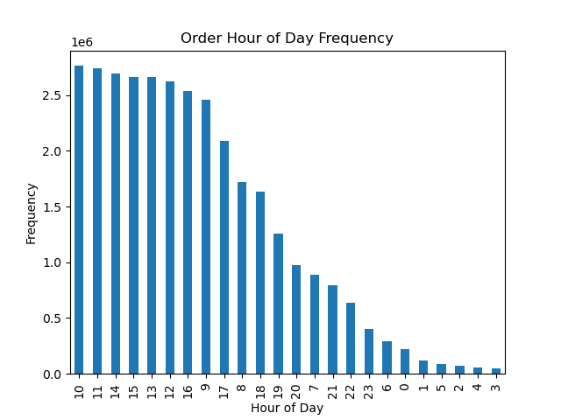
1A - order_day_of_week frequency |  |  | 1B - order_hour_of_day frequency
0 = Saturday
1 = Sunday
2 = Monday
3 = Tuesday
4 = Wednesday
5 = Thursday
6 = Friday



2A - prices by order_hour_of_day

3A - department_id frequency
1 = frozen 2 = other 3 = bakery 4 = produce 5 = alcohol 6 = international 7 = beverages 8 = pets 9 = dry goods pasta 10 = bulk 11 = personal care 12 = meat seafood 13 = pantry 14 = breakfast 15 = canned goods 16 = dairy eggs 17 = household 18 = babies 19 = snacks 20 = deli 21 = missing | 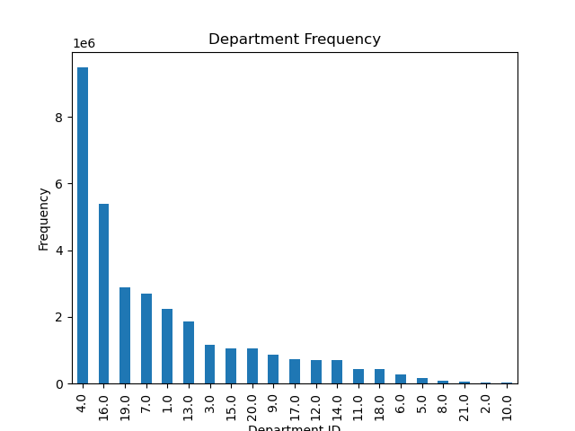

4A - loyalty_flag frequency
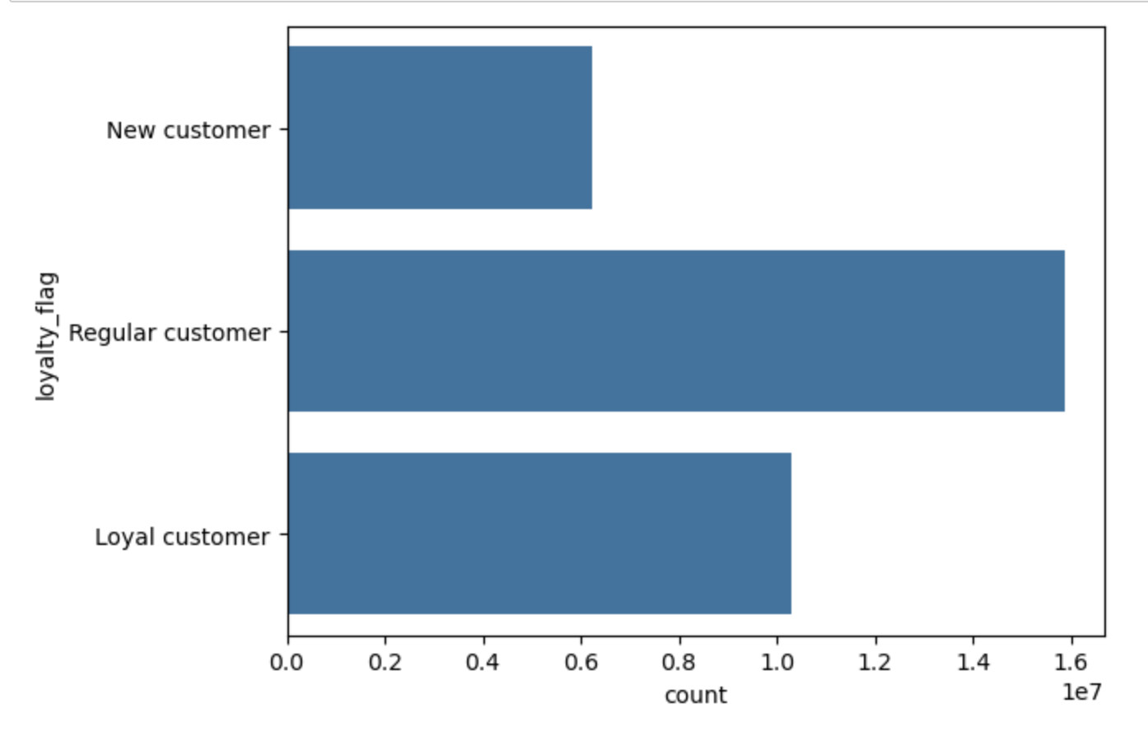

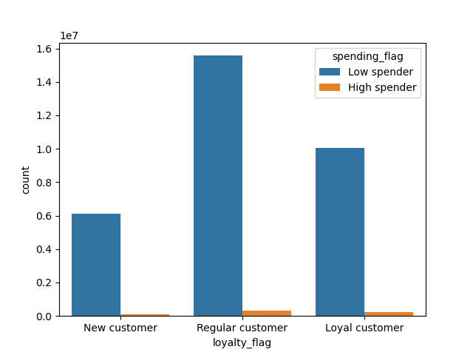
5A - Spending by loyalty status

6A - Spending by region |  |  | 6B - Department by region

 | 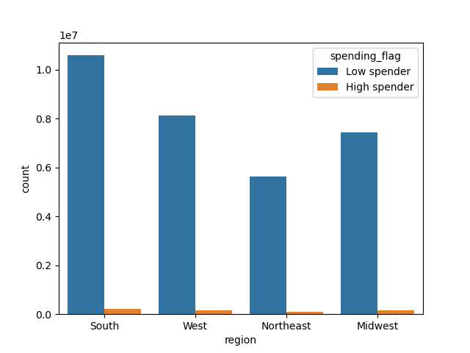 |  | 1 = frozen 2 = other 3 = bakery 4 = produce 5 = alcohol 6 = international 7 = beverages 8 = pets 9 = dry goods pasta 10 = bulk 11 = personal care 12 = meat seafood 13 = pantry 14 = breakfast 15 = canned goods 16 = dairy eggs 17 = household 18 = babies 19 = snacks 20 = deli 21 = missing | 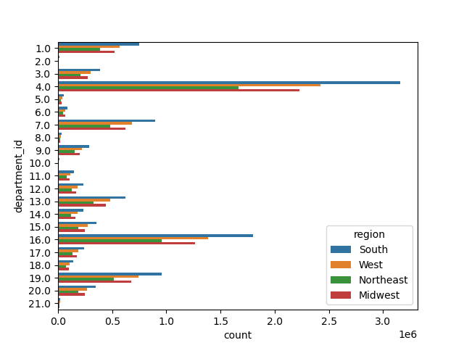

7A - Departments by profile

1 = frozen 2 = other 3 = bakery 4 = produce 5 = alcohol 6 = international 7 = beverages 8 = pets 9 = dry goods pasta 10 = bulk 11 = personal care 12 = meat seafood 13 = pantry 14 = breakfast 15 = canned goods 16 = dairy eggs 17 = household 18 = babies 19 = snacks 20 = deli 21 = missing | 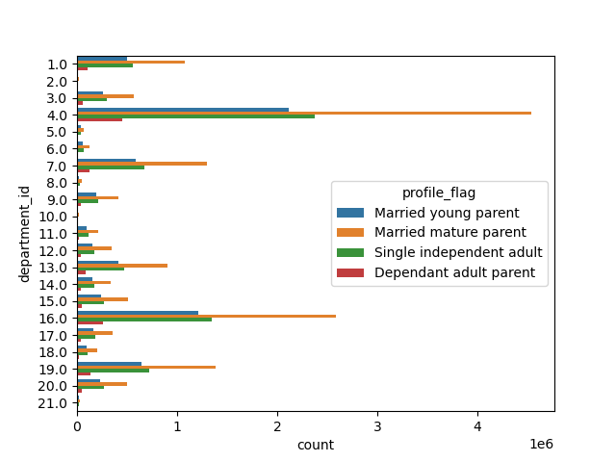
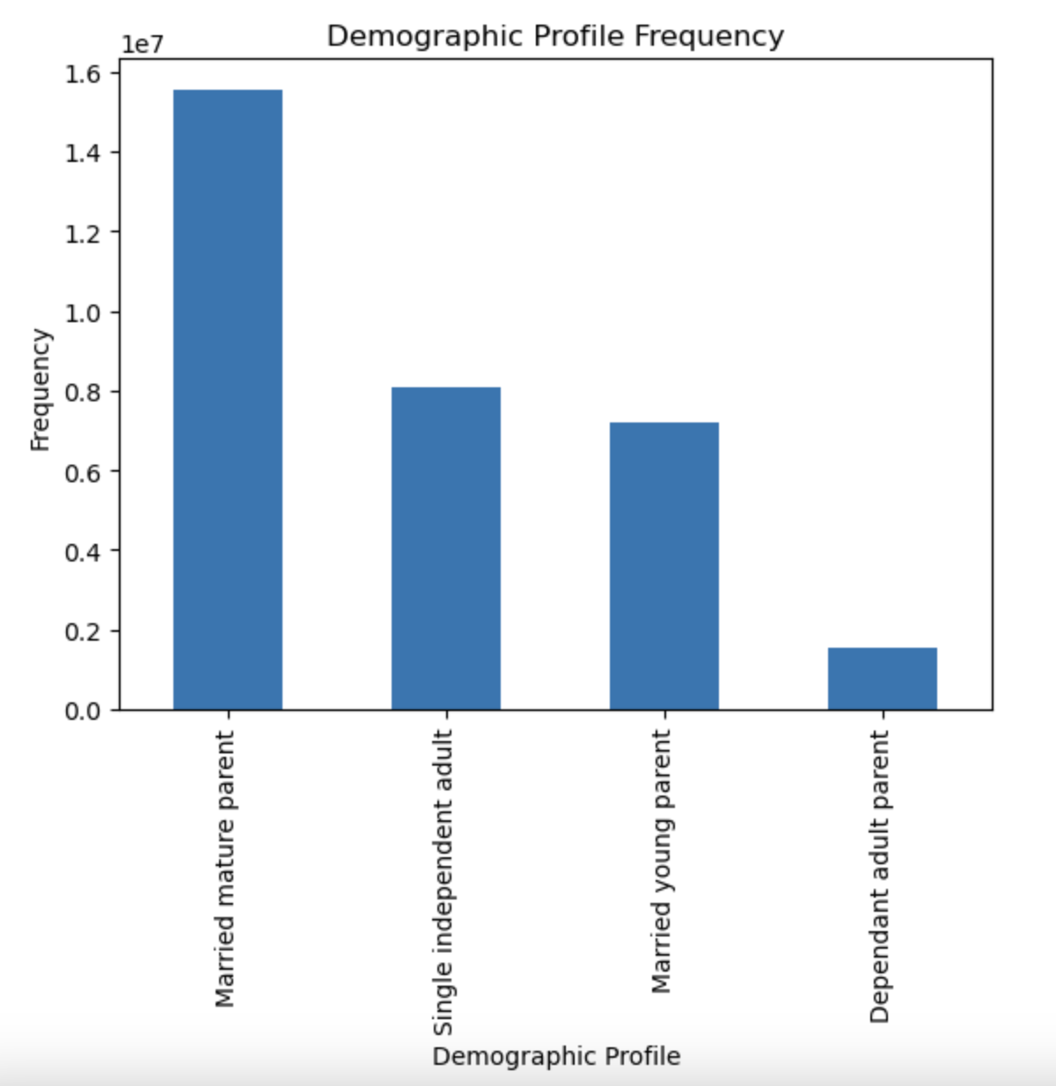
8A - profile-flag frequency

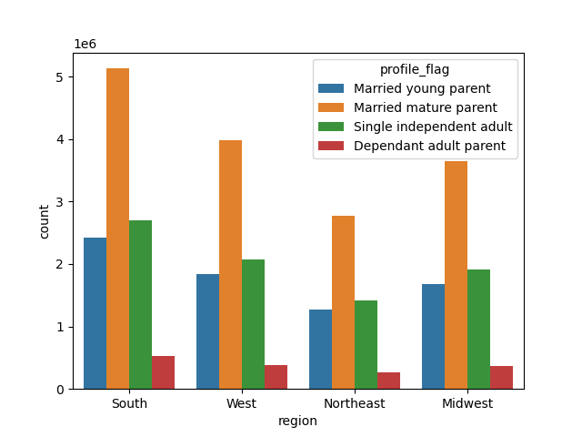
9A - Profiles by region |  | 9B - Profiles by spending
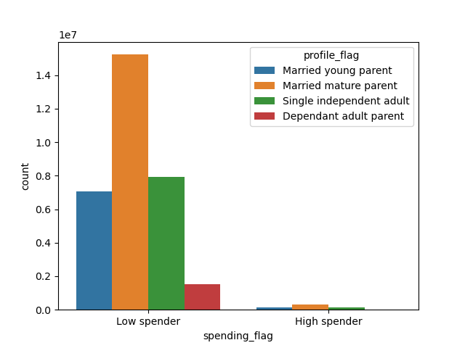

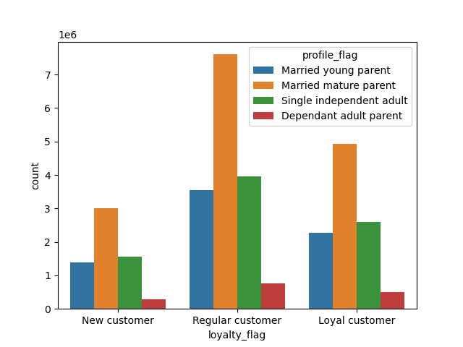
9C - Profiles by loyalty

7. Recommendations
 |  | Title Page

Recommendations

Question | Answer

The sales team needs to know what the busiest days of the week and hours of the day are (i.e., the days and times with the most orders) in order to schedule ads at times when there are fewer orders. | See visualizations 1A and 1B The busiest days of the week are Saturday and Sunday, and the busiest hours of the dat are 9:00 AM to 4:00 PM. To target days and times with fewer orders, ads should be run on weekdays before 9:00 AM and after 4:00 PM

They also want to know whether there are particular times of the day when people spend the most money, as this might inform the type of products they advertise at these times. | See visualization 2A Customers spend the most money before 10:00 AM and after 3:00 PM, so the sales team should advertise higher priced products during these times.

Instacart has a lot of products with different price tags. Marketing and sales want to use simpler price range groupings to help direct their efforts. | I would recommend the following price range groupings. Included in this list are the current frequencies of each price grouping. Low-range product ($5 or less) 10126321 Mid-Range product ($5-$15) 21860860 High-range product (more than $15) 417678

Are there certain types of products that are more popular than others? The marketing and sales teams want to know which departments have the highest frequency of product orders | See visualization 3A The most popular departments are produce and daity/eggs. The marketing anf sales teams should focus on these departments with the highest frequency of orders.

What’s the distribution among users in regards to their brand loyalty (i.e., how often do they return to Instacart)? | See visualization 4A The majority of customers are Regular Customers (with 10-40 orders), followed by Lotal Customers and New Customers. The breakdown of customer counts can be seen in the visualization, as well as the list below Loyal customers (more than 40 orders): 10284093 Regular customers (10-40 orders): 15876776 New customer (10 or fewer orders): 6243990

Are there differences in ordering habits based on a customer’s loyalty status? | See visualization 5A The highest proportionn of customers are regular customers (10-40 orders placed), and this catgeory also has the highest number of high spenders. I recommend focusing marketing efforts on regular customers to grow the number of high spenders

Are there differences in ordering habits based on a customer’s region? | See visualization 6A and 6B The south has the highest number of shoppers and the highest number of high spenders (as shown in the visualatixations, as well as the crosstab below). All regions follow the same patterns of most popular departments, with produce being the most frequently shopped department by far.
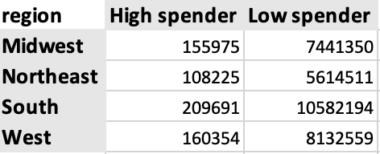

Is there a connection between age and family status in terms of ordering habits? | See visualization 7A Married parents over 40 shop the most in all departments, which can be seen especially in produce, dairy/eggs, snack, and beverages. These shoppers are focused on feeding families with older children and will order more from these departments

What different classifications does the demographic information suggest? Age? Income? Certain types of goods? Family status? | See visualization 8A The demographic information can be broken down into a few main cateogires: young, married parents (under 40 years old), mature married parents (40 years old or older), single adults with no children, and dependant adult parents living with parents and siblings. The distrubtion of these profiles can be seen in the visualization

What differences can you find in ordering habits of different customer profiles? Consider the price of orders, the frequency of orders, the products customers are ordering, and anything else you can think of. | See visualizations 9A, 9B, and 9C The proportions of demographic profiles in each region are consistent, with the highest number of total shoppers in the South, and the lowest number in the Northeast. The visualozations show how the various demoraphic profiles are distributed by region and spending habits. We can see that married mature parents (over 40 years old) make up the largest proportion of low spenders by far. This should be considered when marketing to this demographic. The highest proportion of all profiles are Regular Customers (10-40 orders), with the second highest proportion of all profiles being Loyal Customers (over 40 orders)

