Sheet1
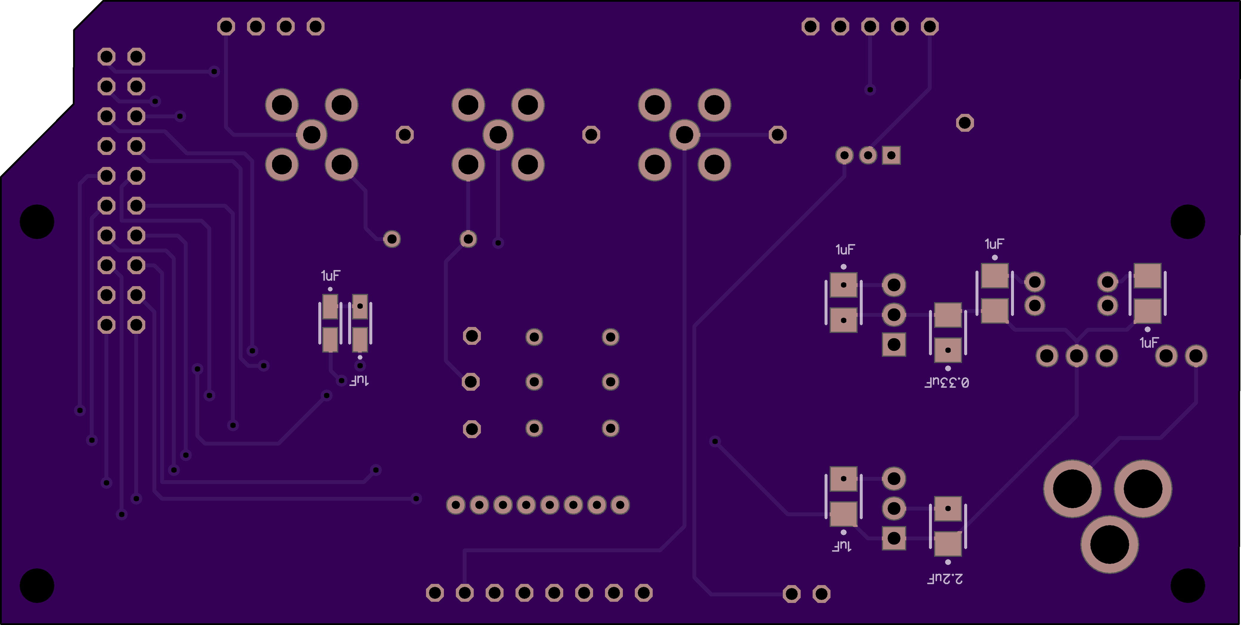
 |  | Frederick Chang, Maria Mukhina - Kleckner Lab
Board Name | Function | Part Name |  | FootPrint | Quantity | Sub
Digikey Part No.

 |  | ARDUINO MEGA ADK BOARD REV3 | 1050-1018-ND | NA | 1
TOP of the board
J1 | power supply 24V - 1A, anything outside the indicated range will break the board | CONN PWR JACK 2.1X5.5MM SOLDER | EJ508A-ND | 2.10mm ID (0.083"), 5.50mm OD (0.217") | 1
 |  | AC/DC WALL MOUNT ADAPTER 24V 24W | 102-3628-ND | Barrel Plug R/A, 2.1mm I.D. x 5.5mm O.D. x 9.5mm | 1
U4 | DC/DC converter, takes 24V input and gives out -15 to +15 V | DC/DC CONVERTER +/-15V 1W | 811-2174-5-ND |  | 1
L1-L2 |  | FIXED IND 47UH 500MA 540 MOHM TH | 811-2028-ND |  | 2
R5-R7 | reporter LEDs, see Arduino code for meanings | RES SMD 10K OHM 5% 1/4W 1206 | 311-10KERTR-ND | 1206 (3216 Metric) | 3
blue |  | LED BLUE CLEAR 1206 SMD | 160-1643-2-ND | 1206 (3216 Metric) | 1
green |  | LED GREEN CLEAR 1206 SMD | 160-1456-2-ND | 1206 (3216 Metric) | 1
red |  | LED RED CLEAR 1206 SMD | 160-1457-2-ND | 1206 (3216 Metric) | 1
T |  | TEST POINT PC MINI .040"D RED | 36-5000-ND | 0.040" (1.02mm) Hole Diameter | 6
U1 | linear regulator cleans up noisy -15 : +15 V signal to give -12 : +12 V | IC REG LDO -12V 1A TO220-3 | MC7912CTGOS-ND | TO-220 | 1
U3 |  | IC REG LDO 12V 1A TO220-3 | MC7912CTGOS-ND | TO-220 | 1
J7 | LCD screen connection | JST 3 Pin B3B-PH-K-S(LF)(SN) | 455-1705-ND | 0.079" (2.00mm) pitch | 1 | 455-B3B-PH-KL-ND
 | Stand for LCD sceen | HEX STANDOFF 4-40 ALUMINUM 1" | 36-1897-ND |  | 4
 | screws for LCD screen | MACHINE SCREW PAN PHILLIPS 4-40 | 335-1082-ND |  | 8
 | connection to LCD screen | JUMPER SPH-002T-P0.5S X2 2" | 455-3081-ND | 2'' jumpered cable | 3
 |  | CONN HOUSING PH 3POS 2.0MM | 455-1126-ND | 0.079" (2.00mm) | 2
cam,stage,bright | SMA connector jacks for camera input and brightfield LED and stage outputs | CONN SMA JACK R/A 50 OHM PCB FEMALE | SAM8856-ND |  | 3
 | SMA-to-BNC connectors for the camera, brightfield LED and stage | SMA male to BNC male 24'' | ACX1719-ND |  | 3
 | cable connection for brightfield LED (Scope LED) | CONN ADAPT JACK-JACK BNC 50 OHM | ARF1069-ND |  | 1
 |  | CONN D-SUB PLUG 15POS W/O CONT | A31504-ND |  | 1
 |  | CONN D-SUB PIN PCB GOLD | A122223-ND |  | 1
 |  | 7.0" (177.80mm) BNC Male Plug To Wire Lead Test Lead | 314-1189-ND |  | 1
J8 | connector header with 5 channels for Epi Light source | CONN HEADER VERT 5POS 2MM | 455-1707-ND | 0.079" (2.00mm) | 1
 | cable connection to Epi light source (CoolLED) | CABLE JST PHR-05 AWG 24 200MM | 1460-1296-ND | 0.079" (2.00mm) | 1
 |  | CONN D-SUB HD RCPT 15POS STR | AE11025-ND | Dsub15 female socket | 1
 |  | CONN D-SUB HD HOUSING PLUG 15POS | 1122-1175-ND | Dsub15 housing for male pins | 1
 |  | CONN D-SUB PIN PCB GOLD | A122223-ND | D sub male contacts | 1
 |  | CONN HOOD D-SUB 15POS PLASTIC | AE11015-ND | DB15 housing 15 pos | 2
 |  | Cable Assembly Coaxial BNC to Cable RG-58C 60.0" (1.5m) 5.0' | 501-1693-ND |  | 5
 |  | KIT SHRINK TUBING 2:1 XLPO MULTI | FKIT221CMC032-ND | tubing for contacts isolation | 1
U2 | DAC | IC 16BIT UNIPOLAR D/A 28SOIC | 296-24945-5-ND | IC 16BIT UNIPOLAR D/A 28SOIC | 1 | 2156-DAC715UK-ND

BOTTOM of the board
1uF | capacitors for power supply | CAP TANT 1UF 35V 20% 1411 | 399-10228-1-ND | 1411 | 4
0.33uF |  | CAP TANT 0.33UF 50V 20% 1411 | 399-3718-1-ND | 1411 | 1
2.2uF |  | CAP TANT 2.2UF 35V 10% 1411 | 399-8307-1-ND | 1411 | 1

 | сonnection to Arduino | CONN HEADER 50POS .100" SGL GOLD | SAM1061-50-ND |  | 1
 | сonnection to Arduino | CONN HEADER 10POS .100" DL GOLD | SAM1060-05-ND |  | 1

SparkFun no.
 | LCD screen | Basic 16x2 Character LCD - White on Black 5V | LCD-00709 |  | 1

 |  |  | Сustom made
jumpers | jumpers connect gaps in the board connectivity; can be installed or removed; if installed, make a testing points, can be used to hook up oscilloscope; helpful in prototyping and diagnostics | ~1 cm long piece of wire bent in U-shape |  |  | 4

