Table
Spectrum No |  | Time (s) | Peak Position | Peak Area
1 | Adsorption | 0.067 | 1816.65514 | -0.000517566
2 |  | 0.135 | 1822.44066 | 0.00732 | 0.068
3 |  | 0.202 | 1832.08321 | 0.03686 | 0.067
4 |  | 0.27 | 1853.2968 | 0.06426 | 0.068
5 |  | 0.337 | 1872.58189 | 0.07761 | 0.067
6 |  | 0.404 | 1880.29592 | 0.10538 | 0.067
7 |  | 0.472 | 1878.36741 | 0.10111 | 0.068
Time (s) and Peak Area
8 |  | 0.539 | 1878.36741 | 0.09971 | 0.067
9 |  | 0.607 | 1882.22443 | 0.09903 | 0.068
10 |  | 0.674 | 1880.29592 | 0.11741 | 0.067
11 |  | 0.742 | 1882.22443 | 0.10229 | 0.068
12 |  | 0.809 | 1880.29592 | 0.09107 | 0.067
13 |  | 0.877 | 1878.36741 | 0.09903 | 0.068
14 |  | 0.944 | 1880.29592 | 0.10842 | 0.067
15 |  | 1.012 | 1876.4 | 0.1053 | 0.068
16 |  | 1.079 | 1886.08145 | 0.09365 | 0.067
17 |  | 1.147 | 1884.15294 | 0.11495 | 0.068
18 |  | 1.214 | 1882.22443 | 0.10521 | 0.067
19 |  | 1.282 | 1876.43891 | 0.1003 | 0.068
20 |  | 1.349 | 1884.15294 | 0.1054 | 0.067
21 | Desorption | 1.551 | 1878.36741 | 0.09981 | 0.202
22 |  | 1.754 | 1874.5104 | 0.08665 | 0.203
23 |  | 1.956 | 1874.5104 | 0.09664 | 0.202
24 |  | 2.158 | 1870.65338 | 0.07891 | 0.202
25 |  | 2.361 | 1855.22531 | 0.07608 | 0.203
26 |  | 2.563 | 1849.43979 | 0.06771 | 0.202
27 |  | 2.766 | 1837.86873 | 0.06109 | 0.203
28 |  | 2.968 | 1835.94022 | 0.05758 | 0.202
29 |  | 3.171 | 1834.01172 | 0.05398 | 0.203
30 |  | 3.373 | 1835.94022 | 0.05182 | 0.202
31 |  | 3.575 | 1834.01172 | 0.04911 | 0.202
32 |  | 3.778 | 1834.01172 | 0.04132 | 0.203
33 |  | 3.98 | 1826.29768 | 0.04362 | 0.202
34 |  | 4.182 | 1834.01172 | 0.03611 | 0.202
35 |  | 4.385 | 1835.94022 | 0.03725 | 0.203
36 |  | 4.587 | 1826.29768 | 0.0321 | 0.202
37 |  | 4.79 | 1820.5 | 0.02005 | 0.203
38 |  | 4.992 | 1824.36917 | 0.02006 | 0.202
39 |  | 5.194 | 1820.51216 | 0.01698 | 0.202
40 |  | 5.397 | 1820.51216 | 0.01771 | 0.203
41 |  | 5.599 | 1824.36917 | 0.01166 | 0.202
42 |  | 5.802 | 1824.36917 | 0.01179 | 0.203
43 |  | 6.004 | 1824.36917 | 0.01273 | 0.202
44 |  | 6.207 | 1820.51216 | 0.01115 | 0.203
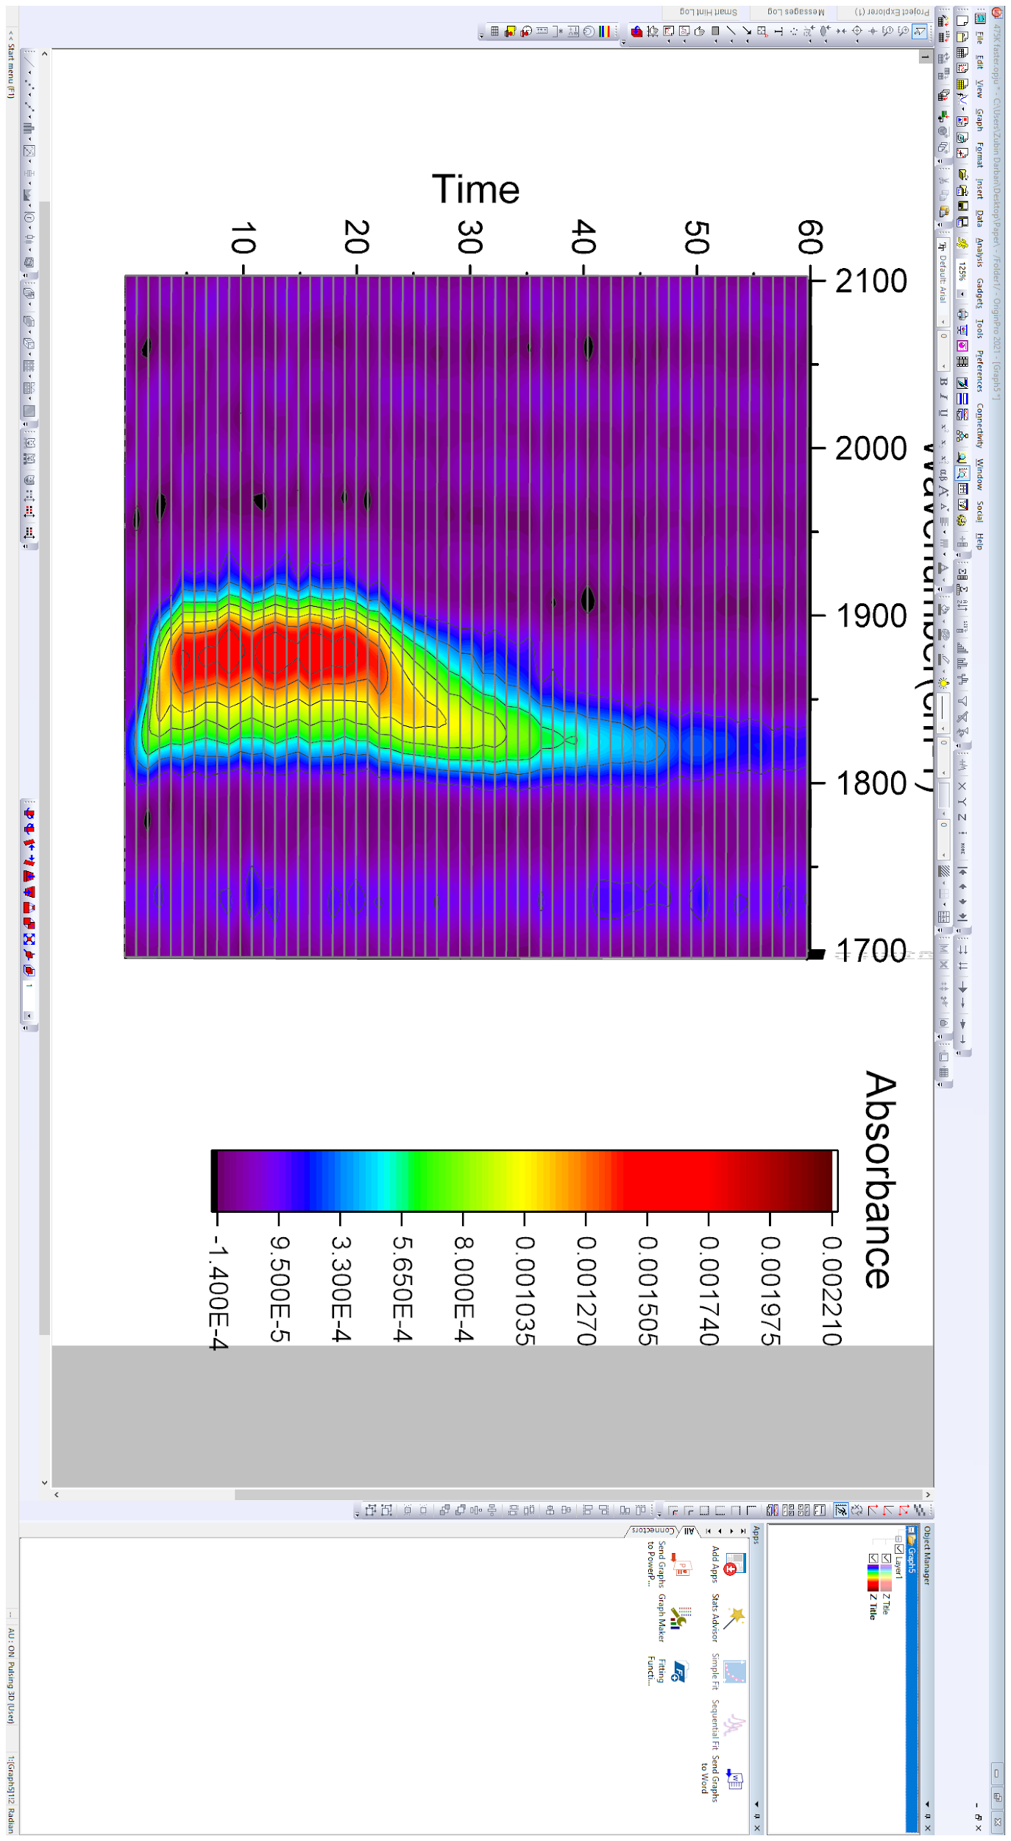
45 |  | 6.409 | 1818.58365 | 0.00865 | 0.202
46 |  | 6.611 | 1818.58365 | 0.01344 | 0.202
47 |  | 6.814 | 1818.58365 | 0.00815 | 0.203
48 |  | 7.016 | 1818.58365 | 0.00622 | 0.202
49 |  | 7.219 | 1818.58365 | 0.00441 | 0.203
50 |  | 7.421 | 1818.58365 | 0.00256 | 0.202
51 |  | 7.623 | 1818.58365 | 0.0029 | 0.202
52 |  | 7.826 | 1816.65514 | 0.00378 | 0.203
53 |  | 8.028 | 1820.51216 | 0.00207 | 0.202
54 |  | 8.231 | 1814.72663 | 0.000527328 | 0.203
55 |  | 8.433 | 1814.72663 | -0.000242526 | 0.202
56 |  | 8.635 | 1816.65 | 0.0033 | 0.202
57 |  | 8.838 | 1814.72663 | -0.00294 | 0.203
58 |  | 9.04 | 1816.65514 | -0.00284 | 0.202
59 |  | 9.243 | 1814.72 | 0.00101 | 0.203
60 |  | 9.445 | 1818.58 | -0.00356 | 0.202

