Bug_reaport4
ID | Bug 4
Summary | On the page "https://demoqa.com/radio-button" user can not click on "No" radio button
Steps to reproduce | Open Chrome browser
 | Go to the following URL: https://demoqa.com/radio-button
 | Click on radio button "No"
Expected result | On the page "https://demoqa.com/radio-button" the user can click on "No" button. The message "You have selected No" is displayed.
Actual result | The user is not able to click on the "No" button on the "https://demoqa.com/radio-button" page. When you try to click on "No", a prohibition sign is shown.
Repro rate | 100%
Severity | Low
Priority | Low

Screenshot

Description | On the page "https://demoqa.com/radio-button" user can not click on "No" radio button, the prohibition sign is always shown.

Bug_reaport5
ID | Bug 5
Summary | When the user wants to create a new table row on the "https://demoqa.com/webtables" page it is allowed to use only one letter in the"First Name" and "Last Name" fields
Steps to reproduce | Open Chrome browser
 | Go to the following URL: https://demoqa.com/webtables
 | Click on "Add" button
 | Input "a" into the "First Name" field
 | Input "a" into the "Last Name" field
 | Input the email "marijana.saponja@gmail.com" into "Email" field
 | Input age number "32" into the "Age" field
 | Input salary amount "80000" into "Salary" field
 | Input the name of the department "Finance" into the "Department" field
 | Click on "Submit" button
Expected result | The message "Error, first name and last name can not contain one letter" is displayed.
Actual result | A new table row is created
Repro rate | 100%
Severity | Medium
Priority | Medium
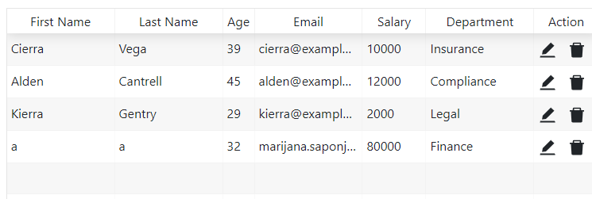
Screenshot

Description | First name and last name can not have only one letter.

