Manual Tests
 |  |  | UI MANUAL TESTING
 |  |  | PRE-CONDITIONS: 1. AN ACTIVE INTERNET CONNECTION, 2. A VALID BROWSER. 3. AN ACTIVE ACCOUNT IN TRIBAL APPLICATION

ID | TEST CASE | TEST DATA | STEPS | EXPECTED RESULT | STATUS | EVIDENCE | ADDITIONAL COMMENTS
#1 | Login with invalid email | baseUrl: " " Email: "jonh@mail", Password: "admin123@" | 1. Open browser, 2. Insert url and click enter, 3. Validate if the title 'Sign in to access your Tribal dashboard' is shown; 4. In "Email" input field, type 'Email', 5. In "Password" input field, type 'Password', 6. Click in 'Sign in' button. | An error message in red is shown, below the password field: "Invalid user or password". | PASS |  | Error is displayed in red, below the password input field, when email field is empty or invalid
#2 | Login with empty email | baseUrl: " " Password: "admin123@" | 1. Open browser, 2. Insert url and click enter, 3. Validate if the title 'Sign in to access your Tribal dashboard' is shown; 4. In "Password" input field, type 'Password', 5. Click in 'Sign in' button. | An a error message in red is shown, below the password field: "Invalid user or password". | PASS |  | Error is displayed in red, below the password input field, when email field is empty or invalid
#3 | Login with invalid password | baseUrl: " " Email: "jonh@mail.com", Password: "123" | 1. Open browser, 2. Insert url and click enter, 3. Validate if the title 'Sign in to access your Tribal dashboard' is shown; 4. In "Email" input field, type 'Email', 5. In "Password" input field, type 'Password', 6. Click in 'Sign in' button. | An error message in red is shown, below the password field: "Invalid user or password". | PASS |  | Error is displayed in red, below the password input field, when password field is empty or invalid
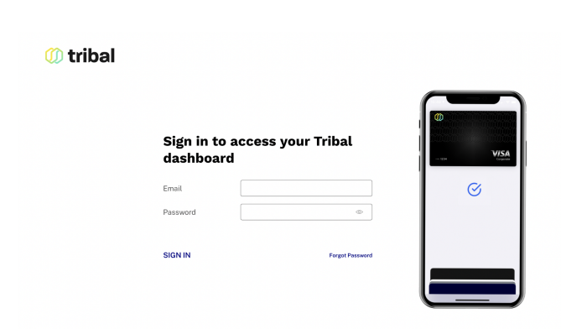
#4 | Login with empty password | baseUrl: " " Email: "jonh@mail.com", | 1. Open browser, 2. Insert url and click enter, 3. Validate if the title 'Sign in to access your Tribal dashboard' is shown; 4. In "Email" input field, type 'Email', 5. Click in 'Sign in' button. | An error message in red is shown, below the password field: "Invalid user or password". | PASS |  | Error is displayed in red, below the password input field, when password field is empty or invalid
#5 | Login with empty email and password | baseUrl: " " | 1. Open browser, 2. Insert url and click enter, 3. Validate if the title 'Sign in to access your Tribal dashboard' is shown; 4. Click in 'Sign in' button. | An error message in red is shown, below the password field: "Invalid user or password". | PASS |  | Error is displayed in red, below the password input field, when password field is empty or invalid
#6 | Login with a 100-characters email | baseUrl: " " Email: "jonhjohnjonhjonhjohnjonhjonhjohnjonhjonhjohnjonhjonhjohnjonhjonhjohnjonhjonhjohnjonhjonhjoh@mail.com" Password: "admin123@" | 1. Open browser, 2. Insert url and click enter, 3. Validate if the title 'Sign in to access your Tribal dashboard' is shown; 4. In "Email" input field, type 'Email', 5. In "Password" input field, type 'Password', 6. Click in 'Sign in' button. | User is redirected to the 'Dashboard' page. | PASS |  | Email max length is 100 characters.
#7 | Login with a 101-characters email | baseUrl: " " Email: "jonhjohnjonhjonhjohnjonhjonhjohnjonhjonhjohnjonhjonhjohnjonhjonhjohnjonhjonhjohnjonhjonhjohn@mail.com" Password: "admin123@" | 1. Open browser, 2. Insert url and click enter, 3. Validate if the title 'Sign in to access your Tribal dashboard' is shown; 4. In "Email" input field, type 'Email', 5. In "Password" input field, type 'Password'. | The password input field shall stop receiving data when reaches the 100-character length. | PASS |  | Email max length is 100 characters.
#8 | Login with a 50-characters password | baseUrl: " " Email: "jonh@mail.com" Password: "password123password123password123password123passwo" | 1. Open browser, 2. Insert url and click enter, 3. Validate if the title 'Sign in to access your Tribal dashboard' is shown; 4. In "Email" input field, type 'Email', 5. In "Password" input field, type 'Password', 6. Click in 'Sign in' button. | User is redirected to the 'Dashboard' page. | PASS |  | Password max length is 50 characters
#9 | Login with a 51-characters password | baseUrl: " " Email: "jonh@mail.com" Password: "password123password123password123password123passwor" | 1. Open browser, 2. Insert url and click enter, 3. Validate if the title 'Sign in to access your Tribal dashboard' is shown; 4. In "Email" input field, type 'Email', 5. In "Password" input field, type 'Password', 6. Click in 'Sign in' button. | The password input field shall stop receiving data when reaches the 50-character length. | PASS |  | Password max length is 50 characters
#10 | Login with valid email and password | baseUrl: " " Email: "jonh@mail.com" Password: "password123@" | 1. Open browser, 2. Insert url and click enter, 3. Validate if the title 'Sign in to access your Tribal dashboard' is shown; 4. In "Email" input field, type 'Email', 5. In "Password" input field, type 'Password', 6. Click in 'Sign in' button. | User is redirected to the 'Dashboard' page. | PASS |  | If login is successful Dashboard will be displayed.
#11 | Validate route for 'Forgot Password' button | baseUrl: " " | 1. Open browser, 2. Insert url and click enter, 3. Validate if the title 'Sign in to access your Tribal dashboard' is shown; 4. Valdate if email and password fiels are available; 5. Click in 'Forgot Password' button. | User is redirected to the 'Forgot Password' page. | PASS |  | Extra assertions
#12 | Validate route for 'Help' button | baseUrl: " " | 1. Open browser, 2. Insert url and click enter, 3. Validate if the title 'Sign in to access your Tribal dashboard' is shown; 4. Valdate if email and password fiels are available; 5. Click in 'Help' button. | User is redirected to the 'Help' page. | PASS |  | Extra assertions

