How to Report a Bug
Nr | Component | Issue Type | Issue Title | URL | Steps To Reproduce | Expected Result | Actual Result | Screenshot | Video | Logs (browser console or other)
1 | CART | Functional | "Opps, someting went wrong page" is displayed when clicking on VIEW CART in mini cart overlay | https://qatest-dev.indvp.com/cart | 1) Add Product To Cart https://qatest-dev.indvp.com/product/white-porcelain-creamer 2) Open the Mini Cart on the top right corner (via header) 3) Click on View Cart and get "Oops... " page IMPORTANT NOTE! If you go to home page and hit REFRESH thn you can actually open the cart clicking on VIEW CART from the overlay. | Shopping Cart Page opens and shows list of all Products/Items. | A page "Ooops! Something went wrong!" is disaplyed see screenshot | https://www.screencast.com/t/x4lo6zVm | https://www.screencast.com/t/sK1yW3PXAD
2 | HOME | Visual | Top hero block overlaps with left column block | https://qatest-dev.indvp.com/ | Open home page, to see the issue in dynamics, decrease page width and see how left column block floods over the top hero image | Blocks do not overlap as per design and common sense | Blocks overlap on each other (See screenshot). | https://www.screencast.com/t/LY4NMmWeNiYI | https://www.screencast.com/t/csQP1c9bX0w
3 | CMS | Content | Page title spelling error | https://qatest-dev.indvp.com/faqs | Open FAQ page from the website footer links | Title should be "Frequently Asked Questions" | Text says "Frequently AskeD. Questions!" | https://www.screencast.com/t/dTvJyAcFA9dI
4 | HOME | Content | Product list not found | https://qatest-dev.indvp.com/gifts-45/gifts-for-the-collector | 1) Go to the GIFTS Menu from the Home page 2) Click the sub-menu GIFTS FOR THE COLLECTOR and get "Page not found 404" 3) The message "Error fetching Product List!" is shown. | "Gifts for collector" menu is open and shows list of all Products/Items. | The message "Page not found 404" and "Error fetching Product List!" are displayed, see screenshot.
5 | ABOUT US | Content | Information about section "About Us" missing | https://qatest-dev.indvp.com/about | 1) Open About in the " About Us" menu and the page is empty. | In the section About accommodate a number of objectives: business story, serves, and models. | The lending page is empty.
6 | HOME | Content | Contacts not found | https://qatest-dev.indvp.com/contacts | 1) Go to the CUSTOMER CARE Menu from the Home page 2) Click the sub-menu "Contact Us" and get "Page not found 404" 3) The message "Error fetching Contacts!" is missing. | The "Contact Us" form is open and informations are shown. | The message "Page not found 404" is displayed, see screenshot. | 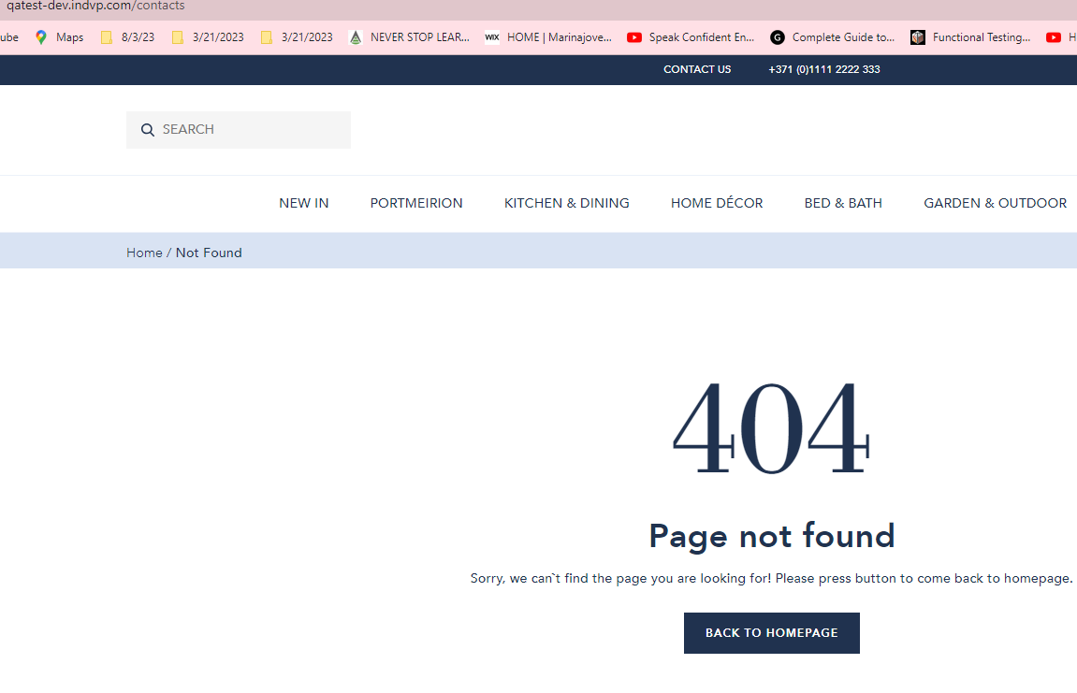
7 | HOME | Content | Product list not found | https://qatest-dev.indvp.com/gifts-45/gifts-under-50 | 1) Go to the GIFTS Menu from the Home page 2) Click the sub-menu "GIFTS UNDER £50" and get "Page not found 404" 3) The message "Error fetching Product List!" is shown. 4) IMPORTANT NOTE! If you click upside and go back to the GIFTS menu, the asked "GIFTS UNDER £50" is showing on the landing page. | "GIFTS UNDER £50" menu is open and shows list of all Products/Items. | The message "Page not found 404" and "Error fetching Product List!" are displayed, see screenshot, If you click upside and go back to GIFTS manu, the asked "GIFTS UNDER £50" is showing on the landing page, see screenshot.
8 | HOME | Visual | Missing Text in Sort List | https://qatest-dev.indvp.com/bed-and-bath-1 | 1) Go to the BED & BATH menu 2) Click on the "Sort By" button and on the second Position missing text: "Descending". | When you click on the drop-down "Sort By" there are two Positions and two Prices for sorting the product list. | Second Position; "Descending" is missing from the "Sort By" drop-down menu, see screenshot. | 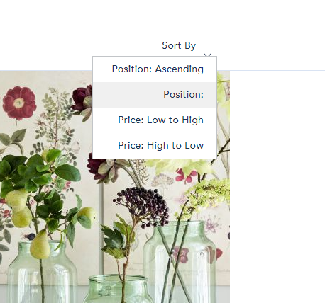
9 | HOME | Content | Incorrectly linking to the font | https://qatest-dev.indvp.com/ | 1) Click to Search button to find some items 2) Atfer "Result for:" is shown the writing word with the incorrect font. | The search drop-down list is open and Result for the asking word is shown correctly. | After "Result for:" is shown added word with incorrect font, see screenshot.
10 | HOME | Visual | Incorrect message window | https://qatest-dev.indvp.com/ | 1) Click on the CREATE UN ACCOUNT link 2) Click on the CREATE UN ACCOUNT button at the bottom of the window 3) Fill all empty fields with personal data, and if you have errors the message "Incorrect data! Please resolve all field validation errors" is shown 4) The error message window is not defined well. | The error message is shown in a red window. | The error message window is not defined well, see screenshot. | 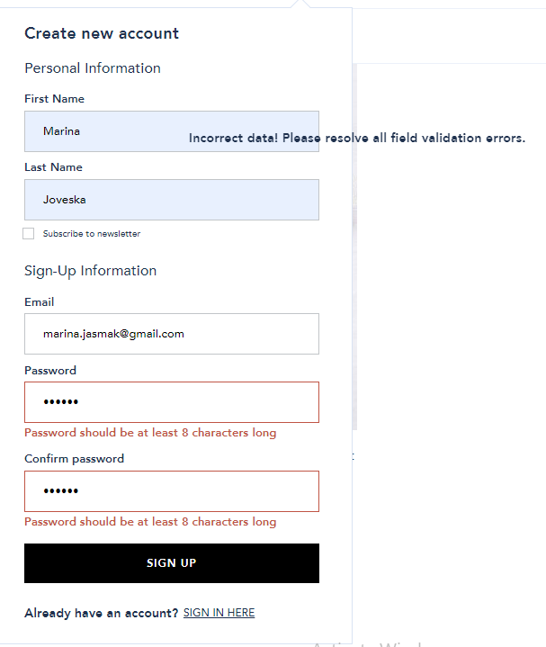
11 | Home | Visual | Missing Picture in Product list | https://qatest-dev.indvp.com/garden-and-outdoor | 1) Open the GARDEN & OUTDOOR menu 2) All list of products is displayed, missing the front picture for some product. | All products in the list menu GARDEN & OUTDOOR are with pictures and other preferences for each product. | In the product list, GARDEN & OUTDOOR is missing a picture for the product: Blue Small Scalloped Planters - Set of Two, see screenshot.
12 | HOME | Performance | Product list Loading slow | https://qatest-dev.indvp.com/kitchen-dining/cutlery | 1) Go to the KITCHEN & DINING menu 2) Open the CUTLERY menu, and wait to see all products 3) Then the message for loading "Products are loading..." is displayed on the landing page. IMPORTANT NOTE! If you go to the home page and hit another menu, or choose a different menu from KITCHEN & DINING and back to CUTLERY, then the CUTLERY list of products maybe be shown quickly. | All products in the list menu CUTLERY are with pictures and other preferences for each product. | The message for loading "Products are loading..." is displayed on the landing page, and wait a long time, see screenshot.
13 | SIGN IN | Performance | Sign in loading slow | https://qatest-dev.indvp.com/ | 1) Go to the Sign In link 2) Enter Login and Password 3) Click the SIGN IN button, then the logging time is slow, you must wait. | When you click on the SIGN IN link, you log in quickly and start shoping. | When click the SIGN IN button, then the logging time is slow, you must wait, see screenshot. | 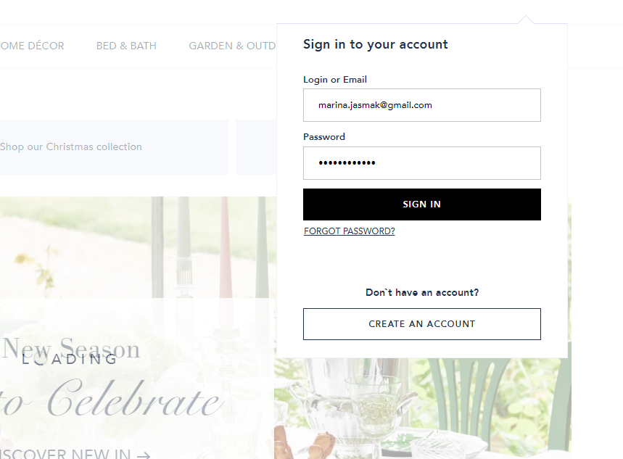
14 | CREATE AN ACCOUNT | Performance | Creating an account is with slow load performances | https://qatest-dev.indvp.com/ | 1) Click on CREATE AN ACCOUNT link 2) Fill the recuirement filds 3) Click on the SIGN UP button, the signing time is slow, and you must wait. 4) In the center of the landing page is shown the LOADING message. | When you click on the SIGN UP link, you log in quickly and start shoping. | When click the CREATE AN ACCOUNT button, then the logging time is slow, you must wait, message LOADING is shown see screenshot. | 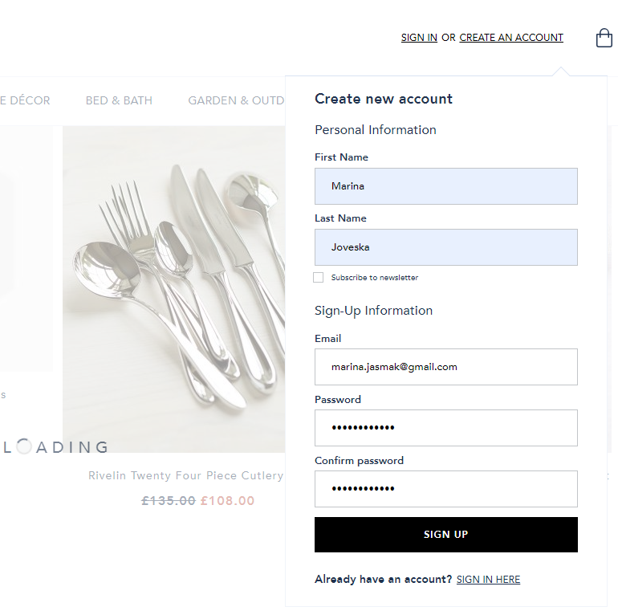
15 | BLOG | Functional | Search button not responding | https://qatest-dev.indvp.com/blog | 1) Go to the ABOUT US section in the footer 2) Click on the BLOG link 3) Click on the search button under the main menu to search for a product, but the botton not responding. | The search button on Sophy Conran's blog section should work fast and respond with searcging items. | The search button not responding with searching items, see screenshot.
16 | HOME | Functional | Link Shop Now doesn't work | https://qatest-dev.indvp.com/ | 1) Go to the Sophie's Gift Guide section on the Home page 2) Click on the link Shop Now but it doesn't work. | The link SHOP NOW goes to the list of products in the section of product guide. | Link SHOP NOW is not responding, see screenshot.
17 | HOME | Functional | Link Join The Family doesn`t work | https://qatest-dev.indvp.com/ | 1) Go to the Sign-Up and Receive section on the Home page 2) Click on the link Join The Family but it doesn't work. | The link JOIN THE FAMILY goes to the list of products in the section of the catalog. | Link JOIN THE FAMILY is not responding, see screenshot.
18 | HOME | Functional | Images of products missing, wrong navigation of image after clicking on it. | https://qatest-dev.indvp.com/mistletoe-porcelain-cake-stand-32cm | 1) Go to the PORTMEIRION manu of the Home page 2) Click on the first product on the list Amor Porcelain Cake Stand - 32cm 3) There are some images not found, they are not displayed, and wrong navigation on the chosen picture. | The chosen image is correctly displayed, and all images of the products are shown on the page. | Some images were not found, wrong navigation on the chosen image, see screenshot. | 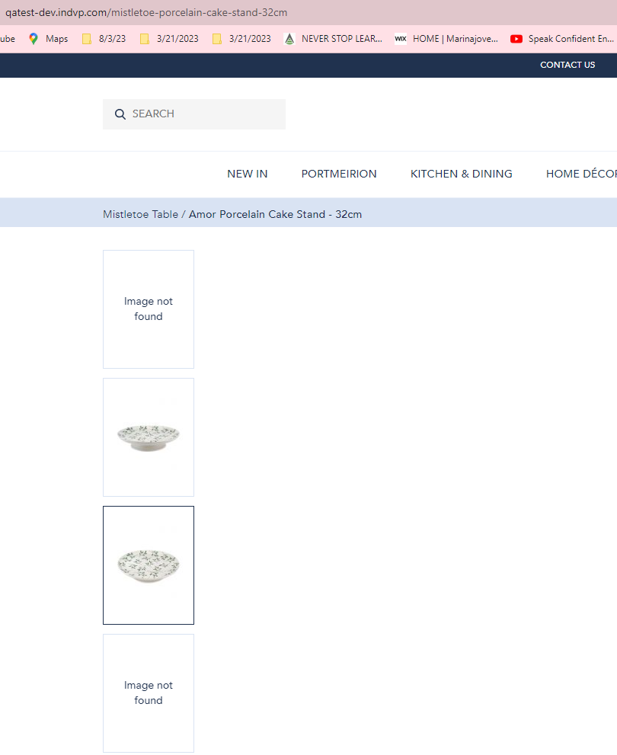
19 | CMS | Functional | Slow loading to Terms and conditions | https://qatest-dev.indvp.com/terms | 1) Choose the Terms & Conditions link from the footer menu 2)The landing page is empty, and slow loading. 3) IMPORTANT NOTE! If you back again to this link, maybe it will load the page. | When you click on the Terms & Conditions link, the General terms and Order conditions are displayed. | The link to Terms & Conditions is empty and slow loading, see screenshot. | 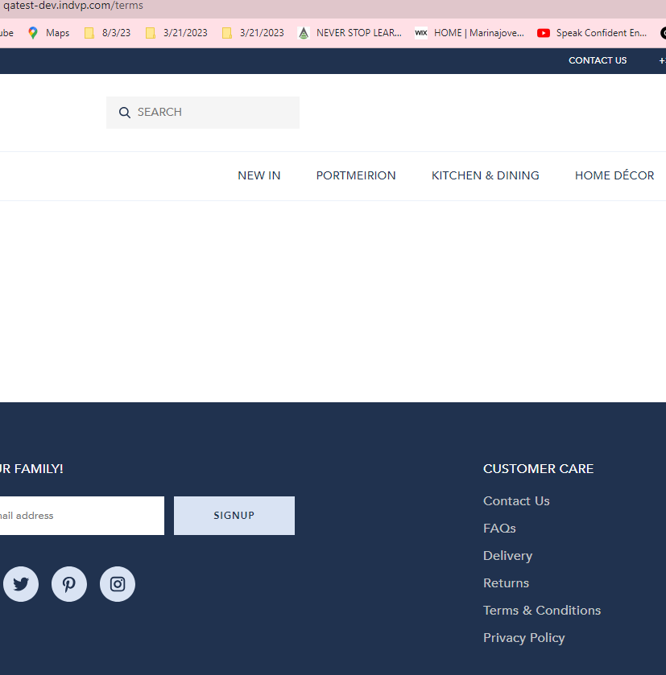
20 | HOME | Functional | Wrong selecting and representing image | https://qatest-dev.indvp.com/mistletoe-porcelain-classic-mugs-assorted-set-of-two | 1) Go to the Mistletoe Table list of products 2) Click on Amor Porcelain Classic Mugs - Assorted Set of Two 3) Select one image to see the product, but another image was shown on the page view, and some images were not found. | All images are corresponding appropriately to the click, in the right order of selecting. | By selecting one image, another is displayed, some images were not found, see screenshot. | 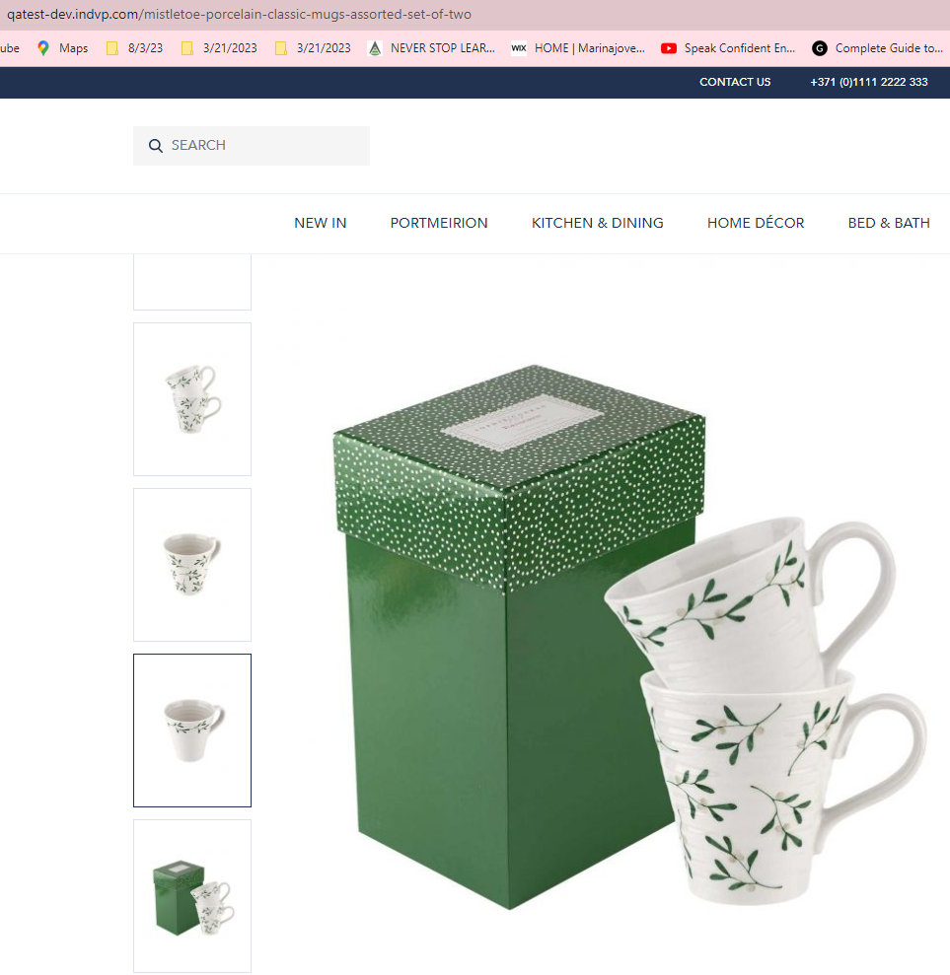
21 | SIGN IN | Functional | The account is disabled temporarily | https://qatest-dev.indvp.com/ | 1) Go to the SIGN IN link 2) Put the correct email and password for confirmation 3) The message is displayed: "The account sign-in was incorrect or your account is disabled temporarily. Please wait and try again letter." | Put the correct data in the email and password fields, and sign-in to your account. | Although the email and password for sign-in are correct the message is displayed: "The account sign-in was incorrect or your account is disabled temporarily. Please wait and try again letter", see screenshot. | 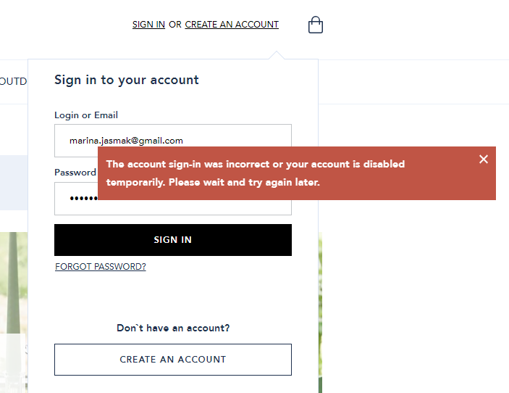
22 | HOME | Functional | Availability: In Stoke | https://qatest-dev.indvp.com/apothecary-glass-vases | 1) Go to the GARDEN & OUTDOOR link 2) Click to PLANTERS & VASES link 3) Choose Apothecary Glass Vases from the product list 4) Choose 1 quantity for both products and click ADD TO BASKET 5) The message: "Product that you are trying to add is not available", although Availability is: In Stoke. | The chosen products must be added to the backet if Availability is: In Stoke. | The message: "Product that you are trying to add is not available", although Availability is: In Stoke. | 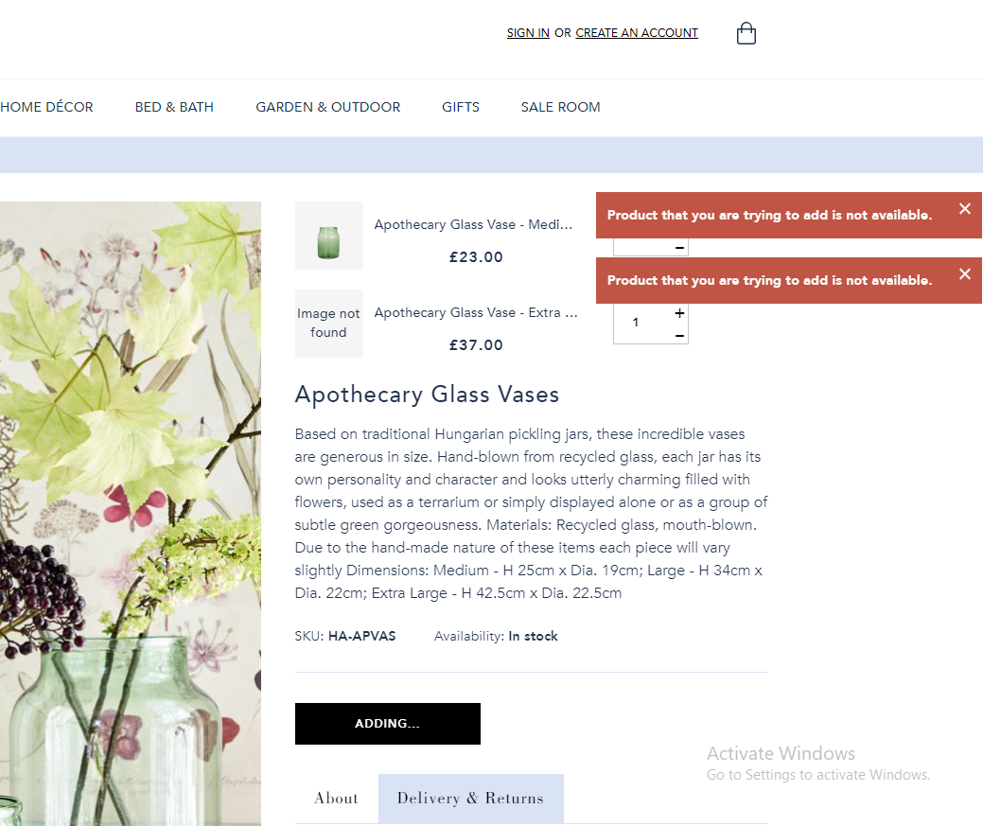
23 | iPhone XS Max | Cross-device | 502 Bad Gateway | http://qatest-dev.indvp.com | 1) Go on your iPhone XS Max and navigate the page http://qatest-dev.indvp.com 2) The page is not secured, got the message "502 Bad Gateway". | Fast load on page | A "502 Bad Gateway" message indicates that one server got an invalid response from another.
24 | iPhone XS Max | Cross-device | Low resolution of logo images | http://qatest-dev.indvp.com/ | 1) Go on your iPhone XS Max and navigate the page http://qatest-dev.indvp.com 2) On the bottom of the page, on the footer there are some images of Online Payment Service Providers with low resolution. | At the bottom of the page, there are images of Online Payment Service Providers with their logo with equal and hight resolution quality. | Some logo images of Online Payment Service Providers are of low-resolution quality, see screenshot.
25 | Honor 20e | Cross-device | Image not found | http://qatest-dev.indvp.com/ | 1) When you scroll to the Home page from top to bottom, there are sections without front images. | Scrolling down to the Home page all elements are highly responsive. | Some images from the Home page are missing, see screenshots.
26 | Firefox | Cross-browser | Page is on the bottom | https://qatest-dev.indvp.com/delivery-terms | 1) Open the Home page with Mozilla Browser 2) Scroll to the bottom and click on the Delivery sub-menu from the Customer Care menu 3) The Delivery terms are shown right at the bottom of the page. 4) IMPORTANT NOTE! If you click on another menu, when you back to Delivery, the menu is listed upside-down correctly. On Chrome Browse this bug is not present. | By clicking on the Delivery menu, all Delivery terms are shown from top to bottom of the page. | The Delivery terms are shown right at the bottom of the page, not at the top, see screenshots.
27 | Firefox | Cross-browser | Small sharpness of the font of the letters | https://qatest-dev.indvp.com/garden-and-outdoor | 1) Click on the GARDEN & OUTDOOR menu 2) Then go next to it to the GIFTS menu 3)There are sharpness differences between the letters of the two menus, but in others too. 4)IMPORTANT NOTE! On Mozilla Browser this bug is not present. | After reviewing all menus, the quality of the font must be the same. | Sharpness differences between the letters of the two menus, but in others too, see screenshot. | 