BUG
QA |  |  |  |  |  |  |  |  |  |  |  | DEV
Build ID 1 | Defect Description | TSID | TCID | Steps | Expected Results | Screenshot | Seviority | Priority | Reported by | Assigned to | Submitted By | Resolution Types | Status | Fixed By | Fixed DATE
1 | A warning message does not display "Please select a country". | TS_001 | TC_001_Don't_enter_prefer_data | 1.Open page URL 2.Click on the Yes, please! Button for more tailor-made offers, payment solutions, and relevant games. 3. Accept the cookies. 4.Click on the Sign-up button. 5.Click on the Agreed and Continue button. | 1. The user can not register on page 2. A warning message should be displayed " Please select a country". | 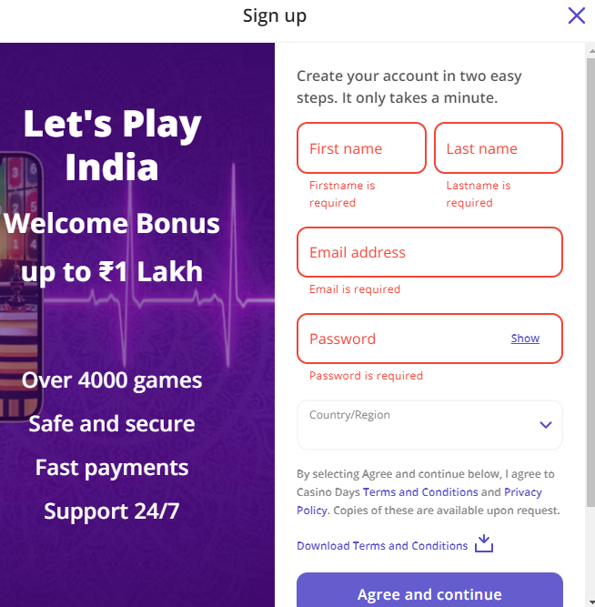 | S4 | P4 | QA Marina Joveska | DEV | QA Marina Joveska
2 | The warning message should not be "Phone number already exists". | TS_001 | TC_004_EnterBirthd_G_Str_S_Zip_C_IncorPhone | 1. Open page URL 2.Enter the First name 3. Enter the Last name 4. Enter email 5.Enter incorect password 6.Select Country/Region. 7.Click on the Agreed and continue button. 8. Enter the Birthdate generals. 9.Choose gender. 10. Enter street address. 11. Enter city and zip code. 12. Choose country code. 13. Enter phone number. | 1.The user can not register on page 2.After all correct registration steps, the message for too long or incorrect phone number should be displayed "Phone number too long, please check" or "Invalid phone number". | 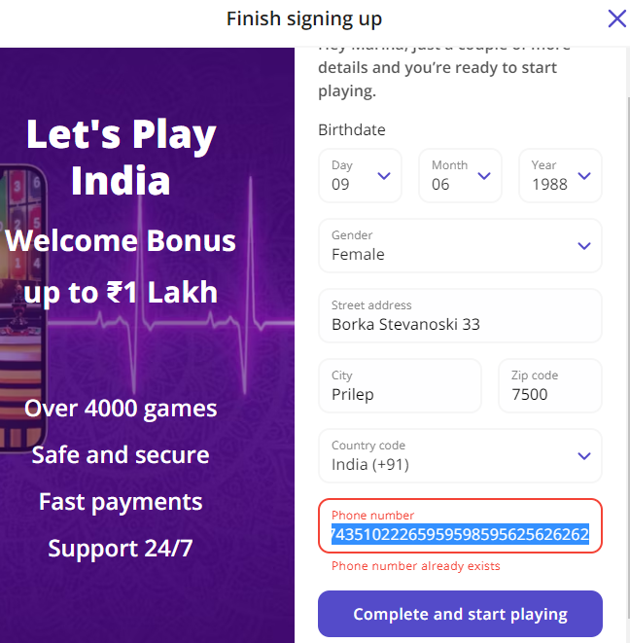 | S4 | P4 | QA Marina Joveska | DEV | QA Marina Joveska
3 | No warning message | TS_000 | TC_001_NoWarning_Promotions | 1. Scroll to the Promotions bar. 2. Click the Join Now button. | 1. The user can not Join the Promotions. 2. There are no warning messages for registration or making a deposit. |  | S4 | P4 | QA Marina Joveska | DEV | QA Marina Joveska
4 | No warning message | TS_000 | TC_001_NoWarning_Phone_Number | 1. Open page URL 2.Enter the First name 3. Enter the Last name 4. Enter email 5.Enter incorect password 6.Select Country/Region. 7.Click on the Agreed and continue button. 8. Enter the Birthdate generals. 9.Choose gender. 10. Enter street address. 11. Enter city and zip code. 12. Choose country code. 13. Enter phone number. | 1.The user can not register on page 2.After all correct registration steps, the message for too short or incorrect phone number should be displayed "Phone number too short, please check" or "Invalid phone number". | 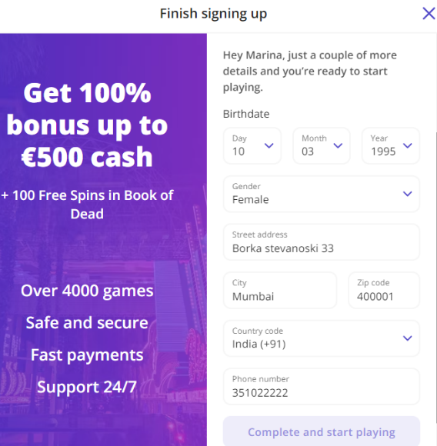 | S4 | P4 | QA Marina Joveska | DEV | QA Marina Joveska
5 | Website crash | TS_000 | TC_001_Web_Crash | 1. Open page URL 2. Open the Main menu. 3. Click on Promotions. 4.Click on Join Now button. | 1.The user can not join to the registration page. 2. A website crash occurs. | 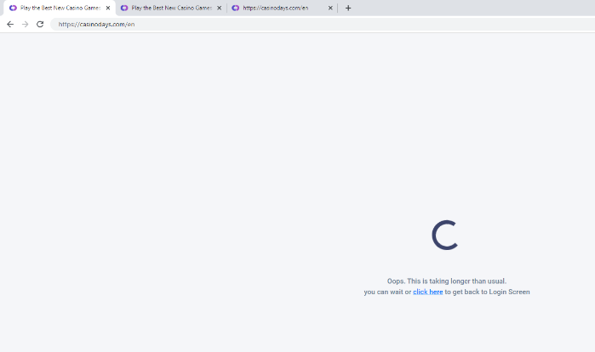 | S1 | P1 | QA Marina Joveska | DEV | QA Marina Joveska

