ER-Diagram
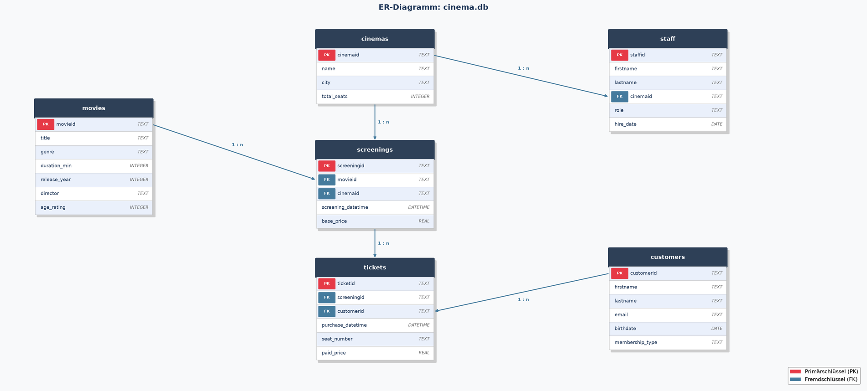
ER (Entity-Relationship) Diagram Cinema DB

