RAW
MMMSXXMASM
MSAMXMSMSA
AMXSXMAAMM
MSAMASMSMX
XMASAMXAMM
--- Day 4: Ceres Search ---
"Looks like the Chief's not here. Next!" One of The Historians pulls out a device and pushes the only button on it. After a brief flash, you recognize the interior of the Ceres monitoring station!
As the search for the Chief continues, a small Elf who lives on the station tugs on your shirt; she'd like to know if you could help her with her word search (your puzzle input). She only has to find one word: XMAS.
This word search allows words to be horizontal, vertical, diagonal, written backwards, or even overlapping other words. It's a little unusual, though, as you don't merely need to find one instance of XMAS - you need to find all of them. Here are a few ways XMAS might appear, where irrelevant characters have been replaced with .:
..X... .SAMX. .A..A. XMAS.S .X.... The actual word search will be full of letters instead. For example:
MMMSXXMASM MSAMXMSMSA AMXSXMAAMM MSAMASMSMX XMASAMXAMM XXAMMXXAMA SMSMSASXSS SAXAMASAAA MAMMMXMMMM MXMXAXMASX In this word search, XMAS occurs a total of 18 times; here's the same word search again, but where letters not involved in any XMAS have been replaced with .:
....XXMAS. .SAMXMS... ...S..A... ..A.A.MS.X XMASAMX.MM X.....XA.A S.S.S.S.SS .A.A.A.A.A ..M.M.M.MM .X.X.XMASX Take a look at the little Elf's word search. How many times does XMAS appear?
XXAMMXXAMA
SMSMSASXSS
SAXAMASAAA
MAMMMXMMMM
MXMXAXMASX

RAW (2)
RAW | Split 1 | Split2 | Split 3 | Split 4 | Split 5 | Split 6 | Split 7 | Split 8 | Split 9 | Split 10 |  |  | Variations |  |  |  |  |  |  |  |  |  |  |  |  |  |  | 1 | XDIAGUP | 4
MMMSXXMASM | M | M | M | S | X | X | M | A | S | M |  |  |  |  |  |  | row1 | FALSE | FALSE | FALSE | FALSE | FALSE | FALSE | FALSE |  |  |  | 2 | XDIAGDOWN | 1
MSAMXMSMSA | M | S | A | M | X | M | S | M | S | A |  |  |  |  |  |  | row2 | FALSE | FALSE | FALSE | FALSE | FALSE | FALSE | FALSE |  |  |  | 3 | SAMDIAGDOWN | 4
AMXSXMAAMM | A | M | X | S | X | M | A | A | M | M |  |  |  |  |  |  | row3 | FALSE | FALSE | FALSE | FALSE | FALSE | FALSE | FALSE |  | FirstRow | 2 | 4 | SAMDIAGUP | 1
MSAMASMSMX | M | S | A | M | A | S | M | S | M | X | 16 |  |  |  |  | X | row4 | FALSE | FALSE | FALSE | FALSE | FALSE | FALSE | TRUE |  | LastRow | 11 | 5 | XMAS | 3
XMASAMXAMM | X | M | A | S | A | M | X | A | M | M |  |  |  |  | M |  | row5 | FALSE | FALSE | FALSE | FALSE | FALSE | FALSE | FALSE |  |  |  | 6 | SMAX | 2 |  |  |  |  | S
XXAMMXXAMA | X | X | A | M | M | X | X | A | M | A |  |  |  | A |  |  | row6 | FALSE | FALSE | FALSE | FALSE | FALSE | FALSE | FALSE |  | iterate 4 times |  | 7 | XMASVERT | 1 |  |  |  | A
SMSMSASXSS | S | M | S | M | S | A | S | X | S | S |  |  | S |  |  |  | row7 | FALSE | FALSE | FALSE | FALSE | FALSE | FALSE | FALSE |  | Count : | 1 | 8 | XMASVERTDOWN | 2 |  |  | M
SAXAMASAAA | S | A | X | A | M | A | S | A | A | A |  |  |  |  |  |  |  |  |  |  |  |  |  |  |  |  |  |  |  |  |  | X
MAMMMXMMMM | M | A | M | M | M | X | M | M | M | M | 16 |  | X |  |  |  |  |  |  |  |  |  |  |  |  |  |  |  |  | 18
MXMXAXMASX | M | X | M | X | A | X | M | A | S | X |  |  |  | M
 |  |  |  |  |  |  |  |  |  |  |  |  |  |  | A |  |  |  |  |  |  |  |  |  |  |  |  |  |  |  | 16 | X
 |  |  |  |  |  |  |  |  |  |  |  |  |  |  |  | S |  |  |  |  |  |  |  |  |  |  |  |  |  |  |  |  | M
 |  |  |  |  |  |  |  |  |  |  |  |  |  |  |  |  |  |  |  |  |  |  |  |  |  |  |  |  |  |  |  |  |  | A
 |  |  |  |  |  |  |  |  |  |  | 16 |  | S |  |  |  |  |  |  |  |  |  |  |  |  |  |  |  |  |  |  |  |  |  | S
 |  |  |  |  |  |  |  |  |  |  |  |  |  | A
 |  |  |  |  |  |  |  |  |  |  |  |  |  |  | M |  |  |  |  |  |  |  |  |  |  |  |  |  |  |  | 16 | S
 |  |  |  |  |  |  |  |  |  |  |  |  |  |  |  | X |  |  |  |  |  |  |  |  |  |  |  |  |  |  |  |  | A
 |  |  |  |  |  |  |  |  |  |  |  |  |  |  |  |  |  |  |  |  |  |  |  |  |  |  |  |  |  |  |  |  |  | M
 |  |  |  |  |  |  |  |  |  |  | 16 |  |  |  |  | X |  |  |  |  |  |  |  |  |  |  |  |  | 0 |  |  |  |  |  | X
 |  |  |  |  |  |  |  |  |  |  |  |  |  |  | M
 |  |  |  |  |  |  |  |  |  |  |  |  |  | A |  |  |  |  |  |  |  |  |  |  |  |  |  |  |  |  | 16 |  |  |  | X
 |  |  |  |  |  |  |  |  |  |  |  |  | S |  |  |  |  |  |  |  |  |  |  |  |  |  |  |  |  |  |  |  |  | M
 |  |  |  |  |  |  |  |  |  |  |  |  |  |  |  |  |  | Left to right |  |  |  |  |  |  |  |  |  |  |  |  |  |  | A
 |  |  |  |  |  |  |  |  |  |  |  |  |  |  |  |  |  |  |  |  |  |  |  |  |  |  |  |  |  |  |  | S
 |  |  |  |  |  |  |  |  |  |  | 4 | XMAS | X | M | A | S | row1 | FALSE | FALSE | FALSE | FALSE | FALSE | TRUE | FALSE
 |  |  |  |  |  |  |  |  |  |  |  |  |  |  |  |  | row2 | FALSE | FALSE | FALSE | FALSE | FALSE | FALSE | FALSE
 |  |  |  |  |  |  |  |  |  |  | 4 | SAMX | S | A | M | X | row3 | FALSE | FALSE | FALSE | FALSE | FALSE | FALSE | FALSE |  |  |  |  |  |  | XMAS | X | M | A | S
 |  |  |  |  |  |  |  |  |  |  |  |  |  |  |  |  | row4 | FALSE | FALSE | FALSE | FALSE | FALSE | FALSE | FALSE |  |  |  |  |  |  | SAMX | S | A | M | X
--- Day 4: Ceres Search ---
As the search for the Chief continues, a small Elf who lives on the station tugs on your shirt; she'd like to know if you could help her with her word search (your puzzle input). She only has to find one word: XMAS.
This word search allows words to be horizontal, vertical, diagonal, written backwards, or even overlapping other words. It's a little unusual, though, as you don't merely need to find one instance of XMAS - you need to find all of them. Here are a few ways XMAS might appear, where irrelevant characters have been replaced with .:
..X... .SAMX. .A..A. XMAS.S .X.... The actual word search will be full of letters instead. For example:
MMMSXXMASM MSAMXMSMSA AMXSXMAAMM MSAMASMSMX XMASAMXAMM XXAMMXXAMA SMSMSASXSS SAXAMASAAA MAMMMXMMMM MXMXAXMASX In this word search, XMAS occurs a total of 18 times; here's the same word search again, but where letters not involved in any XMAS have been replaced with .:
....XXMAS. .SAMXMS... ...S..A... ..A.A.MS.X XMASAMX.MM X.....XA.A S.S.S.S.SS .A.A.A.A.A ..M.M.M.MM .X.X.XMASX Take a look at the little Elf's word search. How many times does XMAS appear?
 |  |  |  |  |  |  |  |  |  |  |  |  |  |  |  |  | row5 | TRUE | FALSE | FALSE | FALSE | FALSE | FALSE | FALSE
 |  |  |  |  |  |  |  |  |  |  |  |  |  |  |  |  | row6 | FALSE | FALSE | FALSE | FALSE | FALSE | FALSE | FALSE
 |  |  |  |  |  |  |  |  |  |  |  |  |  |  |  |  | row7 | FALSE | FALSE | FALSE | FALSE | FALSE | FALSE | FALSE
 |  |  |  |  |  |  |  |  |  |  |  |  |  |  |  |  | row8 | FALSE | FALSE | FALSE | FALSE | FALSE | FALSE | FALSE
 |  |  |  |  |  |  |  |  |  |  |  |  |  |  |  |  | row9 | FALSE | FALSE | FALSE | FALSE | FALSE | FALSE | FALSE
 |  |  |  |  |  |  |  |  |  |  |  |  |  |  |  |  | row10 | FALSE | FALSE | FALSE | FALSE | FALSE | TRUE | FALSE |  | Count : | 3

 |  |  |  |  |  |  |  |  |  |  |  | 4 | X |  |  |  |  | FALSE | FALSE | FALSE | FALSE | FALSE | FALSE | FALSE | FALSE | FALSE | FALSE |  |  |  |  | 4 | X
 |  |  |  |  |  |  |  |  |  |  |  |  | M |  |  |  |  | FALSE | FALSE | FALSE | FALSE | FALSE | FALSE | FALSE | FALSE | FALSE | FALSE |  |  |  |  |  | M
 |  |  |  |  |  |  |  |  |  |  |  |  | A |  |  |  |  | FALSE | FALSE | FALSE | FALSE | FALSE | FALSE | FALSE | FALSE | FALSE | FALSE |  |  |  |  |  | A
 |  |  |  |  |  |  |  |  |  |  |  |  | S |  |  |  |  | FALSE | FALSE | FALSE | FALSE | FALSE | FALSE | FALSE | FALSE | FALSE | TRUE |  |  |  |  |  | S
 |  |  |  |  |  |  |  |  |  |  |  |  |  |  |  |  |  | FALSE | FALSE | FALSE | FALSE | FALSE | FALSE | FALSE | FALSE | FALSE | FALSE
 |  |  |  |  |  |  |  |  |  |  |  | 4 | S |  |  |  |  | FALSE | FALSE | FALSE | FALSE | FALSE | FALSE | FALSE | FALSE | FALSE | FALSE |  |  |  |  | 4 | S
 |  |  |  |  |  |  |  |  |  |  |  |  | A |  |  |  |  | FALSE | FALSE | FALSE | FALSE | FALSE | FALSE | FALSE | FALSE | FALSE | FALSE |  | Count | 1 |  |  | A
 |  |  |  |  |  |  |  |  |  |  |  |  | M |  |  |  |  |  |  |  |  |  |  |  |  |  |  |  |  |  |  |  | M
 |  |  |  |  |  |  |  |  |  |  |  |  | X |  |  |  |  |  |  |  |  |  |  |  |  |  |  |  |  |  |  |  | X

Part2
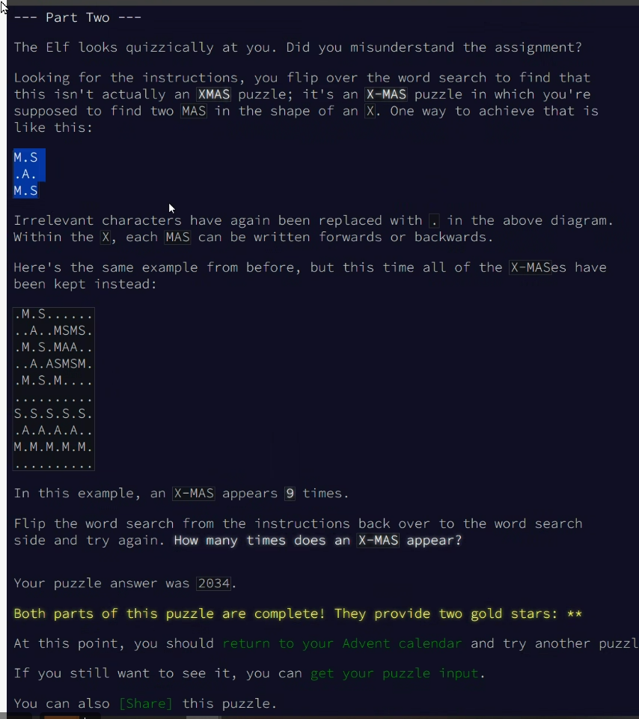
RAW | Split 1 | Split2 | Split 3 | Split 4 | Split 5 | Split 6 | Split 7 | Split 8 | Split 9 | Split 10
MMMSXXMASM | M | M | M | S | X | X | M | A | S | M
MSAMXMSMSA | M | S | A | M | X | M | S | M | S | A
AMXSXMAAMM | A | M | X | S | X | M | A | A | M | M
MSAMASMSMX | M | S | A | M | A | S | M | S | M | X
XMASAMXAMM | X | M | A | S | A | M | X | A | M | M
XXAMMXXAMA | X | X | A | M | M | X | X | A | M | A
SMSMSASXSS | S | M | S | M | S | A | S | X | S | S
SAXAMASAAA | S | A | X | A | M | A | S | A | A | A
MAMMMXMMMM | M | A | M | M | M | X | M | M | M | M
MXMXAXMASX | M | X | M | X | A | X | M | A | S | X

