Slowenien
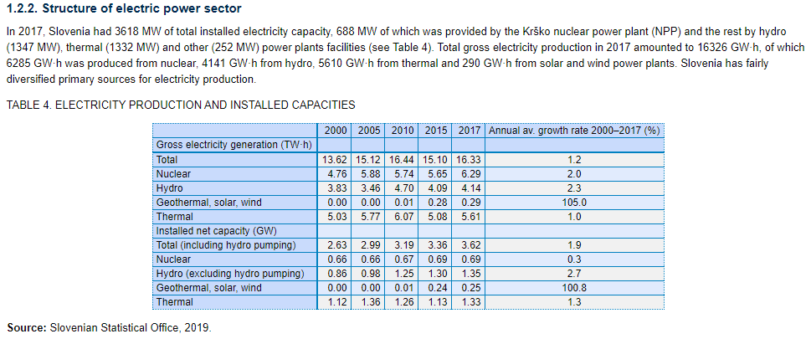
https://www-pub.iaea.org/MTCD/publications/PDF/cnpp2019/countryprofiles/Slovenia/Slovenia.htm
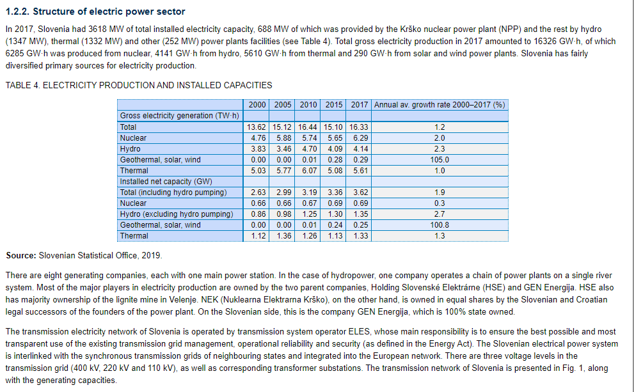

https://ec.europa.eu/energy/sites/ener/files/documents/ec_courtesy_translation_si_necp.pdf

Seite 18
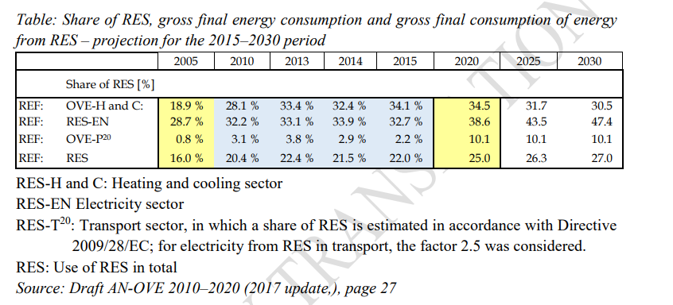

https://www-pub.iaea.org/MTCD/publications/PDF/cnpp2019/countryprofiles/Slovenia/Slovenia.htm

Tschechien
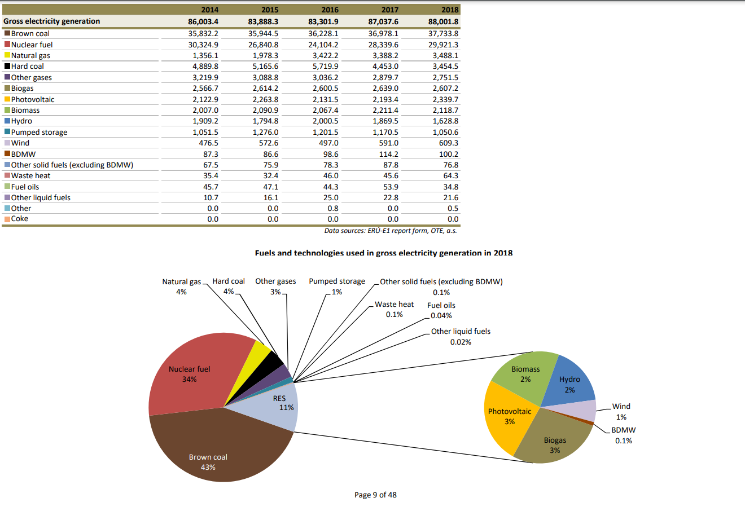
https://frankbold.org/sites/default/files/publikace/sensitivity_analysis_czech_grid_without_coal_by_2030.pdf
Seite 14

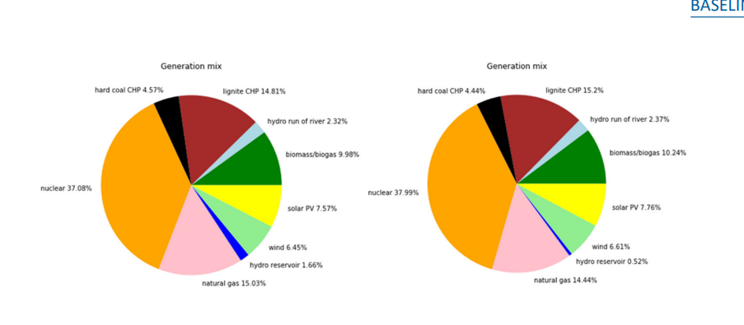

 | http://www.eru.cz/documents/10540/4580207/Yearly_report_electricity_2018.pdf/f25a55d8-6730-4521-8e40-96d8e5f00c70

Schweiz
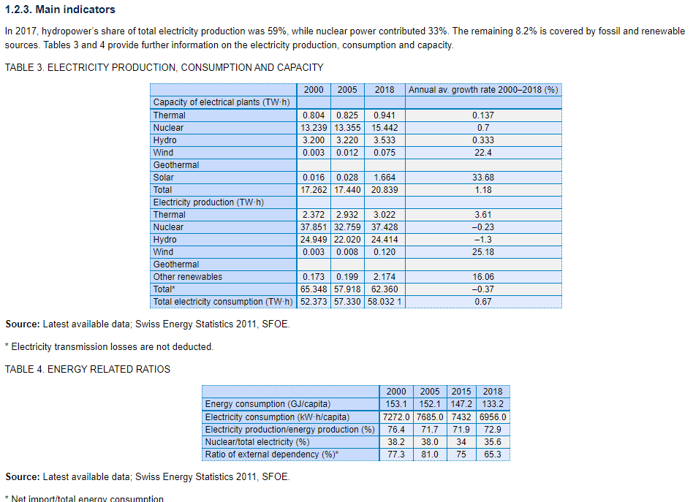
https://ethz.ch/content/dam/ethz/main/eth-zurich/nachhaltigkeit/studien/ETH_Zuerich_Energiezukunft_Schweiz.pdf
Seite 25
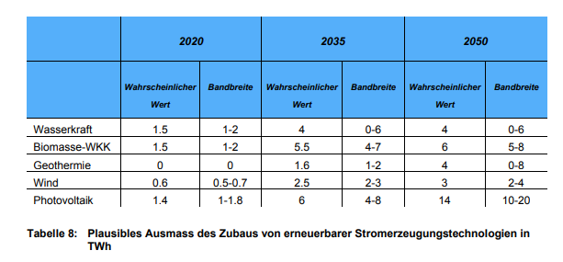

https://www.satw.ch/fileadmin/user_upload/documents/02_Themen/05_Energie/SATW-Roadmap-Energie-DE.pdf
Seite 14

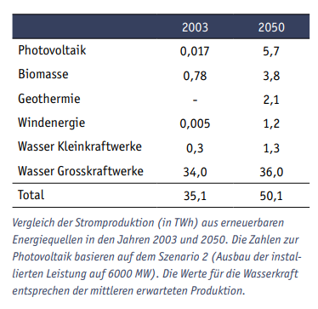

 | https://www.bfe.admin.ch/bfe/en/home/supply/statistics-and-geodata/energy-statistics/electricity-statistics.html
https://www-pub.iaea.org/MTCD/publications/PDF/cnpp2019/countryprofiles/Switzerland/Switzerland.htm | file:///C:/Users/Marius/Downloads/10086-CH2020.pdf

