Description
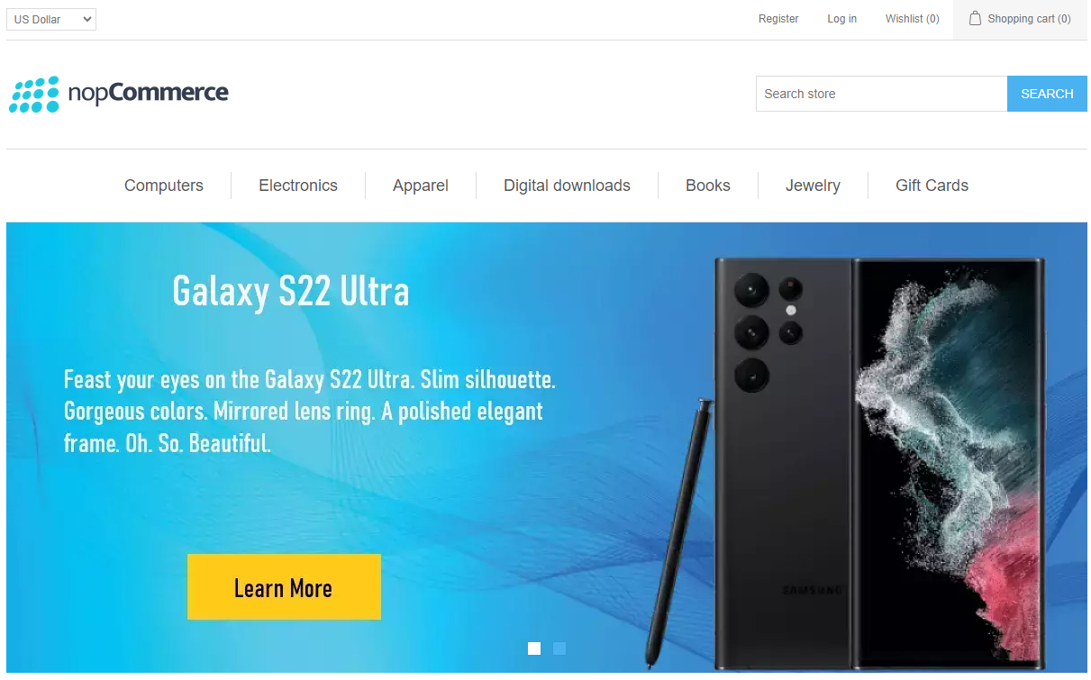
Project Name | Demo nopCommerce (Frontend)
URL | https://demo.nopcommerce.com/
GitHub Link | https://github.com/mariusb87/nopCommerce

Prepared By | Marius Budugan
Date | 12.02.2024

Programming Language | Java
Tools | Maven, Selenium
Testing Framework | TestNG
Design Pattern | Page Object Model

Version No | Version 1.0

