ReadMe
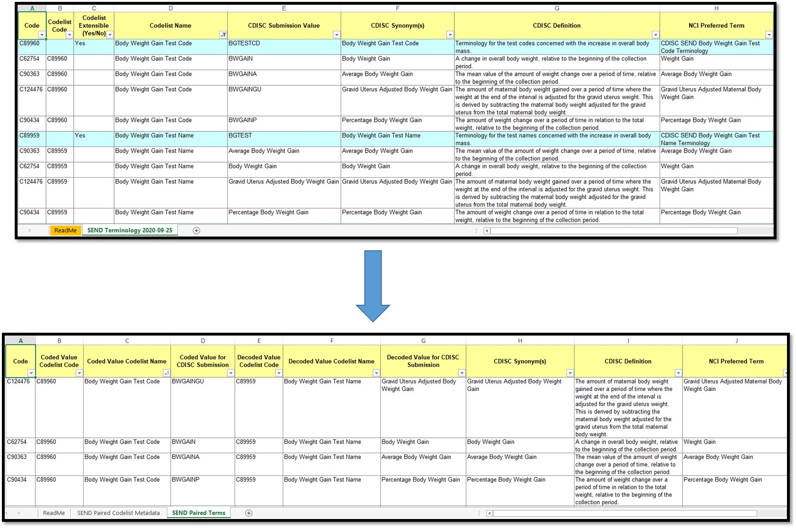
Problem Statement: CDISC model rules dictate that an <=8 character TESTCD/PARMCD and <=40 character TEST/PARM value be available for data submission to regulators. Two distinct codelists are created to support two distinct, paired submission values, however the underlying semantic meaning remains the same. It is not easy to tell which paired submission value goes with which, as the paired submission values exist on different rows of the CDISC Terminology publications, sometimes quite far apart. The CDISC Synonym column is not helpful to ascertain the paired 'decode' value when there are multiple synonyms. Currently, NCI C-codes can be used to pair TEST/TESTCD or PARM/PARMCD submission values but this requires manual manipulation of the spreadsheets. Currently users must manipulate the existing formats produced by NCI-EVS to get to a more integrated view of these paired values. Solution: EVS has produced a prototype view of these paired codelists that show the paired submission values (TEST/TESTCD or PARM/PARMCD) for each terminology subset (SDTM, SEND, and ADaM) on the same row of data. This visual transformation is illustrated in the picture to the right. The structure and columns are different in this view in comparison to the published CDISC Terminology files. Please note that non-paired codelist terms are not present in this view.

The content in this file may be subject to both content and structural changes over time, based on user feedback. We invite you to test the utility of this file and share feedback with the CDISC CT team through CDISC JIRA (https://jira.cdisc.org/projects/PAIREDCT). Any feedback can also be shared through the CDISC new term request page: https://ncitermform.nci.nih.gov/ncitermform/?version=cdisc.

Document Tab Descriptions: 1. The first tab 'ReadMe' (this tab) describes the scope and usage of this experimental terminology product. 2. The second tab 'XXXX Paired Codelist Metadata' contains the codelist metadata associated with the subset of SEND codelists that are paired. The codelist metadata that is presented is in the same format of the existing CDISC Terminology publication files. This tab has been added because the full codelist metadata does not fit in the Paired Codelist Terms tab view. 3. The third tab 'XXXX Paired Codelist Terms' contains the paired submission values for the same concept that is associated with a paired codelist, specifically those codelists associated with --TEST and --TESTCD, and --PARM and --PARMCD variables.

'XXXX Paired Codelist Terms' column descriptions:
Column A - Code: NCI C-code of the concept
Column B - Coded Value Codelist Code: NCI C-code of the paired TESTCD or PARMCD codelist
Column C - Coded Value Codelist Name: Long Name of the paired TESTCD or PARMCD codelist
Column D - Coded Value for CDISC Submission: CDISC Submission Value of the concept in the TESTCD or PARMCD codelist
Column E - Decoded Value Codelist Code: NCI C-code of the paired TEST or PARM codelist
Column F - Decoded Value Codelist Name: Long Name of the paired TEST or PARM codelist
Column G - Decoded Value for CDISC Submission: CDISC Submission Value of the concept in the TEST or PARM codelist
Column H - CDISC Synonym(s): CDISC Synonym of the concept coded in column A
Column I - CDISC Definition: CDISC Definition of the concept coded in column A
Column J - NCI Preferred Term: NCI Preferred term of the concept of the concept coded in column A

