Sheet1
Expense Reimbursement
Employee Name |  | Maita Galang
Manager / Department |  | Software Development
Itemized Expenses
 |  |  |  | [42]
DATE | DESCRIPTION |  | COST
2023-06-16 | Transportation
 | House to Banay-banay Nat'l Hiway |  | ₱13.00
 | Banay-banay Nat'l Hiway to San Pedro |  | ₱35.00
 | San Pedro to Chocovron |  | ₱60.00
 | Chocovron to San Pedro |  | ₱15.00
 | San Pedro to Banay-banay Nat'l Hiway |  | ₱35.00
 | Banay-banay Nat'l Hiway to House |  | ₱13.00


TOTAL |  |  | ₱171.00
Galang, Maita E.
 |  |  | 2023-06-16
EMPLOYEE SIGNATURE |  |  | Date

Checked By: |  |  | Date
 | Tabanquerao, Angela G.
Approved By: |  |  | Date

Received By: (FINANCE) |  |  | Date

Attachments
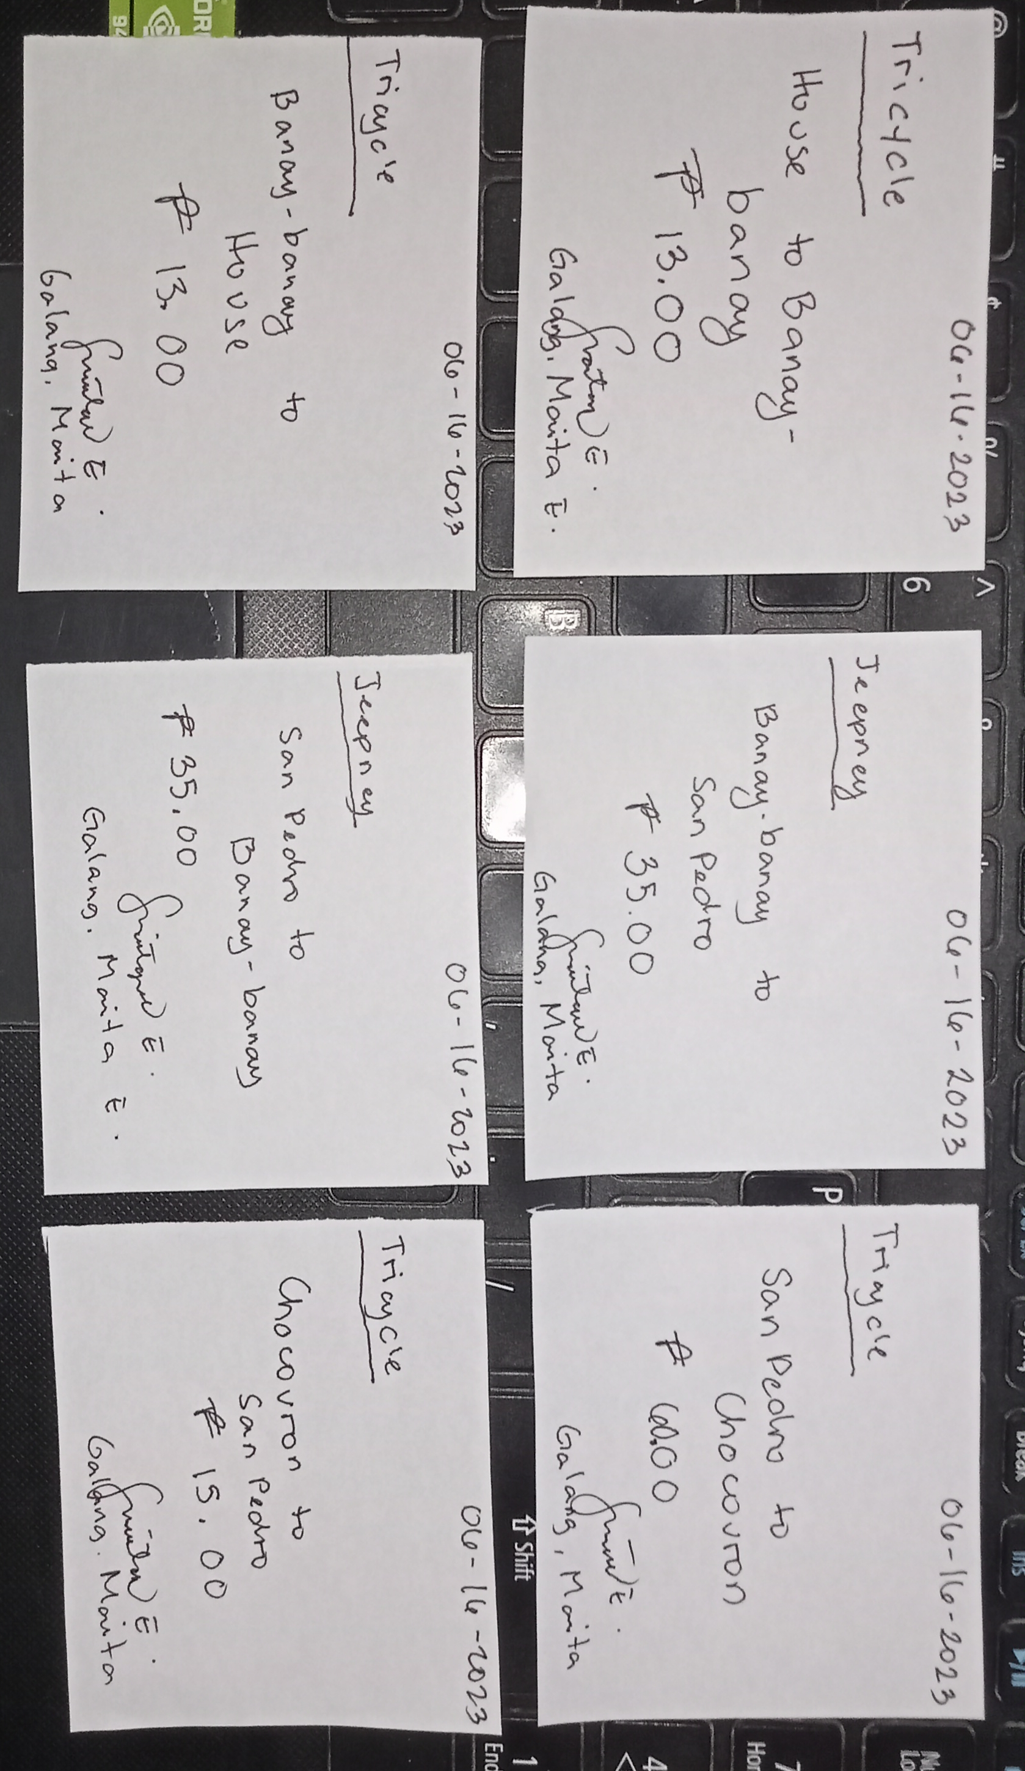
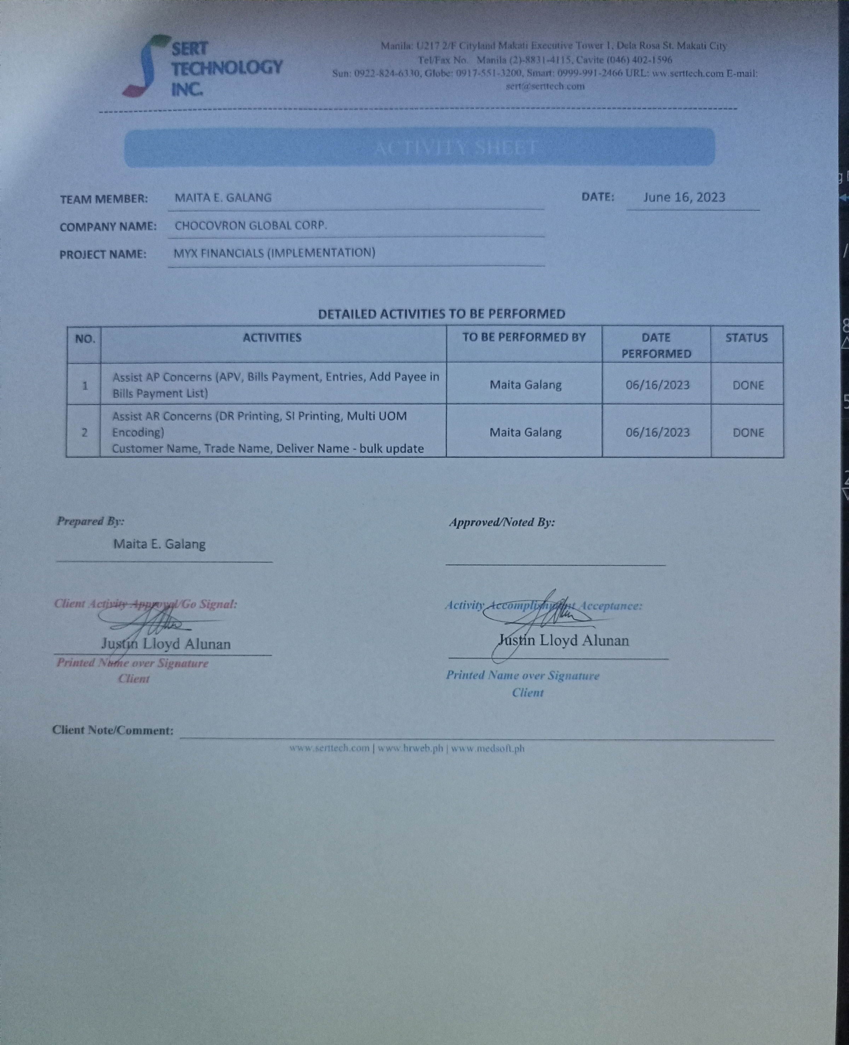
TRANSPORTATION

