Add to Project screen
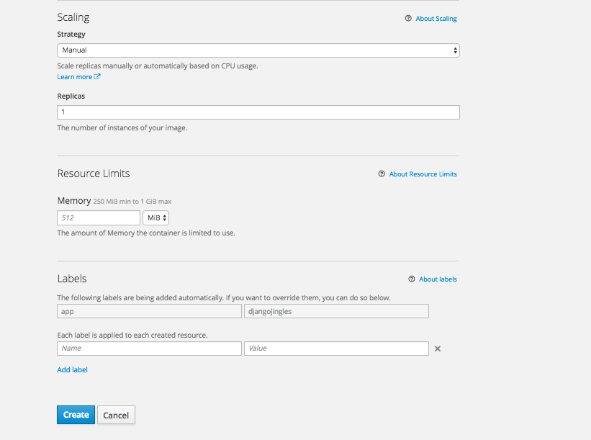
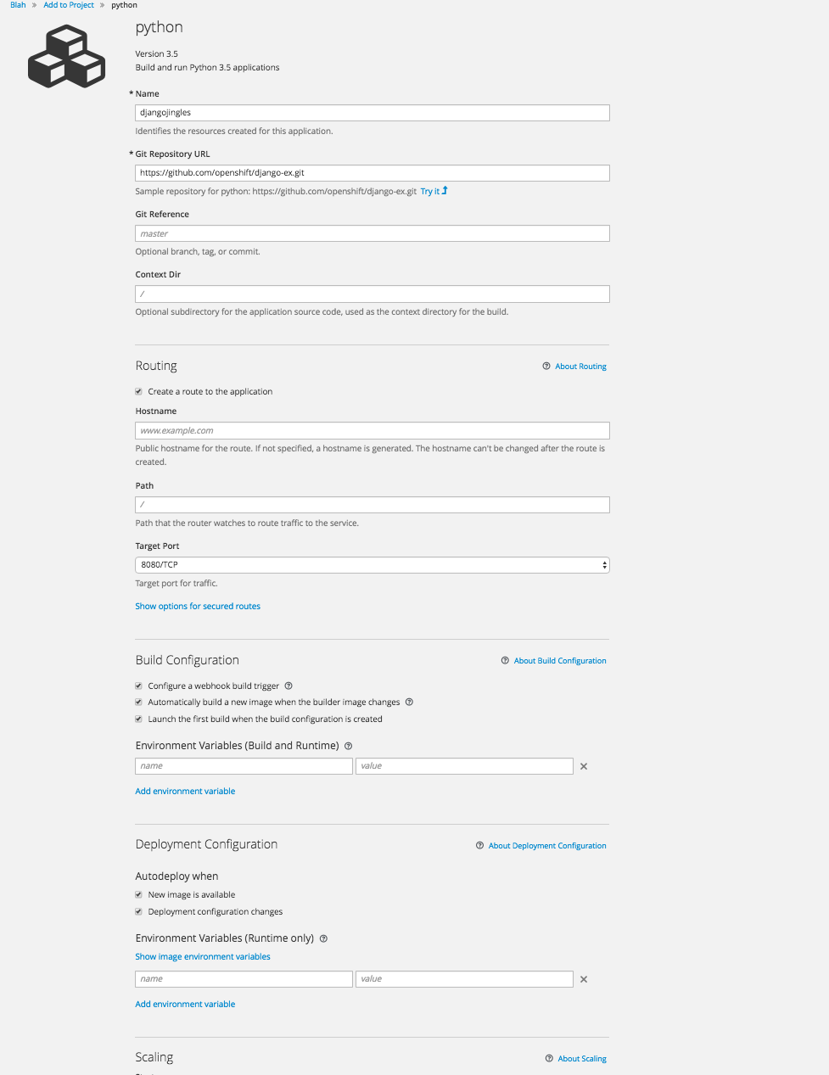
{
"kind": "LimitRangeList",
"apiVersion": "v1",
"metadata": {
"selfLink": "/api/v1/namespaces/blah/limitranges",
"resourceVersion": "507953290"
},
"items": [
{
"metadata": {
"name": "resource-limits",
"namespace": "blah",
"selfLink": "/api/v1/namespaces/blah/limitranges/resource-limits",
"uid": "a6a047a3-bed7-11e6-9b27-0e63b9c1c48f",
"resourceVersion": "507886521",
"creationTimestamp": "2016-12-10T12:53:30Z"
},
"spec": {
"limits": [
{
"type": "Pod",
"max": {
"cpu": "2",
"memory": "1Gi"
},
"min": {
"cpu": "29m",
"memory": "150Mi"
}
},
{
"type": "Container",
"max": {
"cpu": "2",
"memory": "1Gi"
},
"min": {
"cpu": "29m",
"memory": "150Mi"
},
"default": {
"cpu": "1",
"memory": "512Mi"
},
"defaultRequest": {
"cpu": "60m",
"memory": "307Mi"
}
}
]
}
}
]
}

