Sheet1
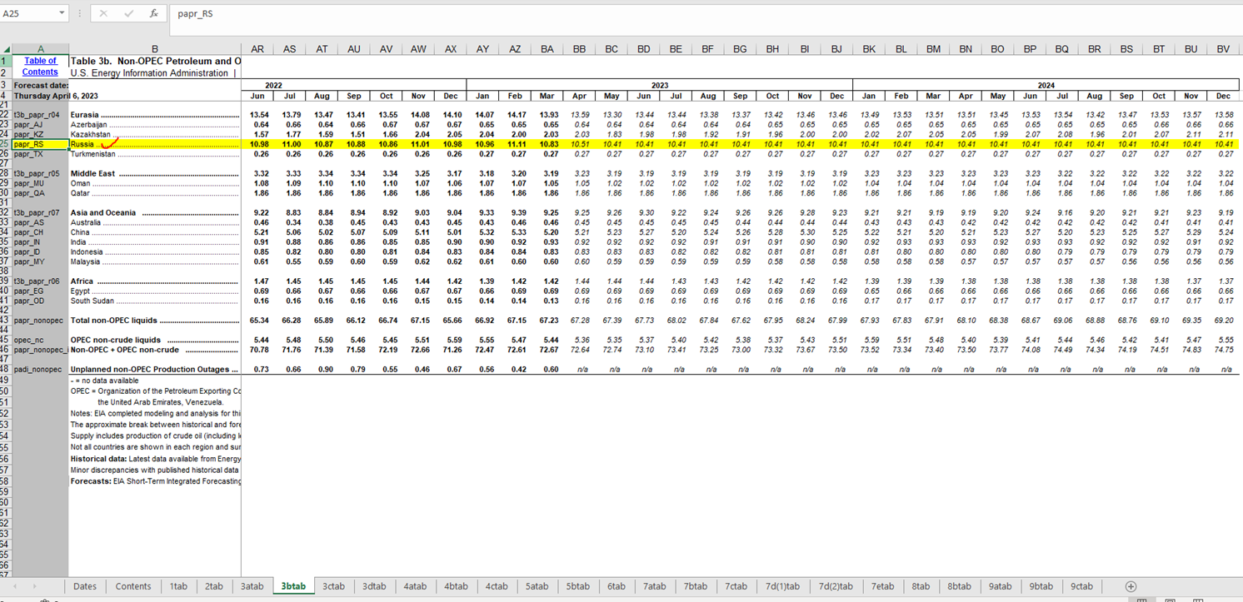
We collect EIA SHORT-TERM ENERGY OUTLOOK. It is a monthly dataset.
To find the new release we need to check a provider's website in Next Release Date (mentioned on the source report page, usually in the first decade of each month).


The release date is listed on website -
https://www.eia.gov/outlooks/steo/data.php?type=tables
Download the All Tables excel data

Navigate to the tab "3btab", and collect all avaible periods from "papr_RS (Russia)" row

