Sheet1
``

1) | Navigate to the quarterly public disclosures of Life Insurance Corporation of India using link
https://www.licindia.in/Bottom-Links/Public-disclosure

2) | Select the latest Year(ex. » 2022 - 2023 ~Now).Reports will be available for 4 quarters(i.e. Jun/Sep/Dec/Mar). Select for most recent quarter with published all list of reports.
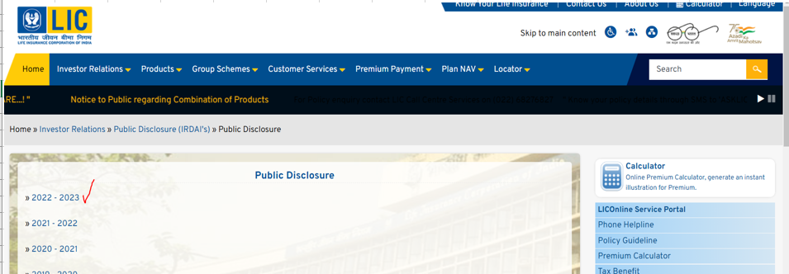

3) | There are several different types of reports and statements available, but we're interested only in below-
 | a. | L-3 Balance Sheet
 | b. | L-13 Investments PHs
 | c. | L-14 Investments(Linked Business)
 | d. | L-1 Rev Acc
4) | Values needs to be taken from period ending reports to field map below
L-3 Balance Sheet:
• | Shareholders |  | Display values in parentheses from reporting as negative
• | Policyholders
• | Asset Held to Cover Linked Liabilities
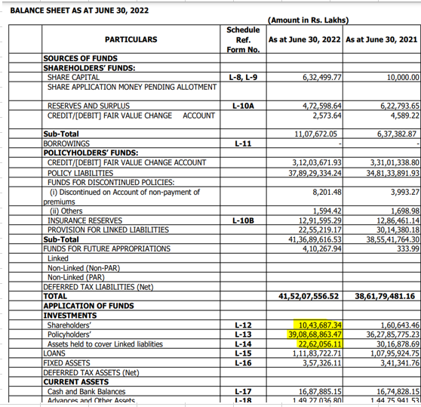

L-13 Investments PHs:
Ø | LONG TERM INVESTMENTS
• | Government securities and Government guaranteed bonds including Treasury Bills
• | Other Approved Securities
• | Equity
• | Preference
• | Mutual Funds
• | Debentures/ Bonds
• | Deposits with Social Security Fund
• | Other Securities & Bonds
• | Initial contribution to UTI II capital
• | Subsidiaries
• | Investment Properties-Real Estate
• | Investments in Infrastructure and Social Sector
• | Other than Approved Investments
• | Provision for Doubtful Investments

Ø | SHORT TERM INVESTMENTS
• | Government securities and Government guaranteed bonds including Treasury Bills
• | Other Approved Securities
• | Equity
• | Preference
• | Mutual Funds
• | Debentures/ Bonds
• | Other Securities
• | Investments in Infrastructure and Social Sector
• | Other than Approved Investments
• | Provision for Doubtful Investments
• | TOTAL

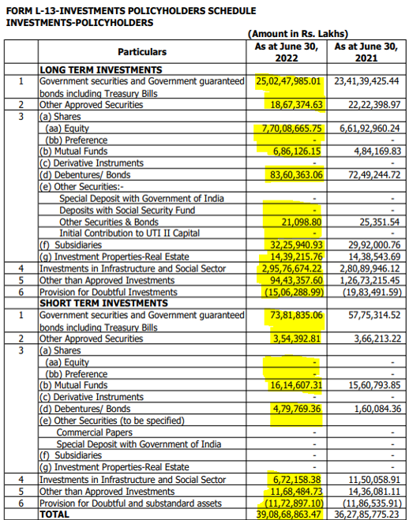

L-14 Investments(Linked Business):
Ø | LONG TERM INVESTMENTS
• | Government securities and Government guaranteed bonds including Treasury Bills
• | Other Approved Securities
• | Equity
• | Preference
• | Mutual Funds
• | Debentures/ Bonds
• | Other Securities
• | Investments in Infrastructure and Social Sector
• | Other than Approved Investments

Ø | SHORT TERM INVESTMENTS
• | Government securities and Government guaranteed bonds including Treasury Bills
• | Other Approved Securities
• | Mutual Funds
• | Debentures/ Bonds
• | Other Securities
• | Investments in Infrastructure and Social Sector
• | Other than Approved Investments
• | Other Current Assets (Net)
• | TOTAL
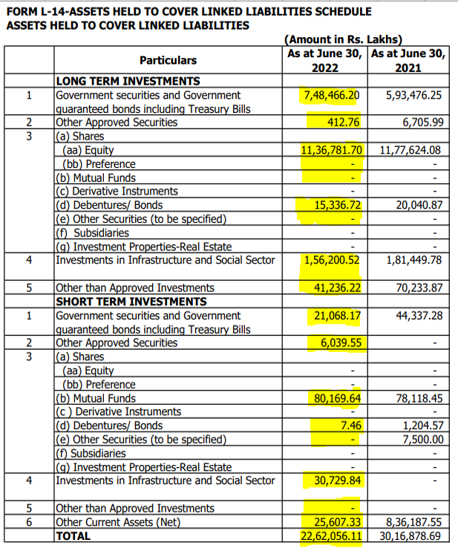

L-1 Revenue Account (report file with the latest date):
Value from the lates row (Grand Total)
• | Premiums earned – net
a) | Premium
b) | Reinsurance ceded
c) | Reinsurance accepted
Note: "Premiums earned – net" value is not available in the report, it is the sum of a, b & c above.
• | Interest, Dividends & Rent – Gross
• | Investment Gain/Loss On Sale/Redemption
a) | Profit on sale/redemption of investments
b) | (Loss on sale/ redemption of investments)
Note: "Investment Gain/Loss On Sale/Redemption" value is not available in the report, it is the sum of a & b above.
• | Transfer/Gain on revaluation/change in fair value*
• | Other Income
• | TOTAL (A)
• | TOTAL (B) |  |  | 16301.19
• | Benefits Paid (Net) |  |  | 105112.82
• | Bonuses Paid |  |  | 1137.54
• | Net Income |  |  | 122551.55
Note: "Net Income" value is not available in the report, it is the sum of TOTAL (A), TOTAL (B), Benefits Paid and Bonuses paid above.
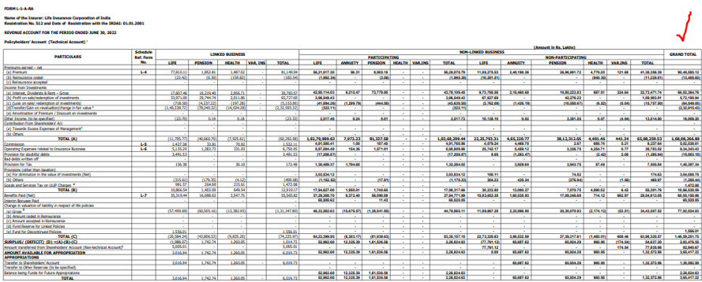

 |  |  |  |  | Calculation (subtract if the value is in parentheses) | Measure | ex.
 |  |  |  |  | (a) Premium + (b) Reinsurance ceded + (c) Reinsurance accepted | Premiums earned – net | 9835176.47
 |  |  |  |  | (b) Profit on sale/redemption of investments + (c) (Loss on sale/ redemption of investments) (subtract if the value is in parentheses) | Investment Gain/Loss On Sale/Redemption | 507631.89
 |  |  |  |  | TOTAL (A) + TOTAL (B) + Benefits Paid (Net) + Bonuses Paid | Net Income | 25540476.4

Data is updated quarterly. Check the availability of data one and a half months after the end of the quarter, for example 15-02-YYYY, 15-05-YYYY, 15-08-YYYY and 15-11-YYYY
(if the date falls on a weekend - the next business day). If the data is not available at the time of the check, check again in a next week.

Display values in parentheses from reporting as negative

Use the field LAST_RELEASE_DATE in the meta file only for the initial injest.
FIELD LAST_RELEASE_DATE MUST BE DELETED FROM NEXT RELEASE UPDATE (Right after the initial injest).

