Instructions
We are collecting data from the UK Purple Book Report

1) Navigate to the source URL and open up the annual report
https://www.ppf.co.uk/purple-book


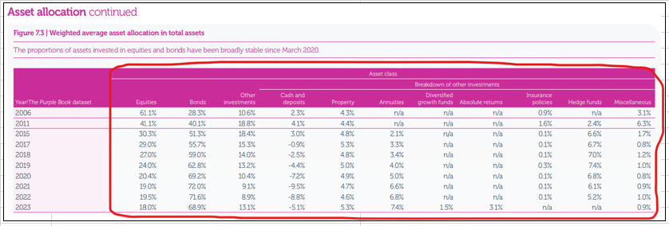
 | 2) We want to scrape few tables from this report.
 | Navigate to "Weighted average asset allocation in total assets", table 7.2 (actual allocatoin)

 |  | Column name | Measure code | Values for 2023
 |  | Equities | GBRPRIVATEPENSIONFUNDS.LISTEDANDPRIVATEEQUITIES.ACTUALALLOCATION.NONE.A.1@PURPLEBOOK | 18
 |  | Bonds | GBRPRIVATEPENSIONFUNDS.BONDS.ACTUALALLOCATION.NONE.A.1@PURPLEBOOK | 68.9
 |  | Other Investments | GBRPRIVATEPENSIONFUNDS.ALTERNATIVES.ACTUALALLOCATION.NONE.A.1@PURPLEBOOK | 13.1
 |  | Property | GBRPRIVATEPENSIONFUNDS.REALESTATE.ACTUALALLOCATION.NONE.A.1@PURPLEBOOK | 5.3
 |  | Cash and Deposits | GBRPRIVATEPENSIONFUNDS.CASH.ACTUALALLOCATION.NONE.A.1@PURPLEBOOK | -5.1
 |  | Insurance policies | GBRPRIVATEPENSIONFUNDS.INSURANCE.ACTUALALLOCATION.NONE.A.1@PURPLEBOOK | NA
 |  | Hedge Funds | GBRPRIVATEPENSIONFUNDS.HEDGEFUNDS.ACTUALALLOCATION.NONE.A.1@PURPLEBOOK | NA
 |  | Annuities | GBRPRIVATEPENSIONFUNDS.ANNUITIES.ACTUALALLOCATION.NONE.A.1@PURPLEBOOK | 7.4
 |  | Diversified growth funds | GBRPRIVATEPENSIONFUNDS.DEVIGROWFUND.ACTUALALLOCATION.NONE.A.1@PURPLEBOOK | 1.5
 |  | Weighted average asset allocation in total assets, Absolute returns | GBRPRIVATEPENSIONFUNDS.ABSRETURN.ACTUALALLOCATION.NONE.A.1@PURPLEBOOK | 3.1
 |  | Miscellaneous | GBRPRIVATEPENSIONFUNDS.OTHER.ACTUALALLOCATION.NONE.A.1@PURPLEBOOK | 0.9

 | Collect all data points available in the latest report (for example, from 2006 till 2022)

 | 3) We'd like to capture talkes 7.4 and 7.5, specifically the 'weighted average' sections.
 | 3.1. Find Figure 7.4 "Bond splits" and collect all data points available in the latest report (for example, from 2008 till 2022) in the 'weighted average' section

 |  |  | Column names | Measure code | Values for 2023
 |  |  | Bonds splits, Bonds, Weighted average, Government fixed interest | GBRPRIVATEPENSIONFUNDS.BONDS.WEIGHTEDAVG.GOVERNMENTFIXEDINTEREST.A@PURPLEBOOK | 19.5
 |  |  | Bonds splits, Bonds, Weighted average, Corporate fixed interest | GBRPRIVATEPENSIONFUNDS.BONDS.WEIGHTEDAVG.CORPORATEFIXEDINTEREST.A@PURPLEBOOK | 36.5
 |  |  | Bonds splits, Bonds, Weighted average, Index-linked | GBRPRIVATEPENSIONFUNDS.BONDS.WEIGHTEDAVG.INDEXLINKED.A@PURPLEBOOK | 44.1

 |  | 3.2. Find Figure 7.5 "Equity splits" and collect all data points available in the latest report (for example, from 2008 till 2022) in the 'weighted average' section

 |  | Column names | Measure codes | Values for 2023
 |  | Equity splits, Equities, Weighted average, UK quoted | GBRPRIVATEPENSIONFUNDS.EQUITIES.WEIGHTEDAVG.UKQUOTED.A@PURPLEBOOK | 7.6
 |  | Equity splits, Equities, Weighted average, Overseas quoted | GBRPRIVATEPENSIONFUNDS.EQUITIES.WEIGHTEDAVG.OVERSEASQUOTED.A@PURPLEBOOK | 1.4
 |  | Equity splits, Equities, Weighted average, Developed markets | GBRPRIVATEPENSIONFUNDS.EQUITIES.WEIGHTEDAVG.DEVELOPEDMARKETS.A@PURPLEBOOK | 53.6
 |  | Equity splits, Equities, Weighted average, Emerging markets | GBRPRIVATEPENSIONFUNDS.EQUITIES.WEIGHTEDAVG.EMERGINGMARKETS.A@PURPLEBOOK | 7.8
 |  | Equity splits, Equities, Weighted average, Unquoted/Private | GBRPRIVATEPENSIONFUNDS.EQUITIES.WEIGHTEDAVG.UNQUOTEDPRIVATE.A@PURPLEBOOK | 29.5

 | Save all "n/a" values from the source as "NA".

 | Start checking for this data weekly at the beginning of November. From December start checking daily.

 | Do not contact the source. Escalate to Data Ops team with any issues in runbook execution that can't be completed with standard plays

