Main
1. Go to the link:
https://home.treasury.gov/policy-issues/financing-the-government/quarterly-refunding/quarterly-refunding-archives/quarterly-refunding-financing-estimates-by-calendar-year

2. Click on the link for the required period:
Reports are available by active link (blue color font)

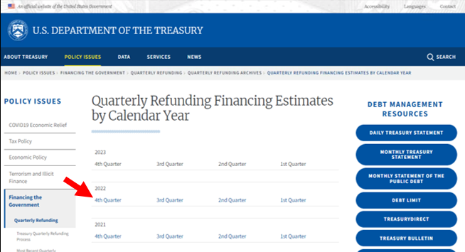

3. In the page that opens, click on the link "Sources and Uses Table":

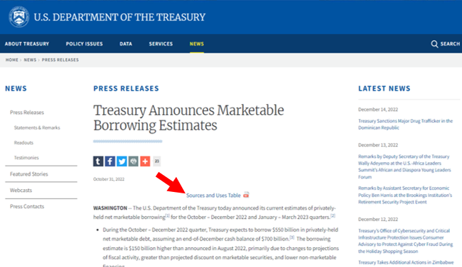

4. In the report, save the data for the current and upcoming quarter from the rightmost column "SOMA Redemptions".
Data for the most recent release is required. For example, the projections for Q4-2022/Q1-2023 as-of the most recent release (which was on 10/31/2022) were -139 and -221, respectively.

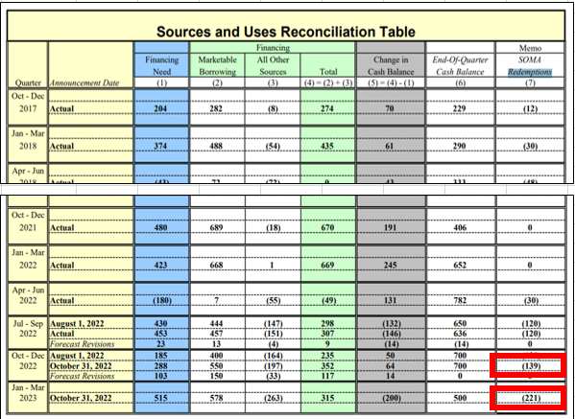

Each release must be saved in a separate DATA / META file as the data appears in the source.
For the name of DATA and META files, you can use the date from LAST_RELEASE_DATA

5. In the report, save the data for the current and upcoming quarter from the columns "Marketable borrowing", "Change in cash balance" and "End-Of-Quarter Cash Balance".

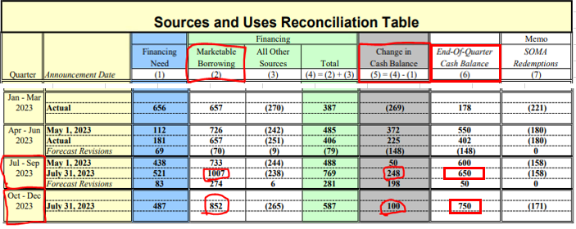

See details on example tab

NEXT_RELEASE_DATE:
Check for new data daily starting on the 15th of the month following the end of the quarter. For example, data for Q1 2023 should be expected starting on January 15, 2023.

LAST_RELEASE_DATE:
You can find the release date after clicking on the link of a certain period:

LAST_RELEASE_DATE in the META file is indicated only during the first data upload to the platform.
After the first data inject - the column must be deleted and the META file should be used without it.

Example
