Sheet1
We are collecting Non-financial Assets data from the Taiwan Statistical Offices

Involves the collection of annual data from the Taiwan Statistical Offices

1) Click on the below link to open National Statistics Repuplic of China (Taiwan) Statistical Tables
https://eng.stat.gov.tw/np.asp?ctNode=1553

2) | Click on the option "Statistics Tables".
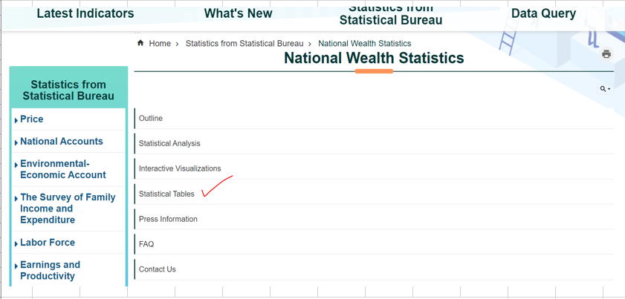

3) | Then on the next page, download Excel file labeled "Table 6 Assets Structure for Households Sector"
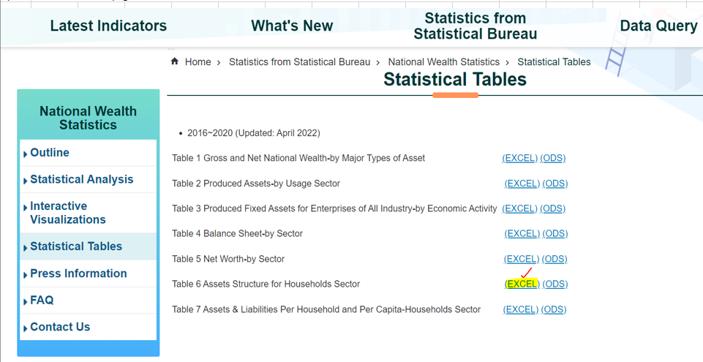

4) | Go to the most recent year tab and capture the amount from Col "Assets(Land evaluated at current land values)" for below "Net Non-financial Assets"
 | Ø | Net Non-financial Assets
 | • | Real Estate
 | • | Household Equipment

Use the field LAST_RELEASE_DATE in the meta file only for the initial injest.
FIELD LAST_RELEASE_DATE MUST BE DELETED FROM NEXT RELEASE UPDATE (Right after the initial injest).

The report is updated annually. The release date usually falls on April of the year following the reporting year.
Check for data in early April, if data is not available, continue to check weekly.

