Models
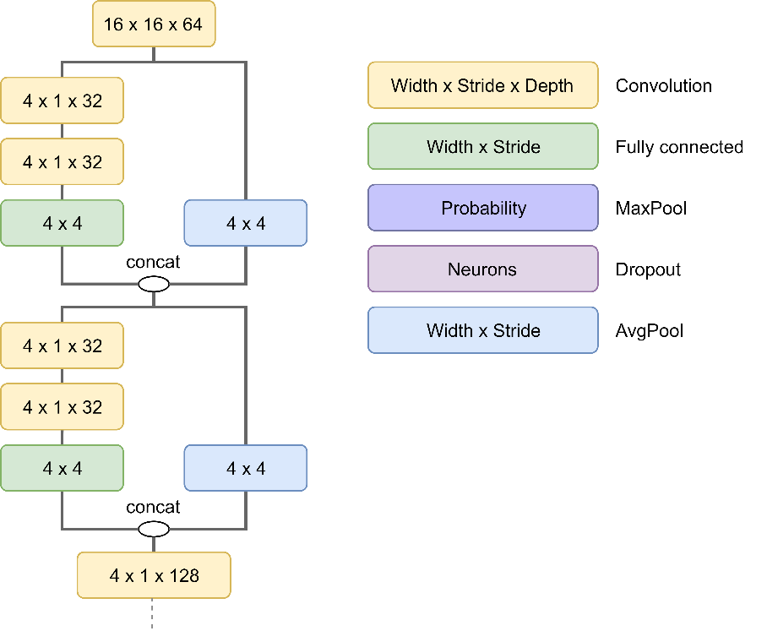
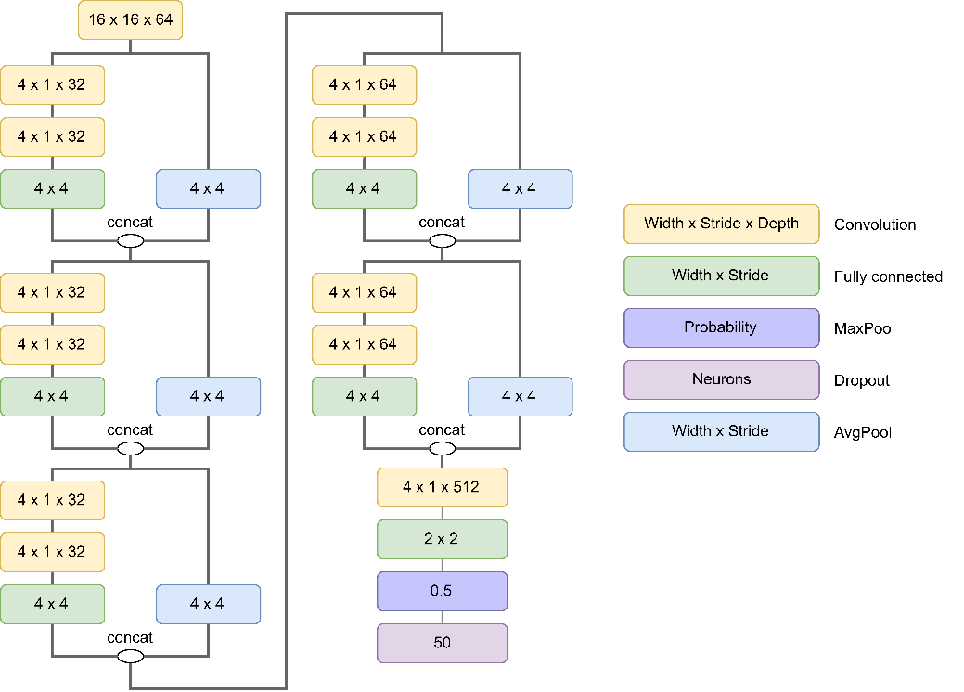
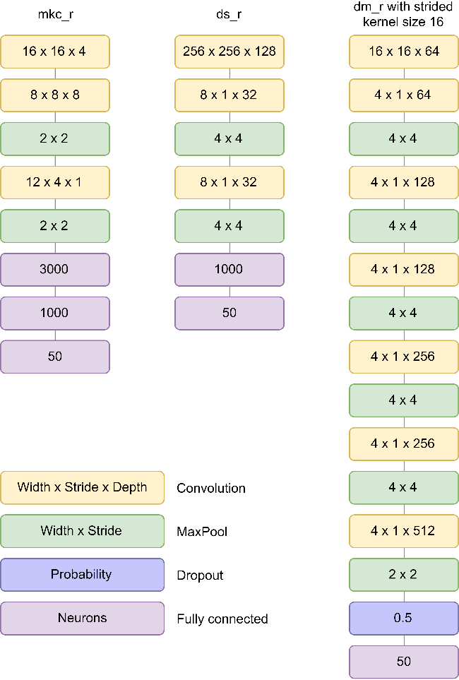

MKC_F and DS_F are modifications of MKC_R with conv2d and DS_R without first layer and conv2d respectively
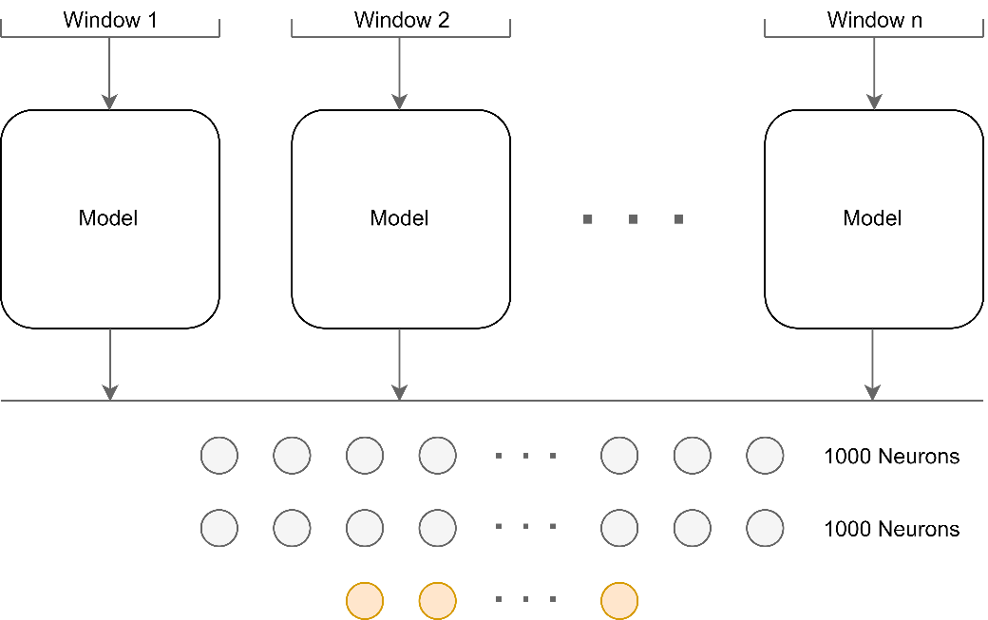
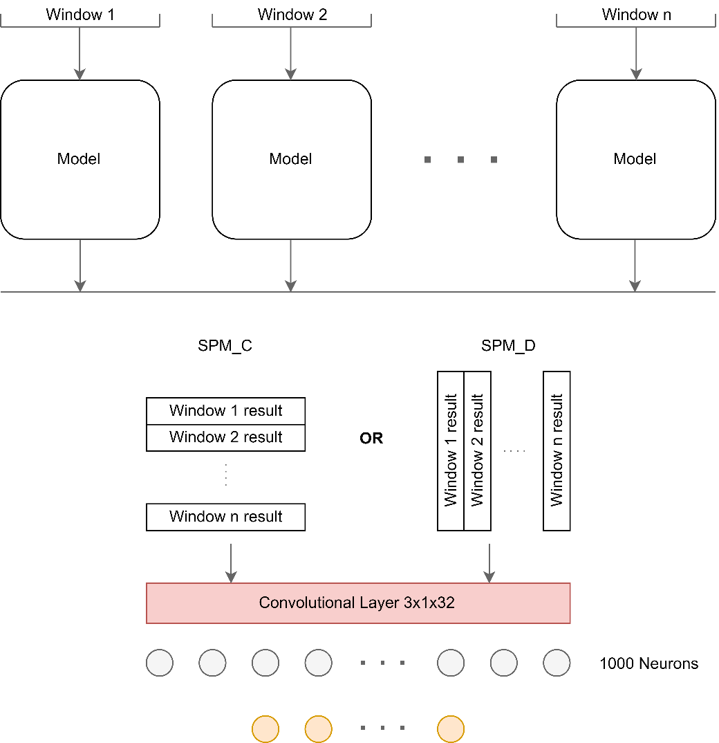

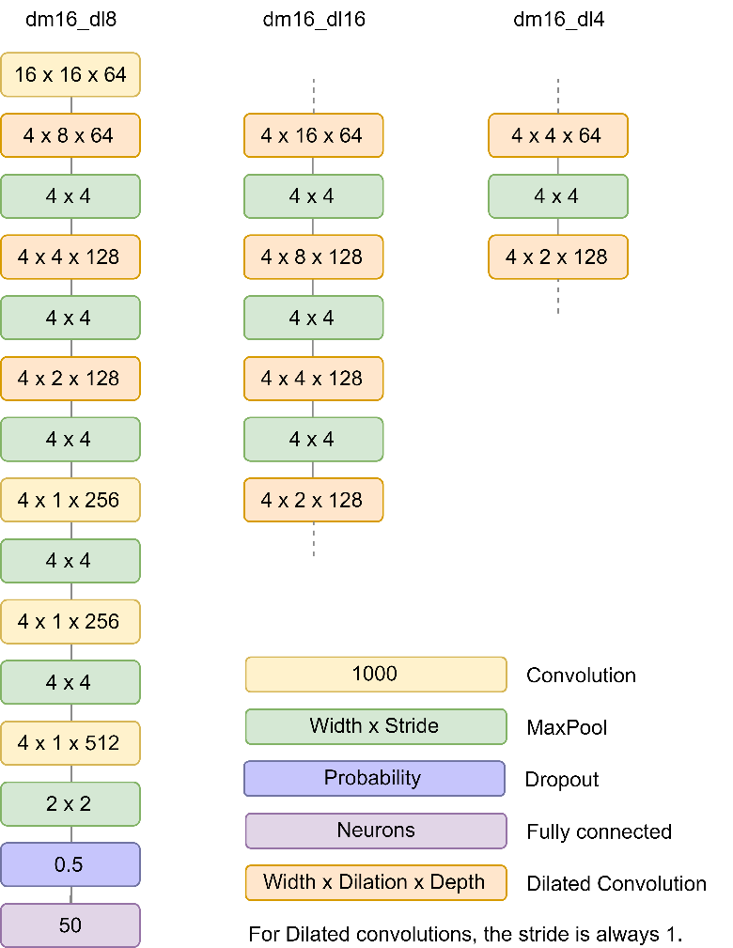

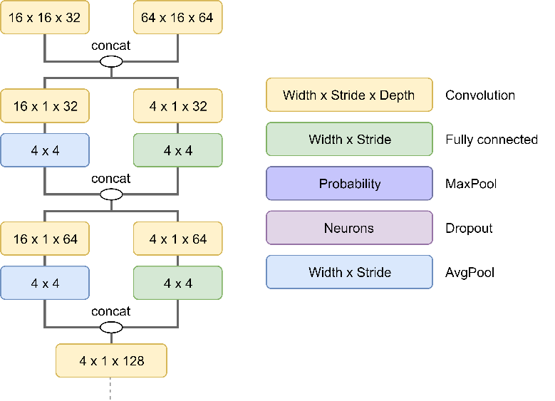
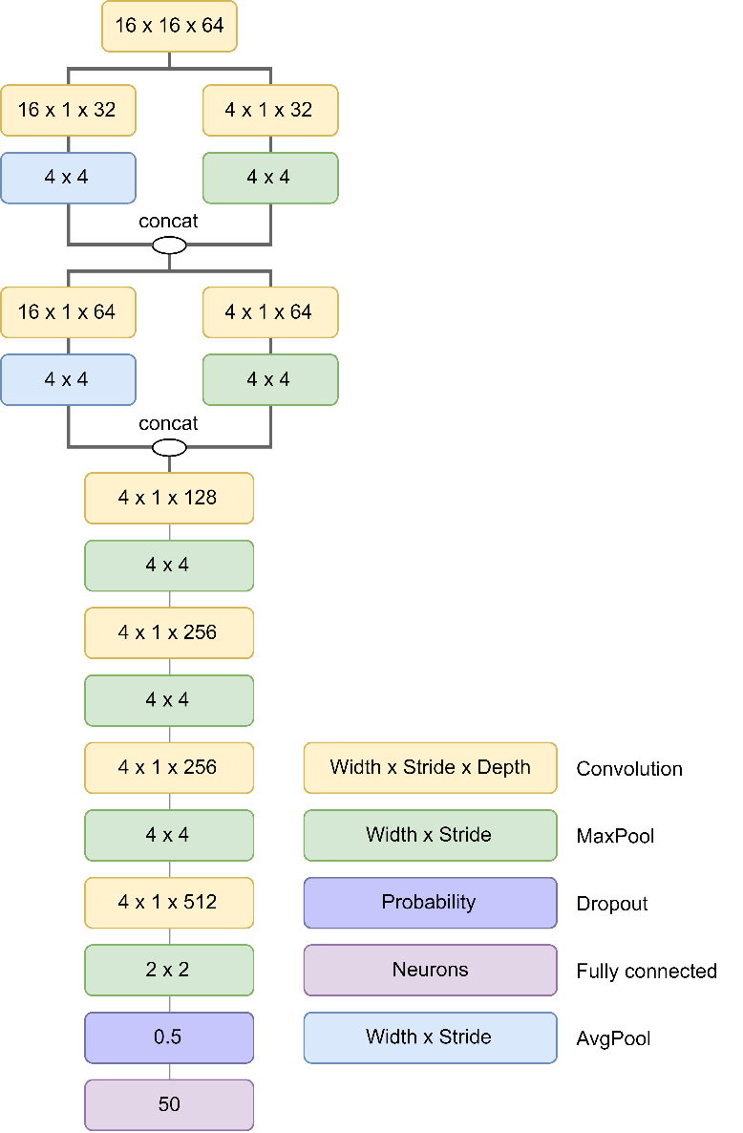
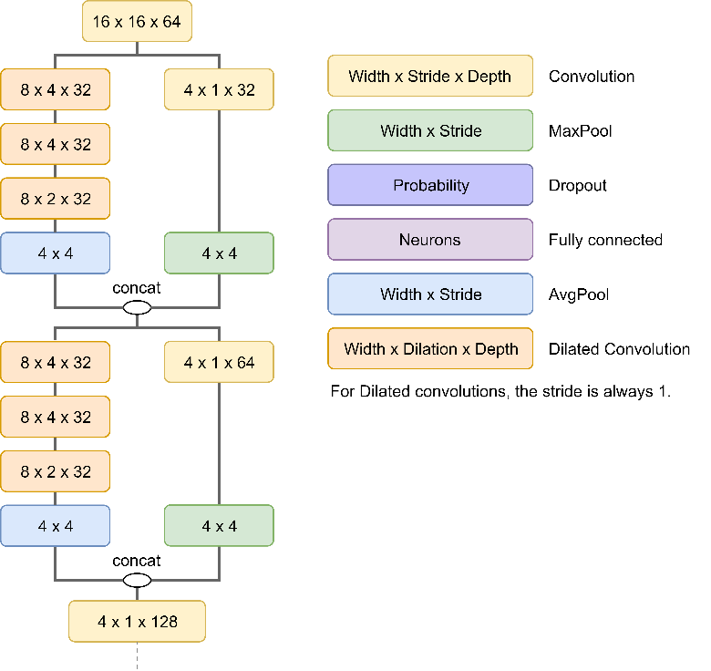

 | Model mul16ds has no multiple kernels in 2nd and third layers. These are the same as dm_r

True Positive Factoring
 | Error True Label 0 | Error True Label 1 | Proposed Error for True Label 1 | Factor
 | 0 | 1 | 1 | 2
-5 | 0.0 | 5.0 | 10.0
-4.9 | 0.0 | 4.9 | 9.8
-4.8 | 0.0 | 4.8 | 9.6
-4.7 | 0.0 | 4.7 | 9.4
Sigmoid cross entropy loss and proposed modification
-4.6 | 0.0 | 4.6 | 9.2
-4.5 | 0.0 | 4.5 | 9.0
-4.4 | 0.0 | 4.4 | 8.8
-4.3 | 0.0 | 4.3 | 8.6
-4.2 | 0.0 | 4.2 | 8.4
-4.1 | 0.0 | 4.1 | 8.2
-4 | 0.0 | 4.0 | 8.0
-3.9 | 0.0 | 3.9 | 7.8
-3.8 | 0.0 | 3.8 | 7.6
-3.7 | 0.0 | 3.7 | 7.4
-3.6 | 0.0 | 3.6 | 7.2
-3.5 | 0.0 | 3.5 | 7.0
-3.4 | 0.0 | 3.4 | 6.8
-3.3 | 0.0 | 3.3 | 6.6
-3.2 | 0.0 | 3.2 | 6.4
-3.1 | 0.0 | 3.1 | 6.2
-3 | 0.0 | 3.0 | 6.0
-2.9 | 0.0 | 2.9 | 5.8
-2.8 | 0.0 | 2.8 | 5.6
-2.7 | 0.0 | 2.7 | 5.4
-2.6 | 0.0 | 2.6 | 5.2
-2.5 | 0.0 | 2.5 | 5.0
-2.4 | 0.0 | 2.4 | 4.8
-2.3 | 0.0 | 2.3 | 4.6
-2.2 | 0.0 | 2.2 | 4.4
-2.1 | 0.1 | 2.2 | 4.3
-2 | 0.1 | 2.1 | 4.1
-1.9 | 0.1 | 2.0 | 3.9
-1.8 | 0.1 | 1.9 | 3.7
-1.7 | 0.1 | 1.8 | 3.5
-1.6 | 0.1 | 1.7 | 3.3
-1.5 | 0.1 | 1.6 | 3.1
-1.4 | 0.1 | 1.5 | 2.9
-1.3 | 0.1 | 1.4 | 2.7
-1.2 | 0.1 | 1.3 | 2.5
-1.1 | 0.1 | 1.2 | 2.3
-1 | 0.1 | 1.1 | 2.1
-0.9 | 0.1 | 1.0 | 1.9
-0.8 | 0.2 | 1.0 | 1.8
-0.7 | 0.2 | 0.9 | 1.6
-0.6 | 0.2 | 0.8 | 1.4
-0.5 | 0.2 | 0.7 | 1.2
-0.4 | 0.2 | 0.6 | 1.0
-0.3 | 0.2 | 0.5 | 0.8
-0.2 | 0.3 | 0.5 | 0.7
-0.1 | 0.3 | 0.4 | 0.5
0 | 0.3 | 0.3 | 0.3
0.1 | 0.4 | 0.3 | 0.3
0.2 | 0.5 | 0.3 | 0.3
0.3 | 0.5 | 0.2 | 0.2
0.4 | 0.6 | 0.2 | 0.2
0.5 | 0.7 | 0.2 | 0.2
0.6 | 0.8 | 0.2 | 0.2
0.7 | 0.9 | 0.2 | 0.2
0.8 | 1.0 | 0.2 | 0.2
0.9 | 1.0 | 0.1 | 0.1
1 | 1.1 | 0.1 | 0.1
1.1 | 1.2 | 0.1 | 0.1
1.2 | 1.3 | 0.1 | 0.1
1.3 | 1.4 | 0.1 | 0.1
1.4 | 1.5 | 0.1 | 0.1
1.5 | 1.6 | 0.1 | 0.1
1.6 | 1.7 | 0.1 | 0.1
1.7 | 1.8 | 0.1 | 0.1
1.8 | 1.9 | 0.1 | 0.1
1.9 | 2.0 | 0.1 | 0.1
2 | 2.1 | 0.1 | 0.1
2.1 | 2.2 | 0.1 | 0.1
2.2 | 2.2 | 0.0 | 0.0
2.3 | 2.3 | 0.0 | 0.0
2.4 | 2.4 | 0.0 | 0.0
2.5 | 2.5 | 0.0 | 0.0
2.6 | 2.6 | 0.0 | 0.0
2.7 | 2.7 | 0.0 | 0.0
2.8 | 2.8 | 0.0 | 0.0
2.9 | 2.9 | 0.0 | 0.0
3 | 3.0 | 0.0 | 0.0
3.1 | 3.1 | 0.0 | 0.0
3.2 | 3.2 | 0.0 | 0.0
3.3 | 3.3 | 0.0 | 0.0
3.4 | 3.4 | 0.0 | 0.0
3.5 | 3.5 | 0.0 | 0.0
3.6 | 3.6 | 0.0 | 0.0
3.7 | 3.7 | 0.0 | 0.0
3.8 | 3.8 | 0.0 | 0.0
3.9 | 3.9 | 0.0 | 0.0
4 | 4.0 | 0.0 | 0.0
4.1 | 4.1 | 0.0 | 0.0
4.2 | 4.2 | 0.0 | 0.0
4.3 | 4.3 | 0.0 | 0.0
4.4 | 4.4 | 0.0 | 0.0
4.5 | 4.5 | 0.0 | 0.0
4.6 | 4.6 | 0.0 | 0.0
4.7 | 4.7 | 0.0 | 0.0
4.8 | 4.8 | 0.0 | 0.0
4.9 | 4.9 | 0.0 | 0.0
5 | 5.0 | 0.0 | 0.0

Tag Balancing
Dataset Tag balancing
 | guitar | classical | slow | techno | strings | drums | electronic | rock | fast | piano | ambient | beat | violin | vocal | synth | female | indian | opera | male | singing | vocals | no vocals | harpsichord | loud | quiet | flute | woman | male vocal | no vocal | pop | soft | sitar | solo | man | classic | choir | voice | new age | dance | male voice | feamale vocal | beats | harp | cello | no voice | weird | country | metal | female voice | choral
Eval Set tag count | 498 | 376 | 328 | 293 | 234 | 264 | 244 | 257 | 228 | 168 | 202 | 203 | 171 | 162 | 169 | 136 | 139 | 126 | 132 | 119 | 111 | 104 | 96 | 108 | 87 | 96 | 100 | 109 | 96 | 106 | 86 | 85 | 85 | 75 | 62 | 72 | 65 | 65 | 77 | 54 | 57 | 83 | 65 | 56 | 59 | 64 | 67 | 41 | 47 | 55
Tag Positives distribution
Tag Factor
 | 1.001097561 | 1 | 1.0043902439 | 1.0098780488 | 1.0208536585 | 1
 | 1.1781036825 |  | 1.7124147298 | 2.6029331421 | 4.3839699666 | 3.7725887222
 | 1.2816456259 |  | 2.1265825036 | 3.5348106332 | 6.3512668923 | 5.3944491547
 | 1.3551098039 |  | 2.4204392157 | 4.1959882353 | 7.7470862746 | 6.5451774445
 | 1.4120930474 |  | 2.6483721896 | 4.7088374266 | 8.8297679005 | 7.4377516497
 | 1.4586517474 |  | 2.8346069895 | 5.1278657265 | 9.7143832003 | 8.1670378769
 | 1.4980165673 |  | 2.9920662693 | 5.482149106 | 10.462314779 | 8.7836405962
 | 1.5321159254 |  | 3.1284637016 | 5.7890433286 | 11.110202583 | 9.3177661667
 | 1.5621936908 |  | 3.2487747634 | 6.0597432176 | 11.681680126 | 9.7888983093
 | 1.5890991689 |  | 3.3563966755 | 6.3018925198 | 12.192884209 | 10.210340372
 | 1.6134381343 |  | 3.4537525372 | 6.5209432087 | 12.655324552 | 10.591581091
 | 1.6356578689 |  | 3.5426314754 | 6.7209208197 | 13.077499508 | 10.939626599
 | 1.6560980432 |  | 3.6243921729 | 6.9048823891 | 13.465862821 | 11.25979743
 | 1.6750226888 |  | 3.7000907552 | 7.0752041993 | 13.825431087 | 11.556229318
 | 1.6926411123 |  | 3.7705644493 | 7.233770011 | 14.160181134 | 11.832200804
 | 1.7091220469 |  | 3.8364881875 | 7.3820984219 | 14.473318891 | 12.090354889
 | 1.7246035052 |  | 3.8984140207 | 7.5214315466 | 14.767466598 | 12.332853376
 | 1.7391998123 |  | 3.9567992493 | 7.6527983109 | 15.044796434 | 12.561487032
 | 1.7530067344 |  | 4.0120269377 | 7.7770606099 | 15.307127954 | 12.777755917
 | 1.7661052903 |  | 4.0644211614 | 7.8949476131 | 15.556000517 | 12.982929094
 | 1.7785646323 |  | 4.1142585291 | 8.0070816904 | 15.792728013 | 13.178089751
 | 1.7904442558 |  | 4.1617770231 | 8.113998302 | 16.01844086 | 13.364169813
 | 1.8017957181 |  | 4.2071828723 | 8.2161614626 | 16.234118643 | 13.541976864
 | 1.8126639903 |  | 4.2506559613 | 8.313975913 | 16.440615816 | 13.712215321
 | 1.8230885338 |  | 4.2923541353 | 8.4077968043 | 16.638682142 | 13.875503299
 | 1.8331041647 |  | 4.3324166588 | 8.4979374824 | 16.828979129 | 14.032386152
 | 1.8427417558 |  | 4.3709670231 | 8.584675802 | 17.01209336 | 14.183347464
 | 1.8520288103 |  | 4.4081152411 | 8.6682592925 | 17.188547395 | 14.328818041
 | 1.8609899351 |  | 4.4439597405 | 8.7489094161 | 17.358808767 | 14.46918332
 | 1.8696472338 |  | 4.4785889352 | 8.8268251042 | 17.523297442 | 14.604789527
 | 1.8780206349 |  | 4.5120825396 | 8.9021857141 | 17.682392063 | 14.735948818
 | 1.8861281683 |  | 4.5445126734 | 8.9751535151 | 17.836435199 | 14.862943611
 | 1.8939861992 |  | 4.5759447969 | 9.0458757931 | 17.985737785 | 14.986030246
 | 1.9016096267 |  | 4.6064385066 | 9.1144866399 | 18.130582906 | 15.105442098
 | 1.9090120538 |  | 4.636048215 | 9.1811084838 | 18.271229021 | 15.221392246
 | 1.9162059338 |  | 4.6648237352 | 9.2458534042 | 18.407912742 | 15.334075754
 | 1.9232026962 |  | 4.6928107849 | 9.3088242661 | 18.540851228 | 15.443671651
 | 1.9300128559 |  | 4.7200514236 | 9.3701157032 | 18.670244262 | 15.550344639
 | 1.9366461082 |  | 4.7465844327 | 9.4298149735 | 18.796276055 | 15.654246585
 | 1.9431114118 |  | 4.7724456473 | 9.4880027064 | 18.919116825 | 15.755517816
 | 1.9494170619 |  | 4.7976682476 | 9.5447535572 | 19.038924176 | 15.854288267
 | 1.9555707537 |  | 4.822283015 | 9.6001367837 | 19.155844321 | 15.950678473
 | 1.9615796393 |  | 4.8463185572 | 9.6542167537 | 19.270013147 | 16.044800463
 | 1.9674503772 |  | 4.869801509 | 9.7070533952 | 19.381557168 | 16.136758536
 | 1.9731891773 |  | 4.8927567091 | 9.7587025954 | 19.490594368 | 16.226649959
 | 1.9788018395 |  | 4.9152073582 | 9.8092165559 | 19.597234951 | 16.314565586
 | 1.98429379 |  | 4.93717516 | 9.85864411 | 19.70158201 | 16.400590407
 | 1.9896701118 |  | 4.9586804472 | 9.9070310063 | 19.803732124 | 16.484804044
 | 1.9949355737 |  | 4.9797422948 | 9.9544201632 | 19.9037759 | 16.567281192
 | 2.0000946553 |  | 5.0003786212 | 10.000851898 | 20.00179845 | 16.648092022

Tag value | 1 | 2 | 3 | 4 | 5 | 6 | 7 | 8 | 9 | 10 | 11 | 12 | 13 | 14 | 15 | 16 | 17 | 18 | 19 | 20 | 21 | 22 | 23 | 24 | 25 | 26 | 27 | 28 | 29 | 30 | 31 | 32 | 33 | 34 | 35 | 36 | 37 | 38 | 39 | 40 | 41 | 42 | 43 | 44 | 45 | 46 | 47 | 48 | 49 | 50
Original equation | 446.45 | 373.8774902 | 331.42529338 | 301.30498039 | 277.94185057 | 258.85278357 | 242.71320739 | 228.73247059 | 216.40058675 | 205.36934076 | 195.39036494 | 186.28027377 | 177.89980227 | 170.14069759 | 162.91714394 | 156.15996078 | 149.81256288 | 143.82807695 | 138.16723888 | 132.79683096 | 127.68850077 | 122.81785513 | 118.16375559 | 113.70776396 | 109.43370114 | 105.32729247 | 101.37588013 | 97.568187785 | 93.8941266 | 90.34463414 | 86.91153969 | 83.587450977 | 80.365658314 | 77.240053073 | 74.205057962 | 71.255567144 | 68.386894546 | 65.594729077 | 62.87509565 | 60.224321154 | 57.639004616 | 55.115990966 | 52.652347887 | 50.245345329 | 47.892437321 | 45.591245788 | 43.339546101 | 41.135254158 | 38.976414788 | 36.861191332
Inverted scale | 446.45 | 519.0225098 | 561.47470662 | 591.59501961 | 614.95814943 | 634.04721643 | 650.18679261 | 664.16752941 | 676.49941325 | 687.53065924 | 697.50963506 | 706.61972623 | 715.00019773 | 722.75930241 | 729.98285606 | 736.74003922 | 743.08743712 | 749.07192305 | 754.73276112 | 760.10316904 | 765.21149923 | 770.08214487 | 774.73624441 | 779.19223604 | 783.46629886 | 787.57270753 | 791.52411987 | 795.33181222 | 799.0058734 | 802.55536586 | 805.98846031 | 809.31254902 | 812.53434169 | 815.65994693 | 818.69494204 | 821.64443286 | 824.51310545 | 827.30527092 | 830.02490435 | 832.67567885 | 835.26099538 | 837.78400903 | 840.24765211 | 842.65465467 | 845.00756268 | 847.30875421 | 849.5604539 | 851.76474584 | 853.92358521 | 856.03880867
Inverted scale no bias | 0 | 73 | 115 | 146 | 169 | 188 | 204 | 218 | 230 | 242 | 252 | 261 | 269 | 277 | 284 | 291 | 297 | 303 | 309 | 314 | 319 | 324 | 329 | 333 | 337 | 342 | 346 | 349 | 353 | 357 | 360 | 363 | 367 | 370 | 373 | 376 | 379 | 381 | 384 | 387 | 389 | 392 | 394 | 397 | 399 | 401 | 404 | 406 | 408 | 410
ISNB, offset 1, 1to2 | 1.001097561 | 1.1781036825 | 1.2816456259 | 1.3551098039 | 1.4120930474 | 1.4586517474 | 1.4980165673 | 1.5321159254 | 1.5621936908 | 1.5890991689 | 1.6134381343 | 1.6356578689 | 1.6560980432 | 1.6750226888 | 1.6926411123 | 1.7091220469 | 1.7246035052 | 1.7391998123 | 1.7530067344 | 1.7661052903 | 1.7785646323 | 1.7904442558 | 1.8017957181 | 1.8126639903 | 1.8230885338 | 1.8331041647 | 1.8427417558 | 1.8520288103 | 1.8609899351 | 1.8696472338 | 1.8780206349 | 1.8861281683 | 1.8939861992 | 1.9016096267 | 1.9090120538 | 1.9162059338 | 1.9232026962 | 1.9300128559 | 1.9366461082 | 1.9431114118 | 1.9494170619 | 1.9555707537 | 1.9615796393 | 1.9674503772 | 1.9731891773 | 1.9788018395 | 1.98429379 | 1.9896701118 | 1.9949355737 | 2.0000946553
ISNB, offset 1, 1to5 | 1.0043902439 | 1.7124147298 | 2.1265825036 | 2.4204392157 | 2.6483721896 | 2.8346069895 | 2.9920662693 | 3.1284637016 | 3.2487747634 | 3.3563966755 | 3.4537525372 | 3.5426314754 | 3.6243921729 | 3.7000907552 | 3.7705644493 | 3.8364881875 | 3.8984140207 | 3.9567992493 | 4.0120269377 | 4.0644211614 | 4.1142585291 | 4.1617770231 | 4.2071828723 | 4.2506559613 | 4.2923541353 | 4.3324166588 | 4.3709670231 | 4.4081152411 | 4.4439597405 | 4.4785889352 | 4.5120825396 | 4.5445126734 | 4.5759447969 | 4.6064385066 | 4.636048215 | 4.6648237352 | 4.6928107849 | 4.7200514236 | 4.7465844327 | 4.7724456473 | 4.7976682476 | 4.822283015 | 4.8463185572 | 4.869801509 | 4.8927567091 | 4.9152073582 | 4.93717516 | 4.9586804472 | 4.9797422948 | 5.0003786212
ISNB, offset 1, 1to10 | 1.0098780488 | 2.6029331421 | 3.5348106332 | 4.1959882353 | 4.7088374266 | 5.1278657265 | 5.482149106 | 5.7890433286 | 6.0597432176 | 6.3018925198 | 6.5209432087 | 6.7209208197 | 6.9048823891 | 7.0752041993 | 7.233770011 | 7.3820984219 | 7.5214315466 | 7.6527983109 | 7.7770606099 | 7.8949476131 | 8.0070816904 | 8.113998302 | 8.2161614626 | 8.313975913 | 8.4077968043 | 8.4979374824 | 8.584675802 | 8.6682592925 | 8.7489094161 | 8.8268251042 | 8.9021857141 | 8.9751535151 | 9.0458757931 | 9.1144866399 | 9.1811084838 | 9.2458534042 | 9.3088242661 | 9.3701157032 | 9.4298149735 | 9.4880027064 | 9.5447535572 | 9.6001367837 | 9.6542167537 | 9.7070533952 | 9.7587025954 | 9.8092165559 | 9.85864411 | 9.9070310063 | 9.9544201632 | 10.000851898
ISNB, offset 1, 1to20 | 1.0208536585 | 4.3839699666 | 6.3512668923 | 7.7470862746 | 8.8297679005 | 9.7143832003 | 10.462314779 | 11.110202583 | 11.681680126 | 12.192884209 | 12.655324552 | 13.077499508 | 13.465862821 | 13.825431087 | 14.160181134 | 14.473318891 | 14.767466598 | 15.044796434 | 15.307127954 | 15.556000517 | 15.792728013 | 16.01844086 | 16.234118643 | 16.440615816 | 16.638682142 | 16.828979129 | 17.01209336 | 17.188547395 | 17.358808767 | 17.523297442 | 17.682392063 | 17.836435199 | 17.985737785 | 18.130582906 | 18.271229021 | 18.407912742 | 18.540851228 | 18.670244262 | 18.796276055 | 18.919116825 | 19.038924176 | 19.155844321 | 19.270013147 | 19.381557168 | 19.490594368 | 19.597234951 | 19.70158201 | 19.803732124 | 19.9037759 | 20.00179845
Imp. With factor 4 | 1 | 3.7725887222 | 5.3944491547 | 6.5451774445 | 7.4377516497 | 8.1670378769 | 8.7836405962 | 9.3177661667 | 9.7888983093 | 10.210340372 | 10.591581091 | 10.939626599 | 11.25979743 | 11.556229318 | 11.832200804 | 12.090354889 | 12.332853376 | 12.561487032 | 12.777755917 | 12.982929094 | 13.178089751 | 13.364169813 | 13.541976864 | 13.712215321 | 13.875503299 | 14.032386152 | 14.183347464 | 14.328818041 | 14.46918332 | 14.604789527 | 14.735948818 | 14.862943611 | 14.986030246 | 15.105442098 | 15.221392246 | 15.334075754 | 15.443671651 | 15.550344639 | 15.654246585 | 15.755517816 | 15.854288267 | 15.950678473 | 16.044800463 | 16.136758536 | 16.226649959 | 16.314565586 | 16.400590407 | 16.484804044 | 16.567281192 | 16.648092022
Imp. With factor 10 | 1 | 7.9314718056 | 11.986122887 | 14.862943611 | 17.094379124 | 18.917594692 | 20.459101491 | 21.794415417 | 22.972245773 | 24.02585093 | 24.978952728 | 25.849066498 | 26.649493575 | 27.390573296 | 28.080502011 | 28.725887222 | 29.332133441 | 29.903717579 | 30.444389792 | 30.957322736 | 31.445224377 | 31.910424534 | 32.354942159 | 32.780538303 | 33.188758249 | 33.58096538 | 33.95836866 | 34.322045102 | 34.6729583 | 35.011973817 | 35.339872045 | 35.657359028 | 35.965075615 | 36.263605246 | 36.553480615 | 36.835189385 | 37.109179126 | 37.375861597 | 37.635616461 | 37.888794541 | 38.135720667 | 38.376696183 | 38.612001157 | 38.841896339 | 39.066624898 | 39.286413965 | 39.501476017 | 39.712010109 | 39.918202981 | 40.120230054
Imp. With factor 104 | 1 | 73.087306778 | 115.25567802 | 145.17461356 | 168.38154289 | 187.3429848 | 203.3746555 | 217.26192033 | 229.51135604 | 240.46884967 | 250.38110837 | 259.43029158 | 267.75473318 | 275.46196228 | 282.63722091 | 289.34922711 | 295.65418778 | 301.59866282 | 307.22165383 | 312.55615645 | 317.63033352 | 322.46841515 | 327.09139846 | 331.51759836 | 335.76308579 | 339.84203995 | 343.76703406 | 347.54926906 | 351.19876632 | 354.72452769 | 358.13466927 | 361.43653389 | 364.63678639 | 367.74149456 | 370.75619839 | 373.6859696 | 376.53546291 | 379.30896061 | 382.0104112 | 384.64346323 | 387.21149494 | 389.7176403 | 392.16481203 | 394.55572193 | 396.89289894 | 399.17870523 | 401.41535058 | 403.60490513 | 405.749311 | 407.85039256

Tags positives distribution

TPF and TB Results
RESULTS WITH DS256 TRAINED FOR 60 EPOCHS
 | Tags | TPF0 TB0 | TPF10 TB0 | TPF10TB10 | TPF10 TB104
 |  | ROC | ROC | ROC | ROC
 | Total | 0.5424 | 0.6661 | 0.6451 | 0.6769
60 EPOCHS | guitar | 0.5801 | 0.5922 |  | 0.5548
Tag specific AUCROC for ds256_ra
 | classical | 0.6342 | 0.7563 |  | 0.7582
 | slow | 0.5143 | 0.5646 |  | 0.6069
 | techno | 0.6898 | 0.7511 |  | 0.7626
 | strings | 0.4989 | 0.6871 |  | 0.686
 | drums | 0.5184 | 0.6923 |  | 0.691
 | electronic | 0.5511 | 0.658 |  | 0.6993
 | rock | 0.6645 | 0.7655 |  | 0.7835
 | fast | 0.5158 | 0.6118 |  | 0.5935
 | piano | 0.5102 | 0.6583 |  | 0.6618
 | ambient | 0.5084 | 0.6319 |  | 0.6149
 | beat | 0.5825 | 0.7367 |  | 0.754
 | violin | 0.5 | 0.6148 |  | 0.6471
 | vocal | 0.4989 | 0.5556 |  | 0.5339
 | synth | 0.5043 | 0.5878 |  | 0.5834
 | female | 0.4997 | 0.5242 |  | 0.5513
 | indian | 0.5264 | 0.5971 |  | 0.6005
 | opera | 0.4997 | 0.7692 |  | 0.8189
 | male | 0.5071 | 0.501 |  | 0.5397
 | singing | 0.5 | 0.5129 |  | 0.5238
 | vocals | 0.4995 | 0.5579 |  | 0.5367
 | no vocals | 0.4997 | 0.5328 |  | 0.5323
 | harpsichord | 0.5 | 0.6523 |  | 0.6703
 | loud | 0.5968 | 0.69 |  | 0.7239
 | quiet | 0.5 | 0.7314 |  | 0.7379
 | flute | 0.5057 | 0.6242 |  | 0.6081
 | woman | 0.5 | 0.5213 |  | 0.5404
 | male vocal | 0.4992 | 0.566 |  | 0.555
 | no vocal | 0.5 | 0.5173 |  | 0.498
 | pop | 0.4995 | 0.5793 |  | 0.5843
 | soft | 0.5 | 0.6039 |  | 0.5922
 | sitar | 0.5384 | 0.6841 |  | 0.6653
 | solo | 0.5 | 0.576 |  | 0.5779
 | man | 0.4997 | 0.5078 |  | 0.5261
 | classic | 0.5 | 0.5593 |  | 0.5632
 | choir | 0.4987 | 0.6911 |  | 0.6642
 | voice | 0.5 | 0.5113 |  | 0.491
 | new age | 0.5 | 0.5436 |  | 0.531
 | dance | 0.5188 | 0.6633 |  | 0.61
 | male voice | 0.4997 | 0.527 |  | 0.5085
 | female vocal | 0.5 | 0.4946 |  | 0.5085
 | beats | 0.4997 | 0.5984 |  | 0.5756
 | harp | 0.5 | 0.5621 |  | 0.5559
 | cello | 0.5 | 0.5904 |  | 0.5907
 | no voice | 0.5 | 0.5008 |  | 0.4915
 | weird | 0.5 | 0.5311 |  | 0.4986
 | country | 0.5 | 0.5124 |  | 0.548
 | metal | 0.4997 | 0.5046 |  | 0.5087
 | female voice | 0.5548 | 0.6298 |  | 0.6763
 | choral | 0.499 | 0.6681 |  | 0.5959
 | STD | 0.0430 | 0.0797 |  | 0.0850

RESULTS WITH MKC_R TRAINED FOR 20 EPOCHS
 | Tags | TPF0 TB0 | TPF10 TB0 | TPF10 TB10 | TPF10 TB104 | TPF0 TB0 F | TPF10 TB0 F | TPF10 TB10 F | TPF10 TB104 F
 |  | ROC | ROC | ROC | ROC | ROC | ROC | ROC | ROC
 | Total | 0.5302 | 0.6254 | 0.611 | 0.6248 | 0.6194 | 0.6901 | 0.6624 | 0.6609
20 EPOCHS TB AND TPF ROC
 | TPF10 TB0 | #REF! | TPF10 TB10 | TPF10 TB104 | TPF10 TB104 F
guitar | 0.576 | 1 | 0.5412 | 0.5304
classical | 0.7161 |  | 0.6872 | 0.7266
slow | 0.5809 |  | 0.5662 | 0.5884
techno | 0.7028 |  | 0.6978 | 0.7199
strings | 0.6218 |  | 0.5616 | 0.6573
drums | 0.6529 |  | 0.6287 | 0.6253
electronic | 0.6407 |  | 0.6298 | 0.6554
rock | 0.7358 |  | 0.7047 | 0.7231
fast | 0.5972 |  | 0.5843 | 0.5581
piano | 0.6306 |  | 0.5588 | 0.5997
ambient | 0.584 |  | 0.5385 | 0.5378
beat | 0.7324 |  | 0.6402 | 0.6891
violin | 0.5875 |  | 0.5752 | 0.5543
vocal | 0.5186 |  | 0.5031 | 0.5219
synth | 0.5915 |  | 0.5748 | 0.5589
female | 0.5092 |  | 0.4988 | 0.4999
indian | 0.5203 |  | 0.5443 | 0.5331
opera | 0.7015 |  | 0.5808 | 0.6566
male | 0.5156 |  | 0.5208 | 0.4937
singing | 0.493 |  | 0.5067 | 0.5067
vocals | 0.4771 |  | 0.5192 | 0.5091
no vocals | 0.5075 |  | 0.4949 | 0.5119
harpsichord | 0.619 |  | 0.5743 | 0.6028
loud | 0.6413 |  | 0.5363 | 0.603
quiet | 0.5754 |  | 0.6178 | 0.6125
flute | 0.5166 |  | 0.5806 | 0.5601
woman | 0.4953 |  | 0.4945 | 0.4916
male vocal | 0.5358 |  | 0.5144 | 0.5141
no vocal | 0.4846 |  | 0.483 | 0.5029
pop | 0.5436 |  | 0.5052 | 0.5423
soft | 0.5443 |  | 0.5349 | 0.6449
sitar | 0.55 |  | 0.525 | 0.5136
solo | 0.5802 |  | 0.5063 | 0.5263
man | 0.4928 |  | 0.5069 | 0.5145
classic | 0.5142 |  | 0.4966 | 0.6045
choir | 0.5495 |  | 0.5989 | 0.5202
voice | 0.4856 |  | 0.4992 | 0.5013
new age | 0.517 |  | 0.5025 | 0.5114
dance | 0.6393 |  | 0.5873 | 0.5345
male voice | 0.5079 |  | 0.4966 | 0.507
feamale vocal | 0.5218 |  | 0.4931 | 0.4939
beats | 0.5477 |  | 0.5672 | 0.5291
harp | 0.5382 |  | 0.531 | 0.6144
cello | 0.52 |  | 0.5738 | 0.6093
no voice | 0.4921 |  | 0.4966 | 0.4934
weird | 0.5017 |  | 0.5018 | 0.5022
country | 0.5115 |  | 0.511 | 0.5171
metal | 0.4987 |  | 0.5111 | 0.4951
female voice | 0.6784 |  | 0.5401 | 0.6102
choral | 0.5394 |  | 0.5125 | 0.5104
20 EPOCHS | guitar |  | 0.576 | 0.5412 | 0.5304 |  | 0.7415
 | classical |  | 0.7161 | 0.6872 | 0.7266 |  | 0.7981
 | slow |  | 0.5809 | 0.5662 | 0.5884 |  | 0.6573
 | techno |  | 0.7028 | 0.6978 | 0.7199 |  | 0.7487
 | strings |  | 0.6218 | 0.5616 | 0.6573 |  | 0.7189
 | drums |  | 0.6529 | 0.6287 | 0.6253 |  | 0.6256
 | electronic |  | 0.6407 | 0.6298 | 0.6554 |  | 0.6614
 | rock |  | 0.7358 | 0.7047 | 0.7231 |  | 0.8542
 | fast |  | 0.5972 | 0.5843 | 0.5581 |  | 0.6149
 | piano |  | 0.6306 | 0.5588 | 0.5997 |  | 0.7451
 | ambient |  | 0.584 | 0.5385 | 0.5378 |  | 0.6972
 | beat |  | 0.7324 | 0.6402 | 0.6891 |  | 0.6578
 | violin |  | 0.5875 | 0.5752 | 0.5543 |  | 0.7528
 | vocal |  | 0.5186 | 0.5031 | 0.5219 |  | 0.6156
 | synth |  | 0.5915 | 0.5748 | 0.5589 |  | 0.5645
 | female |  | 0.5092 | 0.4988 | 0.4999 |  | 0.6127
 | indian |  | 0.5203 | 0.5443 | 0.5331 |  | 0.618
 | opera |  | 0.7015 | 0.5808 | 0.6566 |  | 0.7319
 | male |  | 0.5156 | 0.5208 | 0.4937 |  | 0.6692
 | singing |  | 0.493 | 0.5067 | 0.5067 |  | 0.6313
 | vocals |  | 0.4771 | 0.5192 | 0.5091 |  | 0.6672
 | no vocals |  | 0.5075 | 0.4949 | 0.5119 |  | 0.5244
 | harpsichord |  | 0.619 | 0.5743 | 0.6028 |  | 0.8442
 | loud |  | 0.6413 | 0.5363 | 0.603 |  | 0.5651
 | quiet |  | 0.5754 | 0.6178 | 0.6125 |  | 0.7121
 | flute |  | 0.5166 | 0.5806 | 0.5601 |  | 0.6891
 | woman |  | 0.4953 | 0.4945 | 0.4916 |  | 0.5698
 | male vocal |  | 0.5358 | 0.5144 | 0.5141 |  | 0.6377
 | no vocal |  | 0.4846 | 0.483 | 0.5029 |  | 0.4887
 | pop |  | 0.5436 | 0.5052 | 0.5423 |  | 0.6553
 | soft |  | 0.5443 | 0.5349 | 0.6449 |  | 0.5984
 | sitar |  | 0.55 | 0.525 | 0.5136 |  | 0.6758
 | solo |  | 0.5802 | 0.5063 | 0.5263 |  | 0.5858
 | man |  | 0.4928 | 0.5069 | 0.5145 |  | 0.6929
 | classic |  | 0.5142 | 0.4966 | 0.6045 |  | 0.519
 | choir |  | 0.5495 | 0.5989 | 0.5202 |  | 0.7637
 | voice |  | 0.4856 | 0.4992 | 0.5013 |  | 0.5096
 | new age |  | 0.517 | 0.5025 | 0.5114 |  | 0.5139
 | dance |  | 0.6393 | 0.5873 | 0.5345 |  | 0.5997
 | male voice |  | 0.5079 | 0.4966 | 0.507 |  | 0.6314
 | feamale vocal |  | 0.5218 | 0.4931 | 0.4939 |  | 0.5394
 | beats |  | 0.5477 | 0.5672 | 0.5291 |  | 0.5639
 | harp |  | 0.5382 | 0.531 | 0.6144 |  | 0.582
 | cello |  | 0.52 | 0.5738 | 0.6093 |  | 0.7716
 | no voice |  | 0.4921 | 0.4966 | 0.4934 |  | 0.4973
 | weird |  | 0.5017 | 0.5018 | 0.5022 |  | 0.5117
 | country |  | 0.5115 | 0.511 | 0.5171 |  | 0.6338
 | metal |  | 0.4987 | 0.5111 | 0.4951 |  | 0.51
 | female voice |  | 0.6784 | 0.5401 | 0.6102 |  | 0.7991
 | choral |  | 0.5394 | 0.5125 | 0.5104 |  | 0.6966

True Positives for 'Slow' Tag
 |  |  | Slow tag
 |  |  | Step | Value
 |  |  | 449 | 0
 |  |  | 927 | 0
 |  |  | 1406 | 0
 |  |  | 1890 | 0
 |  |  | 2366 | 0
 |  |  | 2847 | 0
 |  |  | 3325 | 0
 |  |  | 3802 | 0
 |  |  | 4271 | 0
 |  |  | 4735 | 1
 |  |  | 5208 | 2
 |  |  | 5686 | 0
 |  |  | 6158 | 3
 |  |  | 6638 | 7
 |  |  | 7110 | 2
 |  |  | 7593 | 7
 |  |  | 8077 | 9
 |  |  | 8548 | 12
 |  |  | 9040 | 11
 |  |  | 9531 | 9
 |  |  | 10002 | 7
 |  |  | 10479 | 9
 |  |  | 10958 | 11

Complete Windowing Results
STME Windowing Model Comparison
Raw Windowing Model Comparison
Raw Windowing model Tag Comparison
RESULTS WITH DS256 TRAINED FOR 60 EPOCHS
Tags | No win R | STME R | SPM_BEST R | STME F
 | ROC | ROC | ROC | ROC
Total | 0.6661 | 0.7117 | 0.7343 | 0.7948
guitar | 0.5922 | 0.6237 | 0.6499 | 0.7966
classical | 0.7563 | 0.8094 | 0.7992 | 0.8512
slow | 0.5646 | 0.6569 | 0.629 | 0.7327
techno | 0.7511 | 0.8174 | 0.8083 | 0.8625
strings | 0.6871 | 0.7372 | 0.6976 | 0.8166
drums | 0.6923 | 0.7514 | 0.7477 | 0.7935
electronic | 0.658 | 0.7464 | 0.7329 | 0.8043
rock | 0.7655 | 0.8567 | 0.8642 | 0.8896
fast | 0.6118 | 0.6876 | 0.645 | 0.77
piano | 0.6583 | 0.7242 | 0.7369 | 0.8628
ambient | 0.6319 | 0.7067 | 0.6964 | 0.8665
beat | 0.7367 | 0.804 | 0.784 | 0.8653
violin | 0.6148 | 0.7442 | 0.6881 | 0.8959
vocal | 0.5556 | 0.6436 | 0.6251 | 0.725
synth | 0.5878 | 0.6802 | 0.68 | 0.7591
female | 0.5242 | 0.6288 | 0.6727 | 0.8157
indian | 0.5971 | 0.6734 | 0.6824 | 0.7982
opera | 0.7692 | 0.8305 | 0.8407 | 0.9247
male | 0.501 | 0.6025 | 0.6357 | 0.6937
singing | 0.5129 | 0.5481 | 0.6402 | 0.7336
vocals | 0.5579 | 0.6061 | 0.6492 | 0.7185
no vocals | 0.5328 | 0.5216 | 0.5387 | 0.5096
harpsichord | 0.6523 | 0.7727 | 0.7712 | 0.8792
loud | 0.69 | 0.7873 | 0.7985 | 0.7543
quiet | 0.7314 | 0.7104 | 0.7791 | 0.7012
flute | 0.6242 | 0.6575 | 0.7099 | 0.8196
woman | 0.5213 | 0.5623 | 0.606 | 0.692
male vocal | 0.566 | 0.5993 | 0.6657 | 0.6671
no vocal | 0.5173 | 0.4988 | 0.556 | 0.4988
pop | 0.5793 | 0.6996 | 0.7378 | 0.6494
soft | 0.6039 | 0.6071 | 0.6485 | 0.6474
sitar | 0.6841 | 0.7172 | 0.7448 | 0.7971
solo | 0.576 | 0.5834 | 0.5621 | 0.6344
man | 0.5078 | 0.5525 | 0.6502 | 0.6691
classic | 0.5593 | 0.5255 | 0.6538 | 0.5851
choir | 0.6911 | 0.7744 | 0.7712 | 0.8799
Standard Deviations of Raw windowing Techniques
voice | 0.5113 | 0.5012 | 0.5445 | 0.5551
new age | 0.5436 | 0.568 | 0.6426 | 0.6837
dance | 0.6633 | 0.7361 | 0.7031 | 0.8327
male voice | 0.527 | 0.5447 | 0.7025 | 0.6428
feamale vocal | 0.4946 | 0.5167 | 0.6093 | 0.6284
beats | 0.5984 | 0.5959 | 0.6761 | 0.6037
harp | 0.5621 | 0.6213 | 0.7099 | 0.7894
cello | 0.5904 | 0.6886 | 0.6825 | 0.9145
no voice | 0.5008 | 0.4994 | 0.498 | 0.4964
weird | 0.5311 | 0.5177 | 0.5819 | 0.5563
country | 0.5124 | 0.5408 | 0.6441 | 0.679
metal | 0.5046 | 0.5259 | 0.5602 | 0.5927
female voice | 0.6298 | 0.8226 | 0.8734 | 0.8579
choral | 0.6681 | 0.7152 | 0.7606 | 0.8908
STD | 0.0797 | 0.1026 | 0.0847 | 0.1170
 |  | 6 Hours to process | 4 Hours to Process

Raw Windowing Model Comparison
Raw Windowing model Tag Comparison
RESULTS WITH DS256 TRAINED FOR 20 EPOCHS
Tags | No win R | STME R | SPM R | STME F
 | ROC | ROC | ROC | ROC
Total | 0.6443 | 0.7076 | 0.6926 | 0.7333
guitar | 0.6315 | 0.6236 | 0.6021 | 0.7678
classical | 0.7094 | 0.7979 | 0.7923 | 0.8
slow | 0.6191 | 0.6531 | 0.6053 | 0.6294
techno | 0.7937 | 0.8105 | 0.761 | 0.8582
strings | 0.6289 | 0.7398 | 0.6858 | 0.7595
drums | 0.7298 | 0.7357 | 0.6855 | 0.7596
electronic | 0.711 | 0.7236 | 0.6852 | 0.7708
rock | 0.767 | 0.8424 | 0.825 | 0.879
fast | 0.5732 | 0.6757 | 0.5871 | 0.7405
piano | 0.6916 | 0.7392 | 0.6986 | 0.8057
ambient | 0.5928 | 0.6215 | 0.6284 | 0.8042
beat | 0.6675 | 0.7544 | 0.7596 | 0.8053
violin | 0.6394 | 0.7658 | 0.6585 | 0.8449
vocal | 0.5325 | 0.5502 | 0.5568 | 0.6238
synth | 0.6057 | 0.6837 | 0.6218 | 0.6936
female | 0.5586 | 0.5094 | 0.5661 | 0.6722
indian | 0.6472 | 0.6518 | 0.6383 | 0.6324
opera | 0.6663 | 0.7997 | 0.783 | 0.9368
male | 0.5415 | 0.5972 | 0.5566 | 0.6508
singing | 0.5171 | 0.5353 | 0.5252 | 0.5761
vocals | 0.5233 | 0.5539 | 0.6021 | 0.6001
no vocals | 0.5022 | 0.5152 | 0.5287 | 0.5506
harpsichord | 0.7131 | 0.8147 | 0.7778 | 0.79
loud | 0.7055 | 0.764 | 0.7821 | 0.5126
quiet | 0.6682 | 0.7425 | 0.714 | 0.6241
flute | 0.5925 | 0.6899 | 0.5792 | 0.7506
woman | 0.5232 | 0.5393 | 0.5425 | 0.6276
male vocal | 0.5325 | 0.5473 | 0.5702 | 0.5919
no vocal | 0.4877 | 0.5221 | 0.4979 | 0.5765
pop | 0.5491 | 0.6341 | 0.6371 | 0.734
soft | 0.5899 | 0.6174 | 0.6207 | 0.5337
sitar | 0.6831 | 0.738 | 0.7081 | 0.6752
solo | 0.5315 | 0.5759 | 0.5991 | 0.5703
man | 0.5217 | 0.5284 | 0.5414 | 0.54
classic | 0.4977 | 0.5754 | 0.5652 | 0.5
choir | 0.6456 | 0.6147 | 0.6966 | 0.7654
Standard Deviations of Raw windowing Techniques
voice | 0.5111 | 0.4973 | 0.5282 | 0.5305
new age | 0.5339 | 0.5095 | 0.5325 | 0.6159
dance | 0.6491 | 0.6455 | 0.6052 | 0.6773
male voice | 0.5209 | 0.5 | 0.5456 | 0.6397
feamale vocal | 0.513 | 0.5054 | 0.5425 | 0.6299
beats | 0.5585 | 0.5578 | 0.5746 | 0.7362
harp | 0.509 | 0.7357 | 0.6897 | 0.5207
cello | 0.6704 | 0.5429 | 0.5711 | 0.6076
no voice | 0.4941 | 0.5 | 0.4988 | 0.4936
weird | 0.5171 | 0.5369 | 0.5194 | 0.542
country | 0.5185 | 0.5132 | 0.5389 | 0.4998
metal | 0.4999 | 0.5076 | 0.4961 | 0.5658
female voice | 0.6772 | 0.727 | 0.6694 | 0.8909
choral | 0.634 | 0.5742 | 0.5852 | 0.7241
STD | 0.0815 | 0.1046 | 0.0877 | 0.1161

Super-pooling Results
Raw Windowing Model Comparison
Raw Windowing model Tag Comparison
RESULTS WITH DS256 TRAINED FOR 60 EPOCHS
Tags | SPMA | SPMC1 | SPMD1 | SPMC2 | SPMD2 | SPMC3 | SPMD3 | SPMC4 | SPMD4 | SPM Conv
 | ROC | ROC | ROC | ROC | ROC | ROC | ROC | ROC | ROC | ROC
Total | 0.6892 | 0.6956 | 0.7027 | 0.7166 | 0.7039 | 0.7343 | 0.716 | 0.7318 | 0.7229 | 0.6644
guitar | 0.5947 | 0.6615 | 0.6223 | 0.6203 | 0.5809 | 0.6499 | 0.5969 | 0.6509 | 0.6214 | 0.6131
classical | 0.7992 | 0.7729 | 0.7849 | 0.7932 | 0.7737 | 0.7992 | 0.8097 | 0.8 | 0.8138 | 0.7585
slow | 0.6327 | 0.6272 | 0.6417 | 0.6261 | 0.6184 | 0.629 | 0.6302 | 0.644 | 0.6301 | 0.6089
techno | 0.7712 | 0.7786 | 0.7786 | 0.7978 | 0.784 | 0.8083 | 0.8277 | 0.7953 | 0.8068 | 0.7623
strings | 0.71 | 0.6783 | 0.6883 | 0.67 | 0.7116 | 0.6976 | 0.7129 | 0.7194 | 0.692 | 0.7044
drums | 0.7006 | 0.7123 | 0.7235 | 0.7155 | 0.7097 | 0.7477 | 0.7378 | 0.7438 | 0.7335 | 0.6862
electronic | 0.6998 | 0.7164 | 0.7149 | 0.7049 | 0.7041 | 0.7329 | 0.731 | 0.7421 | 0.7905 | 0.6489
rock | 0.8212 | 0.8267 | 0.7924 | 0.8188 | 0.8102 | 0.8642 | 0.849 | 0.8509 | 0.8367 | 0.7723
fast | 0.6264 | 0.5743 | 0.6501 | 0.659 | 0.5959 | 0.645 | 0.6425 | 0.6948 | 0.6386 | 0.6119
piano | 0.6697 | 0.7309 | 0.6748 | 0.7166 | 0.6722 | 0.7369 | 0.7272 | 0.6814 | 0.7196 | 0.6978
ambient | 0.6333 | 0.66 | 0.6887 | 0.7156 | 0.6327 | 0.6964 | 0.6296 | 0.7249 | 0.6383 | 0.6239
beat | 0.7583 | 0.7262 | 0.7851 | 0.7656 | 0.8023 | 0.784 | 0.7549 | 0.782 | 0.7957 | 0.7122
violin | 0.6904 | 0.6652 | 0.7293 | 0.7111 | 0.681 | 0.6881 | 0.7216 | 0.7491 | 0.716 | 0.6512
vocal | 0.5678 | 0.5881 | 0.5979 | 0.665 | 0.6335 | 0.6251 | 0.6251 | 0.6449 | 0.638 | 0.5307
synth | 0.5919 | 0.6116 | 0.6126 | 0.6634 | 0.6501 | 0.68 | 0.6586 | 0.6752 | 0.6818 | 0.5775
female | 0.5753 | 0.6278 | 0.6218 | 0.6267 | 0.5854 | 0.6727 | 0.5657 | 0.662 | 0.5893 | 0.5446
indian | 0.6272 | 0.6075 | 0.6845 | 0.6904 | 0.6409 | 0.6824 | 0.6529 | 0.7217 | 0.6566 | 0.6085
opera | 0.5938 | 0.8291 | 0.8227 | 0.8142 | 0.8113 | 0.8407 | 0.8503 | 0.8835 | 0.8458 | 0.7527
male | 0.6215 | 0.5884 | 0.5974 | 0.5794 | 0.6081 | 0.6357 | 0.64 | 0.6665 | 0.6734 | 0.5282
singing | 0.5309 | 0.553 | 0.5687 | 0.5825 | 0.5958 | 0.6402 | 0.5881 | 0.6179 | 0.6292 | 0.5512
vocals | 0.5744 | 0.5846 | 0.5803 | 0.6264 | 0.6195 | 0.6492 | 0.6078 | 0.6116 | 0.6443 | 0.5469
no vocals | 0.5043 | 0.5218 | 0.5612 | 0.5699 | 0.6092 | 0.5387 | 0.5353 | 0.5457 | 0.5587 | 0.5166
harpsichord | 0.7313 | 0.68 | 0.7598 | 0.7616 | 0.6654 | 0.7712 | 0.708 | 0.7256 | 0.8037 | 0.6389
loud | 0.7773 | 0.6999 | 0.697 | 0.7629 | 0.7191 | 0.7985 | 0.7451 | 0.8194 | 0.6927 | 0.7025
quiet | 0.6936 | 0.7297 | 0.7637 | 0.7383 | 0.6793 | 0.7791 | 0.7216 | 0.7193 | 0.75 | 0.6868
flute | 0.6382 | 0.69 | 0.616 | 0.6504 | 0.6157 | 0.7099 | 0.6449 | 0.7245 | 0.6189 | 0.5632
woman | 0.538 | 0.6131 | 0.5648 | 0.5917 | 0.5849 | 0.606 | 0.5336 | 0.6317 | 0.598 | 0.5032
male vocal | 0.5885 | 0.5647 | 0.555 | 0.616 | 0.5757 | 0.6657 | 0.5903 | 0.6367 | 0.6061 | 0.5843
no vocal | 0.5527 | 0.4943 | 0.5101 | 0.5449 | 0.5225 | 0.556 | 0.5126 | 0.5148 | 0.5226 | 0.5091
pop | 0.6334 | 0.6172 | 0.6117 | 0.598 | 0.6905 | 0.7378 | 0.6427 | 0.6848 | 0.7211 | 0.5617
soft | 0.5737 | 0.5948 | 0.6227 | 0.6023 | 0.6066 | 0.6485 | 0.6436 | 0.5746 | 0.6006 | 0.5758
sitar | 0.6814 | 0.7009 | 0.7189 | 0.741 | 0.72 | 0.7448 | 0.7296 | 0.7596 | 0.7172 | 0.6379
solo | 0.6052 | 0.5376 | 0.6336 | 0.622 | 0.6457 | 0.5621 | 0.6304 | 0.5774 | 0.667 | 0.5323
man | 0.5768 | 0.5749 | 0.5612 | 0.6394 | 0.6043 | 0.6502 | 0.6215 | 0.659 | 0.6174 | 0.5229
classic | 0.5849 | 0.5491 | 0.5827 | 0.5601 | 0.5904 | 0.6538 | 0.6026 | 0.6325 | 0.6591 | 0.5552
choir | 0.6099 | 0.7565 | 0.7654 | 0.7574 | 0.7898 | 0.7712 | 0.795 | 0.8753 | 0.7506 | 0.6323
Standard Deviations of Raw windowing Techniques
voice | 0.5275 | 0.5452 | 0.5122 | 0.5321 | 0.5367 | 0.5445 | 0.5196 | 0.5677 | 0.5331 | 0.4876
new age | 0.5722 | 0.5642 | 0.56 | 0.6177 | 0.6081 | 0.6426 | 0.591 | 0.5638 | 0.5743 | 0.5488
dance | 0.6951 | 0.7509 | 0.6595 | 0.7259 | 0.7331 | 0.7031 | 0.6918 | 0.7629 | 0.7142 | 0.6576
male voice | 0.5878 | 0.5799 | 0.5774 | 0.6227 | 0.5695 | 0.7025 | 0.6153 | 0.5995 | 0.5752 | 0.5628
feamale vocal | 0.5191 | 0.5594 | 0.5085 | 0.5558 | 0.5414 | 0.6093 | 0.5157 | 0.6026 | 0.5325 | 0.5046
beats | 0.6276 | 0.5984 | 0.6627 | 0.6316 | 0.6883 | 0.6761 | 0.6067 | 0.679 | 0.667 | 0.5704
harp | 0.6188 | 0.6352 | 0.6279 | 0.5754 | 0.5701 | 0.7099 | 0.603 | 0.6035 | 0.659 | 0.6227
cello | 0.6701 | 0.7079 | 0.7136 | 0.7426 | 0.6678 | 0.6825 | 0.639 | 0.6739 | 0.7042 | 0.6222
no voice | 0.5116 | 0.4949 | 0.5284 | 0.4909 | 0.4918 | 0.498 | 0.5087 | 0.491 | 0.4993 | 0.4904
weird | 0.4921 | 0.5378 | 0.5289 | 0.524 | 0.5154 | 0.5819 | 0.5134 | 0.5784 | 0.5213 | 0.5121
country | 0.5811 | 0.5609 | 0.5775 | 0.5936 | 0.6075 | 0.6441 | 0.6709 | 0.684 | 0.6246 | 0.547
metal | 0.5263 | 0.5066 | 0.5213 | 0.5579 | 0.4895 | 0.5602 | 0.4905 | 0.5675 | 0.5027 | 0.5297
female voice | 0.7341 | 0.8344 | 0.7853 | 0.8253 | 0.7175 | 0.8734 | 0.8503 | 0.8319 | 0.7707 | 0.6382
choral | 0.5367 | 0.7446 | 0.8013 | 0.7855 | 0.7776 | 0.7606 | 0.767 | 0.8684 | 0.7163 | 0.6132
STD | 0.0807 | 0.0897 | 0.0887 | 0.0860 | 0.0828
 |  | Overfitting | Slight overf. |  |  | more possible | slowing | fully trained | more possible

 |  |  |  | Some just fluctuate a lot discuss
RESULTS WITH DS256 TRAINED FOR 60 EPOCHS with SPMA and B for learning rate and dropout
 | LR 0.01 | LR0.1 | LR0.5 | LR 0.01 | LR0.1 | LR0.1 |  | SPMA - No Dropout
Tags | DP0 | DP0 | DP0 | DP0.5 | DP0.5 | DP0.5 |  | SPMB - with Dropout
 | ROC | ROC | ROC | ROC | ROC | ROC
Total | 0.6837 | 0.6731 | 0.6263 | 0.6628 | 0.6892 | 0.6819
guitar | 0.5963 | 0.6421 | 0.6624 | 0.556 | 0.5947 | 0.6483
classical | 0.7855 | 0.7892 | 0.7262 | 0.7637 | 0.7992 | 0.787
slow | 0.6203 | 0.628 | 0.6127 | 0.5534 | 0.6327 | 0.6398
techno | 0.7793 | 0.7885 | 0.7229 | 0.7564 | 0.7712 | 0.7721
strings | 0.6766 | 0.679 | 0.5837 | 0.6731 | 0.71 | 0.7025
drums | 0.6899 | 0.7138 | 0.6183 | 0.6902 | 0.7006 | 0.7267
electronic | 0.7053 | 0.6706 | 0.681 | 0.6604 | 0.6998 | 0.7066
rock | 0.8053 | 0.778 | 0.7823 | 0.7707 | 0.8212 | 0.8295
fast | 0.612 | 0.5813 | 0.5998 | 0.6023 | 0.6264 | 0.5947
piano | 0.6723 | 0.6844 | 0.6664 | 0.6341 | 0.6697 | 0.7022 |  |  |  |  | SPM A - No Dropout mlp pool
ambient | 0.6139 | 0.6129 | 0.5797 | 0.5365 | 0.6333 | 0.6303
beat | 0.7536 | 0.7329 | 0.6306 | 0.7331 | 0.7583 | 0.7483 |  |  |  |  | SPM B - with Dropout mlp pool
violin | 0.6689 | 0.6526 | 0.6011 | 0.6507 | 0.6904 | 0.695
vocal | 0.5408 | 0.5411 | 0.5209 | 0.5376 | 0.5678 | 0.5196 |  |  |  |  | SPM C1 - Conv across labels pool with 50 output identity
synth | 0.6303 | 0.5806 | 0.5397 | 0.5915 | 0.5919 | 0.6318
female | 0.5197 | 0.5573 | 0.535 | 0.5197 | 0.5753 | 0.5242 |  |  |  |  | SPM D1 - Conv across windows pool with 50 output identity
indian | 0.6367 | 0.6107 | 0.6161 | 0.5995 | 0.6272 | 0.6463
opera | 0.7387 | 0.8107 | 0.7043 | 0.7058 | 0.5938 | 0.8017 |  |  |  |  | SPM C2 - Conv across labels pool with larger output identity
male | 0.5849 | 0.5841 | 0.522 | 0.5608 | 0.6215 | 0.5354
singing | 0.5231 | 0.5192 | 0.5341 | 0.5488 | 0.5309 | 0.5204 |  |  |  |  | SPM D2 - Conv across windows pool with larger output identity
vocals | 0.5559 | 0.5724 | 0.545 | 0.5044 | 0.5744 | 0.531
no vocals | 0.5136 | 0.5295 | 0.4956 | 0.486 | 0.5043 | 0.502 |  |  |  |  | SPM C3 - Conv across labels pool with larger output sigmoid
harpsichord | 0.6486 | 0.6699 | 0.6591 | 0.6247 | 0.7313 | 0.6731
loud | 0.7683 | 0.6882 | 0.7055 | 0.7098 | 0.7773 | 0.713 |  |  |  |  | SPM D3 - Conv across windows pool with larger output sigmoid
quiet | 0.7638 | 0.7101 | 0.6622 | 0.6133 | 0.6936 | 0.6919
flute | 0.5846 | 0.6289 | 0.5957 | 0.5806 | 0.6382 | 0.615 |  |  |  |  | SPM C4 - Conv across labels pool with larger output elu
woman | 0.5078 | 0.5582 | 0.5261 | 0.5096 | 0.538 | 0.5169
male vocal | 0.5935 | 0.5533 | 0.526 | 0.5947 | 0.5885 | 0.5176 |  |  |  |  | SPM D4 - Conv across windows pool with larger output elu
no vocal | 0.5168 | 0.491 | 0.5041 | 0.5256 | 0.5527 | 0.4814
pop | 0.5804 | 0.5885 | 0.5743 | 0.642 | 0.6334 | 0.6229
soft | 0.5839 | 0.596 | 0.5725 | 0.5791 | 0.5737 | 0.6192
sitar | 0.6898 | 0.6596 | 0.6462 | 0.5822 | 0.6814 | 0.6666
solo | 0.5954 | 0.5482 | 0.5543 | 0.5686 | 0.6052 | 0.5652
man | 0.5182 | 0.532 | 0.5244 | 0.5483 | 0.5768 | 0.5298
classic | 0.5524 | 0.6259 | 0.5021 | 0.5941 | 0.5849 | 0.5733
choir | 0.6449 | 0.7167 | 0.5991 | 0.5527 | 0.6099 | 0.7558
voice | 0.5277 | 0.4931 | 0.525 | 0.5098 | 0.5275 | 0.4877
new age | 0.514 | 0.5773 | 0.5183 | 0.4894 | 0.5722 | 0.5448
dance | 0.6907 | 0.6684 | 0.6524 | 0.6568 | 0.6951 | 0.6022
male voice | 0.5161 | 0.5633 | 0.5073 | 0.5712 | 0.5878 | 0.5457
feamale vocal | 0.501 | 0.5147 | 0.492 | 0.5363 | 0.5191 | 0.522
beats | 0.6448 | 0.5931 | 0.5443 | 0.5968 | 0.6276 | 0.5569
harp | 0.5926 | 0.5256 | 0.5316 | 0.5382 | 0.6188 | 0.512
cello | 0.555 | 0.6963 | 0.6247 | 0.5369 | 0.6701 | 0.6174
no voice | 0.4953 | 0.5224 | 0.4905 | 0.486 | 0.5116 | 0.4933
weird | 0.5004 | 0.5148 | 0.4949 | 0.4946 | 0.4921 | 0.5303
country | 0.5211 | 0.5529 | 0.5156 | 0.5347 | 0.5811 | 0.6258
metal | 0.5095 | 0.4959 | 0.5311 | 0.4872 | 0.5263 | 0.5029
female voice | 0.713 | 0.6825 | 0.6676 | 0.6227 | 0.7341 | 0.7712
choral | 0.6012 | 0.643 | 0.5516 | 0.5059 | 0.5367 | 0.6969
STD | 0.0882 | 0.0833 | 0.0729 | 0.0762 | 0.0807 | 0.0954
 |  | Overfitting! | Overfitting! | Still going! | Still going | Overfitting
 |  | Check Graph! | Check Graph! | More LR | More LR

RESULTS WITH DS256 TRAINED FOR 60 EPOCHS with SPM Convolutional
Tags | Conv50 | Conv50 0.01 | Conv32 0.01
 | ROC | ROC | ROC
Total | 0.5836 | 0.6524 | 0.6644
guitar | 0.5991 | 0.6124 | 0.6131
classical | 0.6755 | 0.7787 | 0.7585
slow | 0.5808 | 0.6079 | 0.6089
techno | 0.6857 | 0.7516 | 0.7623
strings | 0.5645 | 0.6207 | 0.7044
drums | 0.5602 | 0.6932 | 0.6862
electronic | 0.5637 | 0.6549 | 0.6489
rock | 0.6911 | 0.7367 | 0.7723
fast | 0.5632 | 0.5814 | 0.6119
piano | 0.6023 | 0.6811 | 0.6978
ambient | 0.5555 | 0.5934 | 0.6239
beat | 0.5853 | 0.6906 | 0.7122
violin | 0.5554 | 0.5872 | 0.6512
vocal | 0.5292 | 0.5355 | 0.5307
synth | 0.5231 | 0.5603 | 0.5775
female | 0.5102 | 0.5751 | 0.5446
indian | 0.5766 | 0.5857 | 0.6085
opera | 0.5972 | 0.7382 | 0.7527
male | 0.5119 | 0.5722 | 0.5282
singing | 0.5178 | 0.5235 | 0.5512
vocals | 0.496 | 0.5666 | 0.5469
no vocals | 0.5018 | 0.5339 | 0.5166
harpsichord | 0.5922 | 0.6843 | 0.6389
loud | 0.5547 | 0.7306 | 0.7025
quiet | 0.6135 | 0.6888 | 0.6868
flute | 0.5278 | 0.5824 | 0.5632
woman | 0.51 | 0.4996 | 0.5032
male vocal | 0.5109 | 0.5335 | 0.5843
no vocal | 0.521 | 0.518 | 0.5091
pop | 0.5311 | 0.5518 | 0.5617
soft | 0.5295 | 0.5736 | 0.5758
sitar | 0.6226 | 0.6225 | 0.6379
solo | 0.5231 | 0.5691 | 0.5323
man | 0.5082 | 0.5141 | 0.5229
classic | 0.5114 | 0.5606 | 0.5552
choir | 0.5788 | 0.6223 | 0.6323
voice | 0.4945 | 0.51 | 0.4876
new age | 0.5043 | 0.5473 | 0.5488
dance | 0.5047 | 0.6324 | 0.6576
male voice | 0.4963 | 0.5666 | 0.5628
feamale vocal | 0.4968 | 0.5165 | 0.5046
beats | 0.5209 | 0.594 | 0.5704
harp | 0.5192 | 0.6037 | 0.6227
cello | 0.5516 | 0.587 | 0.6222
no voice | 0.4983 | 0.5105 | 0.4904
weird | 0.5057 | 0.5143 | 0.5121
country | 0.498 | 0.5344 | 0.547
metal | 0.4983 | 0.5277 | 0.5297
female voice | 0.5309 | 0.5898 | 0.6382
choral | 0.5157 | 0.5811 | 0.6132
STD | 0.0495 | 0.0709 | 0.0765
 | overfitting | fit but high error

Kernel Results
Raw Windowing Model Comparison
 | DM16 | DM64 | MUL16B
 | 0.7443 | 0.6837
 | 0.7982 | 0.7917
 | 0.6667 | 0.6598
 | 0.8338 | 0.8323
 | 0.7324 | 0.7285
 | 0.7738 | 0.7251
 | 0.8025 | 0.7169
 | 0.8113 | 0.8238
 | 0.7231 | 0.6811
 | 0.7198 | 0.7235
 | 0.8086 | 0.6925
 | 0.8271 | 0.7895
 | 0.7609 | 0.6795
 | 0.6786 | 0.6118
 | 0.7073 | 0.6768
 | 0.7156 | 0.5994
 | 0.7204 | 0.7156
 | 0.8801 | 0.8417
 | 0.644 | 0.6256
 | 0.6362 | 0.5736
 | 0.6223 | 0.5619
 | 0.6125 | 0.498
 | 0.7616 | 0.7837
 | 0.7614 | 0.7028
 | 0.7675 | 0.7255
 | 0.8087 | 0.7395
 | 0.6794 | 0.5703
 | 0.629 | 0.5681
 | 0.5326 | 0.5129
 | 0.7152 | 0.6612
 | 0.6065 | 0.6145
 | 0.7231 | 0.7357
 | 0.6426 | 0.614
 | 0.6032 | 0.5568
 | 0.594 | 0.6232
 | 0.8756 | 0.7407
 | 0.5833 | 0.5435
 | 0.6939 | 0.5644
 | 0.795 | 0.7474
 | 0.5811 | 0.5452
 | 0.6545 | 0.5522
 | 0.7186 | 0.6829
 | 0.6631 | 0.619
 | 0.7958 | 0.6652
 | 0.502 | 0.5142
 | 0.5373 | 0.5422
 | 0.6619 | 0.613
 | 0.5848 | 0.5471
 | 0.875 | 0.7191
 | 0.8294 | 0.7605
Raw Windowing model Tag Comparison
 | DM16 | DM64 | MUL16B
guitar | 0.7443 | 0.6837
classical | 0.7982 | 0.7917
slow | 0.6667 | 0.6598
techno | 0.8338 | 0.8323
strings | 0.7324 | 0.7285
drums | 0.7738 | 0.7251
electronic | 0.8025 | 0.7169
rock | 0.8113 | 0.8238
fast | 0.7231 | 0.6811
piano | 0.7198 | 0.7235
ambient | 0.8086 | 0.6925
beat | 0.8271 | 0.7895
violin | 0.7609 | 0.6795
vocal | 0.6786 | 0.6118
synth | 0.7073 | 0.6768
female | 0.7156 | 0.5994
indian | 0.7204 | 0.7156
opera | 0.8801 | 0.8417
male | 0.644 | 0.6256
singing | 0.6362 | 0.5736
vocals | 0.6223 | 0.5619
no vocals | 0.6125 | 0.498
harpsichord | 0.7616 | 0.7837
loud | 0.7614 | 0.7028
quiet | 0.7675 | 0.7255
flute | 0.8087 | 0.7395
woman | 0.6794 | 0.5703
male vocal | 0.629 | 0.5681
no vocal | 0.5326 | 0.5129
pop | 0.7152 | 0.6612
soft | 0.6065 | 0.6145
sitar | 0.7231 | 0.7357
solo | 0.6426 | 0.614
man | 0.6032 | 0.5568
classic | 0.594 | 0.6232
choir | 0.8756 | 0.7407
voice | 0.5833 | 0.5435
new age | 0.6939 | 0.5644
dance | 0.795 | 0.7474
male voice | 0.5811 | 0.5452
feamale vocal | 0.6545 | 0.5522
beats | 0.7186 | 0.6829
harp | 0.6631 | 0.619
cello | 0.7958 | 0.6652
no voice | 0.502 | 0.5142
weird | 0.5373 | 0.5422
country | 0.6619 | 0.613
metal | 0.5848 | 0.5471
female voice | 0.875 | 0.7191
choral | 0.8294 | 0.7605
RESULTS WITH DS256 TRAINED FOR 60 EPOCHS
Tags | DM8 | DM16 | DM64 | DM128 | DM16DIL16 | DM16DIL8 | DM16DIL4 | MUL16A | MUL16B | MUL16D | MUL16E | MUL16F
 | ROC | ROC | ROC | ROC | ROC | ROC | ROC | ROC | ROC | ROC | ROC | ROC
Total | 0.7675 | 0.7531 | 0.7171 | 0.6912 | 0.7382 | 0.7313 | 0.7459 | 0.7758 | 0.7642 | 0.7754
guitar | 0.7532 | 0.7443 | 0.6837 | 0.6548 | 0.6938 | 0.7208 | 0.7448
classical | 0.8122 | 0.7982 | 0.7917 | 0.7756 | 0.8141 | 0.8041 | 0.8127
slow | 0.6929 | 0.6667 | 0.6598 | 0.6191 | 0.655 | 0.6841 | 0.6774
techno | 0.8479 | 0.8338 | 0.8323 | 0.781 | 0.8312 | 0.8402 | 0.8288
strings | 0.7477 | 0.7324 | 0.7285 | 0.6986 | 0.7375 | 0.7429 | 0.7437
drums | 0.7784 | 0.7738 | 0.7251 | 0.7528 | 0.7511 | 0.7746 | 0.7599
electronic | 0.8041 | 0.8025 | 0.7169 | 0.7276 | 0.7668 | 0.7499 | 0.7857
rock | 0.884 | 0.8113 | 0.8238 | 0.8482 | 0.8451 | 0.8599 | 0.8586
fast | 0.7217 | 0.7231 | 0.6811 | 0.6764 | 0.6944 | 0.7105 | 0.7138
piano | 0.7538 | 0.7198 | 0.7235 | 0.6599 | 0.76 | 0.7609 | 0.759
ambient | 0.7966 | 0.8086 | 0.6925 | 0.6804 | 0.7862 | 0.7827 | 0.7624
beat | 0.8032 | 0.8271 | 0.7895 | 0.7592 | 0.8085 | 0.7996 | 0.8117
violin | 0.783 | 0.7609 | 0.6795 | 0.6756 | 0.7815 | 0.785 | 0.7317
vocal | 0.7051 | 0.6786 | 0.6118 | 0.5731 | 0.5983 | 0.6106 | 0.6585
synth | 0.7073 | 0.7073 | 0.6768 | 0.6261 | 0.7338 | 0.6784 | 0.715
female | 0.6854 | 0.7156 | 0.5994 | 0.5521 | 0.6394 | 0.6397 | 0.6693
indian | 0.7586 | 0.7204 | 0.7156 | 0.6544 | 0.7056 | 0.6989 | 0.701
opera | 0.9065 | 0.8801 | 0.8417 | 0.7544 | 0.8178 | 0.834 | 0.7789
male | 0.685 | 0.644 | 0.6256 | 0.5706 | 0.6375 | 0.6529 | 0.6129
singing | 0.6973 | 0.6362 | 0.5736 | 0.5368 | 0.5623 | 0.6004 | 0.6106
vocals | 0.6608 | 0.6223 | 0.5619 | 0.5249 | 0.6022 | 0.6231 | 0.6362
no vocals | 0.5481 | 0.6125 | 0.498 | 0.4908 | 0.5153 | 0.5658 | 0.5899
harpsichord | 0.7423 | 0.7616 | 0.7837 | 0.7644 | 0.7904 | 0.756 | 0.7909
loud | 0.7926 | 0.7614 | 0.7028 | 0.7348 | 0.7859 | 0.7853 | 0.7955
quiet | 0.7619 | 0.7675 | 0.7255 | 0.6661 | 0.7589 | 0.789 | 0.7606
flute | 0.8155 | 0.8087 | 0.7395 | 0.6799 | 0.7628 | 0.7899 | 0.7932
woman | 0.6968 | 0.6794 | 0.5703 | 0.5468 | 0.591 | 0.585 | 0.6331
male vocal | 0.6409 | 0.629 | 0.5681 | 0.5517 | 0.5695 | 0.6507 | 0.6064
no vocal | 0.5889 | 0.5326 | 0.5129 | 0.5316 | 0.5355 | 0.512 | 0.5669
pop | 0.6601 | 0.7152 | 0.6612 | 0.5726 | 0.6589 | 0.6348 | 0.6853
soft | 0.5902 | 0.6065 | 0.6145 | 0.5399 | 0.5829 | 0.6249 | 0.636
sitar | 0.8028 | 0.7231 | 0.7357 | 0.7598 | 0.7729 | 0.7695 | 0.7289
solo | 0.6428 | 0.6426 | 0.614 | 0.6121 | 0.5502 | 0.5989 | 0.5541
man | 0.6176 | 0.6032 | 0.5568 | 0.5351 | 0.5556 | 0.6225 | 0.5718
classic | 0.601 | 0.594 | 0.6232 | 0.573 | 0.6253 | 0.6381 | 0.5131
choir | 0.8368 | 0.8756 | 0.7407 | 0.6776 | 0.7635 | 0.8054 | 0.8391
Standard Deviations of Raw windowing Techniques
voice | 0.5924 | 0.5833 | 0.5435 | 0.4929 | 0.5344 | 0.5303 | 0.5289
new age | 0.57 | 0.6939 | 0.5644 | 0.5371 | 0.676 | 0.5874 | 0.6043
dance | 0.8122 | 0.795 | 0.7474 | 0.7426 | 0.8029 | 0.764 | 0.7514
male voice | 0.6827 | 0.5811 | 0.5452 | 0.5346 | 0.5321 | 0.6066 | 0.575
feamale vocal | 0.6439 | 0.6545 | 0.5522 | 0.5289 | 0.5534 | 0.5984 | 0.6005
beats | 0.7136 | 0.7186 | 0.6829 | 0.6481 | 0.7905 | 0.7119 | 0.728
harp | 0.6645 | 0.6631 | 0.619 | 0.5809 | 0.7079 | 0.7687 | 0.7312
cello | 0.7413 | 0.7958 | 0.6652 | 0.6815 | 0.6658 | 0.7937 | 0.7498
no voice | 0.507 | 0.502 | 0.5142 | 0.4949 | 0.5206 | 0.4986 | 0.5611
weird | 0.5739 | 0.5373 | 0.5422 | 0.5311 | 0.6087 | 0.5143 | 0.5349
country | 0.5999 | 0.6619 | 0.613 | 0.5748 | 0.5612 | 0.5728 | 0.6357
metal | 0.6367 | 0.5848 | 0.5471 | 0.4931 | 0.5314 | 0.5119 | 0.5329
female voice | 0.8412 | 0.875 | 0.7191 | 0.8218 | 0.823 | 0.8574 | 0.8784
choral | 0.8188 | 0.8294 | 0.7605 | 0.6387 | 0.6748 | 0.7532 | 0.7274
STD | 0.0934 | 0.0941 | 0.0907 | 0.0963 | 0.1022 | 0.1012 | 0.0967 | #DIV/0! | #DIV/0! | #DIV/0! | #DIV/0! | #DIV/0!
 |  | Slight overfitting | Slight overfitting |  | Overfitting | Slight overfitting |  |  |  | 4 Hours to Process

 | Analyse the errors of the different networks

