Models
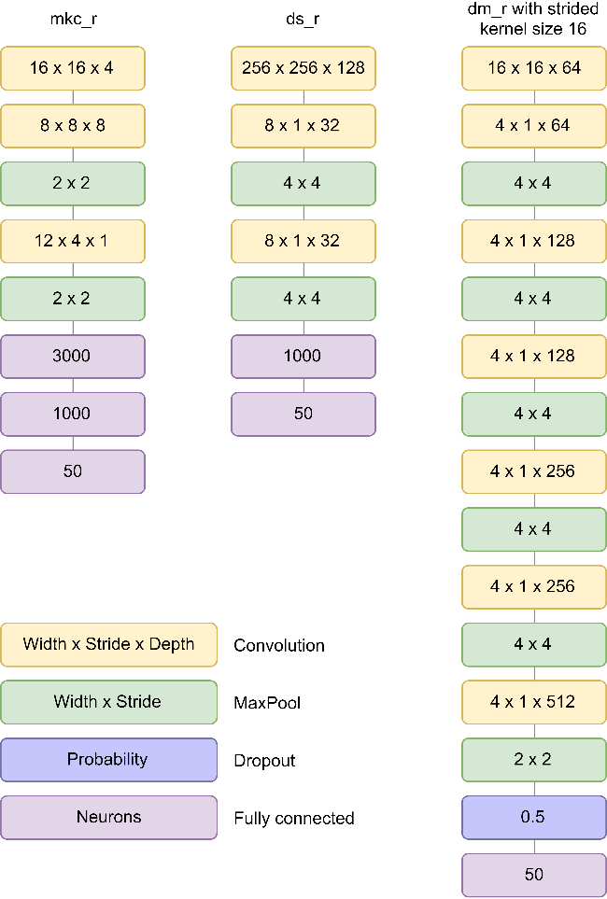
MKC_R
DS_R
DM_R WITH STRIDED KERNEL SIZE 16

MKC_F and DS_F are modifications of MKC_R with conv2d and DS_R without first layer and conv2d respectively
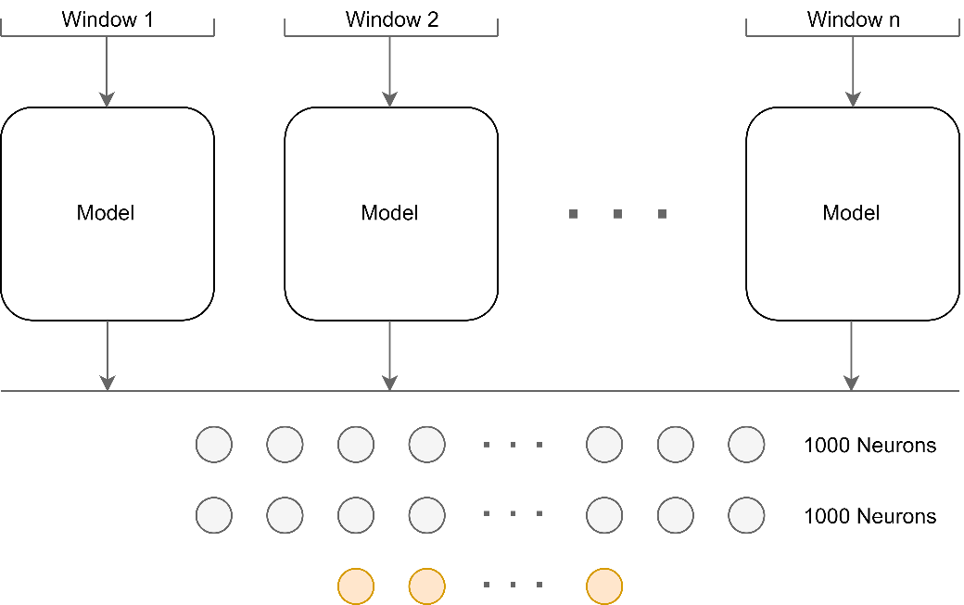
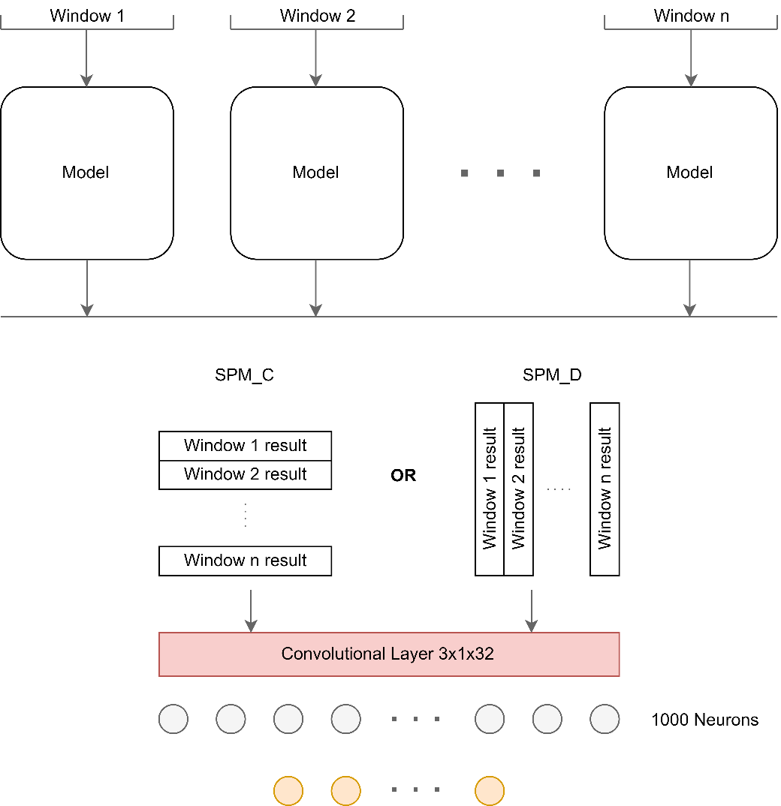
SPM_A
SPM_C and SPM_D

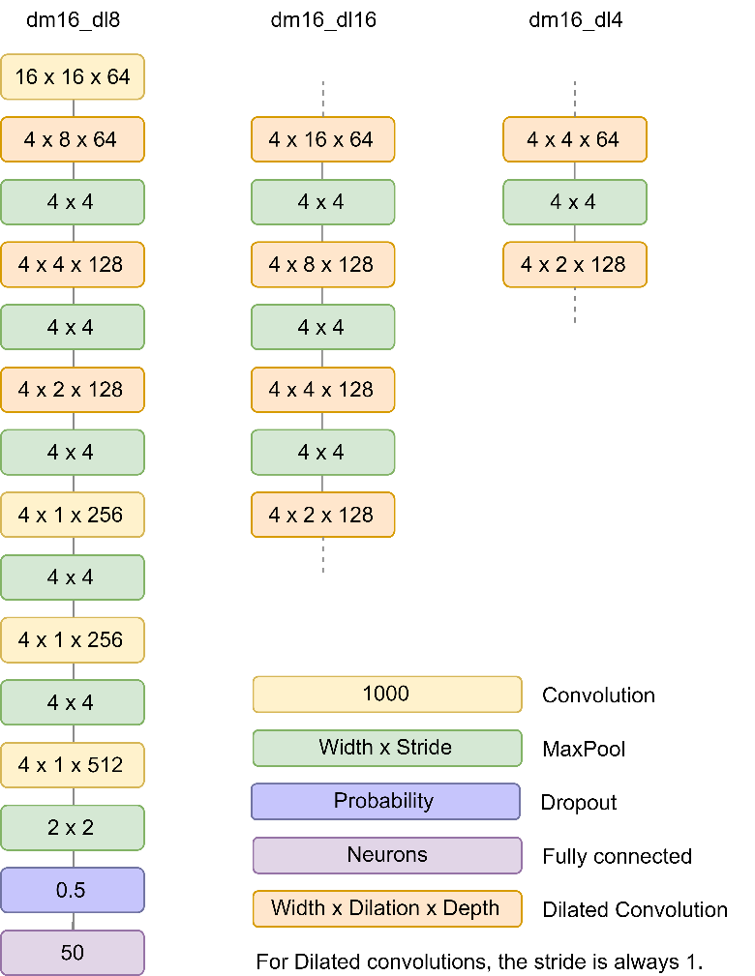
DM_DL_R

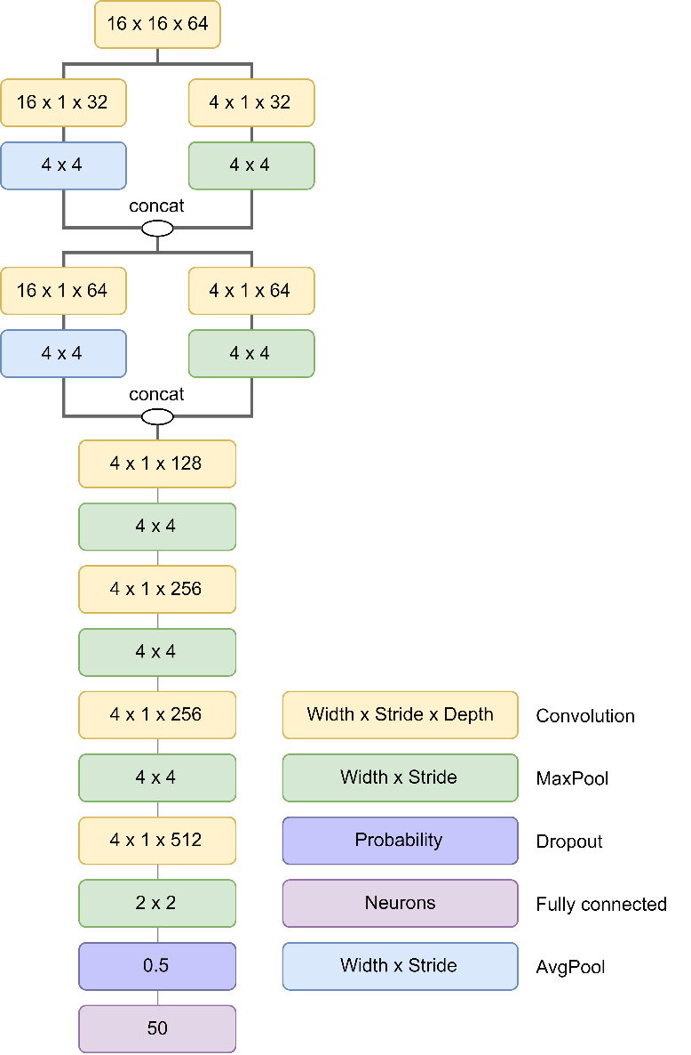
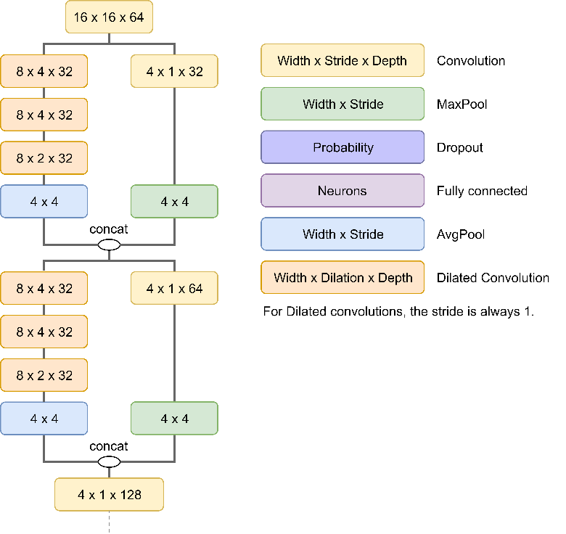
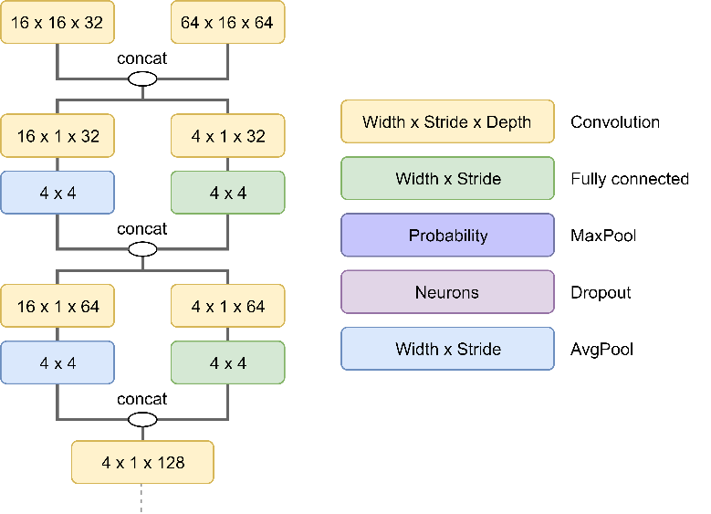
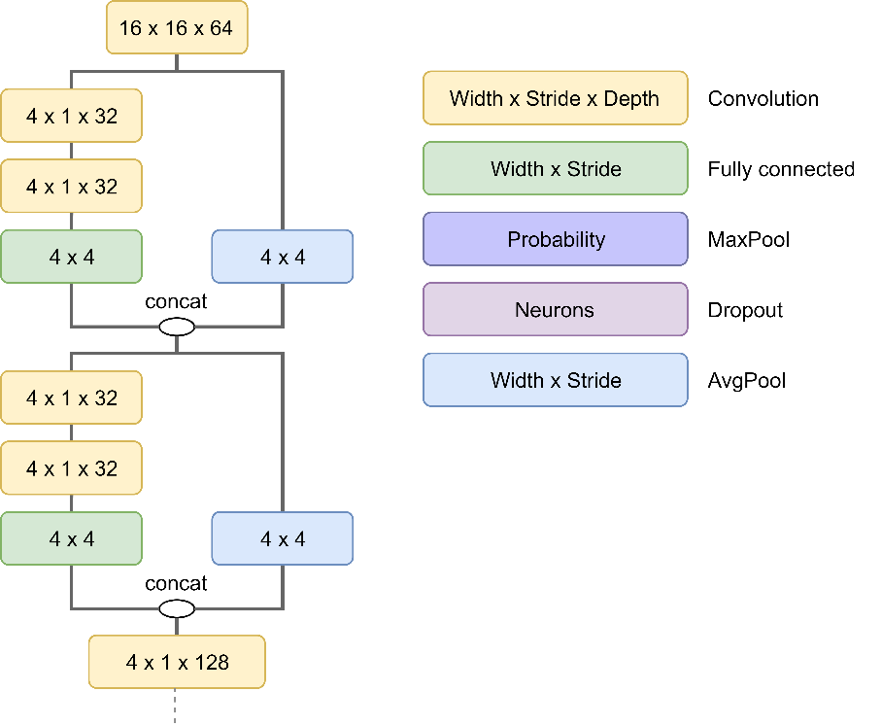
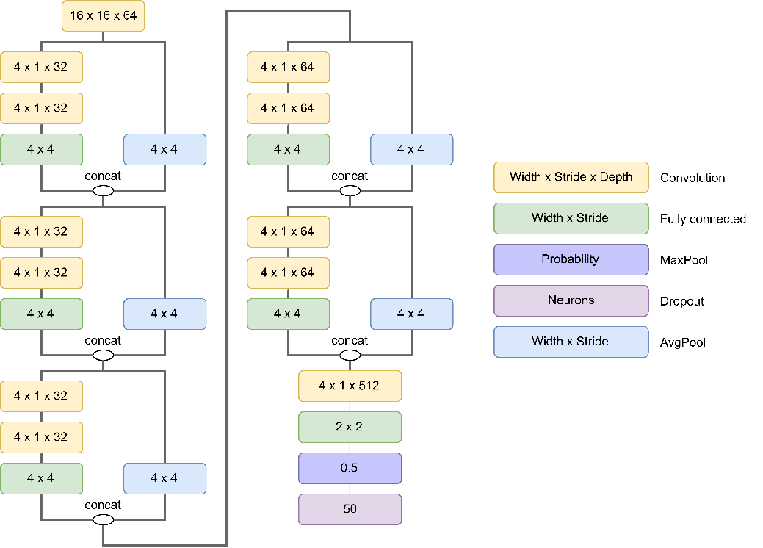
MUL16A
MUL16B
MUL16D
MUL16E
MUL16F

 | Model mul16ds has no multiple kernels in 2nd and third layers. These are the same as dm_r

True Positive Factoring
 | Error True Label 0 | Error True Label 1 | Proposed Error for True Label 1 | Factor
 | 0 | 1 | 1 | 2
-5 | 0.0 | 5.0 | 10.0
-4.9 | 0.0 | 4.9 | 9.8
-4.8 | 0.0 | 4.8 | 9.6
-4.7 | 0.0 | 4.7 | 9.4
Sigmoid cross entropy loss and proposed modification
-4.6 | 0.0 | 4.6 | 9.2
-4.5 | 0.0 | 4.5 | 9.0
-4.4 | 0.0 | 4.4 | 8.8
-4.3 | 0.0 | 4.3 | 8.6
-4.2 | 0.0 | 4.2 | 8.4
-4.1 | 0.0 | 4.1 | 8.2
-4 | 0.0 | 4.0 | 8.0
-3.9 | 0.0 | 3.9 | 7.8
-3.8 | 0.0 | 3.8 | 7.6
-3.7 | 0.0 | 3.7 | 7.4
-3.6 | 0.0 | 3.6 | 7.2
-3.5 | 0.0 | 3.5 | 7.0
-3.4 | 0.0 | 3.4 | 6.8
-3.3 | 0.0 | 3.3 | 6.6
-3.2 | 0.0 | 3.2 | 6.4
-3.1 | 0.0 | 3.1 | 6.2
-3 | 0.0 | 3.0 | 6.0
-2.9 | 0.0 | 2.9 | 5.8
-2.8 | 0.0 | 2.8 | 5.6
-2.7 | 0.0 | 2.7 | 5.4
-2.6 | 0.0 | 2.6 | 5.2
-2.5 | 0.0 | 2.5 | 5.0
-2.4 | 0.0 | 2.4 | 4.8
-2.3 | 0.0 | 2.3 | 4.6
-2.2 | 0.0 | 2.2 | 4.4
-2.1 | 0.1 | 2.2 | 4.3
-2 | 0.1 | 2.1 | 4.1
-1.9 | 0.1 | 2.0 | 3.9
-1.8 | 0.1 | 1.9 | 3.7
-1.7 | 0.1 | 1.8 | 3.5
-1.6 | 0.1 | 1.7 | 3.3
-1.5 | 0.1 | 1.6 | 3.1
-1.4 | 0.1 | 1.5 | 2.9
-1.3 | 0.1 | 1.4 | 2.7
-1.2 | 0.1 | 1.3 | 2.5
-1.1 | 0.1 | 1.2 | 2.3
-1 | 0.1 | 1.1 | 2.1
-0.9 | 0.1 | 1.0 | 1.9
-0.8 | 0.2 | 1.0 | 1.8
-0.7 | 0.2 | 0.9 | 1.6
-0.6 | 0.2 | 0.8 | 1.4
-0.5 | 0.2 | 0.7 | 1.2
-0.4 | 0.2 | 0.6 | 1.0
-0.3 | 0.2 | 0.5 | 0.8
-0.2 | 0.3 | 0.5 | 0.7
-0.1 | 0.3 | 0.4 | 0.5
0 | 0.3 | 0.3 | 0.3
0.1 | 0.4 | 0.3 | 0.3
0.2 | 0.5 | 0.3 | 0.3
0.3 | 0.5 | 0.2 | 0.2
0.4 | 0.6 | 0.2 | 0.2
0.5 | 0.7 | 0.2 | 0.2
0.6 | 0.8 | 0.2 | 0.2
0.7 | 0.9 | 0.2 | 0.2
0.8 | 1.0 | 0.2 | 0.2
0.9 | 1.0 | 0.1 | 0.1
1 | 1.1 | 0.1 | 0.1
1.1 | 1.2 | 0.1 | 0.1
1.2 | 1.3 | 0.1 | 0.1
1.3 | 1.4 | 0.1 | 0.1
1.4 | 1.5 | 0.1 | 0.1
1.5 | 1.6 | 0.1 | 0.1
1.6 | 1.7 | 0.1 | 0.1
1.7 | 1.8 | 0.1 | 0.1
1.8 | 1.9 | 0.1 | 0.1
1.9 | 2.0 | 0.1 | 0.1
2 | 2.1 | 0.1 | 0.1
2.1 | 2.2 | 0.1 | 0.1
2.2 | 2.2 | 0.0 | 0.0
2.3 | 2.3 | 0.0 | 0.0
2.4 | 2.4 | 0.0 | 0.0
2.5 | 2.5 | 0.0 | 0.0
2.6 | 2.6 | 0.0 | 0.0
2.7 | 2.7 | 0.0 | 0.0
2.8 | 2.8 | 0.0 | 0.0
2.9 | 2.9 | 0.0 | 0.0
3 | 3.0 | 0.0 | 0.0
3.1 | 3.1 | 0.0 | 0.0
3.2 | 3.2 | 0.0 | 0.0
3.3 | 3.3 | 0.0 | 0.0
3.4 | 3.4 | 0.0 | 0.0
3.5 | 3.5 | 0.0 | 0.0
3.6 | 3.6 | 0.0 | 0.0
3.7 | 3.7 | 0.0 | 0.0
3.8 | 3.8 | 0.0 | 0.0
3.9 | 3.9 | 0.0 | 0.0
4 | 4.0 | 0.0 | 0.0
4.1 | 4.1 | 0.0 | 0.0
4.2 | 4.2 | 0.0 | 0.0
4.3 | 4.3 | 0.0 | 0.0
4.4 | 4.4 | 0.0 | 0.0
4.5 | 4.5 | 0.0 | 0.0
4.6 | 4.6 | 0.0 | 0.0
4.7 | 4.7 | 0.0 | 0.0
4.8 | 4.8 | 0.0 | 0.0
4.9 | 4.9 | 0.0 | 0.0
5 | 5.0 | 0.0 | 0.0

Tag Balancing
Dataset Tag balancing
 | guitar | classical | slow | techno | strings | drums | electronic | rock | fast | piano | ambient | beat | violin | vocal | synth | female | indian | opera | male | singing | vocals | no vocals | harpsichord | loud | quiet | flute | woman | male vocal | no vocal | pop | soft | sitar | solo | man | classic | choir | voice | new age | dance | male voice | feamale vocal | beats | harp | cello | no voice | weird | country | metal | female voice | choral
Eval Set tag count | 498 | 376 | 328 | 293 | 234 | 264 | 244 | 257 | 228 | 168 | 202 | 203 | 171 | 162 | 169 | 136 | 139 | 126 | 132 | 119 | 111 | 104 | 96 | 108 | 87 | 96 | 100 | 109 | 96 | 106 | 86 | 85 | 85 | 75 | 62 | 72 | 65 | 65 | 77 | 54 | 57 | 83 | 65 | 56 | 59 | 64 | 67 | 41 | 47 | 55
Tag Positives distribution
Tag Factor
 | 1.0 | 1 | 1.0 | 1.0 | 1.0 | 1.0
 | 1.2 |  | 1.7 | 2.6 | 4.4 | 3.8
 | 1.3 |  | 2.1 | 3.5 | 6.4 | 5.4
 | 1.4 |  | 2.4 | 4.2 | 7.7 | 6.5
 | 1.4 |  | 2.6 | 4.7 | 8.8 | 7.4
 | 1.5 |  | 2.8 | 5.1 | 9.7 | 8.2
 | 1.5 |  | 3.0 | 5.5 | 10.5 | 8.8
 | 1.5 |  | 3.1 | 5.8 | 11.1 | 9.3
 | 1.6 |  | 3.2 | 6.1 | 11.7 | 9.8
 | 1.6 |  | 3.4 | 6.3 | 12.2 | 10.2
 | 1.6 |  | 3.5 | 6.5 | 12.7 | 10.6
 | 1.6 |  | 3.5 | 6.7 | 13.1 | 10.9
 | 1.7 |  | 3.6 | 6.9 | 13.5 | 11.3
 | 1.7 |  | 3.7 | 7.1 | 13.8 | 11.6
 | 1.7 |  | 3.8 | 7.2 | 14.2 | 11.8
 | 1.7 |  | 3.8 | 7.4 | 14.5 | 12.1
 | 1.7 |  | 3.9 | 7.5 | 14.8 | 12.3
 | 1.7 |  | 4.0 | 7.7 | 15.0 | 12.6
 | 1.8 |  | 4.0 | 7.8 | 15.3 | 12.8
 | 1.8 |  | 4.1 | 7.9 | 15.6 | 13.0
 | 1.8 |  | 4.1 | 8.0 | 15.8 | 13.2
 | 1.8 |  | 4.2 | 8.1 | 16.0 | 13.4
 | 1.8 |  | 4.2 | 8.2 | 16.2 | 13.5
 | 1.8 |  | 4.3 | 8.3 | 16.4 | 13.7
 | 1.8 |  | 4.3 | 8.4 | 16.6 | 13.9
 | 1.8 |  | 4.3 | 8.5 | 16.8 | 14.0
 | 1.8 |  | 4.4 | 8.6 | 17.0 | 14.2
 | 1.9 |  | 4.4 | 8.7 | 17.2 | 14.3
 | 1.9 |  | 4.4 | 8.7 | 17.4 | 14.5
 | 1.9 |  | 4.5 | 8.8 | 17.5 | 14.6
 | 1.9 |  | 4.5 | 8.9 | 17.7 | 14.7
 | 1.9 |  | 4.5 | 9.0 | 17.8 | 14.9
 | 1.9 |  | 4.6 | 9.0 | 18.0 | 15.0
 | 1.9 |  | 4.6 | 9.1 | 18.1 | 15.1
 | 1.9 |  | 4.6 | 9.2 | 18.3 | 15.2
 | 1.9 |  | 4.7 | 9.2 | 18.4 | 15.3
 | 1.9 |  | 4.7 | 9.3 | 18.5 | 15.4
 | 1.9 |  | 4.7 | 9.4 | 18.7 | 15.6
 | 1.9 |  | 4.7 | 9.4 | 18.8 | 15.7
 | 1.9 |  | 4.8 | 9.5 | 18.9 | 15.8
 | 1.9 |  | 4.8 | 9.5 | 19.0 | 15.9
 | 2.0 |  | 4.8 | 9.6 | 19.2 | 16.0
 | 2.0 |  | 4.8 | 9.7 | 19.3 | 16.0
 | 2.0 |  | 4.9 | 9.7 | 19.4 | 16.1
 | 2.0 |  | 4.9 | 9.8 | 19.5 | 16.2
 | 2.0 |  | 4.9 | 9.8 | 19.6 | 16.3
 | 2.0 |  | 4.9 | 9.9 | 19.7 | 16.4
 | 2.0 |  | 5.0 | 9.9 | 19.8 | 16.5
 | 2.0 |  | 5.0 | 10.0 | 19.9 | 16.6
 | 2.0 |  | 5.0 | 10.0 | 20.0 | 16.6

Tag value | 1 | 2 | 3 | 4 | 5 | 6 | 7 | 8 | 9 | 10 | 11 | 12 | 13 | 14 | 15 | 16 | 17 | 18 | 19 | 20 | 21 | 22 | 23 | 24 | 25 | 26 | 27 | 28 | 29 | 30 | 31 | 32 | 33 | 34 | 35 | 36 | 37 | 38 | 39 | 40 | 41 | 42 | 43 | 44 | 45 | 46 | 47 | 48 | 49 | 50
Original equation | 446.5 | 373.9 | 331.4 | 301.3 | 277.9 | 258.9 | 242.7 | 228.7 | 216.4 | 205.4 | 195.4 | 186.3 | 177.9 | 170.1 | 162.9 | 156.2 | 149.8 | 143.8 | 138.2 | 132.8 | 127.7 | 122.8 | 118.2 | 113.7 | 109.4 | 105.3 | 101.4 | 97.6 | 93.9 | 90.3 | 86.9 | 83.6 | 80.4 | 77.2 | 74.2 | 71.3 | 68.4 | 65.6 | 62.9 | 60.2 | 57.6 | 55.1 | 52.7 | 50.2 | 47.9 | 45.6 | 43.3 | 41.1 | 39.0 | 36.9
Inverted scale | 446.5 | 519.0 | 561.5 | 591.6 | 615.0 | 634.0 | 650.2 | 664.2 | 676.5 | 687.5 | 697.5 | 706.6 | 715.0 | 722.8 | 730.0 | 736.7 | 743.1 | 749.1 | 754.7 | 760.1 | 765.2 | 770.1 | 774.7 | 779.2 | 783.5 | 787.6 | 791.5 | 795.3 | 799.0 | 802.6 | 806.0 | 809.3 | 812.5 | 815.7 | 818.7 | 821.6 | 824.5 | 827.3 | 830.0 | 832.7 | 835.3 | 837.8 | 840.2 | 842.7 | 845.0 | 847.3 | 849.6 | 851.8 | 853.9 | 856.0
Inverted scale no bias | 0.4 | 73.0 | 115.5 | 145.6 | 169.0 | 188.0 | 204.2 | 218.2 | 230.5 | 241.5 | 251.5 | 260.6 | 269.0 | 276.8 | 284.0 | 290.7 | 297.1 | 303.1 | 308.7 | 314.1 | 319.2 | 324.1 | 328.7 | 333.2 | 337.5 | 341.6 | 345.5 | 349.3 | 353.0 | 356.6 | 360.0 | 363.3 | 366.5 | 369.7 | 372.7 | 375.6 | 378.5 | 381.3 | 384.0 | 386.7 | 389.3 | 391.8 | 394.2 | 396.7 | 399.0 | 401.3 | 403.6 | 405.8 | 407.9 | 410.0
ISNB, offset 1, 1to2 | 1.0 | 1.2 | 1.3 | 1.4 | 1.4 | 1.5 | 1.5 | 1.5 | 1.6 | 1.6 | 1.6 | 1.6 | 1.7 | 1.7 | 1.7 | 1.7 | 1.7 | 1.7 | 1.8 | 1.8 | 1.8 | 1.8 | 1.8 | 1.8 | 1.8 | 1.8 | 1.8 | 1.9 | 1.9 | 1.9 | 1.9 | 1.9 | 1.9 | 1.9 | 1.9 | 1.9 | 1.9 | 1.9 | 1.9 | 1.9 | 1.9 | 2.0 | 2.0 | 2.0 | 2.0 | 2.0 | 2.0 | 2.0 | 2.0 | 2.0
ISNB, offset 1, 1to5 | 1.0 | 1.7 | 2.1 | 2.4 | 2.6 | 2.8 | 3.0 | 3.1 | 3.2 | 3.4 | 3.5 | 3.5 | 3.6 | 3.7 | 3.8 | 3.8 | 3.9 | 4.0 | 4.0 | 4.1 | 4.1 | 4.2 | 4.2 | 4.3 | 4.3 | 4.3 | 4.4 | 4.4 | 4.4 | 4.5 | 4.5 | 4.5 | 4.6 | 4.6 | 4.6 | 4.7 | 4.7 | 4.7 | 4.7 | 4.8 | 4.8 | 4.8 | 4.8 | 4.9 | 4.9 | 4.9 | 4.9 | 5.0 | 5.0 | 5.0
ISNB, offset 1, 1to10 | 1.0 | 2.6 | 3.5 | 4.2 | 4.7 | 5.1 | 5.5 | 5.8 | 6.1 | 6.3 | 6.5 | 6.7 | 6.9 | 7.1 | 7.2 | 7.4 | 7.5 | 7.7 | 7.8 | 7.9 | 8.0 | 8.1 | 8.2 | 8.3 | 8.4 | 8.5 | 8.6 | 8.7 | 8.7 | 8.8 | 8.9 | 9.0 | 9.0 | 9.1 | 9.2 | 9.2 | 9.3 | 9.4 | 9.4 | 9.5 | 9.5 | 9.6 | 9.7 | 9.7 | 9.8 | 9.8 | 9.9 | 9.9 | 10.0 | 10.0
ISNB, offset 1, 1to20 | 1.0 | 4.4 | 6.4 | 7.7 | 8.8 | 9.7 | 10.5 | 11.1 | 11.7 | 12.2 | 12.7 | 13.1 | 13.5 | 13.8 | 14.2 | 14.5 | 14.8 | 15.0 | 15.3 | 15.6 | 15.8 | 16.0 | 16.2 | 16.4 | 16.6 | 16.8 | 17.0 | 17.2 | 17.4 | 17.5 | 17.7 | 17.8 | 18.0 | 18.1 | 18.3 | 18.4 | 18.5 | 18.7 | 18.8 | 18.9 | 19.0 | 19.2 | 19.3 | 19.4 | 19.5 | 19.6 | 19.7 | 19.8 | 19.9 | 20.0
Imp. With factor 4 | 1.0 | 3.8 | 5.4 | 6.5 | 7.4 | 8.2 | 8.8 | 9.3 | 9.8 | 10.2 | 10.6 | 10.9 | 11.3 | 11.6 | 11.8 | 12.1 | 12.3 | 12.6 | 12.8 | 13.0 | 13.2 | 13.4 | 13.5 | 13.7 | 13.9 | 14.0 | 14.2 | 14.3 | 14.5 | 14.6 | 14.7 | 14.9 | 15.0 | 15.1 | 15.2 | 15.3 | 15.4 | 15.6 | 15.7 | 15.8 | 15.9 | 16.0 | 16.0 | 16.1 | 16.2 | 16.3 | 16.4 | 16.5 | 16.6 | 16.6
Imp. With factor 10 | 1.0 | 7.9 | 12.0 | 14.9 | 17.1 | 18.9 | 20.5 | 21.8 | 23.0 | 24.0 | 25.0 | 25.8 | 26.6 | 27.4 | 28.1 | 28.7 | 29.3 | 29.9 | 30.4 | 31.0 | 31.4 | 31.9 | 32.4 | 32.8 | 33.2 | 33.6 | 34.0 | 34.3 | 34.7 | 35.0 | 35.3 | 35.7 | 36.0 | 36.3 | 36.6 | 36.8 | 37.1 | 37.4 | 37.6 | 37.9 | 38.1 | 38.4 | 38.6 | 38.8 | 39.1 | 39.3 | 39.5 | 39.7 | 39.9 | 40.1
Imp. With factor 104 | 1.0 | 73.1 | 115.3 | 145.2 | 168.4 | 187.3 | 203.4 | 217.3 | 229.5 | 240.5 | 250.4 | 259.4 | 267.8 | 275.5 | 282.6 | 289.3 | 295.7 | 301.6 | 307.2 | 312.6 | 317.6 | 322.5 | 327.1 | 331.5 | 335.8 | 339.8 | 343.8 | 347.5 | 351.2 | 354.7 | 358.1 | 361.4 | 364.6 | 367.7 | 370.8 | 373.7 | 376.5 | 379.3 | 382.0 | 384.6 | 387.2 | 389.7 | 392.2 | 394.6 | 396.9 | 399.2 | 401.4 | 403.6 | 405.7 | 407.9

Tags positives distribution

TPF and TB Results
RESULTS WITH DS256 TRAINED FOR 60 EPOCHS
 | Tags | TPF0 TB0 | TPF10 TB0 | TPF10TB10 | TPF10 TB104
 |  | ROC | ROC | ROC | ROC
 | Total | 0.5424 | 0.6661 | 0.6451 | 0.6769
60 EPOCHS | guitar | 0.5801 | 0.5922 |  | 0.5548
Tag specific AUCROC for ds256_ra
 | classical | 0.6342 | 0.7563 |  | 0.7582
 | slow | 0.5143 | 0.5646 |  | 0.6069
 | techno | 0.6898 | 0.7511 |  | 0.7626
 | strings | 0.4989 | 0.6871 |  | 0.686
 | drums | 0.5184 | 0.6923 |  | 0.691
 | electronic | 0.5511 | 0.658 |  | 0.6993
 | rock | 0.6645 | 0.7655 |  | 0.7835
 | fast | 0.5158 | 0.6118 |  | 0.5935
 | piano | 0.5102 | 0.6583 |  | 0.6618
 | ambient | 0.5084 | 0.6319 |  | 0.6149
 | beat | 0.5825 | 0.7367 |  | 0.754
 | violin | 0.5 | 0.6148 |  | 0.6471
 | vocal | 0.4989 | 0.5556 |  | 0.5339
 | synth | 0.5043 | 0.5878 |  | 0.5834
 | female | 0.4997 | 0.5242 |  | 0.5513
 | indian | 0.5264 | 0.5971 |  | 0.6005
 | opera | 0.4997 | 0.7692 |  | 0.8189
 | male | 0.5071 | 0.501 |  | 0.5397
 | singing | 0.5 | 0.5129 |  | 0.5238
 | vocals | 0.4995 | 0.5579 |  | 0.5367
 | no vocals | 0.4997 | 0.5328 |  | 0.5323
 | harpsichord | 0.5 | 0.6523 |  | 0.6703
 | loud | 0.5968 | 0.69 |  | 0.7239
 | quiet | 0.5 | 0.7314 |  | 0.7379
 | flute | 0.5057 | 0.6242 |  | 0.6081
 | woman | 0.5 | 0.5213 |  | 0.5404
 | male vocal | 0.4992 | 0.566 |  | 0.555
 | no vocal | 0.5 | 0.5173 |  | 0.498
 | pop | 0.4995 | 0.5793 |  | 0.5843
 | soft | 0.5 | 0.6039 |  | 0.5922
 | sitar | 0.5384 | 0.6841 |  | 0.6653
 | solo | 0.5 | 0.576 |  | 0.5779
 | man | 0.4997 | 0.5078 |  | 0.5261
 | classic | 0.5 | 0.5593 |  | 0.5632
 | choir | 0.4987 | 0.6911 |  | 0.6642
 | voice | 0.5 | 0.5113 |  | 0.491
 | new age | 0.5 | 0.5436 |  | 0.531
 | dance | 0.5188 | 0.6633 |  | 0.61
 | male voice | 0.4997 | 0.527 |  | 0.5085
 | female vocal | 0.5 | 0.4946 |  | 0.5085
 | beats | 0.4997 | 0.5984 |  | 0.5756
 | harp | 0.5 | 0.5621 |  | 0.5559
 | cello | 0.5 | 0.5904 |  | 0.5907
 | no voice | 0.5 | 0.5008 |  | 0.4915
 | weird | 0.5 | 0.5311 |  | 0.4986
 | country | 0.5 | 0.5124 |  | 0.548
 | metal | 0.4997 | 0.5046 |  | 0.5087
 | female voice | 0.5548 | 0.6298 |  | 0.6763
 | choral | 0.499 | 0.6681 |  | 0.5959
 | STD | 0.0430 | 0.0797 |  | 0.0850

RESULTS WITH MKC_R TRAINED FOR 20 EPOCHS
 | Tags | TPF0 TB0 | TPF10 TB0 | TPF10 TB10 | TPF10 TB104 | TPF0 TB0 F | TPF10 TB0 F | TPF10 TB10 F | TPF10 TB104 F
 |  | ROC | ROC | ROC | ROC | ROC | ROC | ROC | ROC
 | Total | 0.5302 | 0.6254 | 0.611 | 0.6248 | 0.6194 | 0.6901 | 0.6624 | 0.6609
20 EPOCHS TB AND TPF ROC
 | TPF10 TB0 | #REF! | TPF10 TB10 | TPF10 TB104 | TPF10 TB104 F
guitar | 0.576 | 1 | 0.5412 | 0.5304
classical | 0.7161 |  | 0.6872 | 0.7266
slow | 0.5809 |  | 0.5662 | 0.5884
techno | 0.7028 |  | 0.6978 | 0.7199
strings | 0.6218 |  | 0.5616 | 0.6573
drums | 0.6529 |  | 0.6287 | 0.6253
electronic | 0.6407 |  | 0.6298 | 0.6554
rock | 0.7358 |  | 0.7047 | 0.7231
fast | 0.5972 |  | 0.5843 | 0.5581
piano | 0.6306 |  | 0.5588 | 0.5997
ambient | 0.584 |  | 0.5385 | 0.5378
beat | 0.7324 |  | 0.6402 | 0.6891
violin | 0.5875 |  | 0.5752 | 0.5543
vocal | 0.5186 |  | 0.5031 | 0.5219
synth | 0.5915 |  | 0.5748 | 0.5589
female | 0.5092 |  | 0.4988 | 0.4999
indian | 0.5203 |  | 0.5443 | 0.5331
opera | 0.7015 |  | 0.5808 | 0.6566
male | 0.5156 |  | 0.5208 | 0.4937
singing | 0.493 |  | 0.5067 | 0.5067
vocals | 0.4771 |  | 0.5192 | 0.5091
no vocals | 0.5075 |  | 0.4949 | 0.5119
harpsichord | 0.619 |  | 0.5743 | 0.6028
loud | 0.6413 |  | 0.5363 | 0.603
quiet | 0.5754 |  | 0.6178 | 0.6125
flute | 0.5166 |  | 0.5806 | 0.5601
woman | 0.4953 |  | 0.4945 | 0.4916
male vocal | 0.5358 |  | 0.5144 | 0.5141
no vocal | 0.4846 |  | 0.483 | 0.5029
pop | 0.5436 |  | 0.5052 | 0.5423
soft | 0.5443 |  | 0.5349 | 0.6449
sitar | 0.55 |  | 0.525 | 0.5136
solo | 0.5802 |  | 0.5063 | 0.5263
man | 0.4928 |  | 0.5069 | 0.5145
classic | 0.5142 |  | 0.4966 | 0.6045
choir | 0.5495 |  | 0.5989 | 0.5202
voice | 0.4856 |  | 0.4992 | 0.5013
new age | 0.517 |  | 0.5025 | 0.5114
dance | 0.6393 |  | 0.5873 | 0.5345
male voice | 0.5079 |  | 0.4966 | 0.507
feamale vocal | 0.5218 |  | 0.4931 | 0.4939
beats | 0.5477 |  | 0.5672 | 0.5291
harp | 0.5382 |  | 0.531 | 0.6144
cello | 0.52 |  | 0.5738 | 0.6093
no voice | 0.4921 |  | 0.4966 | 0.4934
weird | 0.5017 |  | 0.5018 | 0.5022
country | 0.5115 |  | 0.511 | 0.5171
metal | 0.4987 |  | 0.5111 | 0.4951
female voice | 0.6784 |  | 0.5401 | 0.6102
choral | 0.5394 |  | 0.5125 | 0.5104
20 EPOCHS | guitar |  | 0.576 | 0.5412 | 0.5304 |  | 0.7415
 | classical |  | 0.7161 | 0.6872 | 0.7266 |  | 0.7981
 | slow |  | 0.5809 | 0.5662 | 0.5884 |  | 0.6573
 | techno |  | 0.7028 | 0.6978 | 0.7199 |  | 0.7487
 | strings |  | 0.6218 | 0.5616 | 0.6573 |  | 0.7189
 | drums |  | 0.6529 | 0.6287 | 0.6253 |  | 0.6256
 | electronic |  | 0.6407 | 0.6298 | 0.6554 |  | 0.6614
 | rock |  | 0.7358 | 0.7047 | 0.7231 |  | 0.8542
 | fast |  | 0.5972 | 0.5843 | 0.5581 |  | 0.6149
 | piano |  | 0.6306 | 0.5588 | 0.5997 |  | 0.7451
 | ambient |  | 0.584 | 0.5385 | 0.5378 |  | 0.6972
 | beat |  | 0.7324 | 0.6402 | 0.6891 |  | 0.6578
 | violin |  | 0.5875 | 0.5752 | 0.5543 |  | 0.7528
 | vocal |  | 0.5186 | 0.5031 | 0.5219 |  | 0.6156
 | synth |  | 0.5915 | 0.5748 | 0.5589 |  | 0.5645
 | female |  | 0.5092 | 0.4988 | 0.4999 |  | 0.6127
 | indian |  | 0.5203 | 0.5443 | 0.5331 |  | 0.618
 | opera |  | 0.7015 | 0.5808 | 0.6566 |  | 0.7319
 | male |  | 0.5156 | 0.5208 | 0.4937 |  | 0.6692
 | singing |  | 0.493 | 0.5067 | 0.5067 |  | 0.6313
 | vocals |  | 0.4771 | 0.5192 | 0.5091 |  | 0.6672
 | no vocals |  | 0.5075 | 0.4949 | 0.5119 |  | 0.5244
 | harpsichord |  | 0.619 | 0.5743 | 0.6028 |  | 0.8442
 | loud |  | 0.6413 | 0.5363 | 0.603 |  | 0.5651
 | quiet |  | 0.5754 | 0.6178 | 0.6125 |  | 0.7121
 | flute |  | 0.5166 | 0.5806 | 0.5601 |  | 0.6891
 | woman |  | 0.4953 | 0.4945 | 0.4916 |  | 0.5698
 | male vocal |  | 0.5358 | 0.5144 | 0.5141 |  | 0.6377
 | no vocal |  | 0.4846 | 0.483 | 0.5029 |  | 0.4887
 | pop |  | 0.5436 | 0.5052 | 0.5423 |  | 0.6553
 | soft |  | 0.5443 | 0.5349 | 0.6449 |  | 0.5984
 | sitar |  | 0.55 | 0.525 | 0.5136 |  | 0.6758
 | solo |  | 0.5802 | 0.5063 | 0.5263 |  | 0.5858
 | man |  | 0.4928 | 0.5069 | 0.5145 |  | 0.6929
 | classic |  | 0.5142 | 0.4966 | 0.6045 |  | 0.519
 | choir |  | 0.5495 | 0.5989 | 0.5202 |  | 0.7637
 | voice |  | 0.4856 | 0.4992 | 0.5013 |  | 0.5096
 | new age |  | 0.517 | 0.5025 | 0.5114 |  | 0.5139
 | dance |  | 0.6393 | 0.5873 | 0.5345 |  | 0.5997
 | male voice |  | 0.5079 | 0.4966 | 0.507 |  | 0.6314
 | feamale vocal |  | 0.5218 | 0.4931 | 0.4939 |  | 0.5394
 | beats |  | 0.5477 | 0.5672 | 0.5291 |  | 0.5639
 | harp |  | 0.5382 | 0.531 | 0.6144 |  | 0.582
 | cello |  | 0.52 | 0.5738 | 0.6093 |  | 0.7716
 | no voice |  | 0.4921 | 0.4966 | 0.4934 |  | 0.4973
 | weird |  | 0.5017 | 0.5018 | 0.5022 |  | 0.5117
 | country |  | 0.5115 | 0.511 | 0.5171 |  | 0.6338
 | metal |  | 0.4987 | 0.5111 | 0.4951 |  | 0.51
 | female voice |  | 0.6784 | 0.5401 | 0.6102 |  | 0.7991
 | choral |  | 0.5394 | 0.5125 | 0.5104 |  | 0.6966

True Positives for 'Slow' Tag
 |  |  | Slow tag
 |  |  | Step | Value
 |  |  | 449 | 0
 |  |  | 927 | 0
 |  |  | 1406 | 0
 |  |  | 1890 | 0
 |  |  | 2366 | 0
 |  |  | 2847 | 0
 |  |  | 3325 | 0
 |  |  | 3802 | 0
 |  |  | 4271 | 0
 |  |  | 4735 | 1
 |  |  | 5208 | 2
 |  |  | 5686 | 0
 |  |  | 6158 | 3
 |  |  | 6638 | 7
 |  |  | 7110 | 2
 |  |  | 7593 | 7
 |  |  | 8077 | 9
 |  |  | 8548 | 12
 |  |  | 9040 | 11
 |  |  | 9531 | 9
 |  |  | 10002 | 7
 |  |  | 10479 | 9
 |  |  | 10958 | 11

Complete Windowing Results
STME Windowing Model Comparison
Raw Windowing Model Comparison
Raw Windowing model Tag Comparison
RESULTS WITH DS256 TRAINED FOR 60 EPOCHS
Tags | No win R | STME R | SPM_BEST R | STME F
 | ROC | ROC | ROC | ROC
Total | 0.6661 | 0.7117 | 0.7343 | 0.7948
guitar | 0.5922 | 0.6237 | 0.6499 | 0.7966
classical | 0.7563 | 0.8094 | 0.7992 | 0.8512
slow | 0.5646 | 0.6569 | 0.629 | 0.7327
techno | 0.7511 | 0.8174 | 0.8083 | 0.8625
strings | 0.6871 | 0.7372 | 0.6976 | 0.8166
drums | 0.6923 | 0.7514 | 0.7477 | 0.7935
electronic | 0.658 | 0.7464 | 0.7329 | 0.8043
rock | 0.7655 | 0.8567 | 0.8642 | 0.8896
fast | 0.6118 | 0.6876 | 0.645 | 0.77
piano | 0.6583 | 0.7242 | 0.7369 | 0.8628
ambient | 0.6319 | 0.7067 | 0.6964 | 0.8665
beat | 0.7367 | 0.804 | 0.784 | 0.8653
violin | 0.6148 | 0.7442 | 0.6881 | 0.8959
vocal | 0.5556 | 0.6436 | 0.6251 | 0.725
synth | 0.5878 | 0.6802 | 0.68 | 0.7591
female | 0.5242 | 0.6288 | 0.6727 | 0.8157
indian | 0.5971 | 0.6734 | 0.6824 | 0.7982
opera | 0.7692 | 0.8305 | 0.8407 | 0.9247
male | 0.501 | 0.6025 | 0.6357 | 0.6937
singing | 0.5129 | 0.5481 | 0.6402 | 0.7336
vocals | 0.5579 | 0.6061 | 0.6492 | 0.7185
no vocals | 0.5328 | 0.5216 | 0.5387 | 0.5096
harpsichord | 0.6523 | 0.7727 | 0.7712 | 0.8792
loud | 0.69 | 0.7873 | 0.7985 | 0.7543
quiet | 0.7314 | 0.7104 | 0.7791 | 0.7012
flute | 0.6242 | 0.6575 | 0.7099 | 0.8196
woman | 0.5213 | 0.5623 | 0.606 | 0.692
male vocal | 0.566 | 0.5993 | 0.6657 | 0.6671
no vocal | 0.5173 | 0.4988 | 0.556 | 0.4988
pop | 0.5793 | 0.6996 | 0.7378 | 0.6494
soft | 0.6039 | 0.6071 | 0.6485 | 0.6474
sitar | 0.6841 | 0.7172 | 0.7448 | 0.7971
solo | 0.576 | 0.5834 | 0.5621 | 0.6344
man | 0.5078 | 0.5525 | 0.6502 | 0.6691
classic | 0.5593 | 0.5255 | 0.6538 | 0.5851
choir | 0.6911 | 0.7744 | 0.7712 | 0.8799
Standard Deviations of Raw windowing Techniques
voice | 0.5113 | 0.5012 | 0.5445 | 0.5551
new age | 0.5436 | 0.568 | 0.6426 | 0.6837
dance | 0.6633 | 0.7361 | 0.7031 | 0.8327
male voice | 0.527 | 0.5447 | 0.7025 | 0.6428
feamale vocal | 0.4946 | 0.5167 | 0.6093 | 0.6284
beats | 0.5984 | 0.5959 | 0.6761 | 0.6037
harp | 0.5621 | 0.6213 | 0.7099 | 0.7894
cello | 0.5904 | 0.6886 | 0.6825 | 0.9145
no voice | 0.5008 | 0.4994 | 0.498 | 0.4964
weird | 0.5311 | 0.5177 | 0.5819 | 0.5563
country | 0.5124 | 0.5408 | 0.6441 | 0.679
metal | 0.5046 | 0.5259 | 0.5602 | 0.5927
female voice | 0.6298 | 0.8226 | 0.8734 | 0.8579
choral | 0.6681 | 0.7152 | 0.7606 | 0.8908
STD | 0.0797 | 0.1026 | 0.0847 | 0.1170
 |  | 6 Hours to process | 4 Hours to Process

Raw Windowing Model Comparison
Raw Windowing model Tag Comparison
RESULTS WITH DS256 TRAINED FOR 20 EPOCHS
Tags | No win R | STME R | SPM R | STME F
 | ROC | ROC | ROC | ROC
Total | 0.6443 | 0.7076 | 0.6926 | 0.7333
guitar | 0.6315 | 0.6236 | 0.6021 | 0.7678
classical | 0.7094 | 0.7979 | 0.7923 | 0.8
slow | 0.6191 | 0.6531 | 0.6053 | 0.6294
techno | 0.7937 | 0.8105 | 0.761 | 0.8582
strings | 0.6289 | 0.7398 | 0.6858 | 0.7595
drums | 0.7298 | 0.7357 | 0.6855 | 0.7596
electronic | 0.711 | 0.7236 | 0.6852 | 0.7708
rock | 0.767 | 0.8424 | 0.825 | 0.879
fast | 0.5732 | 0.6757 | 0.5871 | 0.7405
piano | 0.6916 | 0.7392 | 0.6986 | 0.8057
ambient | 0.5928 | 0.6215 | 0.6284 | 0.8042
beat | 0.6675 | 0.7544 | 0.7596 | 0.8053
violin | 0.6394 | 0.7658 | 0.6585 | 0.8449
vocal | 0.5325 | 0.5502 | 0.5568 | 0.6238
synth | 0.6057 | 0.6837 | 0.6218 | 0.6936
female | 0.5586 | 0.5094 | 0.5661 | 0.6722
indian | 0.6472 | 0.6518 | 0.6383 | 0.6324
opera | 0.6663 | 0.7997 | 0.783 | 0.9368
male | 0.5415 | 0.5972 | 0.5566 | 0.6508
singing | 0.5171 | 0.5353 | 0.5252 | 0.5761
vocals | 0.5233 | 0.5539 | 0.6021 | 0.6001
no vocals | 0.5022 | 0.5152 | 0.5287 | 0.5506
harpsichord | 0.7131 | 0.8147 | 0.7778 | 0.79
loud | 0.7055 | 0.764 | 0.7821 | 0.5126
quiet | 0.6682 | 0.7425 | 0.714 | 0.6241
flute | 0.5925 | 0.6899 | 0.5792 | 0.7506
woman | 0.5232 | 0.5393 | 0.5425 | 0.6276
male vocal | 0.5325 | 0.5473 | 0.5702 | 0.5919
no vocal | 0.4877 | 0.5221 | 0.4979 | 0.5765
pop | 0.5491 | 0.6341 | 0.6371 | 0.734
soft | 0.5899 | 0.6174 | 0.6207 | 0.5337
sitar | 0.6831 | 0.738 | 0.7081 | 0.6752
solo | 0.5315 | 0.5759 | 0.5991 | 0.5703
man | 0.5217 | 0.5284 | 0.5414 | 0.54
classic | 0.4977 | 0.5754 | 0.5652 | 0.5
choir | 0.6456 | 0.6147 | 0.6966 | 0.7654
Standard Deviations of Raw windowing Techniques
voice | 0.5111 | 0.4973 | 0.5282 | 0.5305
new age | 0.5339 | 0.5095 | 0.5325 | 0.6159
dance | 0.6491 | 0.6455 | 0.6052 | 0.6773
male voice | 0.5209 | 0.5 | 0.5456 | 0.6397
feamale vocal | 0.513 | 0.5054 | 0.5425 | 0.6299
beats | 0.5585 | 0.5578 | 0.5746 | 0.7362
harp | 0.509 | 0.7357 | 0.6897 | 0.5207
cello | 0.6704 | 0.5429 | 0.5711 | 0.6076
no voice | 0.4941 | 0.5 | 0.4988 | 0.4936
weird | 0.5171 | 0.5369 | 0.5194 | 0.542
country | 0.5185 | 0.5132 | 0.5389 | 0.4998
metal | 0.4999 | 0.5076 | 0.4961 | 0.5658
female voice | 0.6772 | 0.727 | 0.6694 | 0.8909
choral | 0.634 | 0.5742 | 0.5852 | 0.7241
STD | 0.0815 | 0.1046 | 0.0877 | 0.1161

Super-pooling Results
Raw Windowing Model Comparison
Raw Windowing model Tag Comparison
RESULTS WITH DS256 TRAINED FOR 60 EPOCHS
Tags | SPMA | SPMC1 | SPMD1 | SPMC2 | SPMD2 | SPMC3 | SPMD3 | SPMC4 | SPMD4 | SPM Conv
 | ROC | ROC | ROC | ROC | ROC | ROC | ROC | ROC | ROC | ROC
Total | 0.6892 | 0.6956 | 0.7027 | 0.7166 | 0.7039 | 0.7343 | 0.716 | 0.7318 | 0.7229 | 0.6644
guitar | 0.5947 | 0.6615 | 0.6223 | 0.6203 | 0.5809 | 0.6499 | 0.5969 | 0.6509 | 0.6214 | 0.6131
classical | 0.7992 | 0.7729 | 0.7849 | 0.7932 | 0.7737 | 0.7992 | 0.8097 | 0.8 | 0.8138 | 0.7585
slow | 0.6327 | 0.6272 | 0.6417 | 0.6261 | 0.6184 | 0.629 | 0.6302 | 0.644 | 0.6301 | 0.6089
techno | 0.7712 | 0.7786 | 0.7786 | 0.7978 | 0.784 | 0.8083 | 0.8277 | 0.7953 | 0.8068 | 0.7623
strings | 0.71 | 0.6783 | 0.6883 | 0.67 | 0.7116 | 0.6976 | 0.7129 | 0.7194 | 0.692 | 0.7044
drums | 0.7006 | 0.7123 | 0.7235 | 0.7155 | 0.7097 | 0.7477 | 0.7378 | 0.7438 | 0.7335 | 0.6862
electronic | 0.6998 | 0.7164 | 0.7149 | 0.7049 | 0.7041 | 0.7329 | 0.731 | 0.7421 | 0.7905 | 0.6489
rock | 0.8212 | 0.8267 | 0.7924 | 0.8188 | 0.8102 | 0.8642 | 0.849 | 0.8509 | 0.8367 | 0.7723
fast | 0.6264 | 0.5743 | 0.6501 | 0.659 | 0.5959 | 0.645 | 0.6425 | 0.6948 | 0.6386 | 0.6119
piano | 0.6697 | 0.7309 | 0.6748 | 0.7166 | 0.6722 | 0.7369 | 0.7272 | 0.6814 | 0.7196 | 0.6978
ambient | 0.6333 | 0.66 | 0.6887 | 0.7156 | 0.6327 | 0.6964 | 0.6296 | 0.7249 | 0.6383 | 0.6239
beat | 0.7583 | 0.7262 | 0.7851 | 0.7656 | 0.8023 | 0.784 | 0.7549 | 0.782 | 0.7957 | 0.7122
violin | 0.6904 | 0.6652 | 0.7293 | 0.7111 | 0.681 | 0.6881 | 0.7216 | 0.7491 | 0.716 | 0.6512
vocal | 0.5678 | 0.5881 | 0.5979 | 0.665 | 0.6335 | 0.6251 | 0.6251 | 0.6449 | 0.638 | 0.5307
synth | 0.5919 | 0.6116 | 0.6126 | 0.6634 | 0.6501 | 0.68 | 0.6586 | 0.6752 | 0.6818 | 0.5775
female | 0.5753 | 0.6278 | 0.6218 | 0.6267 | 0.5854 | 0.6727 | 0.5657 | 0.662 | 0.5893 | 0.5446
indian | 0.6272 | 0.6075 | 0.6845 | 0.6904 | 0.6409 | 0.6824 | 0.6529 | 0.7217 | 0.6566 | 0.6085
opera | 0.5938 | 0.8291 | 0.8227 | 0.8142 | 0.8113 | 0.8407 | 0.8503 | 0.8835 | 0.8458 | 0.7527
male | 0.6215 | 0.5884 | 0.5974 | 0.5794 | 0.6081 | 0.6357 | 0.64 | 0.6665 | 0.6734 | 0.5282
singing | 0.5309 | 0.553 | 0.5687 | 0.5825 | 0.5958 | 0.6402 | 0.5881 | 0.6179 | 0.6292 | 0.5512
vocals | 0.5744 | 0.5846 | 0.5803 | 0.6264 | 0.6195 | 0.6492 | 0.6078 | 0.6116 | 0.6443 | 0.5469
no vocals | 0.5043 | 0.5218 | 0.5612 | 0.5699 | 0.6092 | 0.5387 | 0.5353 | 0.5457 | 0.5587 | 0.5166
harpsichord | 0.7313 | 0.68 | 0.7598 | 0.7616 | 0.6654 | 0.7712 | 0.708 | 0.7256 | 0.8037 | 0.6389
loud | 0.7773 | 0.6999 | 0.697 | 0.7629 | 0.7191 | 0.7985 | 0.7451 | 0.8194 | 0.6927 | 0.7025
quiet | 0.6936 | 0.7297 | 0.7637 | 0.7383 | 0.6793 | 0.7791 | 0.7216 | 0.7193 | 0.75 | 0.6868
flute | 0.6382 | 0.69 | 0.616 | 0.6504 | 0.6157 | 0.7099 | 0.6449 | 0.7245 | 0.6189 | 0.5632
woman | 0.538 | 0.6131 | 0.5648 | 0.5917 | 0.5849 | 0.606 | 0.5336 | 0.6317 | 0.598 | 0.5032
male vocal | 0.5885 | 0.5647 | 0.555 | 0.616 | 0.5757 | 0.6657 | 0.5903 | 0.6367 | 0.6061 | 0.5843
no vocal | 0.5527 | 0.4943 | 0.5101 | 0.5449 | 0.5225 | 0.556 | 0.5126 | 0.5148 | 0.5226 | 0.5091
pop | 0.6334 | 0.6172 | 0.6117 | 0.598 | 0.6905 | 0.7378 | 0.6427 | 0.6848 | 0.7211 | 0.5617
soft | 0.5737 | 0.5948 | 0.6227 | 0.6023 | 0.6066 | 0.6485 | 0.6436 | 0.5746 | 0.6006 | 0.5758
sitar | 0.6814 | 0.7009 | 0.7189 | 0.741 | 0.72 | 0.7448 | 0.7296 | 0.7596 | 0.7172 | 0.6379
solo | 0.6052 | 0.5376 | 0.6336 | 0.622 | 0.6457 | 0.5621 | 0.6304 | 0.5774 | 0.667 | 0.5323
man | 0.5768 | 0.5749 | 0.5612 | 0.6394 | 0.6043 | 0.6502 | 0.6215 | 0.659 | 0.6174 | 0.5229
classic | 0.5849 | 0.5491 | 0.5827 | 0.5601 | 0.5904 | 0.6538 | 0.6026 | 0.6325 | 0.6591 | 0.5552
choir | 0.6099 | 0.7565 | 0.7654 | 0.7574 | 0.7898 | 0.7712 | 0.795 | 0.8753 | 0.7506 | 0.6323
Standard Deviations of Raw windowing Techniques
voice | 0.5275 | 0.5452 | 0.5122 | 0.5321 | 0.5367 | 0.5445 | 0.5196 | 0.5677 | 0.5331 | 0.4876
new age | 0.5722 | 0.5642 | 0.56 | 0.6177 | 0.6081 | 0.6426 | 0.591 | 0.5638 | 0.5743 | 0.5488
dance | 0.6951 | 0.7509 | 0.6595 | 0.7259 | 0.7331 | 0.7031 | 0.6918 | 0.7629 | 0.7142 | 0.6576
male voice | 0.5878 | 0.5799 | 0.5774 | 0.6227 | 0.5695 | 0.7025 | 0.6153 | 0.5995 | 0.5752 | 0.5628
feamale vocal | 0.5191 | 0.5594 | 0.5085 | 0.5558 | 0.5414 | 0.6093 | 0.5157 | 0.6026 | 0.5325 | 0.5046
beats | 0.6276 | 0.5984 | 0.6627 | 0.6316 | 0.6883 | 0.6761 | 0.6067 | 0.679 | 0.667 | 0.5704
harp | 0.6188 | 0.6352 | 0.6279 | 0.5754 | 0.5701 | 0.7099 | 0.603 | 0.6035 | 0.659 | 0.6227
cello | 0.6701 | 0.7079 | 0.7136 | 0.7426 | 0.6678 | 0.6825 | 0.639 | 0.6739 | 0.7042 | 0.6222
no voice | 0.5116 | 0.4949 | 0.5284 | 0.4909 | 0.4918 | 0.498 | 0.5087 | 0.491 | 0.4993 | 0.4904
weird | 0.4921 | 0.5378 | 0.5289 | 0.524 | 0.5154 | 0.5819 | 0.5134 | 0.5784 | 0.5213 | 0.5121
country | 0.5811 | 0.5609 | 0.5775 | 0.5936 | 0.6075 | 0.6441 | 0.6709 | 0.684 | 0.6246 | 0.547
metal | 0.5263 | 0.5066 | 0.5213 | 0.5579 | 0.4895 | 0.5602 | 0.4905 | 0.5675 | 0.5027 | 0.5297
female voice | 0.7341 | 0.8344 | 0.7853 | 0.8253 | 0.7175 | 0.8734 | 0.8503 | 0.8319 | 0.7707 | 0.6382
choral | 0.5367 | 0.7446 | 0.8013 | 0.7855 | 0.7776 | 0.7606 | 0.767 | 0.8684 | 0.7163 | 0.6132
STD | 0.0807 | 0.0897 | 0.0887 | 0.0860 | 0.0828 | 0.0841 | 0.0947 | 0.0942 | 0.0884 | 0.0762

 |  |  |  | Some just fluctuate a lot discuss
RESULTS WITH DS256 TRAINED FOR 60 EPOCHS with SPMA and B for learning rate and dropout
 | LR 0.01 | LR0.1 | LR0.5 | LR 0.01 | LR0.1 | LR0.1 |  | SPMA - No Dropout
Tags | DP0 | DP0 | DP0 | DP0.5 | DP0.5 | DP0.5 |  | SPMB - with Dropout
 | ROC | ROC | ROC | ROC | ROC | ROC
Total | 0.6837 | 0.6731 | 0.6263 | 0.6628 | 0.6892 | 0.6819
guitar | 0.5963 | 0.6421 | 0.6624 | 0.556 | 0.5947 | 0.6483
classical | 0.7855 | 0.7892 | 0.7262 | 0.7637 | 0.7992 | 0.787
slow | 0.6203 | 0.628 | 0.6127 | 0.5534 | 0.6327 | 0.6398
techno | 0.7793 | 0.7885 | 0.7229 | 0.7564 | 0.7712 | 0.7721
strings | 0.6766 | 0.679 | 0.5837 | 0.6731 | 0.71 | 0.7025
drums | 0.6899 | 0.7138 | 0.6183 | 0.6902 | 0.7006 | 0.7267
electronic | 0.7053 | 0.6706 | 0.681 | 0.6604 | 0.6998 | 0.7066
rock | 0.8053 | 0.778 | 0.7823 | 0.7707 | 0.8212 | 0.8295
fast | 0.612 | 0.5813 | 0.5998 | 0.6023 | 0.6264 | 0.5947
piano | 0.6723 | 0.6844 | 0.6664 | 0.6341 | 0.6697 | 0.7022 |  |  |  |  | SPM A - No Dropout mlp pool
ambient | 0.6139 | 0.6129 | 0.5797 | 0.5365 | 0.6333 | 0.6303
beat | 0.7536 | 0.7329 | 0.6306 | 0.7331 | 0.7583 | 0.7483 |  |  |  |  | SPM B - with Dropout mlp pool
violin | 0.6689 | 0.6526 | 0.6011 | 0.6507 | 0.6904 | 0.695
vocal | 0.5408 | 0.5411 | 0.5209 | 0.5376 | 0.5678 | 0.5196 |  |  |  |  | SPM C1 - Conv across labels pool with 50 output identity
synth | 0.6303 | 0.5806 | 0.5397 | 0.5915 | 0.5919 | 0.6318
female | 0.5197 | 0.5573 | 0.535 | 0.5197 | 0.5753 | 0.5242 |  |  |  |  | SPM D1 - Conv across windows pool with 50 output identity
indian | 0.6367 | 0.6107 | 0.6161 | 0.5995 | 0.6272 | 0.6463
opera | 0.7387 | 0.8107 | 0.7043 | 0.7058 | 0.5938 | 0.8017 |  |  |  |  | SPM C2 - Conv across labels pool with larger output identity
male | 0.5849 | 0.5841 | 0.522 | 0.5608 | 0.6215 | 0.5354
singing | 0.5231 | 0.5192 | 0.5341 | 0.5488 | 0.5309 | 0.5204 |  |  |  |  | SPM D2 - Conv across windows pool with larger output identity
vocals | 0.5559 | 0.5724 | 0.545 | 0.5044 | 0.5744 | 0.531
no vocals | 0.5136 | 0.5295 | 0.4956 | 0.486 | 0.5043 | 0.502 |  |  |  |  | SPM C3 - Conv across labels pool with larger output sigmoid
harpsichord | 0.6486 | 0.6699 | 0.6591 | 0.6247 | 0.7313 | 0.6731
loud | 0.7683 | 0.6882 | 0.7055 | 0.7098 | 0.7773 | 0.713 |  |  |  |  | SPM D3 - Conv across windows pool with larger output sigmoid
quiet | 0.7638 | 0.7101 | 0.6622 | 0.6133 | 0.6936 | 0.6919
flute | 0.5846 | 0.6289 | 0.5957 | 0.5806 | 0.6382 | 0.615 |  |  |  |  | SPM C4 - Conv across labels pool with larger output elu
woman | 0.5078 | 0.5582 | 0.5261 | 0.5096 | 0.538 | 0.5169
male vocal | 0.5935 | 0.5533 | 0.526 | 0.5947 | 0.5885 | 0.5176 |  |  |  |  | SPM D4 - Conv across windows pool with larger output elu
no vocal | 0.5168 | 0.491 | 0.5041 | 0.5256 | 0.5527 | 0.4814
pop | 0.5804 | 0.5885 | 0.5743 | 0.642 | 0.6334 | 0.6229
soft | 0.5839 | 0.596 | 0.5725 | 0.5791 | 0.5737 | 0.6192
sitar | 0.6898 | 0.6596 | 0.6462 | 0.5822 | 0.6814 | 0.6666
solo | 0.5954 | 0.5482 | 0.5543 | 0.5686 | 0.6052 | 0.5652
man | 0.5182 | 0.532 | 0.5244 | 0.5483 | 0.5768 | 0.5298
classic | 0.5524 | 0.6259 | 0.5021 | 0.5941 | 0.5849 | 0.5733
choir | 0.6449 | 0.7167 | 0.5991 | 0.5527 | 0.6099 | 0.7558
voice | 0.5277 | 0.4931 | 0.525 | 0.5098 | 0.5275 | 0.4877
new age | 0.514 | 0.5773 | 0.5183 | 0.4894 | 0.5722 | 0.5448
dance | 0.6907 | 0.6684 | 0.6524 | 0.6568 | 0.6951 | 0.6022
male voice | 0.5161 | 0.5633 | 0.5073 | 0.5712 | 0.5878 | 0.5457
feamale vocal | 0.501 | 0.5147 | 0.492 | 0.5363 | 0.5191 | 0.522
beats | 0.6448 | 0.5931 | 0.5443 | 0.5968 | 0.6276 | 0.5569
harp | 0.5926 | 0.5256 | 0.5316 | 0.5382 | 0.6188 | 0.512
cello | 0.555 | 0.6963 | 0.6247 | 0.5369 | 0.6701 | 0.6174
no voice | 0.4953 | 0.5224 | 0.4905 | 0.486 | 0.5116 | 0.4933
weird | 0.5004 | 0.5148 | 0.4949 | 0.4946 | 0.4921 | 0.5303
country | 0.5211 | 0.5529 | 0.5156 | 0.5347 | 0.5811 | 0.6258
metal | 0.5095 | 0.4959 | 0.5311 | 0.4872 | 0.5263 | 0.5029
female voice | 0.713 | 0.6825 | 0.6676 | 0.6227 | 0.7341 | 0.7712
choral | 0.6012 | 0.643 | 0.5516 | 0.5059 | 0.5367 | 0.6969
STD | 0.0882 | 0.0833 | 0.0729 | 0.0762 | 0.0807 | 0.0954

RESULTS WITH DS256 TRAINED FOR 60 EPOCHS with SPM Convolutional
Tags | Conv50 | Conv50 0.01 | Conv32 0.01
 | ROC | ROC | ROC
Total | 0.5836 | 0.6524 | 0.6644
guitar | 0.5991 | 0.6124 | 0.6131
classical | 0.6755 | 0.7787 | 0.7585
slow | 0.5808 | 0.6079 | 0.6089
techno | 0.6857 | 0.7516 | 0.7623
strings | 0.5645 | 0.6207 | 0.7044
drums | 0.5602 | 0.6932 | 0.6862
electronic | 0.5637 | 0.6549 | 0.6489
rock | 0.6911 | 0.7367 | 0.7723
fast | 0.5632 | 0.5814 | 0.6119
piano | 0.6023 | 0.6811 | 0.6978
ambient | 0.5555 | 0.5934 | 0.6239
beat | 0.5853 | 0.6906 | 0.7122
violin | 0.5554 | 0.5872 | 0.6512
vocal | 0.5292 | 0.5355 | 0.5307
synth | 0.5231 | 0.5603 | 0.5775
female | 0.5102 | 0.5751 | 0.5446
indian | 0.5766 | 0.5857 | 0.6085
opera | 0.5972 | 0.7382 | 0.7527
male | 0.5119 | 0.5722 | 0.5282
singing | 0.5178 | 0.5235 | 0.5512
vocals | 0.496 | 0.5666 | 0.5469
no vocals | 0.5018 | 0.5339 | 0.5166
harpsichord | 0.5922 | 0.6843 | 0.6389
loud | 0.5547 | 0.7306 | 0.7025
quiet | 0.6135 | 0.6888 | 0.6868
flute | 0.5278 | 0.5824 | 0.5632
woman | 0.51 | 0.4996 | 0.5032
male vocal | 0.5109 | 0.5335 | 0.5843
no vocal | 0.521 | 0.518 | 0.5091
pop | 0.5311 | 0.5518 | 0.5617
soft | 0.5295 | 0.5736 | 0.5758
sitar | 0.6226 | 0.6225 | 0.6379
solo | 0.5231 | 0.5691 | 0.5323
man | 0.5082 | 0.5141 | 0.5229
classic | 0.5114 | 0.5606 | 0.5552
choir | 0.5788 | 0.6223 | 0.6323
voice | 0.4945 | 0.51 | 0.4876
new age | 0.5043 | 0.5473 | 0.5488
dance | 0.5047 | 0.6324 | 0.6576
male voice | 0.4963 | 0.5666 | 0.5628
feamale vocal | 0.4968 | 0.5165 | 0.5046
beats | 0.5209 | 0.594 | 0.5704
harp | 0.5192 | 0.6037 | 0.6227
cello | 0.5516 | 0.587 | 0.6222
no voice | 0.4983 | 0.5105 | 0.4904
weird | 0.5057 | 0.5143 | 0.5121
country | 0.498 | 0.5344 | 0.547
metal | 0.4983 | 0.5277 | 0.5297
female voice | 0.5309 | 0.5898 | 0.6382
choral | 0.5157 | 0.5811 | 0.6132
STD | 0.0495 | 0.0709 | 0.0765

Kernel Results
Raw Windowing Model Comparison
Raw Windowing model Tag Comparison
 | DM16 | DM64 | MUL16B
guitar | 0.7443 | 0.6837
classical | 0.7982 | 0.7917
slow | 0.6667 | 0.6598
techno | 0.8338 | 0.8323
strings | 0.7324 | 0.7285
drums | 0.7738 | 0.7251
electronic | 0.8025 | 0.7169
rock | 0.8113 | 0.8238
fast | 0.7231 | 0.6811
piano | 0.7198 | 0.7235
ambient | 0.8086 | 0.6925
beat | 0.8271 | 0.7895
violin | 0.7609 | 0.6795
vocal | 0.6786 | 0.6118
synth | 0.7073 | 0.6768
female | 0.7156 | 0.5994
indian | 0.7204 | 0.7156
opera | 0.8801 | 0.8417
male | 0.644 | 0.6256
singing | 0.6362 | 0.5736
vocals | 0.6223 | 0.5619
no vocals | 0.6125 | 0.498
harpsichord | 0.7616 | 0.7837
loud | 0.7614 | 0.7028
quiet | 0.7675 | 0.7255
flute | 0.8087 | 0.7395
woman | 0.6794 | 0.5703
male vocal | 0.629 | 0.5681
no vocal | 0.5326 | 0.5129
pop | 0.7152 | 0.6612
soft | 0.6065 | 0.6145
sitar | 0.7231 | 0.7357
solo | 0.6426 | 0.614
man | 0.6032 | 0.5568
classic | 0.594 | 0.6232
choir | 0.8756 | 0.7407
voice | 0.5833 | 0.5435
new age | 0.6939 | 0.5644
dance | 0.795 | 0.7474
male voice | 0.5811 | 0.5452
feamale vocal | 0.6545 | 0.5522
beats | 0.7186 | 0.6829
harp | 0.6631 | 0.619
cello | 0.7958 | 0.6652
no voice | 0.502 | 0.5142
weird | 0.5373 | 0.5422
country | 0.6619 | 0.613
metal | 0.5848 | 0.5471
female voice | 0.875 | 0.7191
choral | 0.8294 | 0.7605
RESULTS WITH DS256 TRAINED FOR 60 EPOCHS
Tags | DM8 | DM16 | DM64 | DM128 | DM16DIL16 | DM16DIL8 | DM16DIL4 | MUL16A | MUL16B | MUL16D | MUL16E | MUL16F
 | ROC | ROC | ROC | ROC | ROC | ROC | ROC | ROC | ROC | ROC | ROC | ROC
Total | 0.7675 | 0.7531 | 0.7171 | 0.6912 | 0.7382 | 0.7313 | 0.7459 | 0.7758 | 0.7642 | 0.7754 | 0.774 | 0.7737
guitar | 0.7532 | 0.7443 | 0.6837 | 0.6548 | 0.6938 | 0.7208 | 0.7448
classical | 0.8122 | 0.7982 | 0.7917 | 0.7756 | 0.8141 | 0.8041 | 0.8127
slow | 0.6929 | 0.6667 | 0.6598 | 0.6191 | 0.655 | 0.6841 | 0.6774
techno | 0.8479 | 0.8338 | 0.8323 | 0.781 | 0.8312 | 0.8402 | 0.8288
strings | 0.7477 | 0.7324 | 0.7285 | 0.6986 | 0.7375 | 0.7429 | 0.7437
drums | 0.7784 | 0.7738 | 0.7251 | 0.7528 | 0.7511 | 0.7746 | 0.7599
electronic | 0.8041 | 0.8025 | 0.7169 | 0.7276 | 0.7668 | 0.7499 | 0.7857
rock | 0.884 | 0.8113 | 0.8238 | 0.8482 | 0.8451 | 0.8599 | 0.8586
fast | 0.7217 | 0.7231 | 0.6811 | 0.6764 | 0.6944 | 0.7105 | 0.7138
piano | 0.7538 | 0.7198 | 0.7235 | 0.6599 | 0.76 | 0.7609 | 0.759
ambient | 0.7966 | 0.8086 | 0.6925 | 0.6804 | 0.7862 | 0.7827 | 0.7624
beat | 0.8032 | 0.8271 | 0.7895 | 0.7592 | 0.8085 | 0.7996 | 0.8117
violin | 0.783 | 0.7609 | 0.6795 | 0.6756 | 0.7815 | 0.785 | 0.7317
vocal | 0.7051 | 0.6786 | 0.6118 | 0.5731 | 0.5983 | 0.6106 | 0.6585
synth | 0.7073 | 0.7073 | 0.6768 | 0.6261 | 0.7338 | 0.6784 | 0.715
female | 0.6854 | 0.7156 | 0.5994 | 0.5521 | 0.6394 | 0.6397 | 0.6693
indian | 0.7586 | 0.7204 | 0.7156 | 0.6544 | 0.7056 | 0.6989 | 0.701
opera | 0.9065 | 0.8801 | 0.8417 | 0.7544 | 0.8178 | 0.834 | 0.7789
male | 0.685 | 0.644 | 0.6256 | 0.5706 | 0.6375 | 0.6529 | 0.6129
singing | 0.6973 | 0.6362 | 0.5736 | 0.5368 | 0.5623 | 0.6004 | 0.6106
vocals | 0.6608 | 0.6223 | 0.5619 | 0.5249 | 0.6022 | 0.6231 | 0.6362
no vocals | 0.5481 | 0.6125 | 0.498 | 0.4908 | 0.5153 | 0.5658 | 0.5899
harpsichord | 0.7423 | 0.7616 | 0.7837 | 0.7644 | 0.7904 | 0.756 | 0.7909
loud | 0.7926 | 0.7614 | 0.7028 | 0.7348 | 0.7859 | 0.7853 | 0.7955
quiet | 0.7619 | 0.7675 | 0.7255 | 0.6661 | 0.7589 | 0.789 | 0.7606
flute | 0.8155 | 0.8087 | 0.7395 | 0.6799 | 0.7628 | 0.7899 | 0.7932
woman | 0.6968 | 0.6794 | 0.5703 | 0.5468 | 0.591 | 0.585 | 0.6331
male vocal | 0.6409 | 0.629 | 0.5681 | 0.5517 | 0.5695 | 0.6507 | 0.6064
no vocal | 0.5889 | 0.5326 | 0.5129 | 0.5316 | 0.5355 | 0.512 | 0.5669
pop | 0.6601 | 0.7152 | 0.6612 | 0.5726 | 0.6589 | 0.6348 | 0.6853
soft | 0.5902 | 0.6065 | 0.6145 | 0.5399 | 0.5829 | 0.6249 | 0.636
sitar | 0.8028 | 0.7231 | 0.7357 | 0.7598 | 0.7729 | 0.7695 | 0.7289
solo | 0.6428 | 0.6426 | 0.614 | 0.6121 | 0.5502 | 0.5989 | 0.5541
man | 0.6176 | 0.6032 | 0.5568 | 0.5351 | 0.5556 | 0.6225 | 0.5718
classic | 0.601 | 0.594 | 0.6232 | 0.573 | 0.6253 | 0.6381 | 0.5131
choir | 0.8368 | 0.8756 | 0.7407 | 0.6776 | 0.7635 | 0.8054 | 0.8391
Standard Deviations of Raw windowing Techniques
voice | 0.5924 | 0.5833 | 0.5435 | 0.4929 | 0.5344 | 0.5303 | 0.5289
new age | 0.57 | 0.6939 | 0.5644 | 0.5371 | 0.676 | 0.5874 | 0.6043
dance | 0.8122 | 0.795 | 0.7474 | 0.7426 | 0.8029 | 0.764 | 0.7514
male voice | 0.6827 | 0.5811 | 0.5452 | 0.5346 | 0.5321 | 0.6066 | 0.575
feamale vocal | 0.6439 | 0.6545 | 0.5522 | 0.5289 | 0.5534 | 0.5984 | 0.6005
beats | 0.7136 | 0.7186 | 0.6829 | 0.6481 | 0.7905 | 0.7119 | 0.728
harp | 0.6645 | 0.6631 | 0.619 | 0.5809 | 0.7079 | 0.7687 | 0.7312
cello | 0.7413 | 0.7958 | 0.6652 | 0.6815 | 0.6658 | 0.7937 | 0.7498
no voice | 0.507 | 0.502 | 0.5142 | 0.4949 | 0.5206 | 0.4986 | 0.5611
weird | 0.5739 | 0.5373 | 0.5422 | 0.5311 | 0.6087 | 0.5143 | 0.5349
country | 0.5999 | 0.6619 | 0.613 | 0.5748 | 0.5612 | 0.5728 | 0.6357
metal | 0.6367 | 0.5848 | 0.5471 | 0.4931 | 0.5314 | 0.5119 | 0.5329
female voice | 0.8412 | 0.875 | 0.7191 | 0.8218 | 0.823 | 0.8574 | 0.8784
choral | 0.8188 | 0.8294 | 0.7605 | 0.6387 | 0.6748 | 0.7532 | 0.7274
STD | 0.0934 | 0.0941 | 0.0907 | 0.0963 | 0.1022 | 0.1012 | 0.0967

