1. Catalog List
Tire List from Catalog: |  | Tires Organized by Segment: (this will be the "Tires" drop down on the main website navBar) |  | Notes:

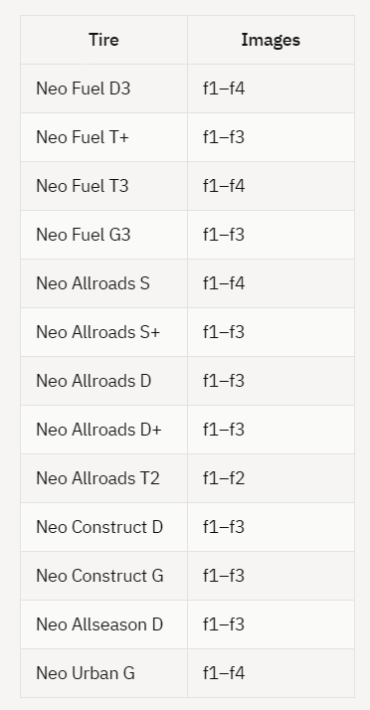
Neo Fuel s | 2 | NEO SERIES LONG HAUL: | STANDARD SERIES LONG HAUL: | 13 tires have feature cards
NEO FUEL D | 2 | Neo Fuel S | ASL06
NEO FUEL D2 | 3 | NEO FUEL D | ADL58
NEO FUEL D3 | 3 | NEO FUEL D2 | ATL08
Neo Fuel T+ | 4 | NEO FUEL D3
Neo Fuel T2 | 4 | Neo Fuel T+ | STANDARD SERIES REGIONAL:
Neo Fuel T3 | 5 | Neo Fuel T2 | ASR30
Neo Fuel G3 | 5 | Neo Fuel T3 | ASR35
Neo Allroads S | 6 | Neo Fuel G3 | ASR69
Neo Allroads S+ | 6 |  | ADR24
Neo Allroads D | 7 | NEO/SAILOR SERIES REGIONAL: | ADR26
Neo Allroads D+ | 7 | Neo Allroads S | ADR35
Neo Allroads T2 | 8 | Neo Allroads S+ | ADR55
Sailor ASR79 | 8 | Neo Allroads D | ADR69
Sailor ASR79II | 9 | Neo Allroads D+ | ADR57
Sailor ADR78/ADR78 ii | 9 | Neo Allroads T2 | AGR26
Neo Construct D | 10 | Sailor ASR79
Neo Construct G | 10 | Sailor ASR79II | STANDARD SERIES ON/OFF ROAD:
Neo Winter S | 12 | Sailor ADR78/ADR78 ii | ADC52
Neo Allseason D | 12 |  | ADC53
Sailor AGB23 | 14 | NEO SERIES ON/OFF ROAD: | ADC54
Neo Urban G | 15 | Neo Construct D | AGC08
ASL06 | 16 | Neo Construct G | AGC53
ADL58 | 16 |  | AGM10
ATL08 | 17 | NEO SERIES WINTER: | AGM84
ASR30 | 18 | Neo Winter S
ASR35 | 18 | Neo Allseason D | STANDARD SERIES WINTER:
ASR69 | 19 |  | ADW80
ADR24 | 19 | NEO SERIES URBAN: | ADW81
ADR26 | 20 | Sailor AGB23 | ADW82
ADR35 | 20 | Neo Urban G
ADR55 | 21
ADR69 | 22
ADR57 | 22
AGR26 | 23
ADC52 | 24
ADC53 | 24
ADC54 | 25
AGC08 | 25
AGC53 | 26
AGM10 | 26
AGM84 | 27
ADW80 | 28
ADW81 | 28
ADW82 | 29

