Paper LBO
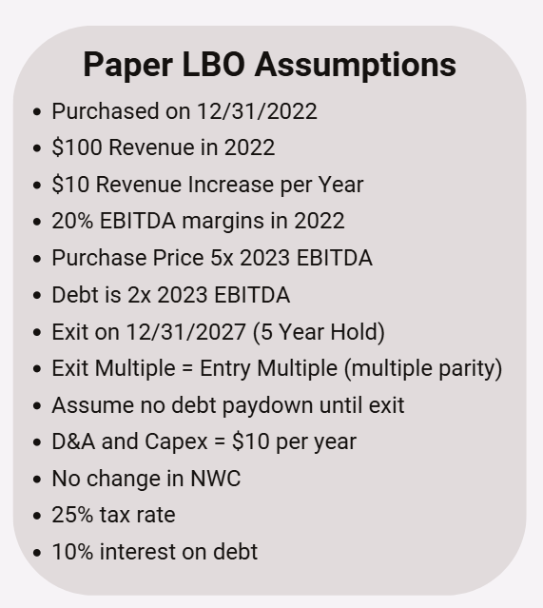
Paper LBO

Sources |  |  |  | Uses
Debt |  | $44 |  | Purchase Price |  |  | $110
Equity (plug) |  | $66
Total Sources |  | $110 |  | Total Uses |  |  | $110

Build to Debt |  |  |  | Build to Purchase Price
2023 EBITDA |  | $22 |  | 2023 EBITDA |  |  | $22
(x) Leverage |  | 2.0x |  | (x) Multiple of 2023 EBITDA |  |  | 5.0x
Debt |  | $44 |  | Purchase Price |  |  | $110

Simple P&L |  | 2022 | 2023 | 2024 | 2025 | 2026 | 2027
Revenue |  | $100 | $110 | $120 | $130 | $140 | $150
$ Incremental Revenue |  |  | $10 | $10 | $10 | $10 | $10

EBITDA |  | $20 | $22 | $24 | $26 | $28 | $30
% margin |  | 20% | 20% | 20% | 20% | 20% | 20%

LFCF Build
EBITDA |  |  | $22 | $24 | $26 | $28 | $30
(-) D&A |  |  | ($10) | ($10) | ($10) | ($10) | ($10)
EBIT |  |  | $12 | $14 | $16 | $18 | $20
(-) Cash Interest | 10% |  | ($4) | ($4) | ($4) | ($4) | ($4)
EBT |  |  | $8 | $10 | $12 | $14 | $16
(-) Taxes | 25% |  | ($2) | ($2) | ($3) | ($3) | ($4)
Net Income |  |  | $6 | $7 | $9 | $10 | $12
(+) D&A |  |  | $10 | $10 | $10 | $10 | $10
(-) Capex |  |  | ($10) | ($10) | ($10) | ($10) | ($10)
(-) Change in NWC |  |  | $0 | $0 | $0 | $0 | $0
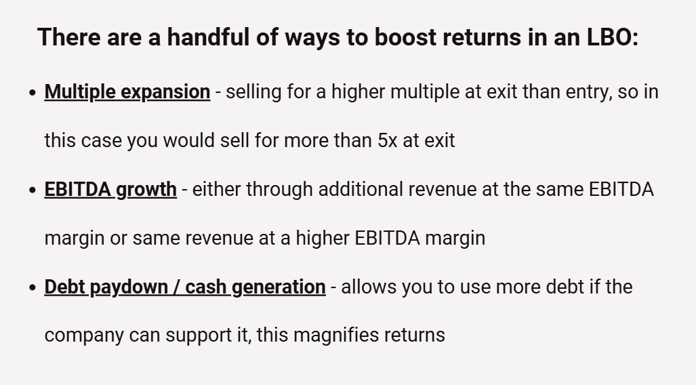
Levered FCF |  |  | $6 | $7 | $9 | $10 | $12
Cumulative LFCF |  |  | $6 | $13 | $22 | $32 | $44

Returns
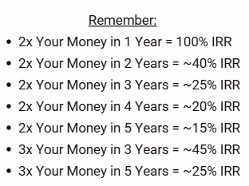
Exit EBITDA (2027) |  | $30
(x) Exit Multiple |  | 5.0x
Enterprise Value |  | $150
(-) Debt |  | ($44)
(+) Cash |  | $44
Equity Value at Exit |  | $150
Initial Equity Investment |  | $66

MoM |  | 2.3x
IRR |  | 18%

12/31/2022 |  | ($66)
12/31/2027 |  | $150

45 Min LBO Prompt
