Sheet1

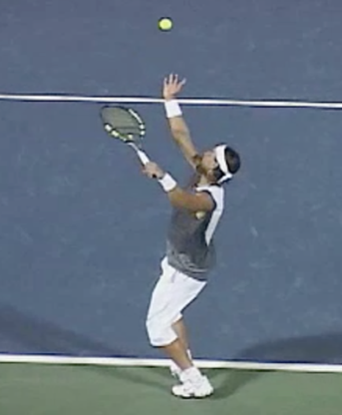


Front | 0.5
Rear | 0.41
Side Face On | 0.6
Side Behind | 0.53
PCJ For Each Angle

